CAUSES

c
HYPERTENSION RISK PREDICTION DASHBOARD

This dashboard gives a clear view of the factors contributing to high blood pressure

c
 | Yes
High Stress | 394
Low Stress | 323
Moderate Stress | 315
c
Stress Score by hypertensive Patients
Age Group by hypertensive Patients
c
Salt Intake by hypertensive Patients
 | Yes
18-25 | 108
26-45 | 231
46-65 | 338
66-85 | 355
High Salt Intake | 997
Low Salt Intake | 28
Normal Salt Intake | 7
NAVIGATION

DEMOGRAPHICS

RISK FACTORS

ANALYTICS

DATASET

c
Exercise Level by hypertensive Patients
c

 | Yes
High | 213
Low | 472
Moderate | 347
Sleep Duration by hypertensive Patients
BMI Category by hypertensive Patients
 | Yes
Long Sleep Duration | 65
Normal Sleep Duration | 292
Short Sleep Duration | 675

 | Yes
Normal | 351
Overweight | 635
Underweight | 46

Family History by hypertensive Patients

 | Yes
No | 380
Yes | 652

DASHBOARD
c
HYPERTENSION RISK PREDICTION DASHBOARD
This dashboard gives a clear view of the factors contributing to high blood pressure
Z

 |  | #D9D9D9
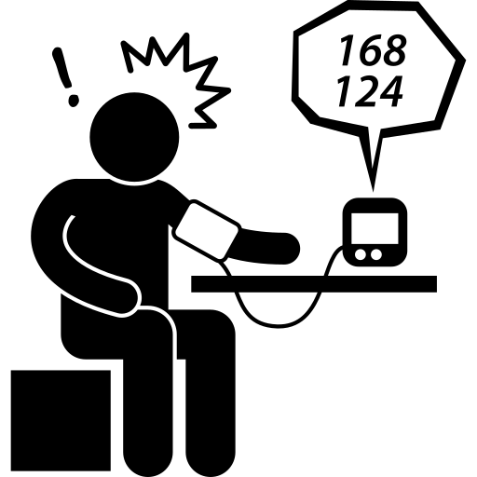
Total Patients
Average Age
Average BMI


 | #01549D

NAVIGATION
1985
50 years
26.02 Kg/m²

DEMOGRAPHICS

Average Sleep Duration
Average Stress Score
Average Salt Intake

RISK FACTORS

6.45 hrs
4.98
8.53 gram

ANALYTICS

c
Total Patient By Age Group
c
Medication taken by hypertesive patient
c
DATASET
Total Patient that has hypertension

 | Total
18-25 | 259
26-45 | 593
46-65 | 585
66-85 | 548
 | Yes
Other | 106
Diuretic | 139
ACE Inhibitor | 161
Beta Blocker | 214
None | 412
 | Total
No | 953
Yes | 1032

Total Patient tby BMI Category

Total Patient By BP History
 | Total
11.5-18.5 | 97
18.6-24.9 | 708
25.0-29.9 | 812
30 and Above | 368
 | Total
Hypertension | 569
Normal | 796
Prehypertension | 620

