Лист1
ID | 1
Summary | User registration with an incomplete phone number
Preconditions | Open website https://book-ye.com.ua/
 | The user does not have to be registered
Steps | 1.Press button 'Увійти або зареєструватися'
 | 2.Enter a valid name - Ihor
 | 3.Enter a valid E-mail - text1@text.com
 | 4.Enter a phone number shorter by 1 character - +38(098)919-79-1
 | 5.Enter a valid password - 111111
 | 6.Select the checkbox 'Погоджуюся з умовами використання'
 | 7.Click the button 'Зареєструватися'

Expected result | A message should appear that the phone number is invalid
Actual result | Successful user registration
Environment | Google Chrome Version 106.0.5249.119 (Official Build) (64-bit)
Priority | low
Severity | low
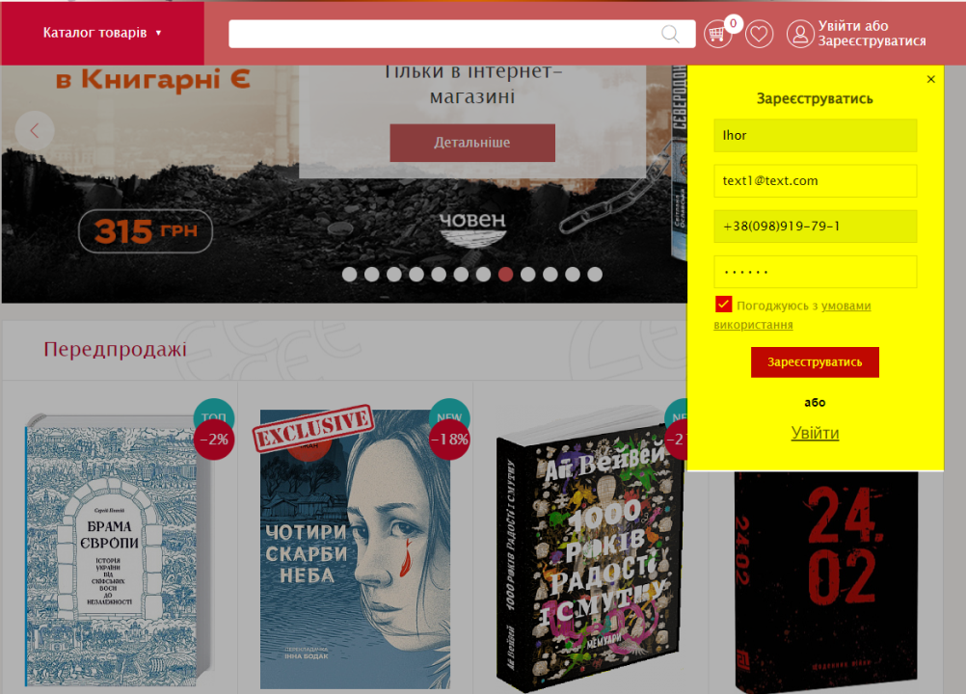
Type of bug | Functional
Attachment

