SEM_plot
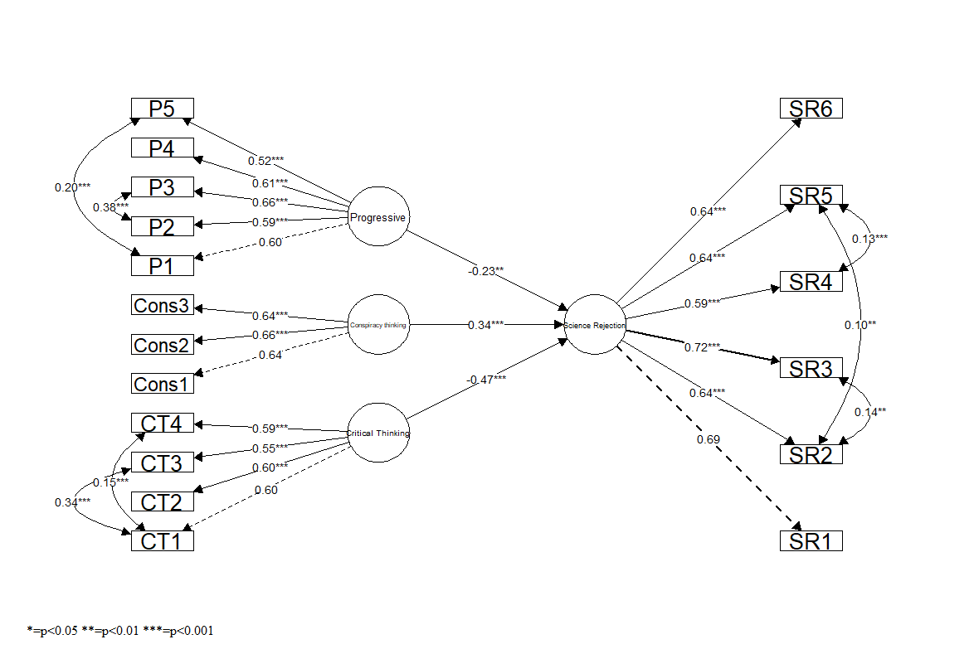
Figure 1 Science Rejection theoretical model
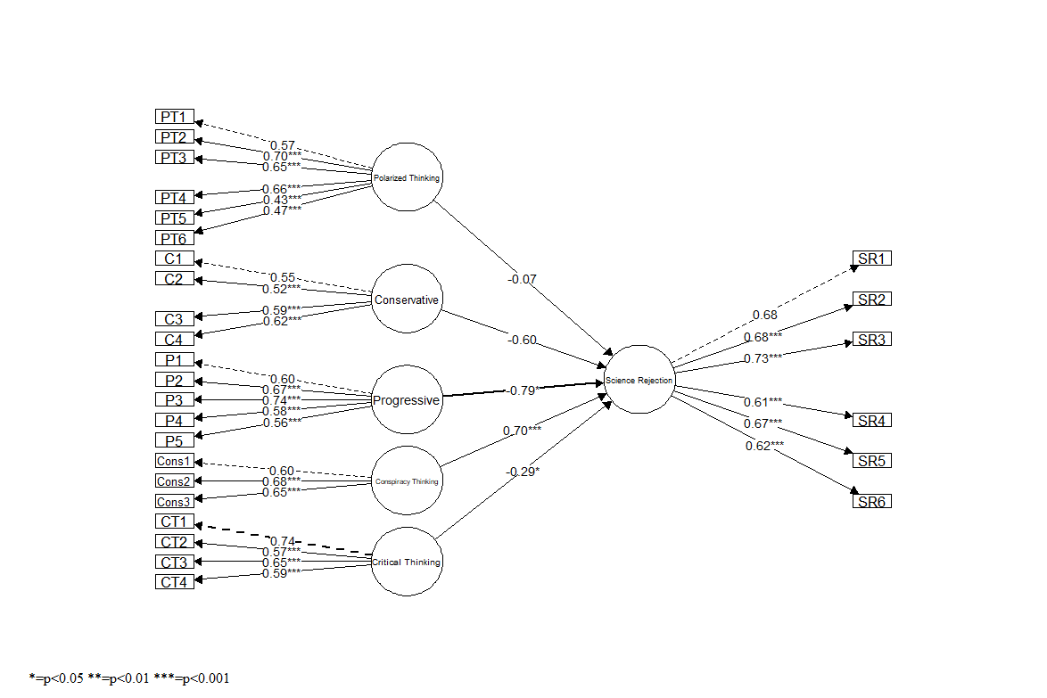

Figure 2 Science Rejection final model

