Лист1
ID | Summary | Severity | Precondition | Description | Attachment
1 | The catalog is successfully created in the "Add New Catalog" form after leaving the required "Visible for Departments" field blank. | Moderate | 1. The site https://knowledgecloud.us is opened 2. User is logged in | STR: 1. Go to "Settings"; 2. Click on the "Catalogs"; 3. Click the "Add new catalog" button; 4. Fill in the "Catalog name" and "Catalog Description" fields with valid data; 5. Leave the "Visible for Departments" field empty; 6. Click the "Add catalog" button; 7. Pay attention to the successful creation of a catalog; Result: Catalog successfully created. Expected result: The field is highlighted in red and an error with "Please select a department" text is displayed . | 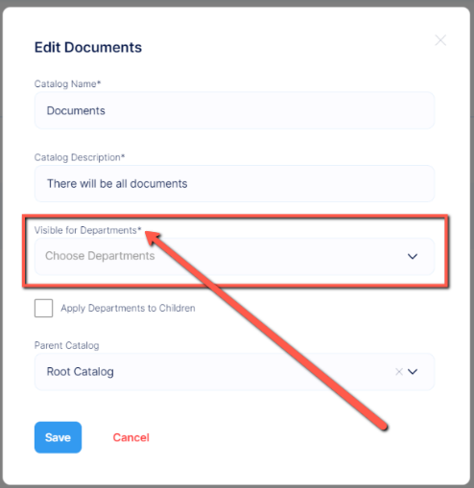
2 | "Category successfully created" instead of "Catalog successfully created" is displayed in the notification text after creating a new catalog | Cosmetical | 1. The site https://knowledgecloud.us is opened 2. User is logged in | STR: 1. Go to "Settings"; 2. Click on the "Catalogs"; 3. Click the "Add new catalog" button; 4. Fill in the required fields with valid data; 5. Click the "Add catalog" button; 6. Pay attention to the message about the successful creation of the catalog; Result: The message "Category successfully created" is displayed. Expected result: The message "Catalog successfully created" is displayed.

