Лист1
Id | OS | Priority | Severity | Summary | Precondition | Description | Attachtments | Comments
1 | Android | High | Major | The "Contact us page" is opened after clicking on the "FAQ" link. | The site http://pr-400-solingo.jenkins-infinite plus.dev-integrations.com is opened on the home page. | STR: 1. Scroll down the page; 2. Click the "FAQ" link; 3. Pay attention to the URL of the page. Result: The "Contact Us page" is opened after clicking on the "FAQ" link. Expected result: The "FAQ" page is opened after clicking on the link. | 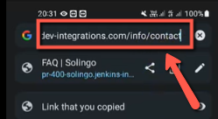
2 | Android | Medium | Cosmetic | "FAQ" is displayed in the header of the "Contact Us" page. | The site http://pr-400-solingo.jenkins-infinite plus.dev-integrations.com is opened on the home page. | STR: 1. Scroll down the page; 2. Click the "FAQ" link; 3. Notice that the "Contact Us" page is opened; 4. Pay attention to the header of the page. Result: "FAQ" is displayed on the header of the "Contact Us" page. Expected result: "Contact Us" is displayed on the header of the page. | 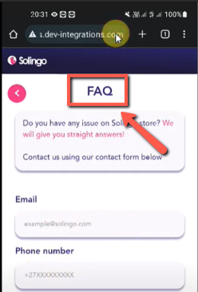
3 | Android | Medium | Moderate | An unknown subscription payment format is displayed on the "Home" page below the "Subscribe" button and in the language info. | The site http://pr-400-solingo.jenkins-infinite plus.dev-integrations.com is opened on the home page. | STR: 1. Pay attention to the subscription payment format. Result: An unknown subscription payment format is displayed on the "Home" page below the "Subscribe" button and in the language info. Expected result: The payment format $0.0(for example) is displayed below the "Subscribe" button and in the language info. | 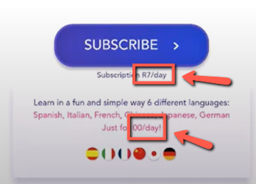
4 | Android | High | Cosmetic | The image is displayed upside down in the header of the home page. | The site http://pr-400-solingo.jenkins-infinite plus.dev-integrations.com is opened on the home page. | STR: 1. Pay attention to the layout of the image in the header of the page. Result: The image is displayed upside down in the header of the home page. Expected result: the image isn't displayed upside down in the header of the home page. | 