Лист1
Id | Functional area | Priority | Test objective | Preconditions | Steps | Attachments | Expected result | Attachments
1 | "FAQ" page | High | The "FAQ" page is displayed after clicking on the "FAQ" link | The site http://pr-400-solingo.jenkins-infinite plus.dev-integrations.com is opened on the home page. | 1. Scroll down the page. | 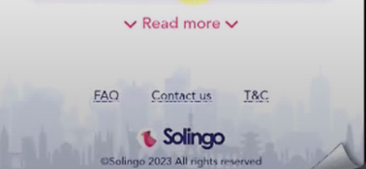 | The page footer is displayed.
 |  |  |  |  | 2. Click on the "FAQ" link. | 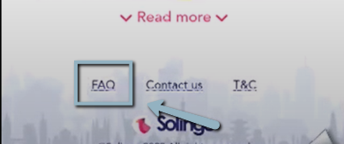 | The "FAQ" page footer is opened. | 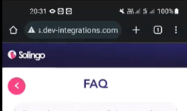
2 | "Contact Us" page | High | "Contact US" is displayed in the header of the "Contact Us" page | The site http://pr-400-solingo.jenkins-infinite plus.dev-integrations.com is opened on the home page. | 1. Scroll down the page. |  | The page footer is displayed.
 |  |  |  |  | 2. Click on the "Contact Us" link. | 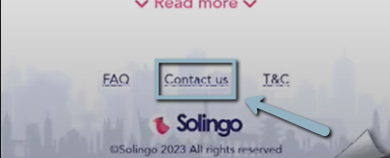 | The "Contact Us" page content is displayed. | 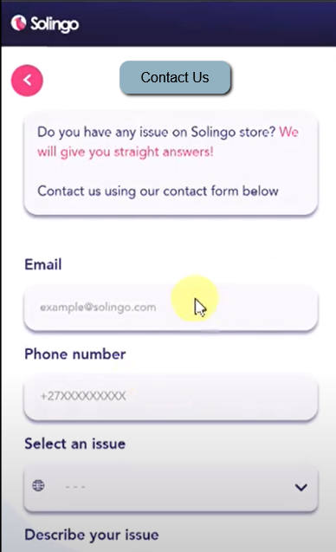
3 | "Home" page | High | $0.0 for example is displayed below the "Subscribe" button and in the language info. |  | 1. Open site http://pr-400-solingo.jenkins-infinite plus.dev-integrations.com is opened on the home page. |  | The "Home" page is displayed.
 |  |  |  |  | 2. Check the payment format below the "Subscribe" button and in the language info. | 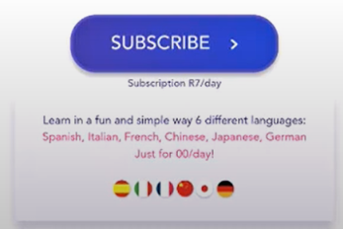 | The payment format $0.0(for example) is displayed below the "Subscribe" button and in the language info. | 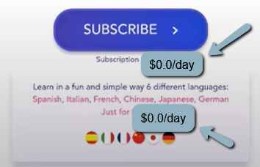
4 | "Home" page | High | Images position is displayed according to the mock-up. | The mock-up of the "Home" page is opened | 1. Open site http://pr-400-solingo.jenkins-infinite plus.dev-integrations.com |  | The "Home" page is displayed.
 |  |  |  |  | 2. Check the position of images according to the mock-up. |  | Images position is displayed according to the mock-up. | 

