Clients by interval
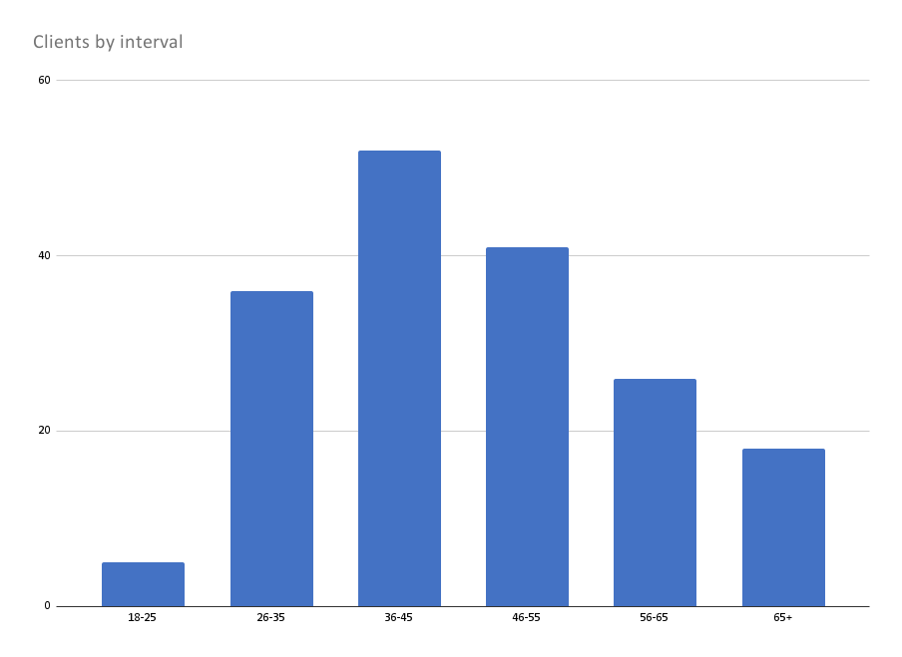

Histogram of price
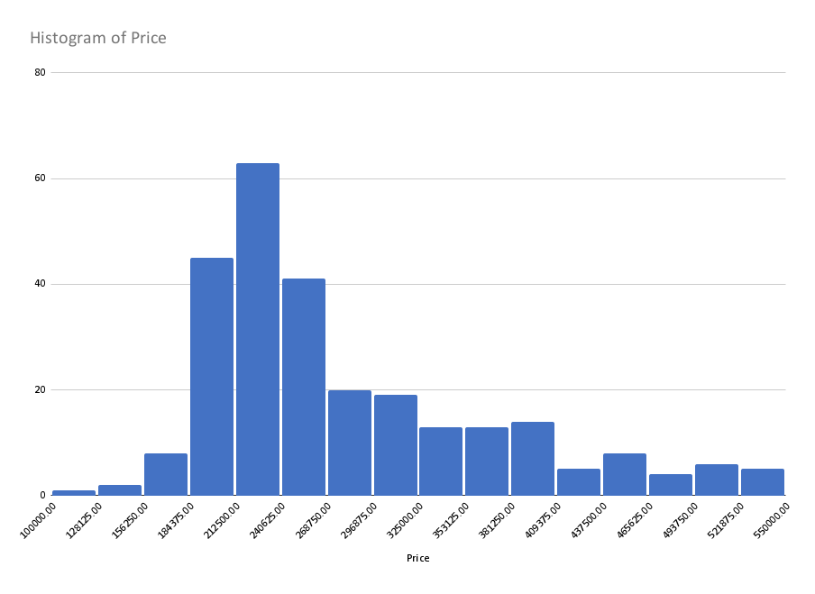

Price vs Area
Price vs. Area (ft.)

