Sheet1
Requirement | Test Data | Data Type | Expected Outcome | Actual Outcome | Purpose
1 | running the program | normal | menu is displayed | 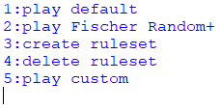 | functionality
14 | entering 'quit' | normal | program stops | 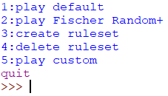 | functionality
14 | entering 'QUIT' | boundary | program stops | 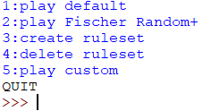 | case sensitivity
15 | entering 'help' | normal | help information is displayed | 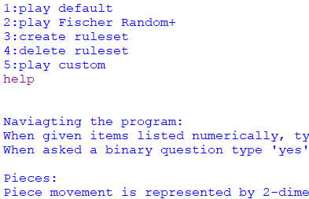 | functionality
15 | entering 'HELP' | normal | help information is displayed | 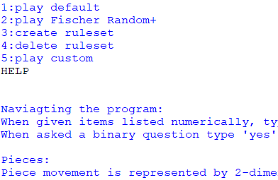 | case sensitivity
1 | entering 'a' | erroneous | error message is displayed | 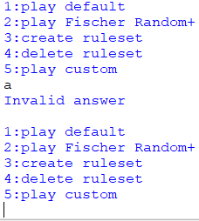 | error handling
2 | selecting option 1 | normal | game starts | 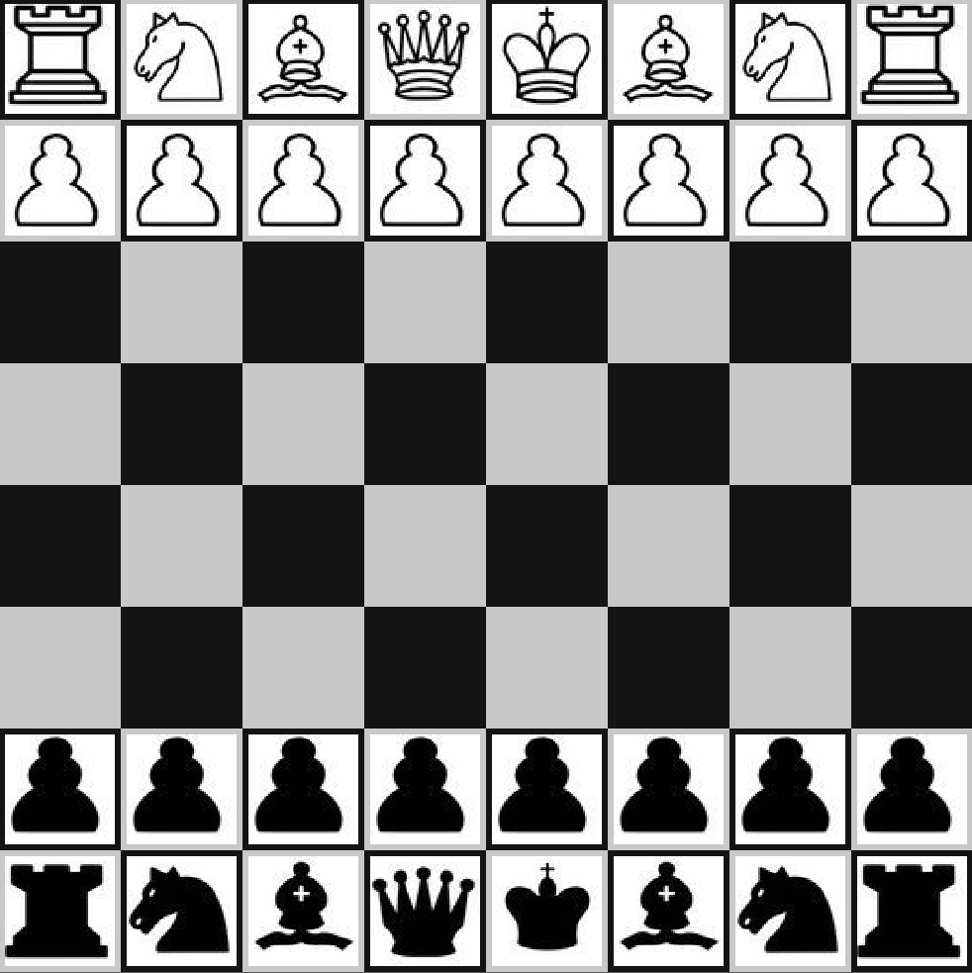 | functionality
2 | pawn movement | normal | legal pawn moves | 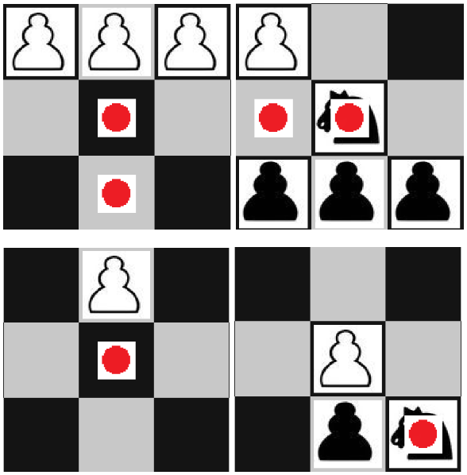 | functionality
2 | knight movement | normal | legal knight moves | 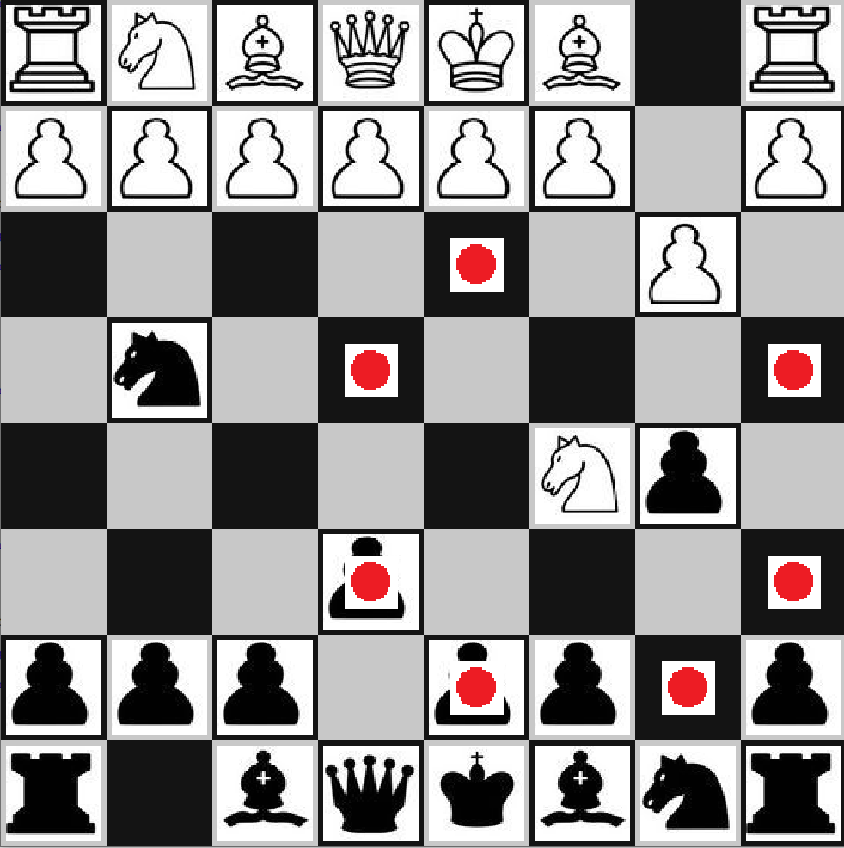 | functionality
2 | bishop movement | normal | legal bishop moves | 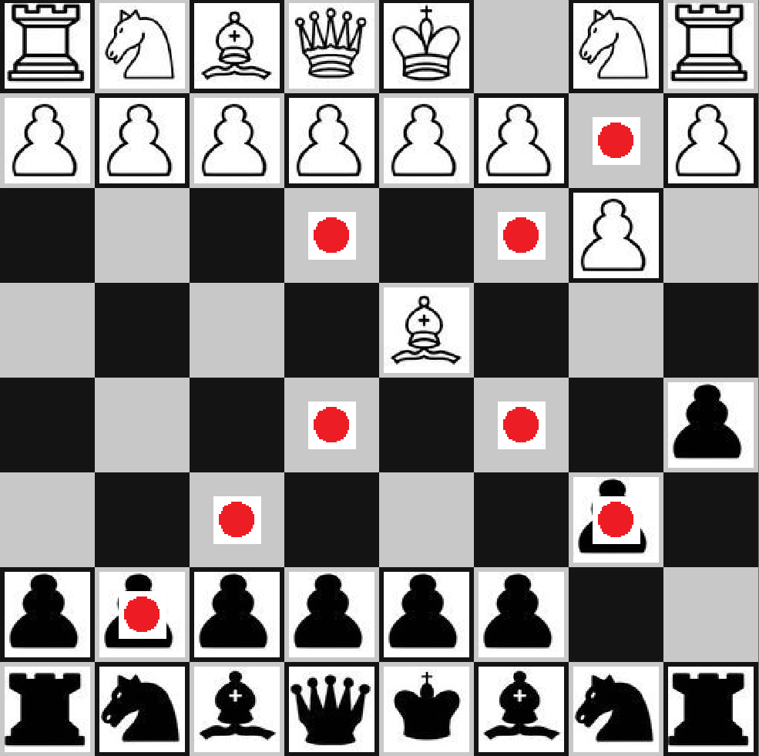 | functionality
2 | rook movement | normal | legal rook moves | 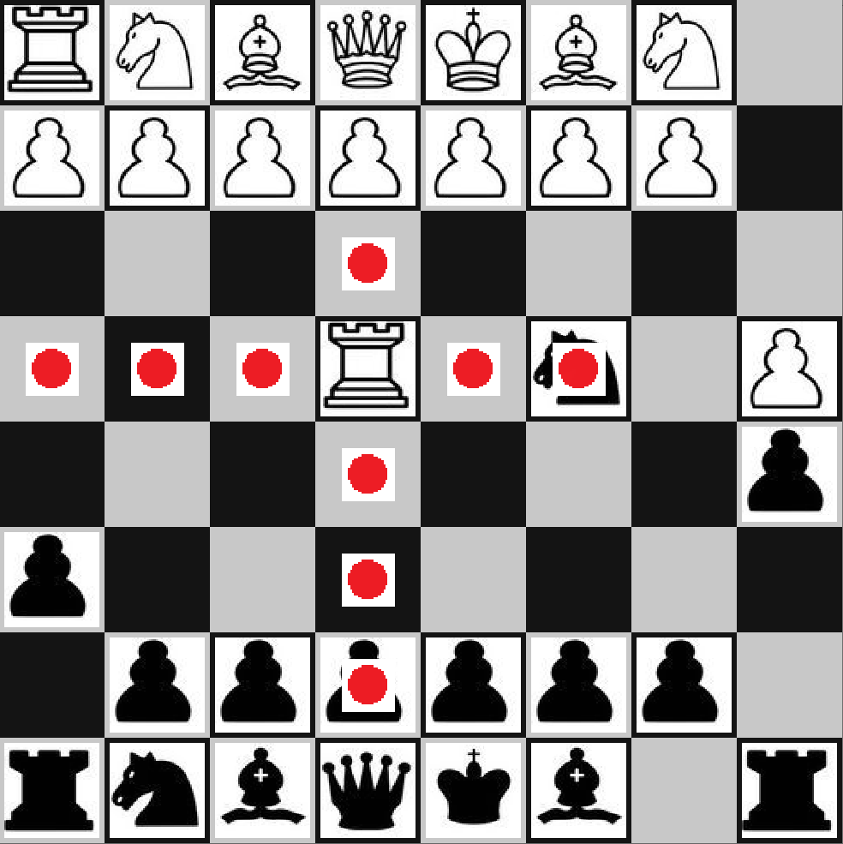 | functionality
2 | queen movement | normal | legal queen moves | 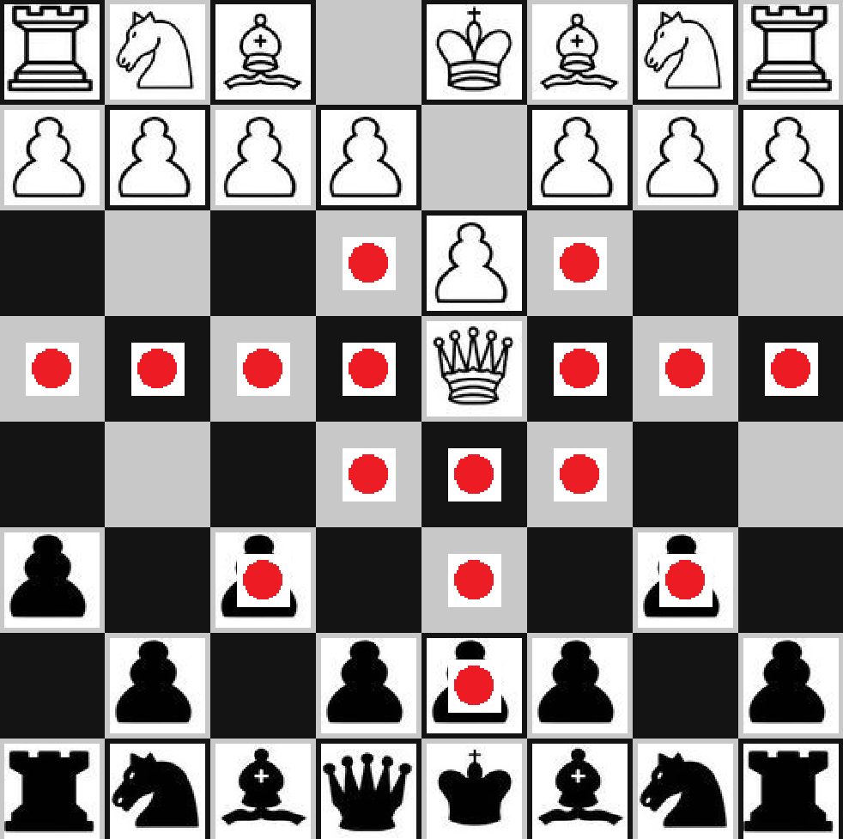 | functionality
2 | king movement | normal | legal king moves | 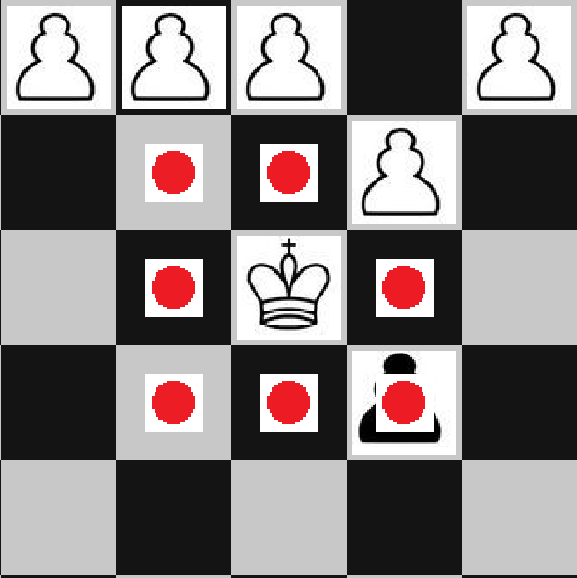 | functionality
2 | selecting an enemy piece | erroneous | error message is displayed |  | error handling
2 | moving while in check | boundary | all moves must stop check | 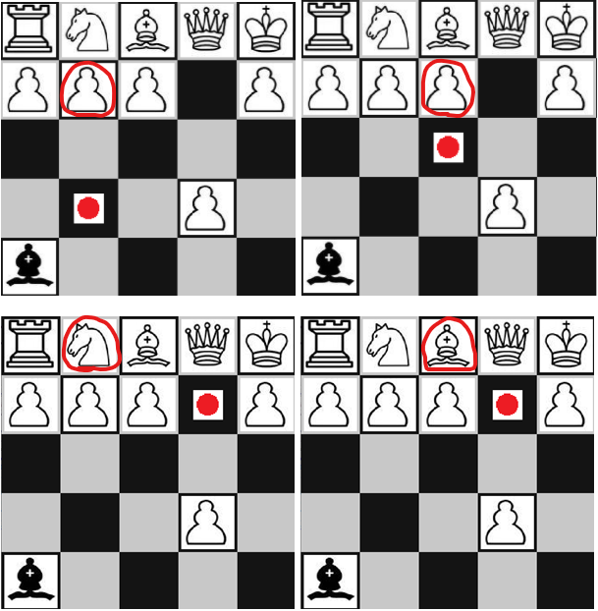 | functionality
2 | preventing moves that reveal check | boundary | moves that reveal check are filtered | 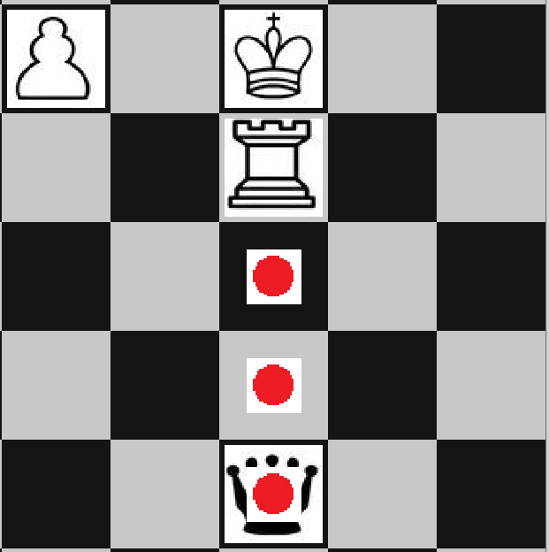 | functionality
2 | promotion | normal | pawn at the end of the board promotes |  | functionality
2 | checkmate | boundary | game is won by checkmating | 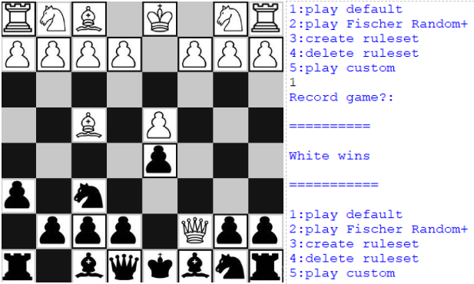 | functionality
2 | stalemate | boundary | game is drawn by stalemating | 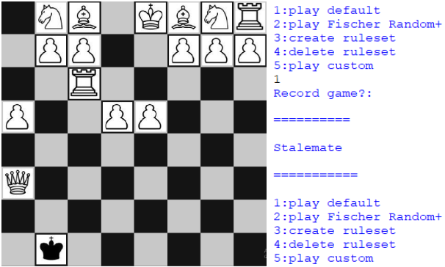 | functionality
3 | selecting option 2 | normal | user is prompted for dimesions | 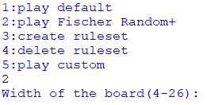 | functionality
3 | choosing a typical width and height | normal | board is created with user specified dimensions | 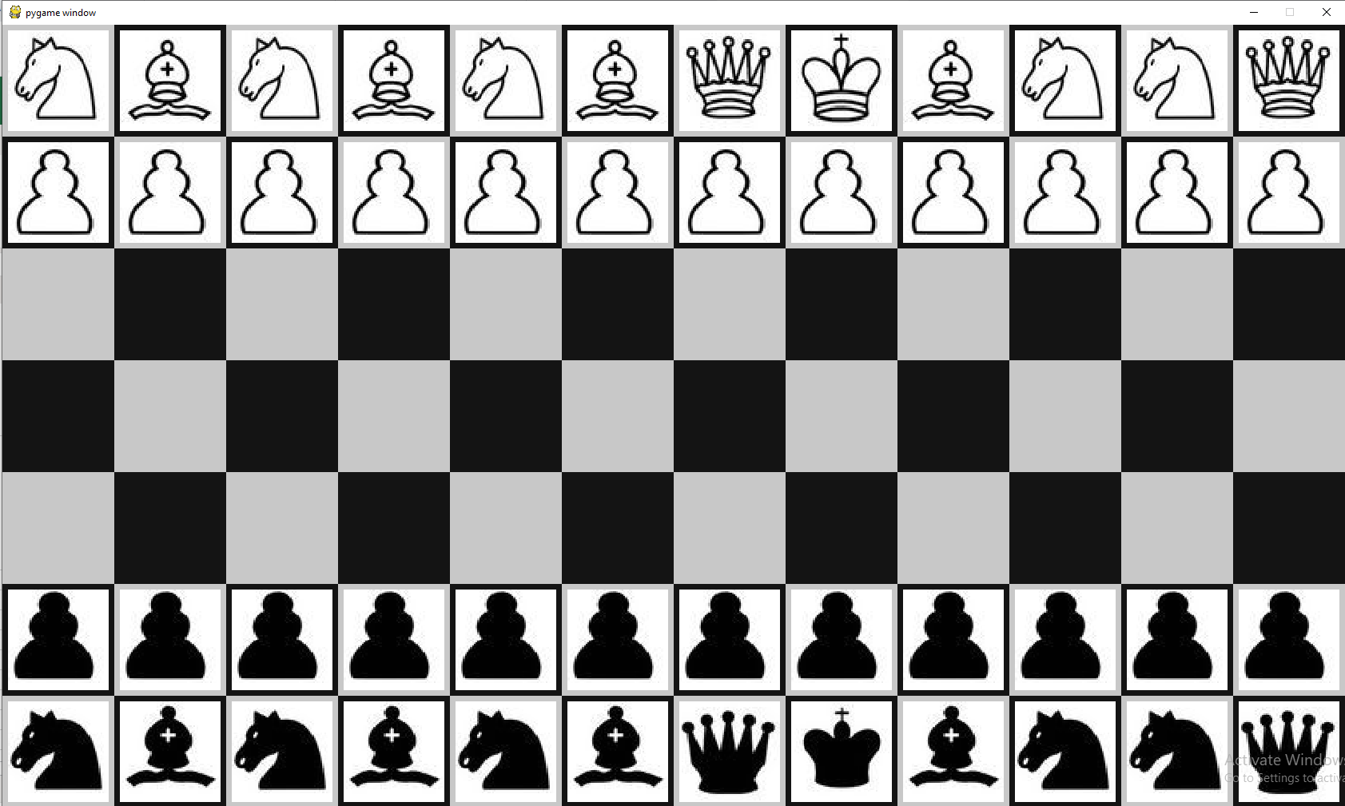 | functionality
3 | choosing max width, min height | boundary | board is created with user specified dimensions |  | functionality
3 | choosing min width, max height | boundary | board is created with user specified dimensions |  | functionality
3 | choosing max width, max height | boundary | board is created with user specified dimensions | 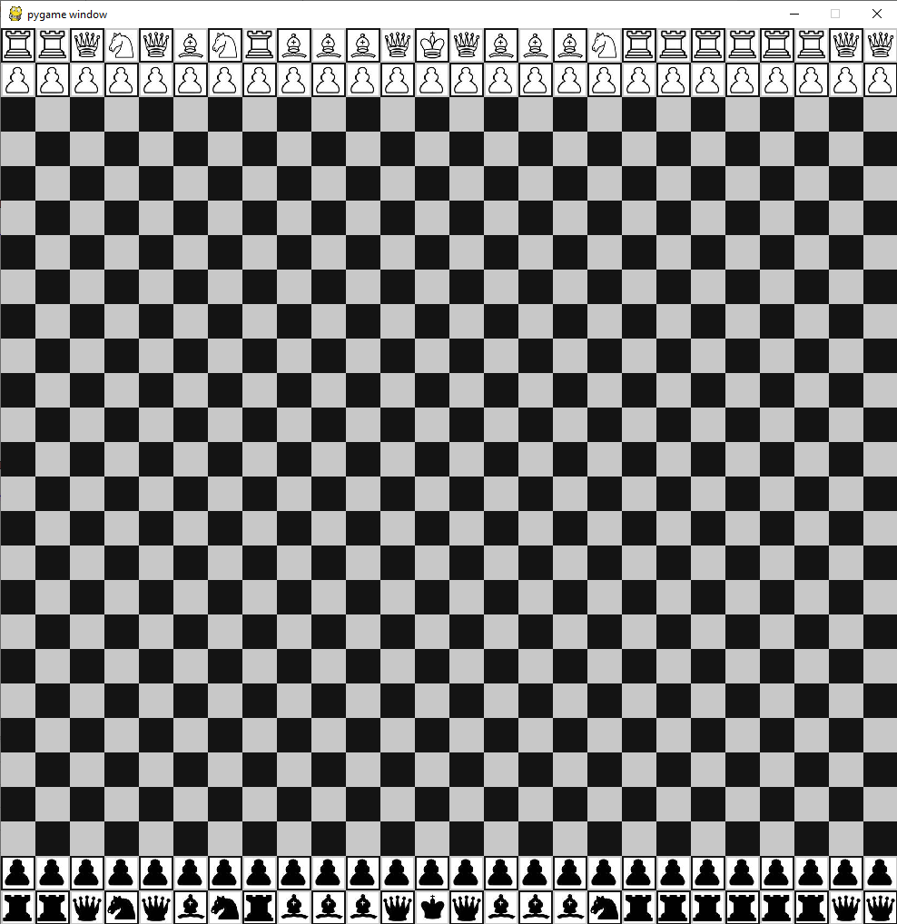 | functionality
3 | choosing, min width, min height | boundary | board is created with user specified dimensions | 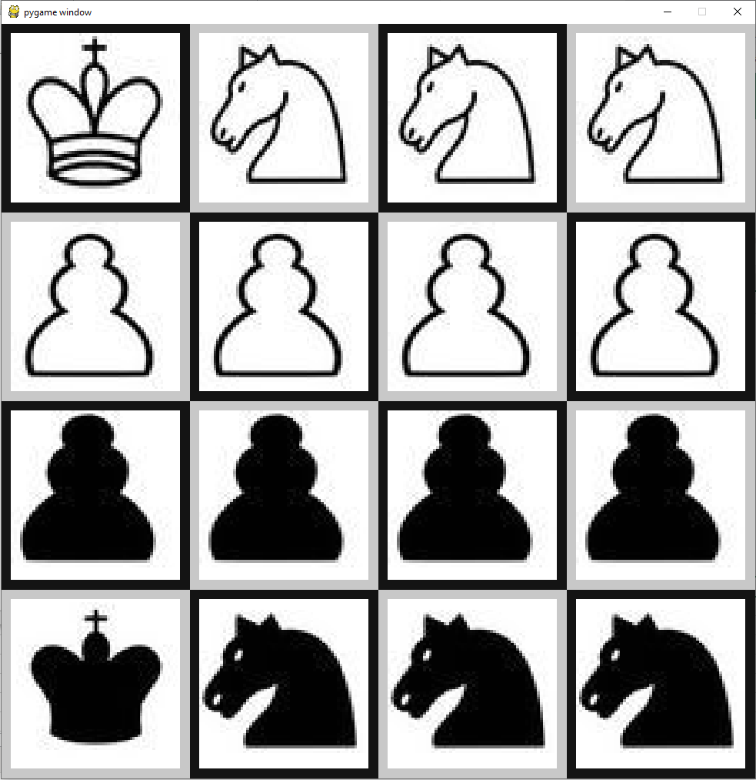 | functionality
3 | choosing dimensions out of range | erroneous | error message is displayed | 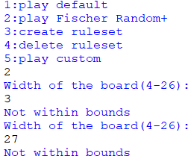 | error handling
3 | entering 'a' instead of a dimension | erroneous | error message is displayed | 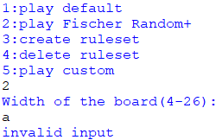 | error handling
3 | initialising three games | normal | setup always follows Fischer Random+ rules | 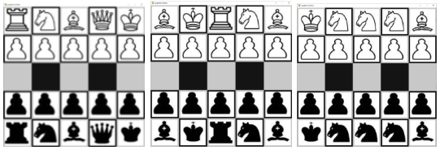 | functionality
4 | selecting option 3 | normal | user is prompted to design piece | 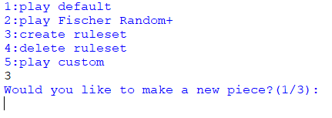 | functionality
5 | designing a piece | normal | piece moves with user specified vectors | 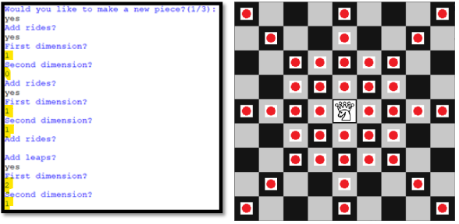 | functionality
5 | entering 'a' instead of a vector | erroneous | error message is displayed | 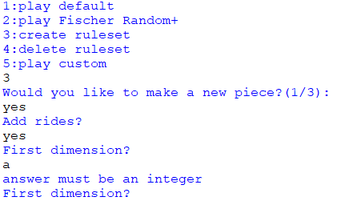 | error handling
5 | designing a royal piece | boundary | piece exhibits properties of a king | 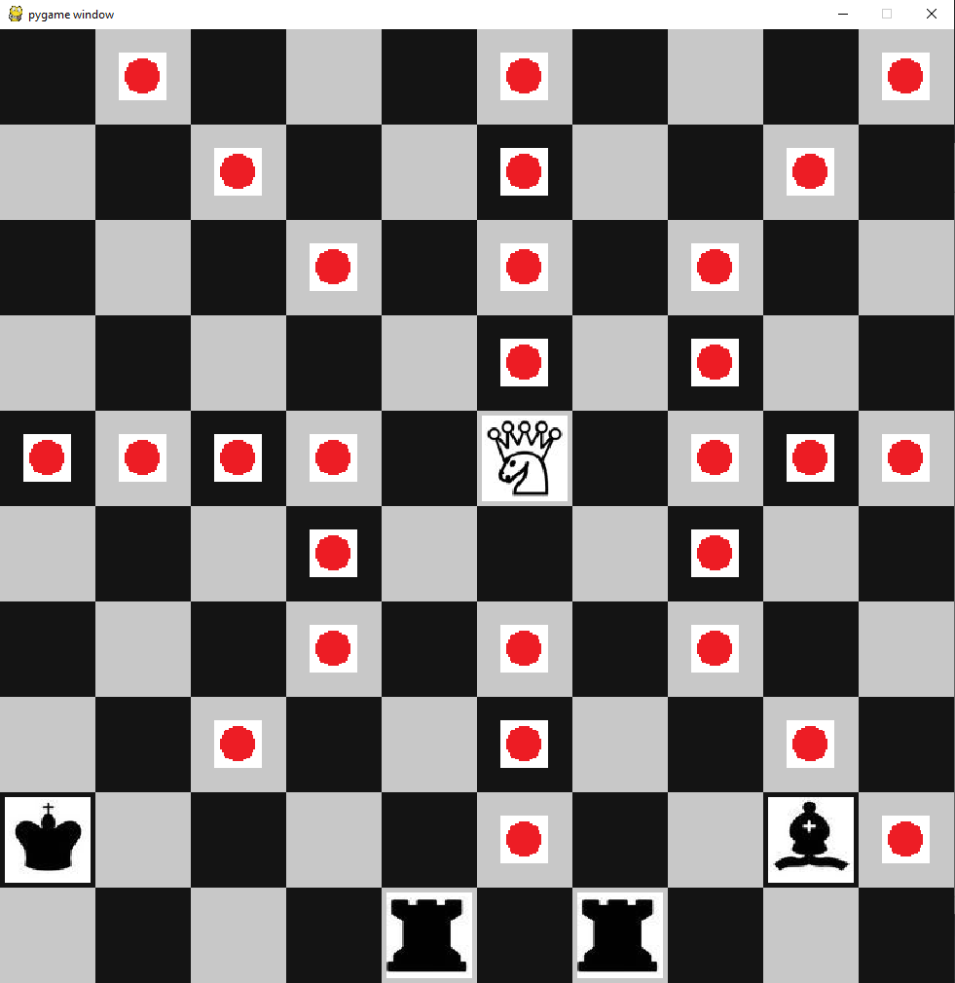 | functionality
5 | designing two royal pieces | boundary | piece's coexist with royal properties | 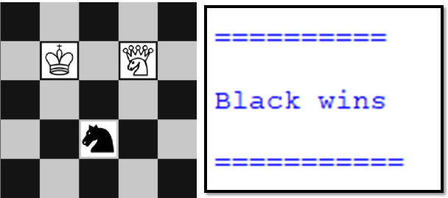 | functionality
5 | designing three pieces | normal | three custom pieces coexist |  | functionality
5 | designing a null piece | erroneous | piece is not created, error message is displayed | 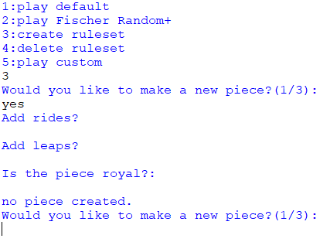 | error handling
5 | promoting with custom pieces | normal | promotion menu offers custom pieces |  | functionality
6 | Checkmate win | normal | game is won by checkmating | 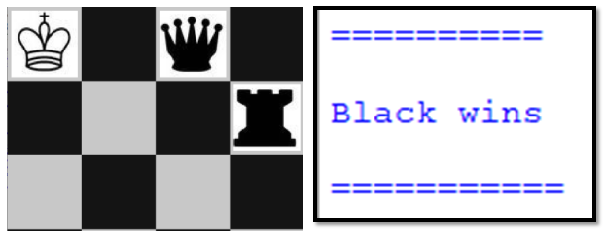 | functionality
6 | Regicide win | normal | game is won by regicide |  | functionality
6 | King of the hill win | normal | game is won by capturing a hill |  | functionality
6 | Extinction win | normal | game is won by extinction |  | functionality
7 | selecting custom board | normal | custom board menu opens | 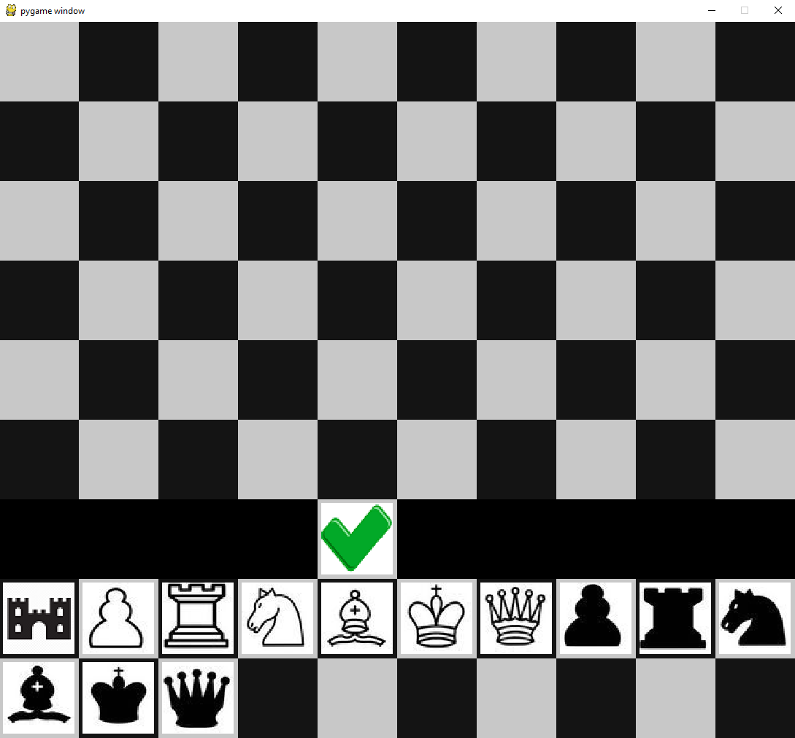 | functionality
7 | testing different dimension boards | boundary | custom board menu conforms to square shape |  | functionality
7 | pressing tick button | normal | saves board state | 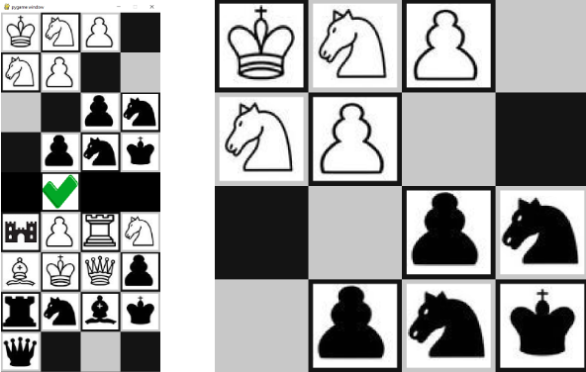 | functionality
7 | pressing tick button when unplayable, checkmate | erroneous | displays error message | 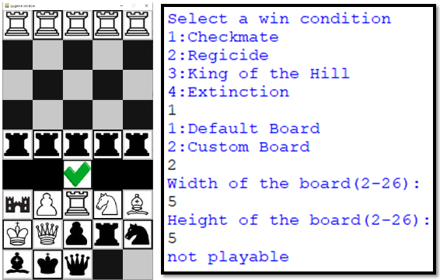 | error handling
7 | pressing tick button when unplayable, regicide | erroneous | displays error message | 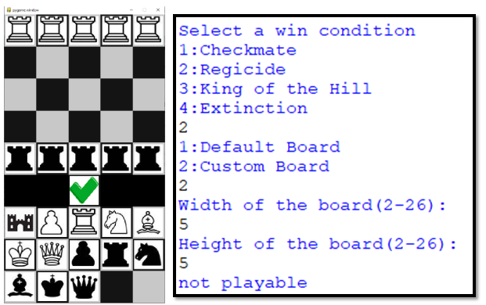 | error handling
7 | pressing tick button when unplayable, king of the hill | erroneous | displays error message | 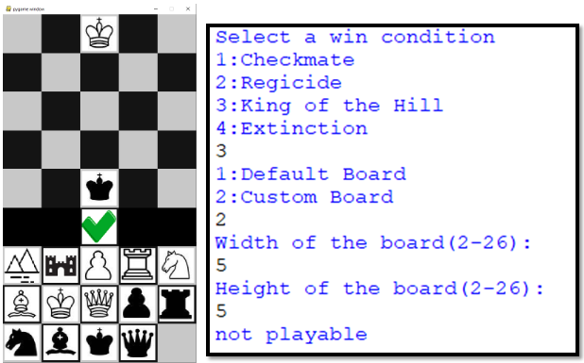 | error handling
7 | pressing tick button when unplayable, extinction | erroneous | displays error message | 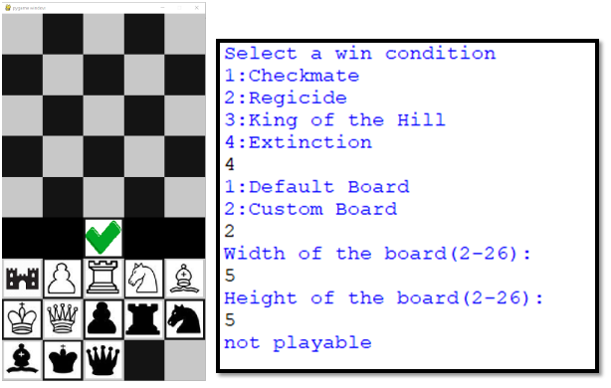 | error handling
7 | pressing tick button while a piece is in check | erroneous | displays error message | 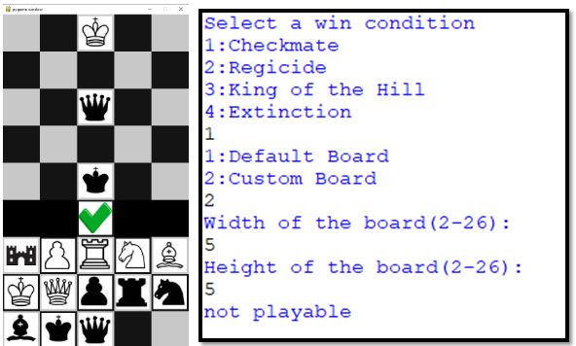 | error handling
4 | entering a name for the ruleset | normal | creates ruleset with that name | 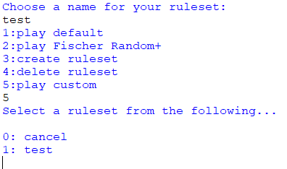 | functionality
4 | entering a pre-existing name | erroneous | displays error message | 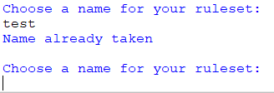 | error handling
4 | entering a pre-existing name with different capitalisation | erroneous | displays error message |  | case sensitivity
8 | saving ruleset to a file | normal | ruleset information is stored in file | 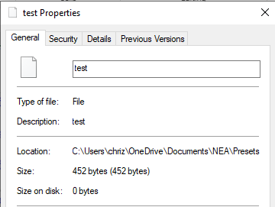 | functionality
9 | selecting option 4 | normal | rulesets are displayed | 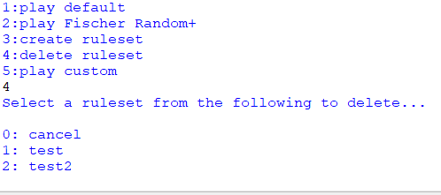 | functionality
9 | deleting a ruleset | normal | ruleset is deleted |  | functionality
9 | choosing to cancel | normal | cancels without deleting a ruleset |  | functionality
9 | selecting option 4 when no rulesets exist | normal | displays that no rulesets exist | 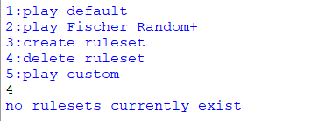 | functionality
9 | entering 'a' instead of choosing a ruleset | erroneous | displays error message |  | error handling
10 | selecting option 5 | normal | rulesets are displayed |  | functionality
10 | selecting option 5 when no rulesets exist | normal | displays that no rulesets exist | 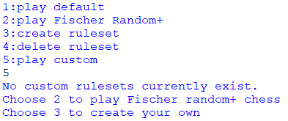 | functionality
10 | entering 'a' instead of choosing a ruleset | erroneous | displays error message |  | error handling
12 | choosing to record a game | normal | prints log of game | 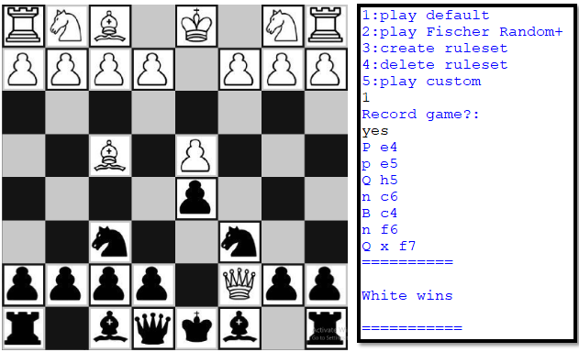 | functionality

