Sheet1
Cable Name: AT-ETX-2i10G/CBL13

 | MicroUsb | RJ45 Plug RTA2788-AF06
 | 2 | 5
 | 3 | 6
 | 5 | 4

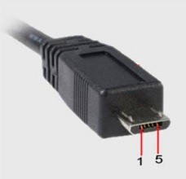

 | Length, cm | 20
 | Quantity | 2
 | Cable type: | CBL-UUSB-DB9F

 | Catalog number | Qty for 1 cable | Qty for Tester
 | CBL-UUSB-DB9F | 1 | 2
 | RTA2788-AF06 | 1 | 2

Please attach a label the with Cable Name to the cable

