Arithmetic operation
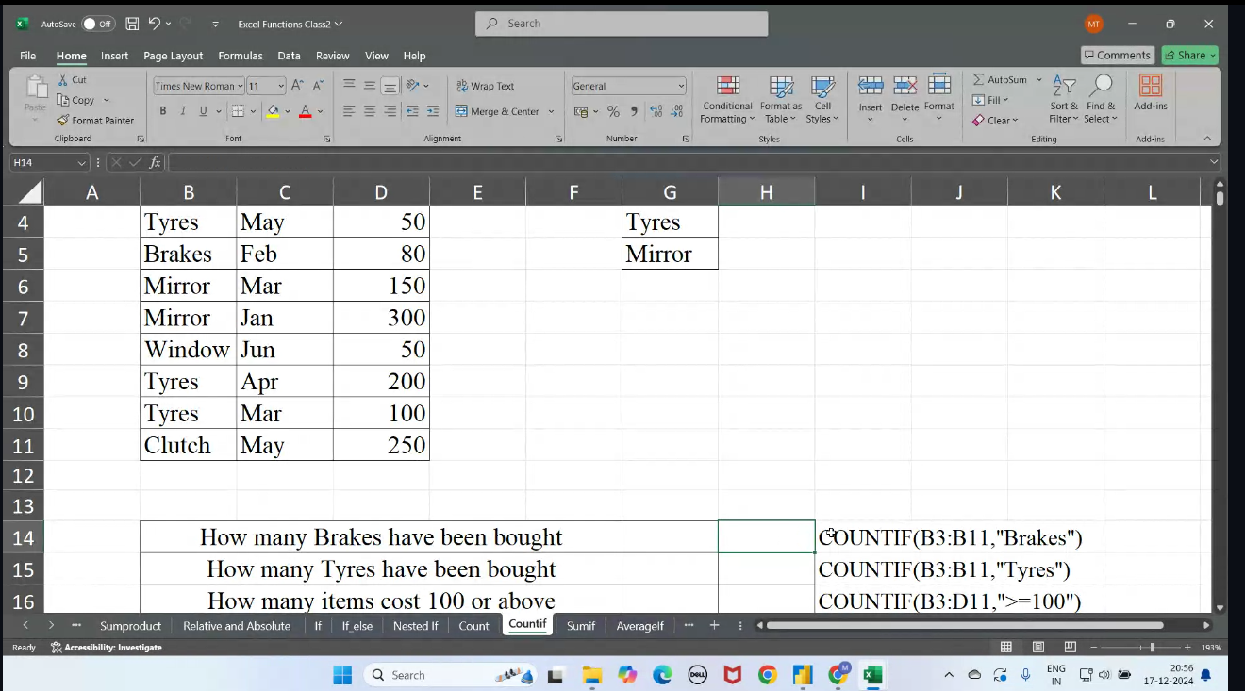
name | age |  | mark | add | sub | mul | sum |  | min | max | avg | COUNT | COUNTA | COUNT BLANK
Anu | 33 |  | 50 | 83 | -100 | -13695000 | 83 | 2 values sum | 24 | 50 | 29 | 4 | 8 | 4
Manu | 30 |  | 43 | 73 | -86 | -8098620 | 225 | range sum |  |  | 37.5
Anaha | 24 |  | 45 | 69 | -90 | -6706800
Total | 87 |  | 138 | 225 | -276 | -28500420
 | HAI
 | HELLO

 | IF CONDITION

Application id | Approved |  | status

12344 | YES |  | Approved
12354 | YES |  | Approved
12445 | NO |  | Rejected
11124 | YES |  | Approved
12433 | NO |  | Rejected

 | (=IF(B13:B17="YES",Approved","Rejected"))

NAME | AGE | SCORE | AGE > OR NOT than 23 | age>23 | age=28 | age<=22 | age/2=14 | SCORE>34
ANU | 20 | 50 | NOT GREATER THAN 23 | False | False | True | FALSE | PASS
ANAHA | 23 | 22 | NOT GREATER THAN 23 | True | False | False | FALSE | FAIL
MEGHA | 22 | 34 | NOT GREATER THAN 23 | False | False | True | FALSE | FAIL
VARUN | 28 | 45 | GREATER THAN 23 | True | True | False | TRUE | PASS
RAHUL | 30 | 47 | GREATER THAN 23 | True | False | False | FALSE | PASS

Find age is greater than 23?
If age =28?
if age is <=22?
if age/2=14?
IF SCORE IS GREATER THAN 34 THEN RETURN PASS

Name | Sales | Target | Commission |  |  | Achieved | 10%
Joey | 1000 | 3000 | 50 |  |  | Not Achived | 5%
Ross | 6000 | 5000 | 600
Rachel | 3000 | 4000 | 150
 |  |  |  |  |  | (=IF(B93>=C93,B93*$G$92,B93*$G$93))

SUMIF FUNCTION

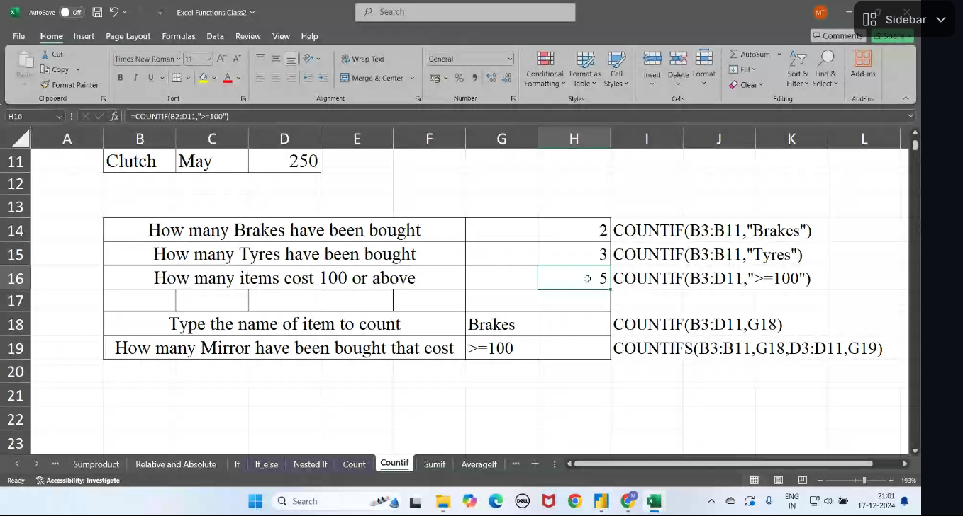
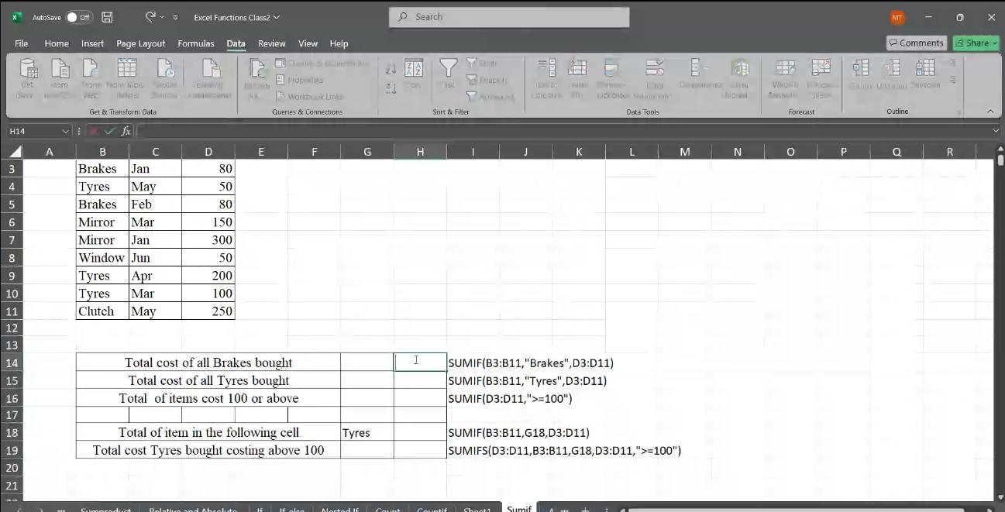
TYPE | MONTH | COST
BRAKES | JAN | 80
TYRES | MAY | 50
BRAKES | FEB | 80
MIRROR | MAR | 150
MIRROR | JAN | 300
WINDOW | JAN | 50
TYRES | APR | 200
TYRES | MAR | 100
CLUTCH | MAY | 250 |  |  |  |  | BRAKES
 |  |  |  |  |  |  | TYRES
TOTAL COST OF ALL BRAKES BOUGHT? |  |  |  | 160 |  |  | BRAKES
TOTAL COST OF ALL TYRES BOUGHT? |  |  |  | 350 |  |  | MIRROR
TOTAL OF ITEMS COST 100 OR ABOVE? |  |  |  | 1000 |  |  | MIRROR
TOTAL OF ITEM IN THE FOLLOWING CELL? |  |  |  |  |  |  | WINDOW
 |  |  |  |  |  |  | TYRES
 |  |  |  |  |  |  | TYRES
 |  |  |  |  |  |  | CLUTCH

