График
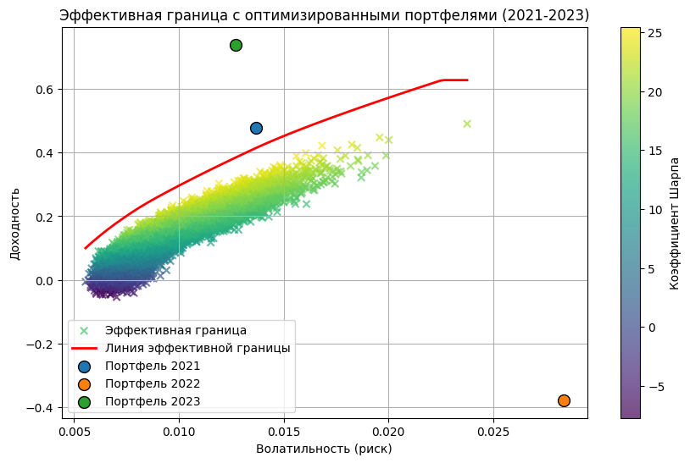
Расчеты выполнены в Python

