Objective Cards任务卡翻译
Objective Cards 任务卡图片 | 名称 | 分类 | SETUP 设置 | SPECIAL RULE 特殊规则 | END OF ROUND 每轮结束时 | END OF GAME 游戏结束时 | SCORE 胜利得分 | FAQ 补充更正
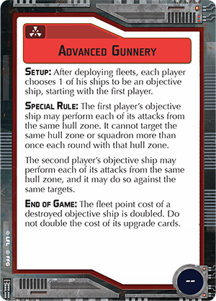 | Advanced Gunnery | Assault | After deploying fleets, each player chooses 1 of his ships to be an objective ship, starting with the first player. 在部署完舰队后，从先手玩家开始，每个玩家选1个自己的战舰作为任务战舰。 | The first player's objective ship may perform each of its attacks from the same hull zone. It cannot target the same hull zone or squadron more than once each round with that hull zone. The second player's objective ship may perform each of its attacks from the same hull zone, and it may do so against the same target. 先手玩家的任务战舰可以用同1个船体区来发起每1次攻击，但该船体区不能重复选择同1个敌方船体区或中队作为目标超过1次。 后手玩家的任务战舰不但可以用同1个船体区来发起每1次攻击，而且该船体区可以重复选择同1个敌方船体区或中队作为目标。 | -- | The fleet point cost of a destroyed objective ship is doubled. Do not double the cost of its upgrade cards. 任务战舰被摧毁时将使对手得到双倍的战舰分数，但它所装备的升级卡不能加倍。 | -- | [FAQ] If either player's objective ship is equipped with Gunnery Team and attacks from the same hull zone during its activation, that ship cannot target the same ship or squadron more than once during its activation. 如果任何玩家的任务战舰装备了Gunnery Team，则它在同1个船体区发动多次攻击时，则该战舰依然不能在激活时重复选择同1个敌方船体区或中队作为目标超过1次。 If either player's objective ship is equipped with Slaved Turrets, that ship cannot attack more than once per round. 如果任何玩家的任务战舰装备了Slaved Turrets，则该战舰依然不能在激活时攻击超过1次。 If the first player's objective ship is equipped with Impetuous or Ordnance Pods, its hull zone cannot target the same squadron more than once during that ship's activation. 如果先手玩家的任务战舰装备了 Impetuous或Ordnance Pods，则它的船体区依然不能在该战舰激活时重复选择同1个敌方中队作为目标超过1次。
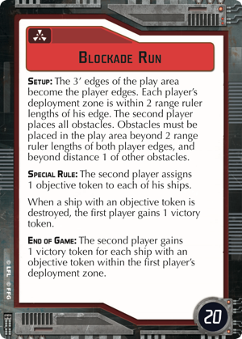 | Blockade Run （The Corellian Conflict） | Assault | The 3' edges of the play area become the player edges. Each player's deployment zone is within 2 range ruler lengths of his edge. The second player places all obstacles. Obstacles must be placed beyond 2 range ruler lengths of both player edges, and beyond distance 1 of other obstacles. 游戏区域的3寸边界变成玩家的边界，每个玩家的部署区从他这边的边界向内测量距离2作为范围。后手玩家摆放所有的障碍物，障碍物必须距离每个玩家的边界距离2以上，且彼此之间至少距离1以上。 | The second player assigns 1 objective token to each of his ships. 后手玩家替他的每1个战舰分配1个任务标记。 When a ship with an objective token is destroyed, the first player gains 1 victory token. 当带有任务标记的战舰被摧毁，先手玩家得到1个胜利标记。 | -- | The second player gains 1 victory token for each ship with an objective token within the first player's deployment zone. 后手玩家的每1个带任务标记的战舰只要待在先手玩家的部署区里面就可以得到1个胜利标记。 | 20 | [FAQ] The second player assigns 1 objective token to each of their ships after the objective is chosen, before any ships can be set aside by card effects. 后手玩家在任务卡被选定后，在任何能将战舰放到1边的卡片效果结算前，替他的每1个战舰分配1个任务标记。 At the end of the game, the second player can gain 1 victory token for each of their flotilla ships in the first player's deployment zone, even if all of the second player's non-flotilla ships have been destroyed. 在游戏结束时，后手玩家的每1个舰队里面的战舰只要待在先手玩家的部署区里面就可以得到1个胜利标记，即使其他非舰队的战舰都被消灭。
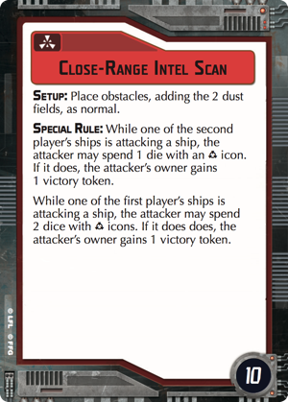 | Close-Range Intel Scan （The Corellian Conflict） | Assault | Place obstacles, adding the 2 dust fields, as normal. 放置障碍物时加入2个dust fields，其余规则与1般对局时相同。 | While one of the second player's ships is attacking a ship, the attacker may spend 1 die with an Accuracy icon. If it does, the attacker's owner gains 1 victory token. 当后手玩家的1个战舰对敌舰发动攻击时，它可以花费1个带有精确标志的骰子，如果这么做了，后手玩家得到1个胜利标记。 While one of the first player's ships is attacking a ship, the attacker may spend 2 dice with Accuracy icons. If it does, the attacker's owner gains 1 victory token. 当先手玩家的1个战舰对敌舰发动攻击时，它可以花费2个带有精确标志的骰子，如果这么做了，先手玩家得到1个胜利标记。 | -- | -- | 10
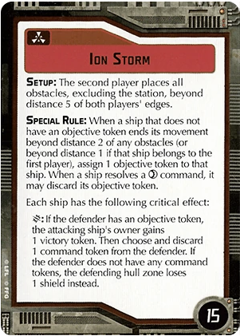 | Ion Storm （Rebellion in the Rim） | Assault | The second player places all obstacles, excluding the station beyond distance 5 of player edges. 由后手玩家摆放所有障碍物（移除station），障碍物必须离玩家边界距离5以上。 | When a ship without an objective token ends its movement beyond distance 1 of any obstacles, assign 1 objective token to that ship. If that ship belongs to the second player, it must be beyond distance 1-2 of any obstacles. When a ship resolves a command, it may discard its objective token. 当1个没有任务标记的战舰在任何障碍物距离1以外结束它的机动时，为它分配1个任务标记。如果是后手玩家的战舰时，则它必须在任何障碍物距离1至2以外。当1个战舰结算维修指令时，它可以花费它的任务标记。 Each ship has the following critical effect: 每个战舰有以下的关键效果： [Critical]: If the defender has an objective token, the attacking ship's owner gains 1 victory token. Then choose and discard 1 command token from the defender. If the defender does not have any command tokens, the defending hull zone loses 1 shield instead. [暴击]：如果防御者有任务标记，攻击方战舰的玩家得到1个胜利标记，然后选择丢弃防御者的1个指令标记。如果防御者没有任何指令标记，则改为受击的船体区失去1个护盾。 | -- | -- | 15
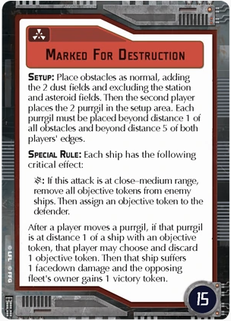 | Marked For Destruction （Rebellion in the Rim） | Assault | Place obstacles as normal, adding the 2 dust fields ans excluding the station and asteroid fields. Then the second player places the 2 purrgil in the setup area. Each purrgil must be placed beyond distance 1 of all obstacles and beyond 5 of both player's edges. 照常放置障碍物，加入2个dust fields并移除station及asteroid fields。然后后手玩家在设置区里面放置2个purrgil，每个purrgil必须放置在所有障碍物距离1以外且离双方玩家边界距离5以上。 | Each ship has the following critical effect: 每个战舰都适用以下关键效果： [Critical]: If this attack is at close-medium range, remove all objective tokens from enemy ships. Then assign an objective token to the attacker. 暴击：如果这个攻击是位于近-中射程，将敌舰所有的任务标记移除。然后分配1个任务标记给攻击方战舰。 After a player moves a purrgil, if that purrgil is at distance 1 of a ship with an objective token, that player may choose and discard 1 objective token. Then that ship suffers 1 facedown damage and the opposing fleet's owner gains 1 victory token. 当1个玩家移动完1个purrgil后，如果该purrgil在任何有任务标记的战舰距离1以内时，该玩家可以选择并移除1个任务标记。然后被移除任务标记的战舰得到1个面朝下的伤害且敌对舰队的玩家得到1个胜利标记。 | -- | -- | 15
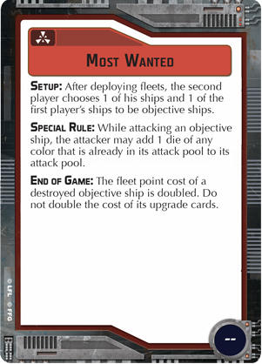 | Most Wanted | Assault | After deploying fleets, the second player chooses 1 of his ships and 1 of the first player's ships to be the objective ships. 在部署完舰队后，后手玩家选择自己的1个战舰以及1个先手玩家的战舰作为任务战舰。 | While attacking an objective ship, the attacker may add 1 die of any color that is already in its attack pool to its attack pool. 当攻击任务战舰时，攻击方可以追加1个已在攻击池中的任意颜色骰子到攻击池里面。 | -- | The fleet point cost of a destroyed objective ship is doubled. Do not double the cost of its upgrade cards. 任务舰被摧毁时将使对手得到双倍的船舰分数，但它所装备的升级卡不能加倍。 | -- | [FAQ] The Special Rule for the “Most Wanted” objective card should read: “While a ship is attacking an objective ship, it may add 1 die of any color that is already in its attack pool to its attack pool.” 特殊规则应改成：当1个战舰攻击1个任务战舰时，它可以追加1个已在攻击池中的任意颜色骰子到攻击池里面。
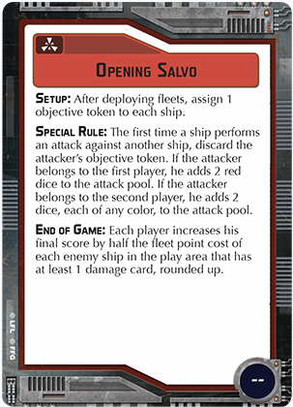 | Opening Salvo | Assault | After deploying fleets, assign 1 objective token to each ship. 在部署完舰队后，为每个战舰分配1个任务标记。 | The first time a ship performs an attack against another ship, discard the attacker's objective token. If the attacker belongs to the first player, he adds 2 red dice to the attack pool. If the attacker belongs to the second player, he adds 2 dice, each of any color, to the attack pool. 每个战舰在第1次攻击其他战舰时，将攻击方的任务标记移除。如果攻击方是先手玩家，则他可以在攻击池中加入2颗红色骰子；如果攻击方是后手玩家，则他可以在攻击池中加入2颗任意颜色骰子。 | -- | Each player increases his final score by half the fleet point cost of each enemy ship in the play area that has at least 1 damage card, rounded up. 每个玩家的最终得分可以额外按照每1个在游戏区内至少带1张伤害卡的敌舰再取得它1半的舰队分数，小数点向上取整。 | -- | [FAQ] The dice added by this card effect are added to the attack pool after the attack pool is rolled. The second player’s added dice can be of any color regardless of the range of the attack.A ship’s fleet point cost includes the costs of all upgrade cards equipped to that ship. 这张卡片效果所增加的骰子是在攻击池已经投完后才加入的。后手玩家所增加的骰子可以忽视射程限制而选择任何颜色。1个战舰的舰队分数将包含所有给它装备的升级卡。
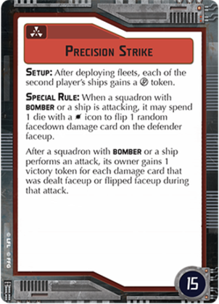 | Precision Strike | Assault | After deploying fleets, each of the second player's ship gains a {FIRE} token. 在部署完舰队后，每个后手玩家的战舰都得到1个集火指令标记。 | When a squadron with BOMBER or a ship is attacking, it may spend one die with a HIT icon to flip one random facedown damage card on the defender faceup. 当1个有轰炸特性的中队或战舰攻击时，它可以选择是否花费1个命中标志来随机翻开1个防御方战舰带有的面朝下伤害卡。 After a squadron with BOMBER or a ship performs an attack, its owner gains one victory token for each damage card that was dealt faceup or flipped faceup during that attack. 当1个有轰炸特性的中队或战舰攻击后，它的拥有者将可为每1张在本次攻击中翻开面朝上的伤害卡赢得1个胜利标记。 | -- | -- | 15
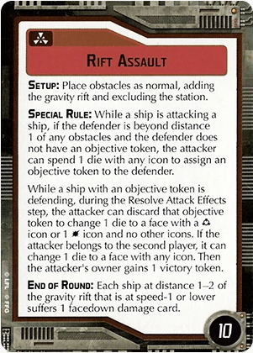 | Rift Assault （Rebellion in the Rim） | Assault | Place obstacles as normal, excluding the station and adding the gravity rift. 照常放置障碍物，加入gravity rift并移除station。 | While a ship is attacking, if the defender is beyond distance 1 of any obstacles and the defender does not have an objective token, the attacker can spend 1 die to assign an objective token to the defender. Then, the attacker's owner gains 1 victory token. While a ship with an objective token is defending, during the Resolve Attack Effects step, the attacker can discard that objective token to change 1 die to a face with a Accuracy icon or 1 HIT icon and no other icons. If the attacker belongs to the second player, it can change 1 die to a face with any icon. 当战舰攻击时，如果防御方在任何障碍物的距离1以外且它没有任何任务标记，则攻击方可以花费1颗骰子来分配1个任务标记给防御方。然后攻击方玩家得到1个胜利标记。当1个有任务标记的战舰防御时，在结算攻击效果的步骤，攻击方可以移除任务标记来将1颗骰子改成有精确或只有1个命中标志的那1面。如果攻击方的拥有者是后手玩家，则它可以将1颗骰子改成任何1面。 | Each ship at distance 1-2 of the gravity rift that is at speed-1 or lower suffers 1 facedown damage card. 每个在gravity rift距离1-2的战舰只要速度在1或更低时就得承受1张面朝下的伤害卡。 | -- | 10 | [FAQ] When an attacker resolves the Special Rule effect to discard an objective token from the defender, they must change a die as specified for that player. 当攻击方按照特殊规则里面提到的从防御方上面移除任务标记来结算效果时，他们必须按照玩家的先后手身份来改变1个骰子的标志面。
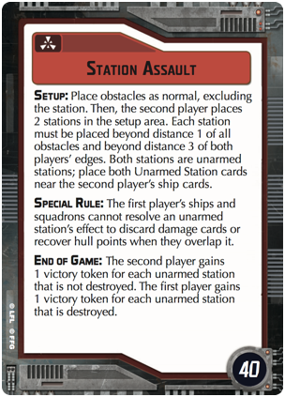 | Station Assault （The Corellian Conflict） | Assault | Place obstacles as normal, excluding the station. Then the second player places 2 stations in the setup area. Each station must be placed beyond distance 1 of all obstacles and beyond distance 3 of both players' edges. Both stations are Unarmed Stations; place both Unarmed Station cards near the second player's ship cards. 照常放置障碍物（移除station），接着后手玩家在设置区放置2个station。每个station必须在所有障碍物距离1以外且双方玩家边界的距离3之外。2个station都是无武装的；将2张station的卡放在靠近后手玩家的战舰卡旁边。 | The first player's ships and squadrons cannot resolve an unarmed station's effect to discard damage cards or recover hull points when they overlap it. 先手玩家的战舰和中队在与无武装station底座重叠时将不能结算station效果来丢弃伤害卡或恢复船体值。 | -- | The second player gains 1 victory token for each unarmed station that is not destroyed. The first player gains 1 victory token for each unarmed station that is destroyed. 后手玩家为每个未被消灭的无武装station得到1个胜利标记。先手玩家则为每个消灭的无武装station得到1个胜利标记。 | 40
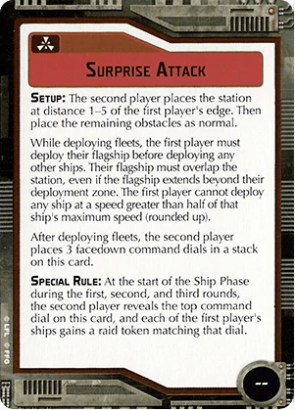 | Surprise Attack （Rebellion in the Rim） | Assault | The second player places the station at distance 1-5 of the first player's player edge. Then, place the remaining obstacles as normal. While deploying fleets, the first player must deploy their flagship before deploying any other ships, and must deploy their flagship overlapping the station, but it can be beyond their deployment zone. The first player cannot deploy any ship at a speed greater than half of that ship's maximum speed (rounded up). After deploying fleets, the second player places 3 facedown command dials in a stack on this card. 后手玩家将station放置在先手玩家边界的距离1-5之间。然后，照常放置剩下的障碍物。当部署舰队时，先手玩家必须先将他的旗舰部署后才能放置任何其他的战舰，而且还必须放置在跟station底座重叠的位置，但这将允许它放置在超出部署区的范围。先手玩家不能在部署任何战舰时将它们的船速设定在超过该战舰最大速度值的1半（向上取整）。在舰队部署后，后手玩家在这张卡上面放置3个面朝下的指挥转盘。 | At the start of the Ship Phase during the first, second, and third rounds, the second player reveals the top command dial on this card, and each of the first player's ships gains a raid token matching that dial. 在第1，2和3轮的战舰阶段开始时，后手玩家展示放在这张卡最上面的指挥转盘，然后先手玩家的每个战舰都按照转盘获得相应的突袭标记。 | -- | -- | -- | [FAQ] During setup, the station can be placed beyond or overlapping the first player’s deployment zone.While deploying fleets, if the first player’s flagship is a huge ship, it must overlap the station and also touch that player’s edge, if able. If that flagship cannot meet both restrictions, it must be placed overlapping the station with its rear hull zone as close as possible to that player’s edge. 在设置时，station可以被放在先手玩家部署区外或与之重叠。而当部署舰队时，如果先手玩家的旗舰是巨型战舰，它的底座必须与station重叠且接触到该玩家的边界，只要做得到的话。如果该战舰没办法满足这2个限制，则它的底座必须与station重叠且后方船体区尽可能地接触到该玩家的边界。
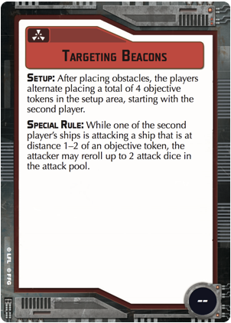 | Targeting Beacons （The Corellian Conflict） | Assault | After placing obstacles, the players alternate placing a total of 4 objective tokens in the setup area, starting with the second player. 在放置完障碍物后，从后手玩家开始玩家轮流在设置区内放置总共4个任务标记。 | While one of the second player's ships is attacking a ship that is at distance 1-2 of an objective token, the attacker may reroll up to 2 attack dice in the attack pool. 当1个后手玩家的战舰攻击1个位于任务标记距离1-2内的敌舰时，攻击方可以重投攻击池中最多2颗攻击骰子。 | -- | -- | -- | [FAQ] This card’s Special Rule cannot resolve more than once during each attack, even if there is more than one objective token at distance 1–2 of the defender. 此卡的特殊规则在每次攻击中不可结算超过1次，即使在防御者距离1-2处有超过1个的任务标记。
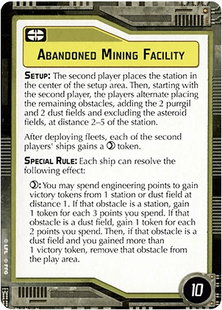 | Abandoned Mining Facility （Rebellion in the Rim） | Defense | The second player places the station in the center of the setup area. Then, starting with the second player, the players alternate placing the remaining obstacles, adding the 2 purrgil and 2 dust field obstacles and excluding the asteroid fields, at distance 2-5 of the station. After deploying fleets, each of the second players' ships gains a {Repair} token. 后手玩家把station放置在设置区的中央处。接着从后手玩家开始，玩家们轮流在station的距离2-5之间放置剩下的障碍物，并加入2个purrgil和2个dust field障碍物且排除掉asteroid fields。在部署完舰队后，每个后手玩家的战舰都得到1个维修标记。 | Each ship can resolve the following effect: {Repair}: You may spend engineering points to gain victory tokens from 1 obstacle. If you are at distance 1 of a station, gain 1 token for each 3 points you spend. If you are at distance 1 of a dust field, gain 1 token for each 2 points you spend. Then, if that obstacle is a dust field and you gained more than 1 victory token, remove that obstacle from the play area. 每个有维修标记的战舰可以结算以下效果：你可以花费工程点数从1个障碍物上换取胜利标记。如果你在1个station的距离1处，每花费3点工程点数即可换取1个胜利标记。如果你在1个dust field的距离1处，则每花费2点工程点数就可以换取1个胜利标记。接着，在你从1个dust field处换取1个以上的胜利标记后，将该障碍物移出游戏区外。 | -- | -- | 10 | [FAQ]When a ship with the objective token on its ship card is destroyed, the opposing player places the objective token in the play area touching the destroyed ship's base. 当1个在战舰卡上带有任务标记的战舰被消灭后，对手玩家将该任务标记放置在游戏区内接触到被消灭战舰底座的位置。
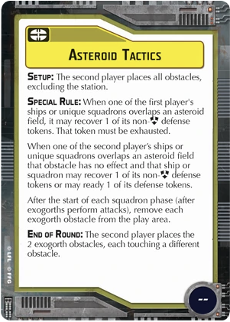 | Asteroid Tactics （Rebellion in the Rim） | Defense | The second player places all obstacles, excluding the station. 由后手玩家摆放所有障碍物（移除station）。 | When 1 of the first player's ships or unique squadrons overlaps an asteroid field, it may recover 1 of its non-{Scatter} defense tokens. That token must be exhausted. 当1个先手玩家的战舰或独特中队的底座和1个asteroid field重叠时，它可以恢复1个非{驱散}的防御标记。但该标记必须是已消耗状态。 When 1 of the second player's ships or unique squadrons overlaps an asteroid field that obstacle has no effect and that ship or squadron may recover 1 of its non-{Scatter} defense tokens or may ready 1 of its defense tokens. 当1个后手玩家的战舰或独特中队的底座和1个asteroid field重叠时，该障碍物不但没有效果，而且该战舰或中队还可以恢复1个非{驱散}的防御标记或将它的1个防御标记恢复成已就绪的状态。 After an exogorth performs anti-squadron attacks (even if it does not attack), remove it from the play area. 在1个exogorth执行完对中队攻击（即使它没攻击）后，将它从游戏区移除。 | The second player places the 2 exogorth obstacles each touching a different obstacle. 后手玩家将2个exogorth障碍物分别放置在与不同的障碍物接触处。 | -- | --
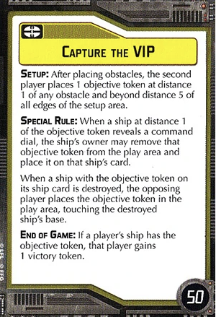 | Capture the VIP （The Corellian Conflict） | Defense | After placing obstacles, the second player places 1 objective token at distance 1 of any obstacle and beyond distance 5 of all edges of the setup area. 在放置完障碍物后，后手玩家把1个任务标记放在任何障碍物距离1且在所有设置区边界的距离5以外的地方。 | When a ship at distance 1 of the objective token reveals a command dial, the ship's owner may remove that objective token from the play area and place it on that ship's card. 当1个战舰在任务标记距离1处展示指挥转盘时，该战舰的拥有者可以将该任务标记从游戏区移除并放在该战舰卡上。 When a ship with the objective token on its ship card is destroyed, the opposing player places the objective token in the play area touching the destroyed ship's base. 当1个在战舰卡上有任务标记的战舰被消灭时，敌方玩家将该任务标记放在与被消灭战舰底盘接触的游戏区里。 | -- | If a player's ship has the objective token, that player gains 1 victory token. 若1个玩家的战舰卡上面有任务标记，该玩家得到1个胜利标记。 | 50 | [FAQ] When a ship with the objective token is destroyed because it ends its activation outside the play area, the objective token must be placed before the ship is removed. The opponent must place the token touching part of the ship’s base that is in the play area or touching the edge of the play area closest to the ship’s final position if no part of the ship is in the play area. 当1个拥有任务标记的战舰因为在游戏区外结束移动而被消灭时，该任务标记必须在战舰移除前先放置好。对手玩家必须将该标记放在游戏区内能接触到该战舰底座的位置，或当该战舰没有任何部位留在游戏区内时改为尽可能地放置在游戏区内最接近该战舰最终位置的地方。
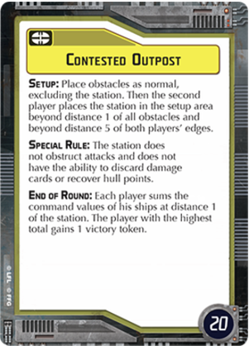 | Contested Outpost | Defense | Place obstacles as normal excluding the station. Then the second player places the station in the setup area beyond distance 1 of all obstacles and beyond distance 5 of both players edges. 照常摆放所有障碍物（移除station），然后由后手玩家将station放置在设置区内与任何障碍物距离1且在双方玩家边界距离5以外的位置。 | The station does not obstruct attacks and does not have the ability to discard damage cards or recover hull points. 该station不阻挡攻击而且不具备丢弃伤害卡或恢复船体值的效果。 | Each player sums the command values of his ships at distance one of the station. The player with the highest total gains one victory token. 每个玩家计算他在station距离1的每个战舰指挥值总和。总和较高的玩家得到1个胜利标记。 | -- | 20 | [FAQ] The station does not obstruct attacks or line of sight for ships or squadrons. 该station不会阻挡战舰或中队的攻击或视线。
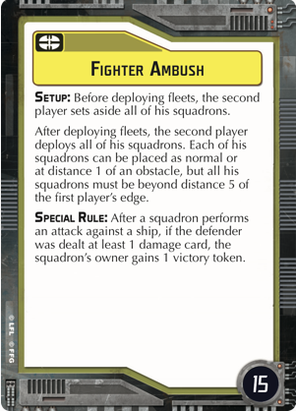 | Fighter Ambush （The Corellian Conflict） | Defense | Before deploying fleets, the second player sets aside all of his squadrons. 在部署舰队前，后手玩家将他所有的中队先放在游戏区外边。 After deploying fleets, the second player deploys all of his squadrons. Each of his squadrons can be placed as normal or at distance 1 of an obstacle, but all his squadrons must be beyond distance 5 of the first player's edge. 在部署完舰队后，后手玩家部署他全部的中队。每个中队可以照常部署，或是放置在1个障碍物的距离1处，但他所有的中队都必须跟先手玩家的边界保持距离5以上。 | After a squadrons performs an attack against a ship, if the defender was dealt at least 1 damage card, the squadron's owner gains 1 victory token. 在1个中队完成对敌舰的攻击后，如果防御方至少承受1张伤害卡，则该中队的拥有者得到1个胜利标记。 | -- | -- | 15
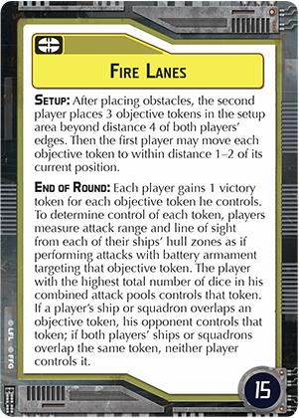 | Fire Lanes | Defense | After placing obstacles, the second player places three objective tokens in the setup area beyond distance 4 of both players edges. Then the first player may move each objective token to within distance 1-2 of its current location. 在放置完障碍物后，后手玩家把3个任务标记放在设置区内距离双方玩家边界距离4以上的位置。然后先手玩家可以从这3个标记当前位置距离1-2之内调整它们的最终位置。 | -- | Each player gains one victory token for each objective token he controls. To determine control of each token, players measure attack range and line of sight from each of their ships hull zones as if performing attacks with battery armaments targetting that objective token. The player with the highest total number of dice in his combined attack pools controls that token. If a players ship or squadron overlaps an objective token, his opponent controls that token; if both players ships or squadrons overlap the same token, neither player controls it. 每个玩家按照他们所控制的每个任务标记得到1个胜利标记。为了确认每个任务标记的控制权，每个玩家用他们的每个战舰如同要攻击任务标记那样地测量到个别任务标记的射界范围和射程。在个别任务标记攻击池内的骰子数量较多的1方取得该任务标记的控制权。如果1个战舰或中队底座与任务标记重叠，则他的对手控制该任务标记；如果双方的战舰或中队底座都与同1个任务标记重叠，则无人获得控制权。 | -- | 15 | [FAQ] If only a portion of a hull zone’s armament is at attack range of an objective token, only that portion is added to the sum. A hull zone can add only its current battery armament to the sum, including increases and decreases due to cards like “Enhanced Armament.” Do not include dice granted after an attack would be rolled, such as from the Concentrate Fire command or the“Dominator” title. 如果1个船体区只有1部分开火范围能攻击任务标记，则只有该船体区的攻击骰可以加到控制权计算里，包括1些像是“Enhanced Armament.”这种升级卡所提供的骰子增减效果在内。不要把那些投完攻击骰后才提供的修正效果纳入计算里，像是集火指挥或“Dominator”称号。
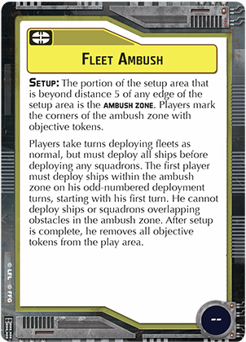 | Fleet Ambush | Defense | The portion of the setup area that is beyond distance 5 of any edge of the setup area is the AMBUSH ZONE. Players mark the corners of the ambush zone with objective tokens. 在设置区内距离任何边界5以上的内部区域将被视为 "突袭区"。玩家可用任务标记来划出它的区域范围。 Players take turns deploying fleets as normal, but must deploy all ships before deploying any squadrons. The first player must deploy ships within the ambush zone on his odd-numbered deployment turns, starting with his first turn. He cannot deploy ships or squadrons overlapping obstacles in the ambush zone. After setup is complete, he removes all objective tokens from the play area. 玩家照常轮流部署他们的舰队，但所有的战舰必须在中队部署之前放置。先手玩家从他的第1个部署回合开始，在每个单数部署回合时将自己的战舰放置在突袭区内。他不能将战舰或中队的底座重叠在突袭区的障碍物之上。当部署结束后，将游戏区内的所有任务标记移除。 | -- | -- | -- | -- | [FAQ] The first player can deploy squadrons within distance 1–2 of a ship inside the ambush zone. After a player has placed all of their ships they begin placing squadrons on their next deployment turn. The other player continues placing ships until all of their ships have been placed, then they begin placing squadrons.If a ship must be deployed into the Ambush Zone and cannot fit without overlapping obstacles or extending beyond the Ambush Zone, the player must deploy that ship so that the ship fits as completely into the Ambush Zone as possible. 先手玩家可以在突袭区内的战舰距离1-2处部署中队。当1个玩家部署完他的所有战舰后，他们将在下1个部署轮开始部署中队。另1个玩家则继续部署战舰直到全部的战舰都部署完为止，然后他们再开始部署中队。如果1个战舰必须被部署到突袭区而且只要不与障碍物重叠或超出突袭区就无法放得下的话，该玩家必须尽可能将该舰完全放进突袭区里。
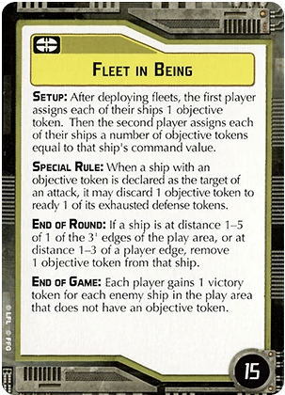 | Fleet In Being （Rebellion in the Rim） | Defense | After deploying fleets, the first player assigns each of their ships 1 objective token. Then the second player assigns each of their ships a number of objective tokens equal to that ship's command value. 在部署完舰队后，先手玩家为他的每个战舰分配1个任务标记。接着后手玩家为他的每个战舰分配等同于该战舰指挥值数量的任务标记。 | Before a ship with an objective token is attacked, it may discard 1 objective token to ready 1 of its exhausted defense tokens. 在拥有任务标记的战舰被攻击前，它可以丢弃1个任务标记来重置1个它的已消耗防御标记。 | If a ship is at distance 1-5 of 1 of the 3' edges of the play area, or at distance 1-3 of a player edge, remove 1 objective token from that ship 如果1个战舰待在游戏区的3寸边界距离1-5处，或者1个玩家边界的距离1-3处，丢弃它所拥有的1个任务标记。 | Each player gains 1 victory token for each enemy ship in the play area that does not have an objective token. 每个在游戏区内未拥有任务标记的战舰将使对手玩家得到1个胜利标记。 | 15
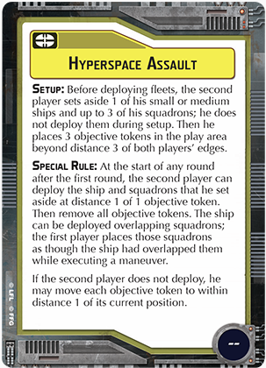 | Hyperspace Assault | Defense | Before deploying fleets, the second player sets aside one of his small or medium ships and upto three of his squadrons; he does not deploy them during setup. Then he places three objective tokens in the play area beyond distance 3 of both players edges. 在部署舰队之前，后手玩家将1个小型或中型战舰和最多3个中队先放在1旁；它们先不用部署。然后他再把3个任务标记放在双方玩家边界的距离3以外的游戏区内。 | At the start of any round after the first round, the second player can deploy the ship and squadrons that he set aside at distance 1 of one objective token. Then remove all objective tokens. The ship can be deployed overlapping squadrons. The first player places those squadrons, as though the ship had overlapped them while executing a maneuver. If the second player does not deploy, he may move each objective token to within distance 1 of its current position. 第1轮之后的每1轮开始时，后手玩家可以把先前放在1旁的战舰和中队部署在1个任务标记的距离1处，然后移除掉所有的任务标记。战舰在部署时可以和中队底座重叠。由先手玩家来决定这些被重叠中队的最终位置，如同战舰在移动结束时与中队重叠那样。如果后手玩家选择不部署，他可以将每个任务标记的位置调整至当前位置的距离1以内。 | -- | -- | -- | [FAQ] Ships and squadrons set aside are not in play. Their abilities and upgrades are inactive and they cannot be affected by any abilities. When a squadron that was set aside is deployed, set its activation slider to display the same color as the initiative token. During setup, if the second player must deploy a squadron but cannot because they have no ships in the play area, their squadrons that are not set aside are destroyed. The second player cannot move objective tokens at the start of the first round.If a player has no ships in play, their ships and squadrons that are set aside are destroyed. If the game goes to time, or the end of the sixth round, their ships and squadrons that are set aside are destroyed. 被放在1旁的战舰或中队不算在游戏中。它们的能力和升级卡被视为未激活而且它们耶无法被任何能力所影响。当1个被放在1旁的中队要部署时，将它的激活条切换到跟当前的先攻标记相同颜色的1侧去。当设置时如果后手玩家必须部署中队但却因为游戏区内没有战舰而无法部署的话，则他这些被拿起来准备要部署的中队将被消灭。后手玩家在第1轮开始时不能移动任务标记。如果玩家在游戏区中没有战舰存留，则他被放在1旁的战舰和中队也将被消灭。而如果游戏最终平手，或是第6轮结束时，被放在1旁的战舰和中队也将自动被消灭。
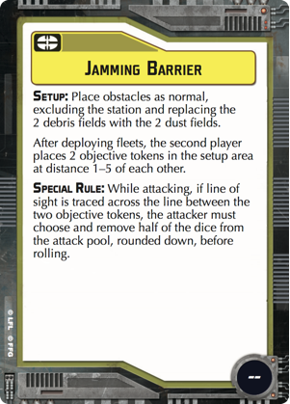 | Jamming Barrier （The Corellian Conflict） | Defense | Place obstacles as normal, excluding the station and replacing the 2 debris fields with the 2 dust fields. 照常放置障碍物（移除station），并将2个debris fields换成2个dust fields。 After deploying fleets, the second player places 2 objective tokens in the setup area at distance 1-5 of each other. 在部署完舰队后，后手玩家把2个任务标记放置在设置区内彼此距离1-5处。 | While attacking, if line of sight is traced across the line between the 2 objective tokens, the attacker must choose and remove half of the dice from the attack pool, rounded down, before rolling. 当攻击时，如果视线穿过2个任务标记的连线，攻击方必须在攻击前从攻击池中选择1半的骰子移除掉，向下取整。 | -- | -- | -- | [FAQ]The Special Rule for the “Jamming Barrier” objective card should read:“While attacking, if neither the attacker or defender are overlapping an objective token and line of sight is traced across an objective token or the line between the two objective tokens,the attacker must choose and remove half of the dice from the attack pool,rounded down, before rolling.” 特殊规则应改成：当攻击时，只要攻击或防御双方的底座都没有与任务标记重叠，且视线穿过任务标记或穿过2个任务标记的连线的话，攻击方就必须在攻击前从攻击池中选择1半的骰子移除掉，向下取整。
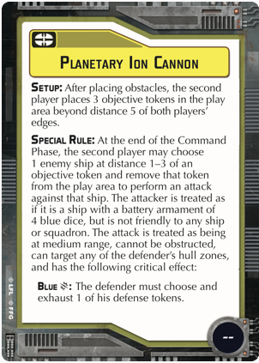 | Planetary Ion Cannon （The Corellian Conflict） | Defense | After placing obstacles, the second player places 3 objective tokens in the play area beyond distance 5 of both players' edges. 在放置完障碍物后，后手玩家把3个任务标记放置在离双方玩家边界距离5以外的游戏区内。 | At the end of the Command Phase, the second player may choose 1 enemy ship at distance 1-3 of an objective token and remove that token from the play area to perform an attack against that ship. The attacker is treated as if it is a ship with a battery armament of 4 blue dice, but is not friendly to any ship or squadron. The attack is treated as being at medium range, cannot be obstructed, can target any of the defender's hull zones, and has the following critical effect: BLUE {Crit} : The defender must choose and exhaust 1 of his defense tokens. 在指挥阶段结束时，后手玩家可以选择1个在任务标记距离1-3的敌舰并将该任务标记从游戏区移除以便对该敌舰发动攻击。将攻击方视为1个有4颗蓝色骰子的战舰，但它跟任何战舰或中队都不算友方。该次攻击视为从中距射程发出，不能被阻碍，可以瞄准任何防御方的船体区，而且具有以下暴击效果： 蓝色{暴击}：防御方必须选择他的1个防御标记并将它变成已消耗状态。 | -- | -- | -- | [FAQ] This card’s Special Rule effect can only be used to attack 1 enemy ship per round. While attacking with this card’s Special Rule effect, if the defending hull zone has no shields, the attacker can choose to resolve the standard critical effect instead of the card’s critical effect. 此卡的特殊规则每轮只能对1个敌舰应用1次。当使用此卡的特殊规则进行攻击时，若防御方的船体区没有护盾，则攻击方可以选择应用正常的暴击效果（或其他卡片提供的）而无须强制使用此卡提供的暴击效果。
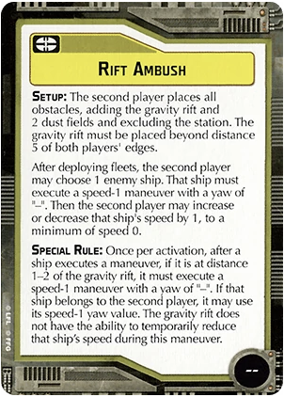 | Rift Ambush （Rebellion in the Rim） | Defense | The second player places all obstacles, excluding the station and adding the gravity rift and 2 dust fields. The gravity rift must be placed beyond distance 5 of both players' edges. After deploying fleets, the second player may choose 1 enemy ship. That ship must execute a speed-1 maneuver with a yaw of "-". Then, the second player may increase or decrease that ship's speed by 1, to a minimum of speed 0. 由后手玩家放置所有的障碍物（移除station），并加入1个gravity rift和2个dust fields。Gravity rift必须放在双方玩家边界距离5以外的地方。在部署完舰队后，后手玩家可以选择1个敌舰，该战舰必须执行1个速度1的机动且转向值为"-"（直行）。接着后手玩家可以增加或减少该敌舰设定的速度值1点，最小为0。 | After a ship executes a maneuver, if it is at distance 1-2 of the gravity rift, it must execute a speed-1 maneuver with a yaw of "-". If that ship belongs to the second player, it may use its speed-1 yaw value. The gravity rift does not have the ability to temporarily reduce a ship's speed during this maneuver. 当1个战舰执行完机动，如果它停在gravity rift的距离1-2处，它必须再执行1个速度1转向值为"-"的机动。如果该舰属于后手玩家，则可以改用它自己速度1的转向值。Gravity rift在这个强制的机动过程中暂时失去降低战舰速度的效果。 | -- | -- | --
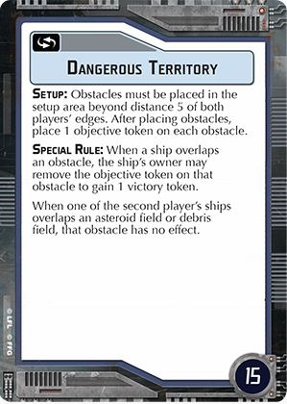 | Dangerous Territory | Navigation | Obstacles must be placed in the setup area beyond distance 5 of both players' edges. After placing obstacles, place 1 objective token on each obstacle. 障碍物必须放置在设置区内距离双方玩家边界5以上的地方。在放置完障碍物后，在每个障碍物上面放置1个任务标记。 | When a ship overlaps an obstacle, the ship's owner may remove the objective token on that obstacle to gain 1 victory token. 当1个战舰底座和障碍物重叠时，该舰的拥有者可以将障碍物上面的任务标记移除以获取1个胜利标记。 | -- | -- | 15 | [FAQ] A squadron with strategic can move objective tokens off of or onto obstacles. An objective token can only be removed to gain 1 victory token if it is overlapping an obstacle. If multiple objective tokens are overlapping an obstacle, only 1 can be removed when a ship overlaps that obstacle.This card’s Special Rule effect resolves during the Move Ship step while executing a maneuver. 1个拥有strategic策略特性的中队可以将任务标记从障碍物上面移开或移上去。1个任务标记只有当它与障碍物重叠时才能被移除以获得1个胜利标记。如果1个障碍物上面有多个任务标记时，每次当战舰与障碍物重叠时也只能选1个来移除。此卡的特殊规则效果可以在战舰移动步骤执行机动的过程中结算。
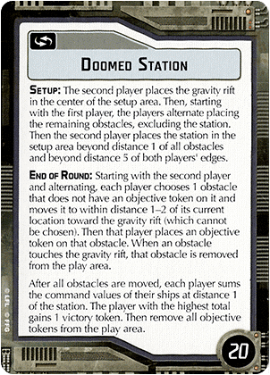 | Doomed Station （Rebellion in the Rim） | Navigation | The second player places the gravity rift in the center of the setup area. Then, starting with the first player, the players alternate placing the remaining obstacles, excluding the station.Then the second player places the station in the setup area beyond distance 1 of all obstacles and beyond distance 5 of both player's edges. 后手玩家将gravity rift放置在设置区的中央处，接着从先手玩家开始，轮流放置剩下的障碍物（除了station以外）。然后再由后手玩家将station放置在与其他障碍物距离1以上且位于双方玩家边界距离5以外的位置。 | -- | Starting with the second player and alternating, each player chooses 1 obstacle that does not have an objective token on it and moves it to within distance 1-2 of its current location toward the gravity rift (which cannot be chosen). Then that player places an objective token on that obstacle. When an obstacle touches the gravity rift, that obstacle is removed from the play area. 从后手玩家开始每个玩家轮流选择1个没有任务标记的障碍物并将它从当前位置朝gravity rift（不可选取的障碍物）移动1-2的距离。接着由该玩家放置1个任务标记在该障碍物上面。当1个障碍物接触到gravity rift时，该障碍物将从游戏区中移除。 After all obstacles are moved, each player sums the command values of their ships at distance 1 of the station. The player with the highest total gains 1 victory token. Then remove all objectives tokens from the play area. 当所有的障碍物都移动后，每个玩家将他们在station距离1处的战舰指挥值加总。总和最高的玩家获得1个胜利标记。然后将游戏区内所有的任务标记移除。 | -- | 20 | [FAQ] If an obstacle cannot be moved toward the gravity rift at all because it would overlap ships, squadrons, other obstacles, or tokens, that obstacle remains at its current position. The player moving the obstacle may still rotate it, as long as this follows rules for moving obstacles and the rules for this objective. 如果1个障碍物因为与战舰，中队或其他障碍物重叠而无法朝gravity rift移动时，就留在原处不动。但负责移动该障碍物的玩家还是可以旋转它，只要符合障碍物移动或此卡所述规则即可。
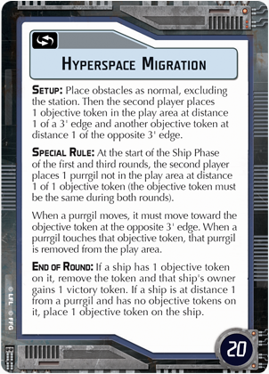 | Hyperspace Migration （Rebellion in the Rim） | Navigation | Place obstacles as normal, excluding the station. Then, the second player places 1 objective token in the play area at distance 1 of a 3' edge, and then places 1 objective token at distance 1 of the opposite 3' edge. 照常放置障碍物（移除station）。然后，后手玩家把1个任务标记放置在游戏区内与3寸边界距离1处，再将另1个任务标记放在对面3寸边界的距离1处。 | At the start of the Ship Phase of the first and third rounds, the second player places 1 purrgil not in the play area at distance 1 of 1 objective token (the objective token must be the same on both rounds). Purrgils must move toward the objective token at the opposite 3' edge (instead of the closest ship). When a purrgil touches that objective token that purrgil is removed from the play area. 在第1和第3轮的战舰阶段开始时，后手玩家把1个不在游戏区内的purrgil放在1个任务标记的距离1处（两轮的任务标记必须相同）。Purrgil必须朝对面3寸边界附近的任务标记移动（不再优先朝最近的战舰移动）。当1个purrgil接触到该任务标记时它便会从游戏区内移除。 | If a ship has 1 objective token on it, remove the token and that ship's owner gains 1 victory token. If a ship is at distance 1 from a purrgil and has no objective tokens on it, place 1 objective token on the ship. 如果1个战舰拥有任务标记，将该标记移除然后该舰的拥有玩家获得1个胜利标记。如果1个未拥有任务标记的战舰位于purrgil的距离1处，则放置1个任务标记在该舰上。 | -- | 20 | [FAQ] The End of Round rule for the“Hyperspace Migration” objective card should read:“For each ship, if it has an objective token on it, remove that token and that ship’s owner gains 1 victory token; if it has no objective token on it and is at distance 1 of a purrgil, place 1 objective token on that ship. Then players move each purrgil.” 每轮结束时的规则应改成：每个战舰只要拥有任务标记，就移除该标记并使其拥有者获得1个胜利标记；如果它没有任务标记而且位于1个purrgil的距离1处，则在该战舰上面放置1个任务标记，然后玩家移动每个purrgil。 During the same round, a ship can either receive an objective or remove an objective token from itself to receive a victory token. This means a ship can only score every other round. Players move purrgil as normal after all ships gain or discard tokens. 在同1轮里战舰只能获得1个任务标记或移除任务标记来获得1个胜利标记。这代表战舰只能隔着轮抢分。玩家在所有战舰都获得或移除任务标记后即可正常移动purrgil。
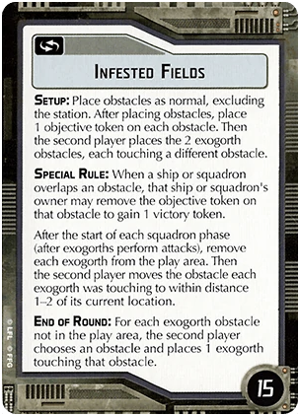 | Infested Fields （Rebellion in the Rim） | Navigation | Place obstacles as normal, excluding the station. After placing obstacles, place 1 objective token on each obstacle. Then the second player places 2 exogorth obstacles, each touching a different obstacle. 照常放置障碍物（移除station）。当放置完障碍物后，在每个障碍物上面放置1个任务标记。接着由后手玩家放置2个exogorth，各别接触不同的障碍物。 | When a ship or squadron overlaps an obstacle, that ship or squadron's owner may remove the objective token on the obstacle to gain 1 victory token. 当1个战舰或中队底座与障碍物重叠时，该战舰或中队的拥有者可以移除该障碍物上面的任务标记以获取1个胜利标记。 After the start of each squadrons phase (after exogorths perform attacks), remove each exogorth from the play area. Then the second player moves the obstacle each exogorth was touching to within distance 1-2 of its current location. 在每个中队阶段开始后（exogorths执行完攻击后），将每个exogorth从游戏区移除。然后后手玩家将每个exogorth接触的障碍物从当前位置移动1-2距离。 | -- | -- | 15
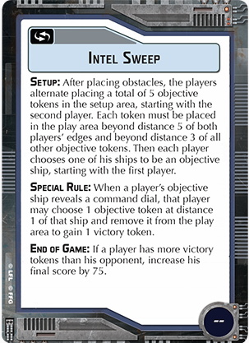 | Intel Sweep | Navigation | After placing obstacles the players alternate placing a total of 5 objective tokens in the setup area, starting with the second player. Each token must be placed in the play area beyond distance 5 of both players' edges and beyond distance 3 of all other objective tokens. Then each player chooses one of his ships to be an objective ship, starting with the first player. 在放置完障碍物后玩家轮流放置5个任务标记到设置区内，从后手玩家开始。每个任务标记必须放在离双方玩家边界距离5以外且和所有其他的任务标记距离3以上。接着每个玩家选择1个自己的战舰作为任务舰，从先手玩家开始。 | When a player's objective ship reveals a command dial, that player may choose 1 objective token at a distance of 1 of that ship and remove it from the play area to gain 1 victory token. 当1个玩家的任务舰展示指挥转盘时，该玩家可以选择1个在该舰距离1的任务标记从游戏区移除以获取1个胜利标记。 | -- | If a player has more victory tokens than his opponent, increase his final score by 75. 如果1个玩家的胜利标记比他的对手多，增加该玩家的最终得分75分。 | --
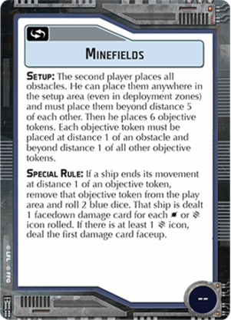 | Minefields | Navigation | The second player places all obstacles. He can place them anywhere in the setup area (even in deployment zones) and must place them beyond distance 5 of each other. Then he places 6 objective tokens. Each objective token must be placed at distance 1 of an obstacle and beyond distance 1 of all other objective tokens. 由后手玩家放置所有的障碍物。他可以在设置区的任何位置摆放它们（甚至在玩家部署区里）并且必须彼此保持在距离5以上。然后他再放置6个任务标记。每个任务标记必须放在1个障碍物距离1处而且跟其他的任务标记保持距离1以上。 | If a ship ends its movement at distance 1 of an objective token, remove that objective token from the play area and roll 2 blue dice. That ship is dealt 1 facedown damage card for each {Hit} or {Crit} icon rolled. If there is at least one {Crit} icon, deal the first damage card faceup. 如果1个战舰在任务标记距离1处结束移动，将该任务标记从游戏区移除并投2个蓝骰子。该战舰每投出1个{命中}或{暴击}就承受1张面朝下的伤害卡。而如果最终至少有1个{暴击}标志留下来时，第1张承受的伤害卡将以面朝上的方式分配。 | -- | -- | -- | [FAQ] This card’s Special Rule effect resolves during the Move Ship step while executing a maneuver. 此卡的特殊规则只有在战舰移动步骤执行机动时才需要结算。
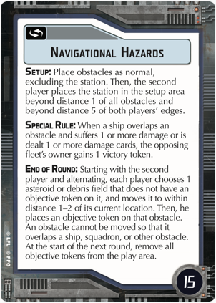 | Navigational Hazards （The Corellian Conflict） | Navigation | Place obstacles as normal, excluding the station. Then the second player places the station in the setup area beyond distance 1 of all obstacles and beyond distance 5 of both players' edges of the play area. 照常摆放所有障碍物（移除station）。然后由后手玩家将station放置在设置区内与任何障碍物距离1且在双方玩家边界距离5以外的位置。 | When a ship overlaps an obstacle and suffers 1 or more damage or is dealt 1 or more damage cards, the opposing fleet's owner gains 1 victory token. 当1个战舰底座与障碍物重叠且承受1点以上的伤害或得到1张以上的伤害卡时，对手舰队的拥有者获得1个胜利标记。 | Starting with the second player and alternating, each player chooses 1 asteroid or debris field that does not have an objective token on it, and moves it to within distance 1-2 of its current location. Then, he places an objective token on that obstacle. An obstacle cannot be moved so that it overlaps a ship, squadron, or other obstacle. At the start of the next round, remove all objective tokens from the play area. 从后手玩家开始每个玩家轮流选择1个没有任务标记在上面的asteroid或debris field，并将它从当前位置移动1-2距离。然后他在该障碍物上面放置1个任务标记。1个障碍物不可以移动到与战舰，中队底座或其他障碍物重叠的位置。在下1轮开始时，把游戏区内所有的任务标记移除。 | -- | 15 | [FAQ] If an obstacle that is overlapped by a ship or squadron is moved, that ship or squadron remains in its current position after the obstacle is moved.If an obstacle cannot be moved because it would overlap ships, squadrons, or other obstacles, the controlling player can leave it in place or rotate it. A ship or squadron only resolves an obstacle’s effect when it overlaps that obstacle after moving. 如果1个跟战舰或中队重叠的障碍物移动了，该战舰或中队在障碍物移走后仍将留在原处。如果1个障碍物因为移动后将会与战舰，中队或其他障碍物重叠而无法完成移动的话，则负责移动它的玩家可以将它留在原处不管它或者选择它。战舰和中队只有在它们移动结束后底座与障碍物重叠才需要结算障碍物效果。
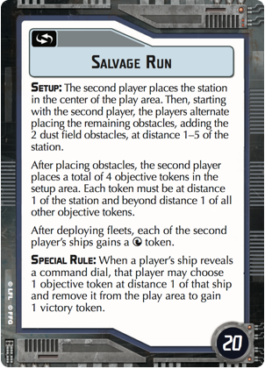 | Salvage Run （The Corellian Conflict） | Navigation | The second player places the station in the center of the play area. Then, starting with the second player, the players alternate placing the remaining obstacles, adding the 2 dust field obstacles, at distance 1-5 of the station. 由后手玩家将station放在游戏区1的中央处。然后，从后手玩家开始，玩家们轮流放置剩下的障碍物，在station的距离1-5处加入2个dust field障碍物。 After placing obstacles, the second player places a total of 4 objective tokens in the setup area. Each token must be at distance 1 of the station and beyond distance 1 of all other objective tokens. 在放置完障碍物后，后手玩家将4个任务标记放置在设置区内。每个任务标记必须在station的距离1处且跟所有其他的任务标记距离1以上。 After deploying fleets, each of the second player's ships gain a Navigate token. 当舰队部署完，每个后手玩家的战舰获得1个导航标记。 | When a player's ship reveals a command dial, that player may chose 1 objective token at distance 1 of that ship and remove it from the play area to gain 1 victory token. 当1个玩家展示指挥转盘时，该玩家可以选择1个在该舰距离1处的任务标记将它从游戏区移除以获得1个胜利标记。 | -- | -- | 20
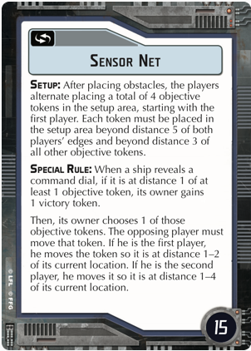 | Sensor Net （The Corellian Conflict） | Navigation | After placing obstacles, the players alternate placing a total of 4 objective tokens in the setup area, starting with the first player. Each token must be placed in the setup area beyond distance 5 of both players' edges and beyond distance 3 of all other objective tokens. 在放置完障碍物后，玩家们轮流将4个任务标记放在设置区内，从先手玩家开始。每个任务标记必须放在设置区里离双方玩家边界距离5以上且与所有其他任务标记距离3以上的位置。 | When a ship reveals a command dial, if it is at distance 1 of at least 1 objective token, its owner gains 1 victory token. 当1个战舰展示指挥转盘时，如果它在至少1个任务标记的距离1处，则其拥有者获得1个胜利标记。 Then its owner chooses 1 of those objective tokens. The opposing player must move that token so it is at distance 1-2 of its current location. If he is the second player, he moves it so it is at distance 1-4 of its current location. 然后它的拥有者选择1个任务标记。对手玩家必须移动该标记好让它从当前位置移开距离1-2。如果该玩家是后手玩家，他可以改为让它从当前位置移开距离1-4。 | -- | -- | 15
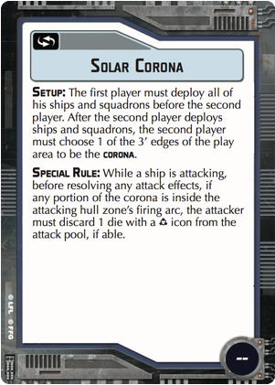 | Solar Corona （The Corellian Conflict） | Navigation | The first player must deploy all of his ships and squadrons before the second player. After the second player deploys ships and squadrons, the second player must choose 1 of the 3' edges of the play area to be the corona. 先手玩家必须在后手玩家之前部署完所有它的战舰和中队。而在后手玩家部署战舰和中队时，他必须选择游戏区的1个3寸边界代表日冕。 | While a ship is attacking, before resolving any attack effects, if any portion of the corona is inside the attacking hull zone's firing arc, the attacker must discard 1 die with a Accuracy icon from the attack pool, if able. 当1个战舰在攻击时，在任何攻击效果结算前，如果日冕的任何部分处于攻击船体区的射界内，攻击方必须将攻击池中1个带有精确标志的骰子丢弃掉，如果条件满足的话。 | -- | -- | -- | [FAQ] The “Roll Attack Dice” step is resolved before this card’s Special Rule effect is resolved. If there are no dice remaining in the attack pool after resolving this effect, the attacker can still resolve effects that add dice during the “Resolve Attack Effects”step. 攻击的“投骰”步骤必须在此卡效果生效前先结算。如果攻击池在结算此卡效果后没有骰子剩下，攻击方仍然可以结算“处理攻击效果”步骤的加骰效果。
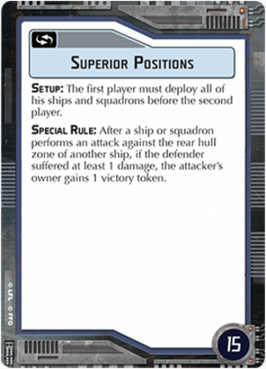 | Superior Positions | Navigation | The first player must deploy all of his ships and squadrons before the second player. 先手玩家必须在后手玩家之前部署完所有它的战舰和中队。 | After a ship or squadron performs an attack against the rear hull zone of another ship, if the defender suffers at least one damage, the attacker's owner gains 1 victory token. 当1个战舰或中队攻击完敌舰的后方船体区，如果防御方承受了至少1点伤害，攻击方的拥有者就获得1个胜利标记。 | -- | -- | 15
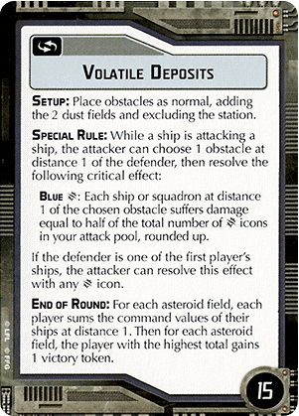 | Volatile Deposits （Rebellion in the Rim） | Navigation | Place obstacles as normal, excluding the station and adding the 2 dust fields. 照常放置障碍物（移除station）并加入2个dust fields。 | While a ship is attacking a ship, the attacker can choose 1 obstacle at distance 1 of the defender, then resolve the following critical effect: Blue {Crit} : Each ship or squadron at distance 1 of the chosen obstacle suffers damage equal to half of the total number of {Crit} icons in your attack pool, rounded up. If the defender is one of the first player's ships, the attacker can resolve this effect with any {Crit} icon. 当1个战舰攻击敌舰，攻击方可以选择1个在防御方距离1处的障碍物，然后结算以下的暴击效果：蓝色 {暴击}：每个在指定障碍物距离1处的战舰或中队受到等同你攻击池中半数 {暴击} 标志的伤害值，小数点向上取整。如果防御方是先手玩家的战舰，攻击方对每1个 {暴击} 标志都结算此效果。 | For each asteroid field, each player sums the command values of their ships at distance 1. Then for each astroid field, the player with the highest total gains 1 victory token. 每个玩家对在自己战舰距离1处的asteroid field计算指挥值总和。然后按每个asteroid field分别计算指挥值总和较高的玩家获得1个胜利标记。 | -- | 15

Quick Reference快速参考
