10um
Device | Production Date | Testing Date | Qw (ml/hr) | Po (mbar) | DFU(x) | Stage 1 f_start | Stage 1 f_end | Stage 2 f_start | Stage 2 f_end | Stage3 f_start | Stage3 f_end | Stage 1 (t) | Stage 2 (t) | Stage 3 (t) | L_men calc | L_men | D_drop | Notes
W11_4_1* | 2026-02-27 | 2026-03-12 | 0.2 | 50 | 1aa | 99 | 173 | 173 | 201 |  |  | 2.96 | 1.12 |  | 14.1 | 9.9403219264 |  | For all DFU(1) Growth to pinsh off and release only 1-2 time steps. 0.04-0.08s. Final neck approx 5um wide
W11_4_1* | 2026-02-27 | 2026-03-12 | 0.2 | 50 | 1ab | 519 | 598 | 598 | 629 |  |  | 3.16 | 1.24 |  | 15.6 | 11.973303638
W11_4_1* | 2026-02-27 | 2026-03-12 | 0.2 | 50 | 1ba | 78 | 162 | 162 | 191 |  |  | 3.36 | 1.16 |  | 16.1 | 12.617844507 |  | I think were counting stage 2 as stage 1 time. Stage 1 shoudlnt begin as the oil hits the edge of the plateau ratherwhere the bulb growth begins. Here, oil is flowing over the edge but remains as a menisucs, no necking begins until the end of 'stage 2' timing where necking and breakup happens instantly 0.08s>.
W11_4_1* | 2026-02-27 | 2026-03-12 | 0.2 | 50 | 1bb | 303 | 385 | 385 | 415 |  |  | 3.28 | 1.2 |  | 15.4 | 11.711532778
W11_4_1* | 2026-02-27 | 2026-03-12 | 0.2 | 50 | 1_start aa | 61 | 104 | 104 | 116 |  |  | 1.72 | 0.48 |  | 13.5 | 9.0691785736 | 9
W11_4_1* | 2026-02-27 | 2026-03-12 | 0.2 | 50 | 1_start ab | 116 | 156 | 156 | 173 |  |  | 1.6 | 0.68 |  | 15.1 | 11.314150432 | 9.1
W11_4_1* | 2026-02-27 | 2026-03-12 | 0.2 | 50 | 1_start ba | 49 | 89 | 89 | 107 |  |  | 1.6 | 0.72 |  | 13.7 | 9.3642938869 | 9.2
W11_4_1* | 2026-02-27 | 2026-03-12 | 0.2 | 50 | 1_start bb | 107 | 148 | 148 | 166 |  |  | 1.64 | 0.72 |  | 14.7 | 10.774506949 | 9.2
W11_4_1* | 2026-02-27 | 2026-03-12 | 0.2 | 50 | 3aa | 76 | 96 | 96 | 106 |  |  | 0.8 | 0.4 |  | 16.5 | 13.124404748 | 11.2
W11_4_1* | 2026-02-27 | 2026-03-12 | 0.2 | 50 | 5aa | 125 | 245 | 245 | 274 |  |  | 4.8 | 1.16 |  | 19.5 | 16.740669043 | 11.2
W11_4_1* | 2026-02-27 | 2026-03-12 | 0.2 | 50 | 5ab | 274 | 394 | 394 | 423 |  |  | 4.8 | 1.16 |  | 20.65 | 18.067166352 | 11.75
W11_4_1* | 2026-02-27 | 2026-03-12 | 0.2 | 50 | 5ba | 78 | 182 | 182 | 221 |  |  | 4.16 | 1.56 |  | 17.5 | 14.361406616 | 11.65
W11_4_1* | 2026-02-27 | 2026-03-12 | 0.2 | 50 | 5bb | 221 | 332 | 332 | 361 |  |  | 4.44 | 1.16 |  | 17.1 | 13.871193171 | 11.45
W11_4_1* | 2026-02-27 | 2026-03-12 | 0.2 | 50 | 7aa | 200 | 273 | 273 | 301 |  |  | 2.92 | 1.12 |  | 14.65 | 10.706189798 | 10.3 | Need to measure from meniscus point to edge? For better comapre? Menisus is much flatter on 10um design.
W11_4_1* | 2026-02-27 | 2026-03-12 | 0.2 | 50 | 7ba | 78 | 148 | 148 | 173 |  |  | 2.8 | 1 |  | 15.9 | 12.361634196 | 9.55


W11_4_1* | 2026-02-27 | 2026-03-12 | 0.2 | 100 | 1_start aa | 7 | 20 | 20 | 28 |  |  | 0.52 | 0.32 |  | 14.1 | 9.9403219264 | 9.4 | Stage 2 is near instantaneous. Necking was hard to capture. See image bleow. Necking phase is still occuring…wider crit neck vs 30um design?
W11_4_1* | 2026-02-27 | 2026-03-12 | 0.2 | 100 | 1_start ab | 28 | 40 | 40 | 49 |  |  | 0.48 | 0.36 |  | 13.5 | 9.0691785736 | 9.1
W11_4_1* | 2026-02-27 | 2026-03-12 | 0.2 | 100 | 1_start ba | 20 | 32 | 32 | 40 |  |  | 0.48 | 0.32 |  | 12.8 | 7.9899937422


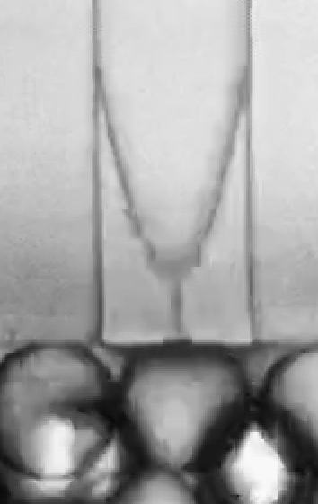
Device | Production Date | Testing Date | Qw (ml/hr) | Po (mbar) | DFU(x) | Stage 1 f_start | Stage 1 f_end | Stage 2 f_end | Stage3 f_end | Stage 1 (t) | Stage 2 (t) | Stage 3 (t) |  | total | L_men calc | L_men | lmenpoint calc | L_menpoint | Lpinch calc | Lpinch | D_drop | Notes
V5_30_3_3 | 2026-03-09 | 2026-03-11 | 1 | 200 | 0a | 36 | 63 | 73 | 81 | 1.08 | 0.4 | 0.32 |  | 1.8 | 53 | 43.69210455 | 27.8 | 23.405982141 | 61.2 | 53.34266585 | 28.8 | ncrit approx 5-10um
V5_30_3_3 | 2026-03-09 | 2026-03-11 | 1 | 200 | 0b | 45 | 78 | 88 | 96 | 1.32 | 0.4 | 0.32 |  | 2.04 |  |  | 31.4 | 27.585503439
V5_30_3_3 | 2026-03-09 | 2026-03-11 | 1 | 200 | 3a | 88 | 117 | 128 | 134 | 1.16 | 0.44 | 0.24 |  | 1.84 | 46.3 | 35.265989281 | 29 | 24.819347292 | 56.2 | 47.52304704 | 26.7
V5_30_3_3 | 2026-03-09 | 2026-03-11 | 1 | 200 | 4a | 40 | 68 | 78 | 83 | 1.12 | 0.4 | 0.2 |  | 1.72 | 45.2 | 33.808874575 | 28.8 | 24.585361498 | 54.4 | 45.380171882 | 25.4
V5_30_3_3 | 2026-03-09 | 2026-03-11 | 1 | 200 | 4b | 25 | 55 | 63 | 69 | 1.2 | 0.32 | 0.24 |  | 1.76 | 43.2 | 31.084401233 | 29.5 | 25.401771592 | 55.4 | 46.574241808 | 26.5
V5_30_3_3 | 2026-03-09 | 2026-03-11 | 1 | 200 | 6a | 37 | 65 | 76 | 82 | 1.12 | 0.44 | 0.24 |  | 1.8 | 44.5 | 32.867156859 | 26.8 | 22.209007182 | 56.3 | 47.641263627 | 25.6
V5_30_3_3 | 2026-03-09 | 2026-03-11 | 1 | 200 | 8a | 28 | 55 | 72 | 76 | 1.08 | 0.68 | 0.16 |  | 1.92 | 38.9 | 24.763077353 | 26.5 | 21.846052275 | 55 | 46.097722286 | 26.9 | all jucntions have pinch off with flow via leading wall
V5_30_3_3 | 2026-03-09 | 2026-03-11 | 1 | 200 | 10a | 19 | 32 | 42 | 49 | 0.52 | 0.4 | 0.28 |  | 1.2 | 37.3 | 22.165062599 | 18.5 | 10.828203914 |  |  | 23.3

V5_30_3_3 | 2026-03-09 | 2026-03-11 | 1 | 300 | 1a | 29 | 45 | 53 | 58 | 0.64 | 0.32 | 0.2 |  | 1.16 | 43.7 | 31.775619585 | 25.6 | 20.745119908 | 64 | 56.5331761 | 28.4
V5_30_3_3 | 2026-03-09 | 2026-03-11 | 1 | 300 | 3a | 27 | 46 | 54 | 58 | 0.76 | 0.32 | 0.16 |  | 1.24 | 46 | 34.871191548 | 28 | 23.643180835 |  |  | 27.4 | Pinch length not a good measurement due to inconsistency in symetry
V5_30_3_3 | 2026-03-09 | 2026-03-11 | 1 | 300 | 3b | 11 | 29 | 34 | 40 | 0.72 | 0.2 | 0.24 |  | 1.16 | 47.9 | 37.341799635 | 27 | 22.449944321 | 60.5 | 52.538081427 | 26.7
V5_30_3_3 | 2026-03-09 | 2026-03-11 | 1 | 300 | 4a | 7 | 26 | 34 | 38 | 0.76 | 0.32 | 0.16 |  | 1.24 | 49 | 38.742741256 | 28.6 | 24.350770008 | 65.8 | 58.563128332 | 27.5
V5_30_3_3 | 2026-03-09 | 2026-03-11 | 1 | 300 | 4b | 4 | 21 | 26 | 32 | 0.68 | 0.2 | 0.24 |  | 1.12 | 46.2 | 35.134598333 | 26.6 | 21.967248348 | 56.8 | 48.231110292 | 26.4
V5_30_3_3 | 2026-03-09 | 2026-03-11 | 1 | 300 | 6a | 18 | 40 | 46 | 53 | 0.88 | 0.24 | 0.28 |  | 1.4 | 48.7 | 38.362612007 | 30.1 | 26.096168301 |  |  | 28.5
V5_30_3_3 | 2026-03-09 | 2026-03-11 | 1 | 300 | 9a | 24 | 38 | 47 | 52 | 0.56 | 0.36 | 0.2 |  | 1.12 | 38.4 | 23.969981227 | 20.4 | 13.826062346 |  |  | 26.1
V5_30_3_3 | 2026-03-09 | 2026-03-11 | 1 | 300 | 10a | 3 | 18 | 24 | 29 | 0.6 | 0.24 | 0.2 |  | 1.04 | 43.6 | 31.637951893 | 26.2 | 21.481154531 | 48.8 | 38.489479082 | 26.4
V5_30_3_3 | 2026-03-09 | 2026-03-11 | 1 | 300 | 10b | 28 | 45 | 52 | 56 | 0.68 | 0.28 | 0.16 |  | 1.12 | 45.4 | 34.075797863 | 26.8 | 22.209007182 |  |  | 26.6

V5_30_3_3 | 2026-03-09 | 2026-03-11 | 1 | 400 | 1a | 23 | 34 | 40 | 44 | 0.44 | 0.24 | 0.16 |  | 0.84 | 45.8 | 34.606935721 | 25.6 | 20.745119908 |  |  | 27.8
V5_30_3_3 | 2026-03-09 | 2026-03-11 | 1 | 400 | 1b | 13 | 24 | 30 | 35 | 0.44 | 0.24 | 0.2 |  | 0.88 | 46 | 34.871191548 | 26.2 | 21.481154531 |  |  | 28
V5_30_3_3 | 2026-03-09 | 2026-03-11 | 1 | 400 | 2a | 16 | 27 | 32 | 36 | 0.44 | 0.2 | 0.16 |  | 0.8 | 44.6 | 33.002424153 | 27.8 | 23.405982141 |  |  | 26.4
V5_30_3_3 | 2026-03-09 | 2026-03-11 | 1 | 400 | 3a | 9 | 21 | 27 | 31 | 0.48 | 0.24 | 0.16 |  | 0.88 | 46.4 | 35.397175029 | 28.8 | 24.585361498 |  |  | 27.4
V5_30_3_3 | 2026-03-09 | 2026-03-11 | 1 | 400 | 3b | 16 | 29 | 34 | 39 | 0.52 | 0.2 | 0.2 |  | 0.92 | 47.6 | 36.95619028 | 25.8 | 20.991426821 | 62.2 | 38.489479082 | 27.4
V5_30_3_3 | 2026-03-09 | 2026-03-11 | 1 | 400 | 4a | 13 | 28 | 30 | 35 | 0.6 | 0.08 | 0.2 |  | 0.88 | 47.2 | 36.439538965 | 29.2 | 25.052744361 |  |  | 27.2
V5_30_3_3 | 2026-03-09 | 2026-03-11 | 1 | 400 | 4b | 19 | 32 | 36 | 40 | 0.52 | 0.16 | 0.16 |  | 0.84 | 52.4 | 42.962309063 | 29.8 | 25.749563103 |  |  | 27.6
V5_30_3_3 | 2026-03-09 | 2026-03-11 | 1 | 400 | 6aa | 20 | 36 | 41 | 45 | 0.64 | 0.2 | 0.16 |  | 1 | 46.4 | 35.397175029 | 28.6 | 24.350770008 |  |  | 27.4
V5_30_3_3 | 2026-03-09 | 2026-03-11 | 1 | 400 | 6ab | 45 | 61 | 66 | 70 | 0.64 | 0.2 | 0.16 |  | 1 | 45.2 | 33.808874575 | 29 | 24.819347292 |  |  | 27.6
V5_30_3_3 | 2026-03-09 | 2026-03-11 | 1 | 400 | 8a | 18 | 27 | 34 | 38 | 0.36 | 0.28 | 0.16 |  | 0.8 | 36.4 | 20.614557963 | 18 | 9.9498743711 |  |  | 26
V5_30_3_3 | 2026-03-09 | 2026-03-11 | 1 | 400 | 8b | 12 | 21 | 28 | 32 | 0.36 | 0.28 | 0.16 |  | 0.8 | 35.8 | 19.535608514 | 21.4 | 15.263027223 |  |  | 26
V5_30_3_3 | 2026-03-09 | 2026-03-11 | 1 | 400 | 10a | 13 | 22 | 25 | 28 | 0.36 | 0.12 | 0.12 |  | 0.6 | 40 | 26.457513111 | 24 | 18.734993995 | 47.8 | 37.213438433 | 24

V5_30_3_3 | 2026-03-09 | 2026-03-11 | 1 | 500 | 1a | 12 | 21 | 26 | 31 | 0.36 | 0.2 | 0.2 |  | 0.76 | 42.8 | 30.526054445 | 24 | 18.734993995 | 65.8 | 58.563128332 | 29
V5_30_3_3 | 2026-03-09 | 2026-03-11 | 1 | 500 | 1b | 18 | 27 | 31 | 35 | 0.36 | 0.16 | 0.16 |  | 0.68 | 44.6 | 33.002424153 | 27 | 22.449944321 |  |  | 29.6
V5_30_3_3 | 2026-03-09 | 2026-03-11 | 1 | 500 | 3a | 16 | 26 | 30 | 35 | 0.4 | 0.16 | 0.2 |  | 0.76 | 46.4 | 35.397175029 | 24.8 | 19.749430372 | 62.2 | 54.487062685 | 27.8
V5_30_3_3 | 2026-03-09 | 2026-03-11 | 1 | 500 | 3b | 11 | 20 | 24 | 29 | 0.36 | 0.16 | 0.2 |  | 0.72 | 44.6 | 33.002424153 | 26.4 | 21.724640388 |  |  | 28
V5_30_3_3 | 2026-03-09 | 2026-03-11 | 1 | 500 | 3c | 4 | 12 | 16 | 21 | 0.32 | 0.16 | 0.2 |  | 0.68 | 44.2 | 32.459821318 | 26.4 | 21.724640388 |  |  | 27.6
V5_30_3_3 | 2026-03-09 | 2026-03-11 | 1 | 500 | 4a | 3 | 12 | 14 | 18 | 0.36 | 0.08 | 0.16 |  | 0.6 | 42.66 | 30.329451034 | 25.8 | 20.991426821 |  |  | 26.8
V5_30_3_3 | 2026-03-09 | 2026-03-11 | 1 | 500 | 4b | 9 | 19 | 24 | 27 | 0.4 | 0.2 | 0.12 |  | 0.72 | 43.2 | 31.084401233 | 27.2 | 22.690085941 |  |  | 27
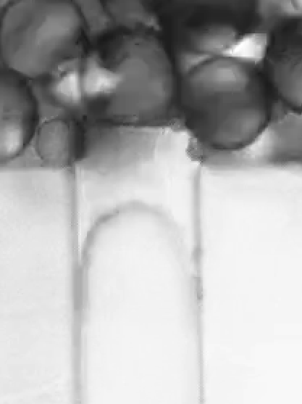
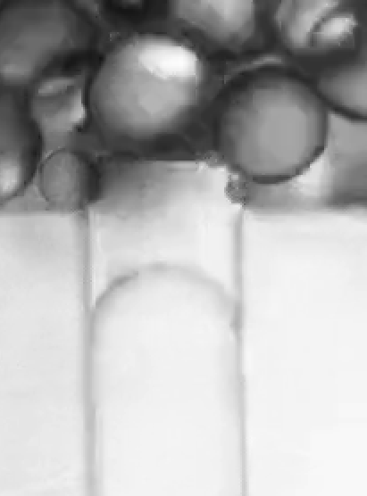
V5_30_3_3 | 2026-03-09 | 2026-03-11 | 1 | 500 | 5a | 17 | 27 | 32 | 36 | 0.4 | 0.2 | 0.16 |  | 0.76 | 44.2 | 32.459821318 | 25.2 | 20.249444437 |  |  | 28
V5_30_3_3 | 2026-03-09 | 2026-03-11 | 1 | 500 |  | 19 | 30 | 34 | 38 | 0.44 | 0.16 | 0.16 |  | 0.76 | 45.4 | 34.075797863 | 27.6 | 23.168081492 |  |  | 28
V5_30_3_3 | 2026-03-09 | 2026-03-11 | 1 | 500 | 6a | 8 | 16 | 19 | 22 | 0.32 | 0.12 | 0.12 |  | 0.56 | 39.8 | 26.154158369 | 22.8 | 17.170905626 |  |  | 25.2
V5_30_3_3 | 2026-03-09 | 2026-03-11 | 1 | 500 | 6b | 2 | 10 | 12 | 16 | 0.32 | 0.08 | 0.16 |  | 0.56 | 42 | 29.393876913 | 23.2 | 17.698587514 |  |  | 24.8
V5_30_3_3 | 2026-03-09 | 2026-03-11 | 1 | 500 | 8a | 13 | 24 | 28 | 32 | 0.44 | 0.16 | 0.16 |  | 0.76 | 42.6 | 30.244999587 | 25 | 20 |  |  | 25
V5_30_3_3 | 2026-03-09 | 2026-03-11 | 1 | 500 | 10a | 12 | 15 | 22 | 24 | 0.12 | 0.28 | 0.08 |  | 0.48 | 36.6 | 20.965686252 | 17 | 8 |  |  | 24

 |  |  |  |  |  |  |  |  |  |  |  |  |  |  |  |  |  |  |  |  |  |  |  | meniscus flattening 1 timestep

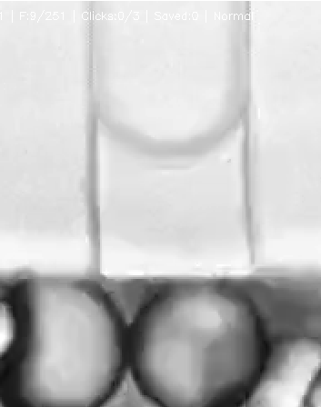
 |  |  |  |  |  |  |  |  |  |  |  |  |  |  |  |  |  |  | a
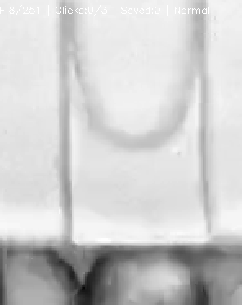

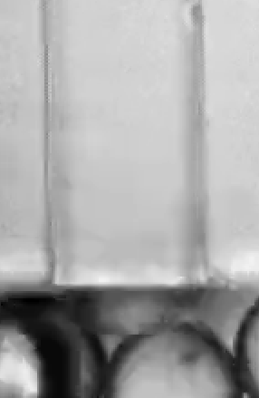
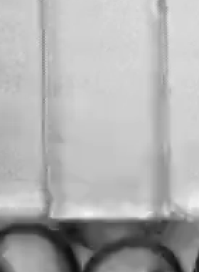

 |  |  |  |  |  |  |  |  |  |  |  |  |  |  |  |  |  |  |  |  |  |  | Clearly see the inflow of cont. up to where the neck actualyl forms from up the channel = make a gif?

