FirstAvailableRoom
FirstAvailableRoom | We only consider path testing. Not data flow testing (both use graphs for modeling). Data flow testing is complicated and impractical unless have a tool that can automatically generate test cases which are rare and expensive.

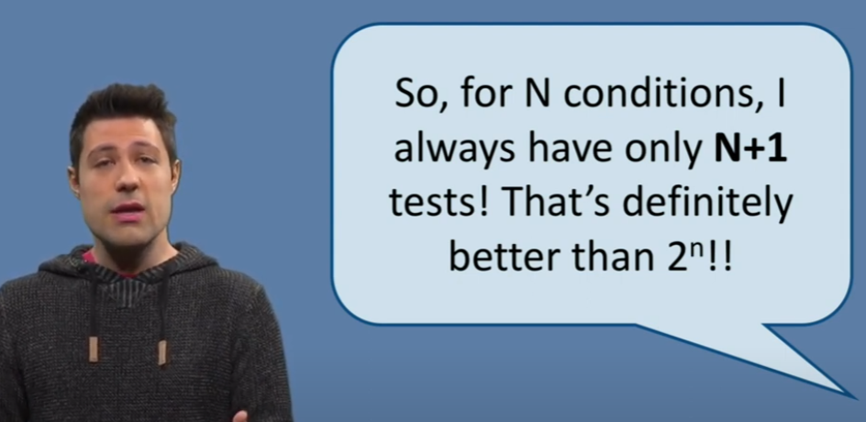
MCDC of row 45-46 in HotelBooking.Core.BookingManager.cs |  |  |  |  | Remark: MCDC implies/covers Edge covering testing technique (Edge covering covers node covering which is the method with lowest coverage)
if (activeBookingsForCurrentRoom.All(b => startDate < b.StartDate &&
endDate < b.StartDate || startDate > b.EndDate && endDate > b.EndDate))

rewrite as if ( A && B || C && D)
Using the Truth Table Generator we get (https://web.stanford.edu/class/cs103/tools/truth-table-tool/)
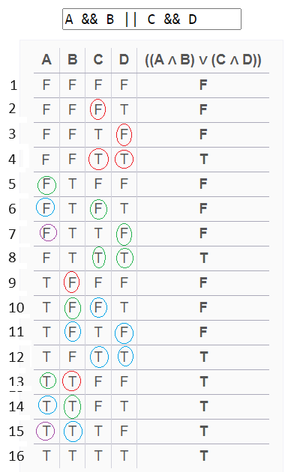

 |  |  |  | Finding relevant test cases using same method as here
 |  |  |  | https://www.youtube.com/watch?v=HzmnCVaICQ4&ab_channel=NewMediaCentre%2CTUDelft

 |  |  |  | Per condition (column) highlighted pairs of relevant test pairs are identified by colored circles
 |  |  |  | Having N = 4 conditions, we only need to test for 5 conditions:

 |  |  |  | Relevant test pairs per condition (identified by row numbers from 1-16)
 |  |  |  | A | 5.13 | 6.14 | 7.15
 |  |  |  | B | 9.13 | 10.14 | 11.15
 |  |  |  | C | 2.4 | 6.8 | 10.12
 |  |  |  | D | 3.4 | 7.8 | 11.12

 |  |  |  | Testing these 5 conditions/rows
 |  |  |  | 6 | 7 | 8 | 10 | 14
 |  |  |  | results in having covered a test case pair for A, B, C and D (highled in green above)

 |  |  |  | Because of short circuit evaluation of modern compilers this corresponds to testing:
 |  |  |  |  | A | B | C | D
 |  |  |  | 6 | F | - | F | - | where "-" is ignored by compiler due to short circuit evaluation (i.e. its value is irrelevant for this multiple condition statement)
 |  |  |  | 7 | F | - | T | F
 |  |  |  | 8 | F | - | T | T
 |  |  |  | 10 | T | F | F | -
 |  |  |  | 14 | T | T | - | -

 |  |  |  | Rewriting to original code it is enough to test these 5 conditions:
 |  |  |  | startDate < b.StartDate && endDate < b.StartDate || startDate > b.EndDate && endDate > b.EndDate |  |  |  |  |  |  |  | <-- | && = short circuit evaluation (hvis brugte enkelt & ville short circuit ikke benyttes)
 |  |  |  |  | A |  |  | B |  | C | D
 |  |  |  |  | startDate < b.StartDate |  |  | endDate < b.StartDate |  | startDate > b.EndDate | endDate > b.EndDate
 |  |  |  | 6 | startDate = b.EndDate (F) |  |  | - |  | F | - | --> | Note for A=F and B=T we must have endDate < startDate, this condition is checked in the first if statement
 |  |  |  | 7 | startDate = b.EndDate + 1 (F) |  |  | - |  | T | endDate = b.EndDate (F) | --> | This implies endDate < startDate; note this condition is checked in the first if statement of FindAvailableRoom (see below).
 |  |  |  | 8 | startDate = b.EndDate + 1 (F) |  |  | - |  | T | endDate = b.EndDate + 1 (T)
 |  |  |  | 10 | startDate = b.StartDate - 1 (T) |  |  | endDate = b.StartDate (F) |  | F | -
 |  |  |  | 14 | startDate = b.StartDate - 1 (T) |  |  | endDate = b.StartDate - 1 (T) |  | - | -

MCDC row 38
if (startDate <= DateTime.Today || startDate > endDate)
Rewrite as if ( A || B)
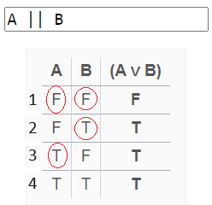
 |  | Relevant test cases
 |  | A | 1.3
 |  | B | 2.3

 |  | Testing condition 1,2,3 covers a test case pair for A and B
 |  | Because of short circuit evaluation of modern compilers this corresponds to testing:
 |  |  | A | B
 |  | 1 | F | F
 |  | 2 | F | T
 |  | 3 | T | -

 |  | Rewriting to original code it is enough to test these 5 conditions:
 |  |  | A |  |  |  | B
 |  |  | startDate <= DateTime.Today |  |  |  | startDate > endDate
 |  | 1 | startDate = Today + 1 (F) |  |  |  | startDate = endDate (F) |  | <-- Note, if set startDate = endDate = b.EndDate +1, this test case is included in above test suite as row 8, so can remove this test here
 |  | 2 | startDate = Today + 1 (F) |  |  |  | endDate = Today (T) |  | <--Note, if set startDate = b.EndDate and endDate = startDate - 1 this test case is included in above test suite as row 6, so can remove this test here (REMARK: this is only True if b.EndDate > Today. So keep this test)
 |  | 3 | startDate = Today (T) |  |  |  | -

 |  | Total relevant tests according to MCDC
 |  |  | startDate |  |  | endDate
 | first if statement | 1 | startDate = Today + 1 |  |  | endDate = Today
 |  | 2 | startDate = Today |  |  | any valid input of endDate due to short circuit evaluation (endDate >= startDate)
 | multi condition if statement | 3 | startDate = b.EndDate |  |  | any valid input of endDate due to short circuit evaluation (endDate >= startDate)
 |  | 4 | startDate = b.EndDate + 1 |  |  | endDate = b.EndDate
 |  | 5 | startDate = b.EndDate + 1 |  |  | endDate = b.EndDate + 1
 |  | 6 | startDate = b.StartDate - 1 |  |  | endDate = b.StartDate
 |  | 7 | startDate = b.StartDate - 1 |  |  | endDate = b.StartDate - 1

 |  | where
 |  | b.StartDate, b.EndDate = dates of existing booking
 |  | startDate, endDate = inputs to CreateBooking

