V1
Test Case ID |  | ZM-28 | Test Case Description |  | Desktop Pricing Main
Date created

Tester's Name |  | Tomas | Date Tested | 2023-12-03 |  | Test Case (Pass/Fail/Not Executed) |  | Fail

S # | Test Environment |  |  |  |  | S # | Equivalence
1 | Chrome |  |  |  |  | 1
2 | Edge |  |  |  |  | 2
3 | Firefox |  |  |  |  | 3
4 | Opera |  |  |  |  | 4
5 | Windows 11 |  |  |  |  | 5
6 |  |  |  |  |  | 6
 |  |  |  |  |  | 7
Test Objective: Istestuoti ar atitinka spalvos, teksto formatavimas, stiliai, ismatavimai.

Test case ID | Test Case Description | Test case | Test Steps | Test data | Expected Results | Actual Results |  | Pass / Fail / Not executed / Suspended | Notes

T001 | Spalvos, tekstas | Main dalis | Patikrinau su browser inspect, sulyginau su Figma pateikta informacija | Main/h1 "Pricing" | color: #36536B; font-family: DM Serif Display; font-size: 56px; font-style: normal; font-weight: 400; line-height: 56px; /* 100% */ letter-spacing: -0.431px; Layout: width: 546px; height: 56px | text-align: left; font-family: 'DM Serif Display', serif; color: #36536B; font-size: 56px; font-style: normal; font-weight: 400; line-height: 56px; padding-bottom: 13px; |  | Pass | Darbo irankai: browser inspect, Figma (payapi), https://www.w3schools.com/colors/colors_converter.asp .
T002 | Spalvos, tekstas | Main dalis | Patikrinau su browser inspect, sulyginau su Figma pateikta informacija | Main/h2 "Free Plan", "Basic Plan", "Premium Plan" | color: #BA4270; font-family: DM Serif Display; font-size: 32px; font-style: normal; font-weight: 400; line-height: 40px; /* 125% */ letter-spacing: -0.246px; layout: width: 350px; height: 40px | color: #ba4270; font-family: 'DM Serif Display', serif; font-size: 32px; font-style: normal; font-weight: 400; line-height: 40px; letter-spacing: -0.246px; |  | Pass | Darbo irankai: browser inspect, Figma (payapi), https://www.w3schools.com/colors/colors_converter.asp . Visi tekstai vienodos spalvos. Teksto lygiuotes, formatavimas, ismatavimai vienodi. Viso ju yra 3 vnt.
T003 | Spalvos, tekstas | Main dalis | Patikrinau su browser inspect, sulyginau su Figma pateikta informacija | Main/p "Built and test …", "Launch your project …", "Get tailored solution …" | color: #6C8294; font-family: Public Sans; font-size: 15px; font-style: normal; font-weight: 400; line-height: 28px; /* 186.667% */; layout: width: 350px; height: 56px | font-family: 'Public Sans', sans-serif; padding-top: 15px; color: #6c8294; font-style: normal; font-weight: 400; line-height: 28px; padding: 4px; |  | Pass | Darbo irankai: browser inspect, Figma (payapi), https://www.w3schools.com/colors/colors_converter.asp . Visi tekstai vienodos spalvos. Teksto lygiuotes, formatavimas, ismatavimai vienodi. Viso ju yra 3 vnt.
T004 | Spalvos, tekstas | Main dalis | Patikrinau su browser inspect, sulyginau su Figma pateikta informacija | Main/h1 "$0.00", "$249.00", "$499.00" | color: #36536B; font-family: DM Serif Display; font-size: 56px; font-style: normal; font-weight: 400; line-height: 72px; /* 128.571% */ letter-spacing: -0.431px; layout: width: 350px; height: 72px | text-align: left; font-size: 56px; color: #36536B; font-style: normal; font-weight: 400; line-height: 72px; letter-spacing: -0.431px; font-family: 'DM Serif Display', serif; |  | Pass | Darbo irankai: browser inspect, Figma (payapi), https://www.w3schools.com/colors/colors_converter.asp . Visi tekstai vienodos spalvos. Teksto lygiuotes, formatavimas, ismatavimai vienodi. Viso ju yra 3 vnt.
T005 | Paveiklslelis | Main dalis | Patikrinau su browser inspect, sulyginau su Figma pateikta informacija | Main/ul/li "Varnele" | stroke-width: 2px; stroke: #BA4270; layout: width: 12px; height: 8px; | padding: 7px; text-align: left; margin-right: 13px; |  | Pass | Darbo irankai: browser inspect, Figma (payapi), https://www.w3schools.com/colors/colors_converter.asp . Visos varneles vienodos. Viso ju yra 15 vnt.
T006 | Spalvos, tekstas | Main dalis | Patikrinau su browser inspect, sulyginau su Figma pateikta informacija | Main/ul/li (tekstas salia varneles) | color: #36536B; font-family: Public Sans; font-size: 16px; font-style: normal; font-weight: 400; line-height: 28px; /* 175% */ | padding: 7px; text-align: left; margin-right: 13px; box-sizing: border-box; padding: 0; background-color: #edf3f8; list-style: none; list-style-position: initial; list-style-image: initial; list-style-type: none; font-family: 'Public Sans', sans-serif; |  | Fail | Darbo irankai: browser inspect, Figma (payapi), https://www.w3schools.com/colors/colors_converter.asp . Viso ju yra 15 vnt. Tekstas juodos spalvos o turi buti kitokios. | 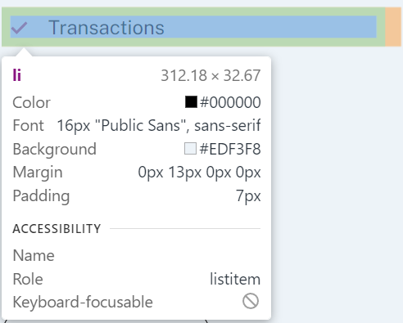
T007 | Spalvos, tekstas | Main dalis | Patikrinau su browser inspect, sulyginau su Figma pateikta informacija | Main/ul/li (tekstas be varneles) | color: #36536B; font-family: Public Sans; font-size: 16px; font-style: normal; font-weight: 400; line-height: 28px; /* 175% */ | padding: 7px; text-align: left; margin-right: 13px; box-sizing: border-box; padding: 0; background-color: #edf3f8; list-style: none; list-style-position: initial; list-style-image: initial; list-style-type: none; font-family: 'Public Sans', sans-serif |  | Fail | Darbo irankai: browser inspect, Figma (payapi), https://www.w3schools.com/colors/colors_converter.asp . Viso ju yra 6 vnt. Tekstas juodos spalvos o turi buti kitokios. | 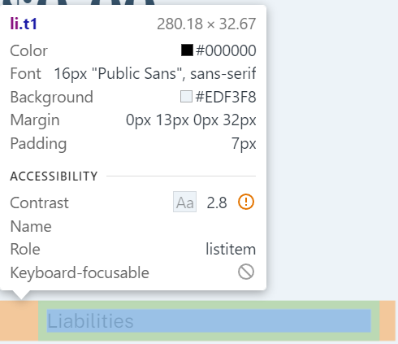
T008 | Mygtukas | Main dalis | Patikrinau su browser inspect, sulyginau su Figma pateikta informacija | Main/ul/button "Request Access" | border-radius: 24px; border: 1px solid #36536B; layout: width: 168px; height: 48px; color: #36536B; font-family: Public Sans; font-size: 15px; font-style: normal; font-weight: 700; line-height: normal; letter-spacing: -0.115px; | font-size: 15px; border-radius: 24px; border: 1px solid #36536b; font-family: 'Public Sans', sans-serif; font-style: normal; font-weight: 700; letter-spacing: -0.115px; line-height: normal; width: 170px; padding: 14px; border: solid black 1px; box-sizing: border-box; padding: 0; background-color: #edf3f8; |  | Fail | Darbo irankai: browser inspect, Figma (payapi), https://www.w3schools.com/colors/colors_converter.asp . Nesutampa teksto spalvos. Nesikeicia fono ir konturo spalvos uzvedus, paspaudus pele ant "button".
T009 | Spalvos, tekstas | Main dalis | Patikrinau su browser inspect, sulyginau su Figma pateikta informacija | Main/p "Ready to start?" | color: #36536B; font-family: DM Serif Display; font-size: 48px; font-style: normal; font-weight: 400; line-height: 56px; /* 116.667% */ letter-spacing: -0.369px; layout: width: 445px; height: 56px | text-align: left; font-size: 48px; font-weight: 400; font-style: normal; letter-spacing: -0,369px; color: #36536B; font-family: 'DM Serif Display', serif; margin-bottom: -30px; |  | Pass | Darbo irankai: browser inspect, Figma (payapi), https://www.w3schools.com/colors/colors_converter.asp .
T010 | Forma | Main dalis | Patikrinau su browser inspect, sulyginau su Figma pateikta informacija | Main/input "Enter email address | border-radius: 24px; background: #FBFCFE; box-shadow: 10px 10px 25px -10px rgba(54, 83, 107, 0.25); layout: width: 445px; height: 48px; Text: color: #36536B; font-family: Public Sans; font-size: 15px; font-style: normal; font-weight: 700; line-height: normal; | border-radius: 24px; padding: 14px; border: none; background: #fbfcfe; color: #36536B; font-family: 'Public Sans', sans-serif; margin-right: -130px; width: 400px; font-weight: 700; |  | Pass | Darbo irankai: browser inspect, Figma (payapi), https://www.w3schools.com/colors/colors_converter.asp . Bandant ivesti klaidinga email, daug raidziu, simboliu, zenklu, ismeta klaidos pranesima, kad negalimi % simboliai ir butinas @ simbolis.
T011 | Mygtukas | Main dalis | Patikrinau su browser inspect, sulyginau su Figma pateikta informacija | Main/button "Schedule a demo" | border-radius: 24px; background: #BA4270; layout: width: 173px; height: 48px; text: color: #FBFCFE; font-family: Public Sans; font-size: 15px; font-style: normal; font-weight: 700; line-height: normal; letter-spacing: -0.115px; | background-color: #ba4270; color: #fbfcfe; border: none; font-family: 'Public Sans', sans-serif; font-weight: 700; margin-right: 50px; border-radius: 24px; width: 160px; padding: 14px; border: solid black 1px; |  | Fail | Darbo irankai: browser inspect, Figma (payapi), https://www.w3schools.com/colors/colors_converter.asp . Nesikeicia fono ir konturo spalvos uzvedus, paspaudus pele ant "button".
T012 | fono spalva | Main dalis | Patikrinau su browser inspect, sulyginau su Figma pateikta informacija | Main "backgroung color" | background: #EDF3F8; | background-color: #edf3f8; |  | Pass | Darbo irankai: browser inspect, Figma (payapi), https://www.w3schools.com/colors/colors_converter.asp .
T013 | Apskritimai | Main dalis | Patikrinau su browser inspect, sulyginau su Figma pateikta informacija | Main | border-radius: 780px; background: #36536B; layout: width: 780px; height: 780px; flex-shrink: 0; | Nerasta |  | Fail | Darbo irankai: browser inspect, Figma (payapi), https://www.w3schools.com/colors/colors_converter.asp . Viso turi buti 2 vnt apskritimo. Nei vieno nera.
T014
T015
T016
T017
T018
T019
T020
T021
T022
T023
T024
T025
T026
T027
T028
T029
T030
T031
T032
T033
T034

