Sheet1
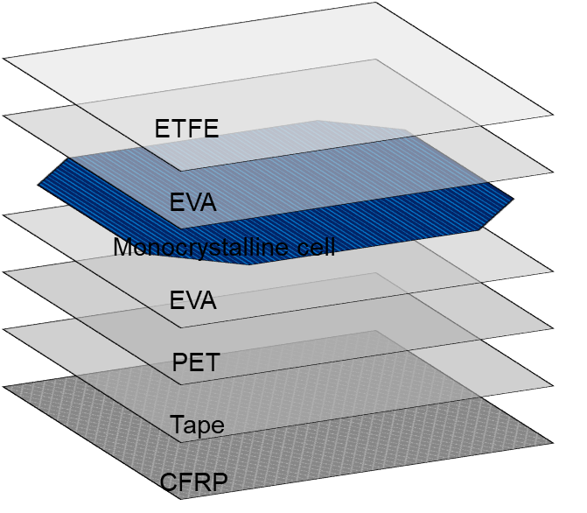
Materials | Density [kg/m3] | Thermal conductivity [W/m.K] | Specific heat [J/kg.K]
ETFE | 1730 | 0.24 | 1172
EVA | 945 | 0.35 | 2090
Silicon | 2330 | 148 | 700
PET | 1350 | 0.275 | 1275
CFRP | 1490 | 6.83 | 1130
Tape | 1012 | 0.19 | 2000

