bom
Designator | Footprint | Quantity
C1, C10, C2, C3, C4, C5, C6, C7, C8, C9 | 603 | 10
D10, D2, D3, D4, D5, D6, D7, D8, D9 | LED_WS2812B-2020_PLCC4_2.0x2.0mm | 9
J1 | PinHeader_2x03_P2.54mm_Vertical_SMD | 1
U1 | SOT-23-5 | 1
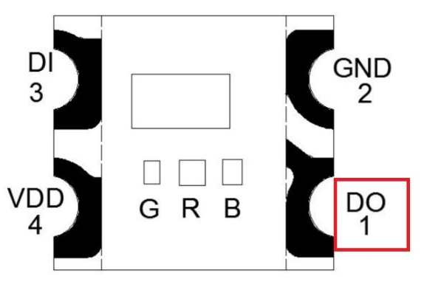 | 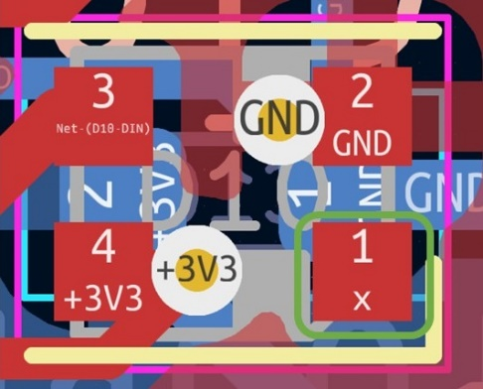 | PCB sponsor @huaqiu

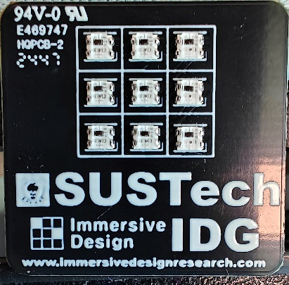 | 