Generic Trace Calculator
 | PCB Trace Calculator

Input |  |  |  |  |  |  |  |  |  |  |  |  | Copper Weight (oz) | Trace Thickness
 | A |  | degC |  |  |  | Trace Thickness |  |  | Track Length
 | Current (I) |  | dT |  | Width |  | Height |  | K factor |  |  |  | 0.5 | 0.0175 | mm
 |  |  |  |  |  |  |  |  |  | 1574.80 | mil |  | 1 | 0.035 | mm
 | 25.00 | A | 20.00 | degC | 787.4 | mil | 2.756 | mil | 0.024 | 40 | mm |  | 2 | 0.070 | mm
 |  | mA | 20 | degC | 20.00 | mm | 0.07 | mm |  |  | um |  | 1.5 | 0.0525 | mm (assume top layer & Inner Layer together)
 | 25.000 | A |  |  |  | um |  |  |  | 40 | mm |  | 2.5 | 0.088
 |  |  |  |  | 20.00 | mm |  |  |  |  | cm
 |  |  |  |  |  | cm | Copper |  |  |  | mil
 |  |  |  |  |  | mil | 2 | oz | Internal |  | inch |  | Copper Resistivity
 |  |  |  |  |  | inch
 |  |  |  |  |  |  |  |  |  |  |  |  | 1.72e^-08
Output

 | 23.529 | A | 22.96 | degC | 856.1 | mil |  |  |  |  |  |  | K Factor
 |  |  |  |  | 21.75 | mm |  |  |  |  |  |  | Internal | 0.024
 | 23528742 | uA |  |  |  |  |  |  |  |  |  |  | External | 0.048
 | 23529 | mA |  |  |  |  |  |  |  |  |  |  | Mixed | 0.036
 |  |  |  |  | 21745.181994 | um
 |  |  |  |  | 21.75 | mm
 |  |  |  |  | 2.2 | cm
 |  |  |  |  | 856.1 | mil
 |  |  |  |  | 0.856 | inch

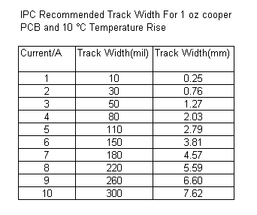

 |  |  |  |  |  |  |  |  |  |  |  | V = I R | I = V/R |  | R = V/I | P = I V
 |  |  |  |  |  |  |  |  |  |  |  | V = P/I | I =P/V |  | R = (V^2)/P | P = (I^2)xR
 |  |  |  |  |  |  |  |  |  |  |  | V = SqR(PxR) | I =SqR(P/R) |  | R = P/(I^2) | P = (V^2)/R

 | Wire & Current

 | Current |  | mm^2 |  | Diameter |  | mil^2 | A.W.G

 | 0

Xtal
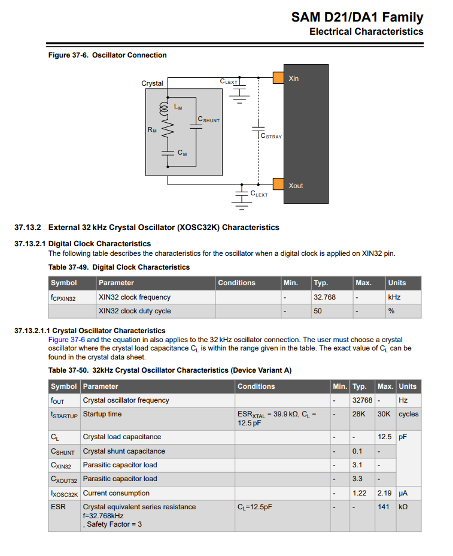
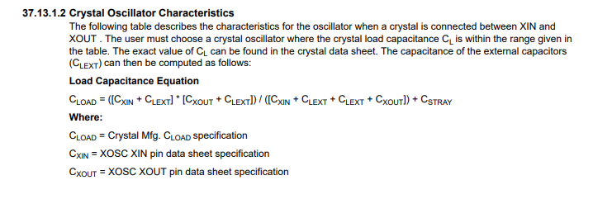
Not Sure if This section works

A | C | B | D | E
C(load) | C(lext) | C(xin) | C(xout) | C(stray) |  | Cstray = per 12.5mm | Per mm | mm of trace

12.5 | 9 | 3.1 | 3.1 | 0.48 |  | 1.5 | 0.12 | 4
6.53
 | 3.0659419434
 | 6.2666666667

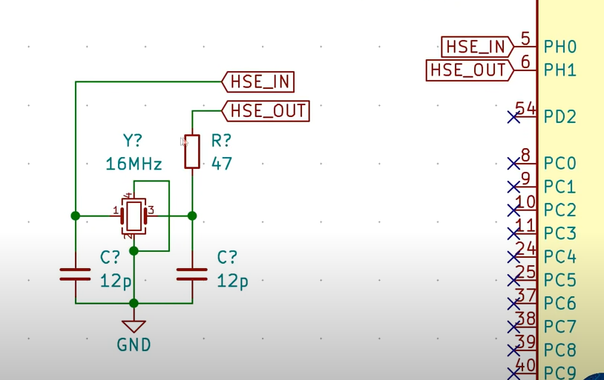
Attempt 2

Based on Phils Lab Tutorial for SM32 MCU

Load Capacitors | = 2* (Cxload - Cstray) |  |  |  | Cxload is Load capacitance of the Xtal - Given in datasheet
 |  |  |  |  | Cstray is capacitance of the PCB - Estimate 5-6pF
 |  |  |  |  | Max Likely Range 2-20pF
Load resistor 10 - 47 ohms
Load Resistor is not always needed. - Try 0 ohm so pcb pad is there if required later

Load Capacitor |  | Cxtalload |  | Cstray
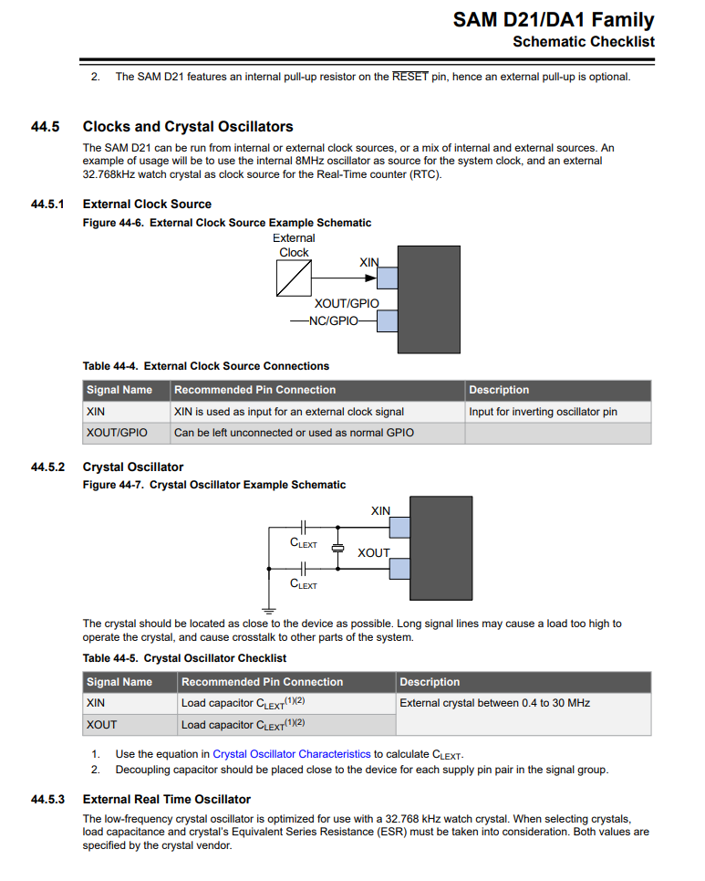
20 |  | 15 |  | 5

