AutomaticMode
 |  |  | X = closed. O = open
 |  |  | State 1 | State 2 | State 3 | State 4 | State 5 | State 6 | State 7
V1 | Solenoid valve (Ex1) |  | X | X | X | O | O | X | X
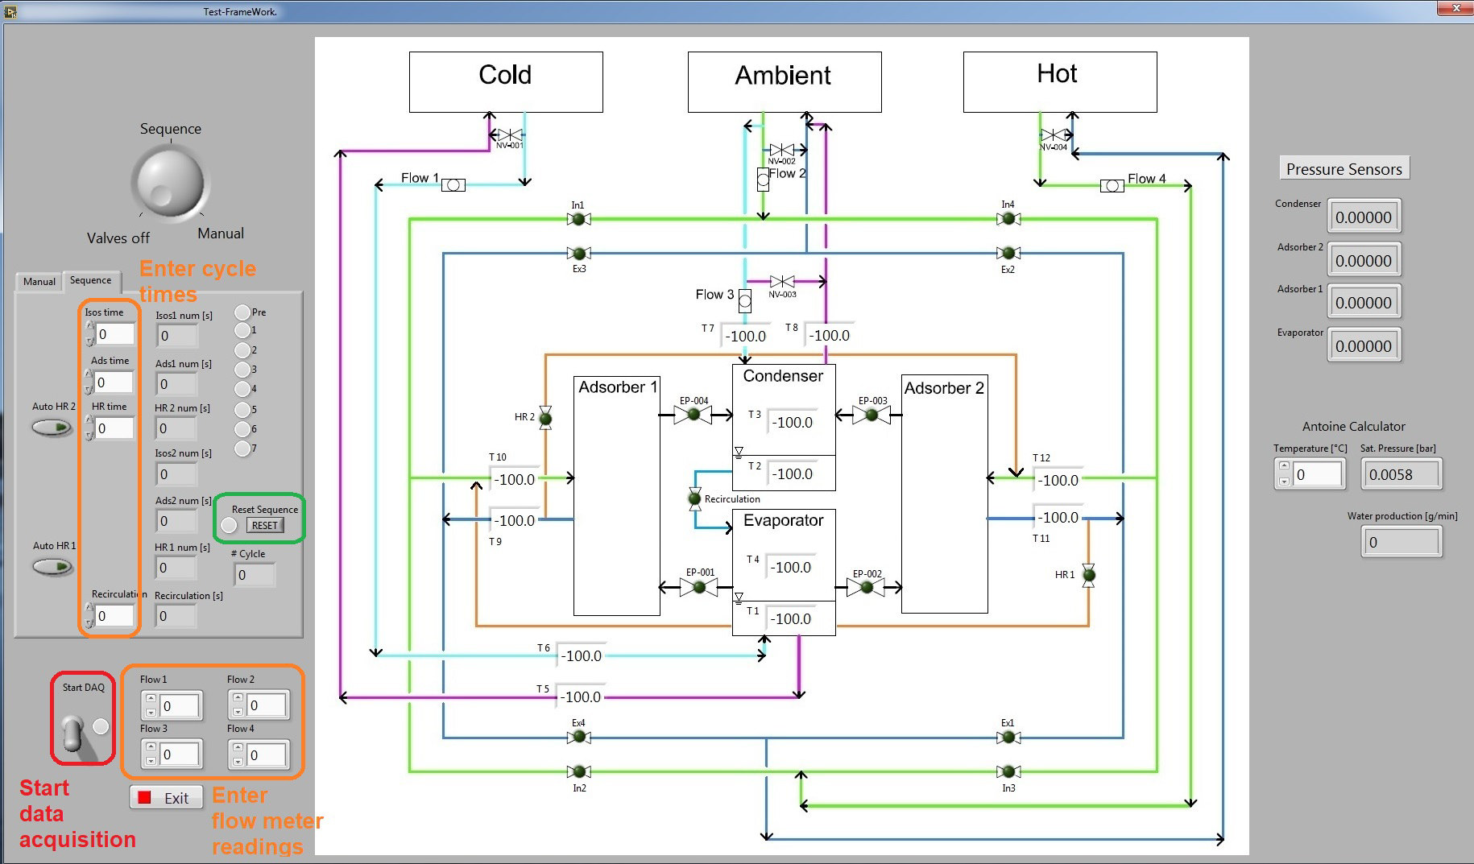
V2 | Solenoid valve (Ex2) |  | O | O | O | X | X | X | X
V3 | Solenoid valve (Ex3) |  | X | X | X | O | O | O | X
V4 | Solenoid valve (Ex4) |  | O | O | X | X | X | X | X
V5 | Solenoid valve (In1) |  | X | X | O | O | O | X | X
V6 | Solenoid valve (In2) |  | O | O | X | X | X | X | X
V7 | Solenoid valve (In3) |  | X | X | X | O | O | X | X
V8 | Solenoid valve (In4) |  | O | O | X | X | X | O | X

V9 | Electropneumatic (Ep1) | Adsorber1/Evaporator | X | X | X | X | O | X | X
V10 | Electropneumatic (Ep2) | Adsorber2/Evaporator | X | O | X | X | X | X | X
V11 | Electropneumatic (Ep3) | Adsorber2/Condenser | X | X | X | X | O | X | X
V12 | Electropneumatic (Ep4) | Adsorber1/Condenser | X | O | X | X | X | X | X

V13 | Solenoid Valve (HR1) | Heat Recovery | X | X | X | X | X | O | X
V14 | Solenoid Valve (HR2) | Heat Recovery | X | X | O | X | X | X | X
V15 | Solenoid Valve (Recirc) | Recirculation | X | X | X | X | X | X | O

Each one of the sequence steps is time controlled, where the time has to be entered manually. A step can be skipped by setting the time to zero.
T1 | Thermocouples | Evap-Liquid
T2 | Thermocouples | Cond-Liquid
T3 | Thermocouples | Cond-Vapour
T4 | Thermocouples | Evap-Vapour
T5 | Thermocouples | Evap-Out
The wheel setting “Sequence” starts the sequence, but only if the sequence times of isosteric heating/cooling and adsorption/desorption are greater than zero. If they equal zero, the system is set in a safety mode, where all valves are closed.
The safety mode can be left by inserting values for the times and pressing the “reset” button afterwards.
T6 | Thermocouples | Evao-In
T7 | Thermocouples | Cond-In
T8 | Thermocouples | Cond-Out
T9 | Thermocouples | Adsorber1-Out
T10 | Thermocouples | Adsorber1-In
T11 | Thermocouples | Adsorber2-Out
T12 | Thermocouples | Adsorber2-In

P1 | Press Transducer | Condenser
P2 | Press Transducer | Adsorber 2
P3 | Press Transducer | Adsorber 1
P4 | Press Transducer | Evaporator

Flow 1 | enter value manually | Cold T Flow
Flow 2 | enter value manually | Intermediate T Flow to Adsorber
Flow 3 | enter value manually | Intermediate T Flow to Cond
Flow 4 | enter value manually | Hot T Flow
All the readings can be saved to a text file by turning the switch “Start DAQ” in the left bottom corner of the user interface

