Sheet1
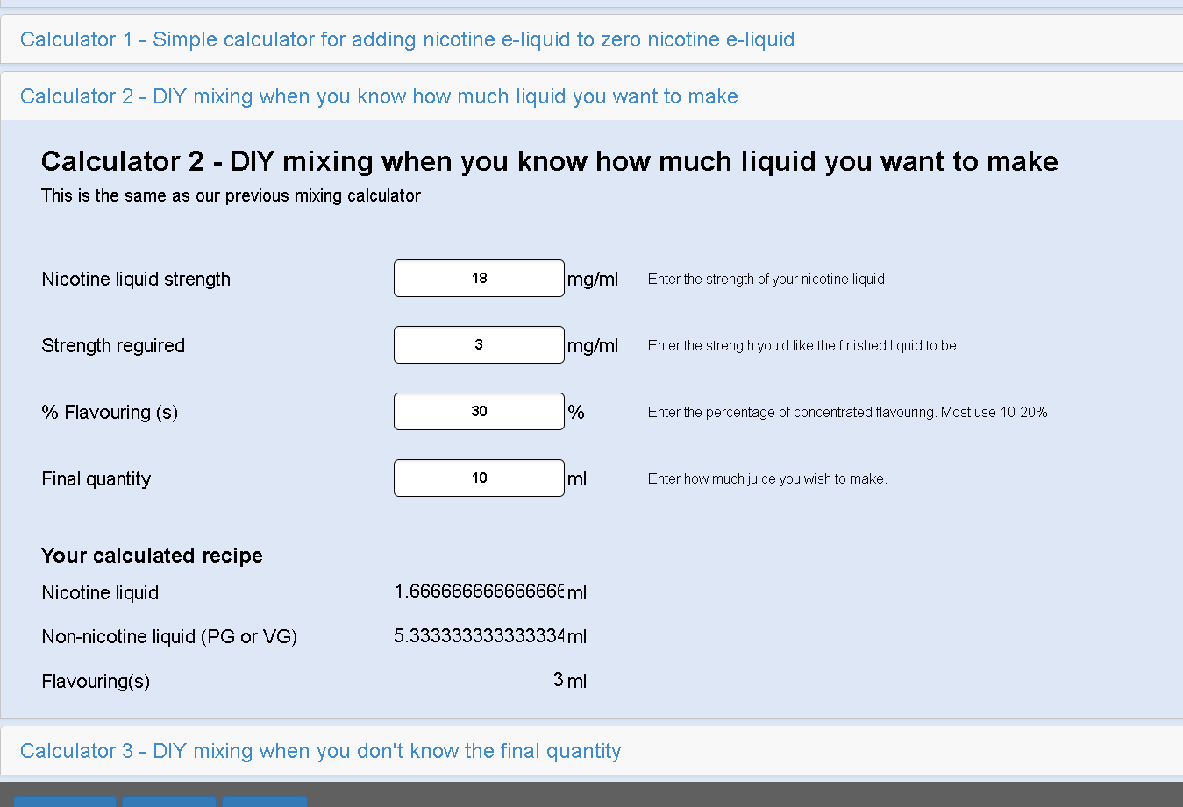
 | Drops per mL | 20
 |  |  |  |  |  |  |  |  |  | Size of (A Drp)

 |  |  |  | Total Volume mL
 |  |  |  | 20 | 30 | 40 | 50 | 60 | 70

 | mg/mL | mL | total mG | Dilutions +mL
 | Initial Nicotine Value | Nicotine Vol |  | 10 | 20 | 30 | 40 | 50 | 60

 | 18 | 6 | 108 | 5.4 | 3.6 | 2.7 | 2.16 | 1.8 | 1.5428571429
 | Percentage Nicotine

 | 1.8

 | Level of VG Topup |  |  | 1.50 | 7.25 | 13.00 | 18.75 | 24.50 | 30.25

 | Flavour |  |  | Number of 10 mL

 | Drops per 10ml | mL |  | 2 | 3 | 4 | 5 | 6 | 7

banana | 30 |  |  | 60 | 90 | 120 | 150 | 180 | 210
 | 1.5 |  |  | 3 | 4.5 | 6 | 7.5 | 9 | 10.5

cuban | 45 |  |  | 90 | 135 | 180 | 225 | 270 | 315
 | 2.25 |  |  | 4.5 | 6.75 | 9 | 11.25 | 13.5 | 15.75

 | Other ingredients

PG | 10 |  |  | 20 | 30 | 40 | 50 | 60 | 70
 | 0.5 |  |  | 1 | 1.5 | 2 | 2.5 | 3 | 3.5

 | NEW

 | 18mG | 6mL

 | 9mg | 12ml

 | 4.5 | 24ml

 | 3.375 | 36

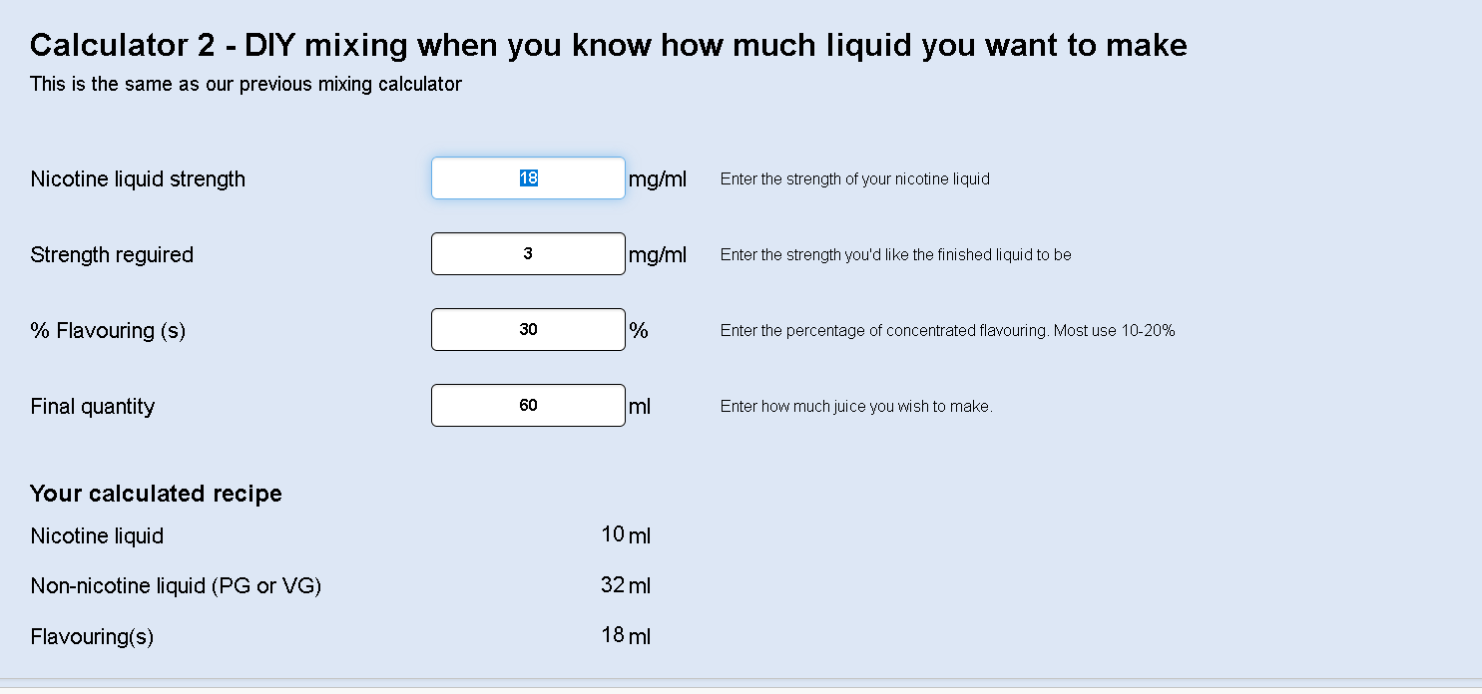

 | https://www.cdv-forum.com/Resources/Calc/calc.htm

