Sheet1
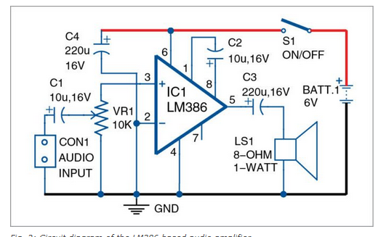
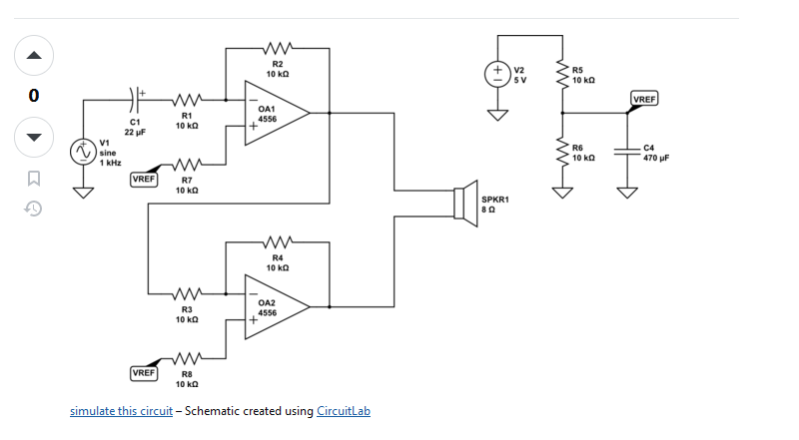
Ultra Bright LED Options

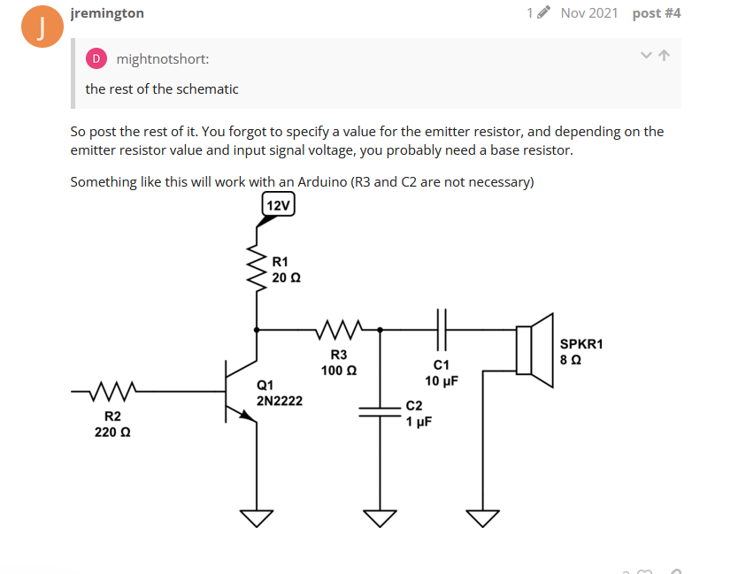
 |  |  |  |  |  |  | typical
 |  |  |  | (@700mA) |  |  | forward | mA
RS No. | Manufacturer | Type | Colour | Luminous Flux | Lens | Viewing Angle | Voltage | Current | Power | Cost (each) | Pack Size | Cost (pack) | Link | Datasheet

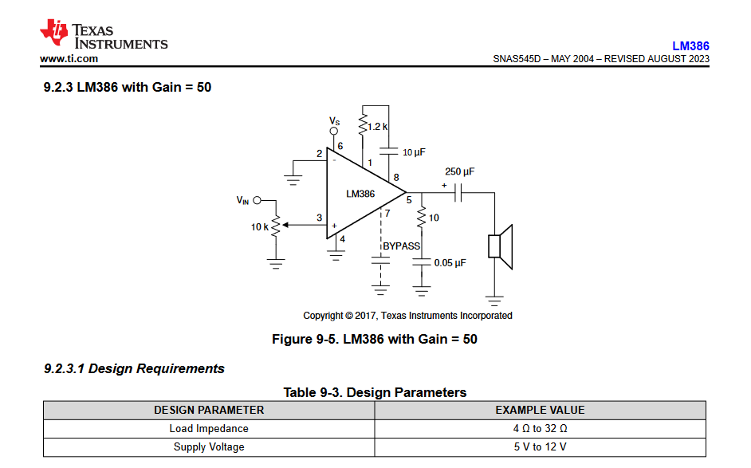
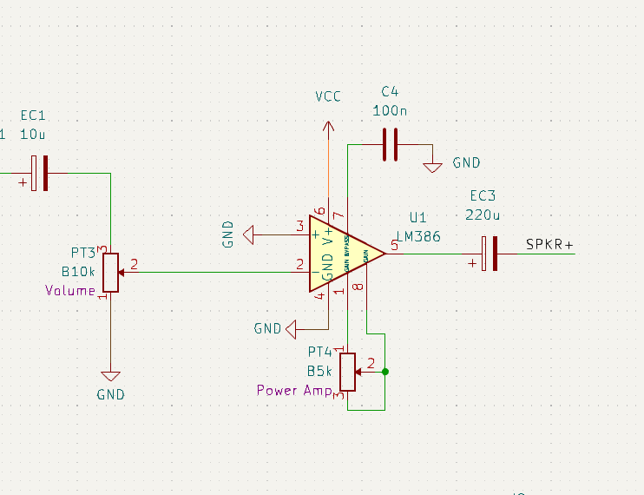
245-7074 | OSRAM | SMD | 2700k - 6500k | 245 | Silicon | 120 | 3.2 | 1800 |  | 0.976 | 5 | 4.88 | https://uk.rs-online.com/web/p/leds/2457074?gb=s | https://docs.rs-online.com/5ed9/A700000008845211.pdf

232-0741 | Lumileds | SMD | 2200k - 6500k | 1293 | n/a | 120 | 11.8 | 1200 (DC) |  | £2.00 | 5 | 10.02 | https://uk.rs-online.com/web/p/leds/2320741?gb=s | https://docs.rs-online.com/a866/A700000008252962.pdf
 |  |  |  |  |  |  |  | 1440 (Pulse)

213-0856 | Lumileds | SMD | 2700k - 6500k | 300 |  |  |  | 2000 (DC) |  |  |  |  | https://uk.rs-online.com/web/p/leds/2130856?gb=s | https://docs.rs-online.com/6805/A700000007320662.pdf
 |  |  |  |  |  |  |  | 2400 (pulse)

903-3642 | PowerLED | CoB | 3000k | 8850 |  | 120 | 30 min |  | 90 W
 |  |  |  |  |  |  | 34 max

Speaker Options

RS No. | Manufacturer | Size | Ohms | Power |  | Cone Materal |  |  |  | Cost (each) | Pack Size | Cost (pack) | Link | Datasheet

628-4513 | RS pro | 66mm | 8 | 1.5 W |  | Mylar |  |  |  | 4.53 | 1 | 4.53 | https://uk.rs-online.com/web/p/speaker-drivers/6284513 | https://docs.rs-online.com/ac55/0900766b8150175f.pdf

817-9132 | RS pro | 70x30.5x23 | 8 | 2W |  | paper |  |  |  | 3.55 | 1 | 3.55 | https://uk.rs-online.com/web/p/miniature-speakers/8179132 | https://docs.rs-online.com/d375/0900766b81583fb5.pdf

Speaker Driver

