README
Planned and existing CCS projects published in 2022 across ten global storage regions
This workbook contains data presented in the manuscript, including the compiled CCS statistics from publically available resources for commerical-scale CCS projects across ten global storage regions, haramonisation of storage resource estimates from multiple assessments, raw data points that are illustrated in Figure 4 of the main mainuscript, and the projections for 2050 compiled in the AR6 database of the IPCC report.

Raw data in Figure 4
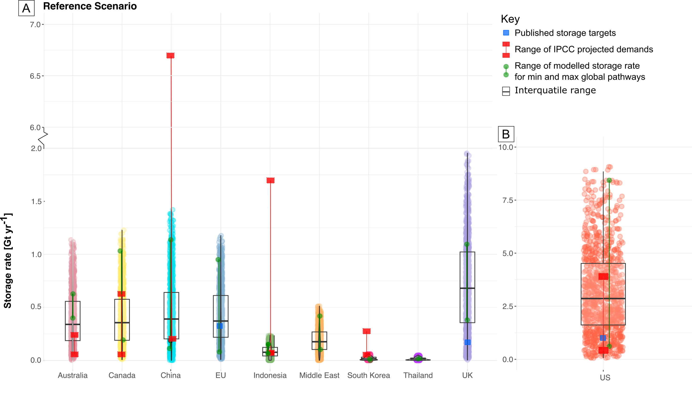
Country | IPCC Projected Demands: Low [Gt/yr] | IPCC Projected Demands: High [Gt/yr] | Published storage target [Gt/yr] | Modelled storage rate: Min global pathways [Gt/yr] | Modelled storage rate: Max global pathways [Gt/yr]
Australia | 5.56E-07 | 0.176073774 | None identified | 0.3517 | 0.5861
Canada | 5.69E-07 | 0.580942411 | None identified | 0.1387 | 1.0034
China | 0.152669235 | 6.7 | None identified | 0.0556 | 0.1938
EU | N/A | N/A | 0.33 | 0.0225 | 0.9193
Indonesia | 0.01571998 | 1.689776567 | None identified | 0.0225 | 0.0959
Middle East | N/A | N/A | None identified | 0.0461 | 0.3711
South Korea | 1.30E-07 | 0.224998395 | None identified | 0.0014 | 0.0171
UK | No data | No data | 0.175 | 0.3329 | 1.0686
US | 0.085993294 | 3.682933378 | 1 | 0.6091 | 8.4277
Thailand | No data | No data | None identified | 0.0212 | 0.0155

