OPT stand
Part # | Description | Manufacturer | Quantity | Total | Note
MECHANICS
KM200 | 2" Kinematic mount | Thorlabs | 1
Z635316-1EA | Lab jack [55x40mm plates] | Sigma Aldrich | 1
PT3/M | XYZ stage kit (25mm) (3x DTS25/Mr + 1x DTSA bracket) | Thorlabs | 1
Stand for tip/tilt mount, motor adapter | Machined parts | Homemade | 1
NMS17-T4A-MC10T3 | Stepper motor | Zaber | 1 |  | UK supplier is Laser2000
X-MCC1-KS13B | Stepper motor controller and PSU | Zaber | 1 |  | UK supplier is Laser2000
704-001-30-10 | Cuvette (30mm optical path) | Hellma | 1

TOTAL |  |  | Total | £2,657.65

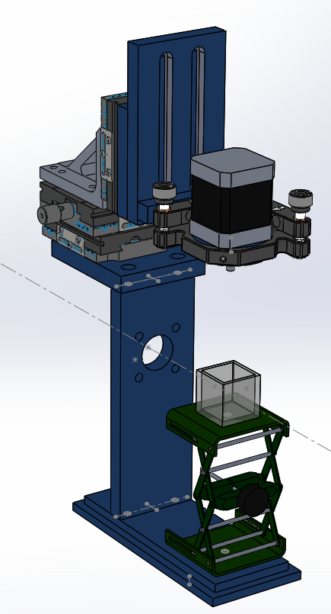
 | Total price estimate correct as of 19/01/2024

Micro-imaging arm
Part # | Description | Manufacturer | Price | Quantity | Total | Notes | Alternative Part # | Description | Manufacturer | Price | Quantity | Total
SM1D12CZ | Graduated zero-aperture iris | Thorlabs |  | 1
ER2-P4 | 6mm rods (2") | Thorlabs |  | 1
CFS1/M | Manual 1" filter slider | Thorlabs |  | 1 |  | Alternative: | FW102C | Motorized filter wheel | Thorlabs | £1,064.38 | 1 | £1,064.38
LCP33/M | X-plate | Thorlabs |  | 1
ER8-P4 | 6mm rods (8") | Thorlabs |  | 1
SM1A2 | Adapter with External SM1 Threads and Internal SM2 Threads | Thorlabs |  | 1
SM2T2 | SM2 (2.035"-40) Coupler, External Threads, 1/2" Long | Thorlabs |  | 1
SM2L30 | SM2 Lens Tube, 3" Thread Depth, One Retaining Ring Included | Thorlabs |  | 1
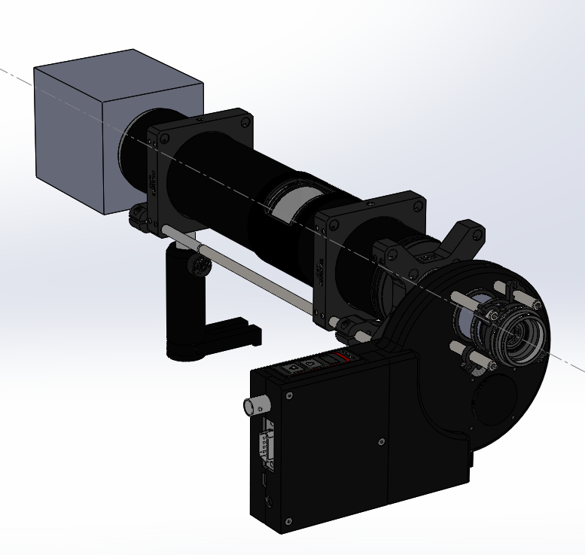
LCP33B | 60 mm Cage Mounting Bracket | Thorlabs |  | 2
TR50/M | 50mm posts [x5] | Thorlabs |  | 2
UPH50/M | Universal 50mm post holders with bases[x5] | Thorlabs |  | 2
LCP36 | 60 mm Cage Plate with Ø2.2" (Ø56.0 mm) Double Bore for SM2 Lens Tube Mounting | Thorlabs |  | 2
SM2L20C | SM2 Slotted Lens Tube, 2" Thread Depth, 2 Retaining Rings Included | Thorlabs |  | 1
SM2E60 | SM2 Series Extension Tube, 6" | Thorlabs |  | 1
ACT508-200-A | f = 200.0 mm, Ø2" Achromatic Doublet, ARC: 400 - 700 nm | Thorlabs |  | 1
SM2A31 | Adapter with External C-Mount Threads and Internal SM2 Threads | Thorlabs |  | 1
OBJECTIVE | 4X Infinity Plan Achromatic Microscope Objective (AmScope PF4X-INF $76+shipping) | AmScope |  | 1
THREAD ADAPTER | SM1A3 Adapter for objective RMS to SM1 thread | Thorlabs |  | 1
FILTERS | DC/ET810/90M , DC/ET525/50M , DC/ET720/60M | Chroma |  | 3 |  | UK supplier is Cairn Research Ltd.

ESTIMATED TOTAL |  |  |  | Total | £1,957.89

 | Total price estimate correct as of 19/01/2024

CAMERA: Kikker 4612 MT | Cellcam Kikker with trigger box | Cairn Research Ltd | £3,975.00 | 1 | £3,975.00 | Updated by RD 17/01/24

Macro-imaging arm
Part # | Description | Manufacturer | Price | Quantity | Total | Note | Alternative Part # | Description | Manufacturer | Price | Quantity | Total
#58-430 | Telecentric lens (1x) | Edmund Optics |  | 1 |  | Magnification depends on sample size | #36-192 | Focal scanning 0.75x liquid lens telecentric lens | Edmund Optics |  | 1
HOMEMADE | TL mount | Machined parts |  | 1
UPH75/M | Universal 30mm post holder with base | Thorlabs |  | 1
TR50/M | 20mm post | Thorlabs |  | 1
CFS1/M | Manual 1" filter slider (CFS1/M) | Thorlabs |  | 1 |  | Alternative: | FW102C | Motorized filter wheel | Thorlabs |  | 1
FILTERS | DC/ET810/90M , DC/ET525/50M , DC/ET720/60M | Chroma |  | 3 |  | UK supplier is Cairn Research Ltd.

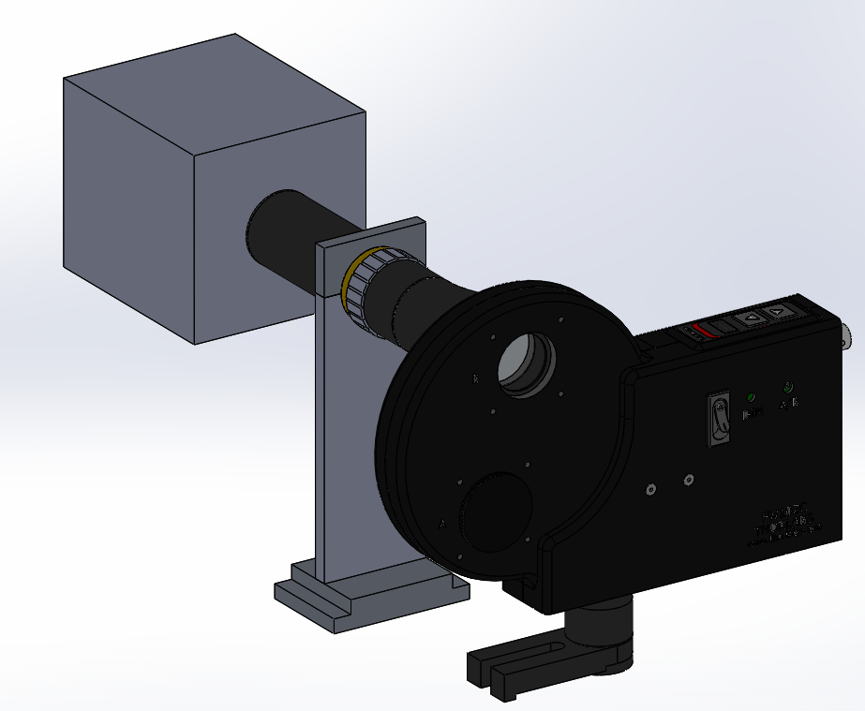
ESTIMATED TOTAL |  |  |  | TOTAL | £2,093.44
 |  |  | Focal scanning total |  | £2,947.69
 | Total price estimate correct as of 19/01/2024

CAMERA: Kikker 4612 MT | Cellcam Kikker with trigger box | Cairn Research Ltd | £3,975.00 | 1 | £3,975.00 | Updated by RD 17/01/24

