Feuil1
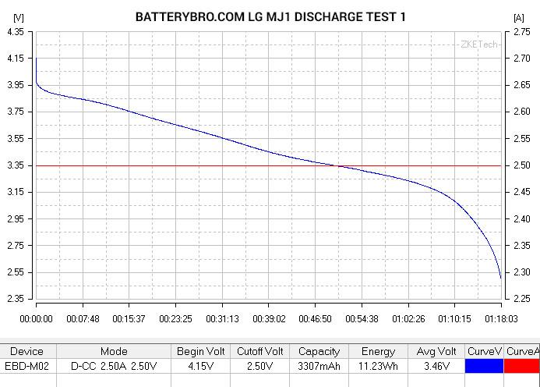
bat | cell | vol remain | percent | kms | kms max | 40
67.2 | 4.2 | 1.4 | 100.0 | 40.0 | nb cells | 16
65.6 | 4.1 | 1.3 | 92.9 | 37.1
64 | 4 | 1.2 | 85.7 | 34.3 | tension cut | 2.8
62.4 | 3.9 | 1.1 | 78.6 | 31.4
60.8 | 3.8 | 1.0 | 71.4 | 28.6
59.2 | 3.7 | 0.9 | 64.3 | 25.7 |  |  |  | real
57.6 | 3.6 | 0.8 | 57.1 | 22.9 |  |  | 0 | 4.00
56 | 3.5 | 0.7 | 50.0 | 20.0 |  |  | 1 | 3.88
54.4 | 3.4 | 0.6 | 42.9 | 17.1 |  |  | 2 | 3.84
52.8 | 3.3 | 0.5 | 35.7 | 14.3 |  |  | 3 | 3.80
51.2 | 3.2 | 0.4 | 28.6 | 11.4 |  |  | 4 | 3.75
49.6 | 3.1 | 0.3 | 21.4 | 8.6 |  |  | 5 | 3.70
48 | 3 | 0.2 | 14.3 | 5.7 |  |  | 6 | 3.65
46.4 | 2.9 | 0.1 | 7.1 | 2.9 |  |  | 7 | 3.60
44.8 | 2.8 | 0.0 | 0.0 | 0.0 |  |  | 8 | 3.55
43.2 | 2.7 | -0.1 | -7.1 | -2.9 |  |  | 9 | 3.50
 |  |  |  |  |  |  | 10 | 3.45
 |  |  |  |  |  |  | 11 | 3.42
 |  |  |  |  |  |  | 12 | 3.38
 |  |  |  |  |  |  | 13 | 3.35
 |  |  |  |  |  |  | 14 | 3.31
1 | 42.4
7 | 45
11 | 45.7
22 | 47.5
32 | 48.5
45 | 50
52 | 50.7
62 | 52
80 | 54.1
93 | 56.2
99 | 57.7
100 | 58.8
 |  |  |  |  |  |  | 15 | 3.27
 | percent | voltage |  |  |  |  | 16 | 3.23
 | 1 | 42.4 |  |  |  |  | 17 | 3.18
 | real
0 | 4.00
1 | 3.88
2 | 3.84
3 | 3.80
4 | 3.75
5 | 3.70
6 | 3.65
7 | 3.60
8 | 3.55
9 | 3.50
10 | 3.45
11 | 3.42
12 | 3.38
13 | 3.35
14 | 3.31
15 | 3.27
16 | 3.23
17 | 3.18
18 | 3.09
19 | 2.90
20 | 2.55
21
22
23
24
 | 7 | 45 |  |  |  |  | 18 | 3.09
 | 11 | 45.7 |  |  |  |  | 19 | 2.90
 | 22 | 47.5 |  |  |  |  | 20 | 2.55
 | 32 | 48.5 |  |  |  |  | 21
 | 45 | 50.0 |  |  |  |  | 22
 | 52 | 50.7 |  |  |  |  | 23
 | 62 | 52.0 |  |  |  |  | 24
 | 80 | 54.1
 | 93 | 56.2
 | 99 | 57.7
 | 100 | 58.8

