Sheet1
SL | Quantity | Part Number | Description | Unit Price in INR | Price in INR
1 | 50 | CC0402KRX5R6BB104 | CERAMIC CAPACITOR 0.1uF(100nF) 10V 10% X5R 0402 | 1.21 | 60.5 | 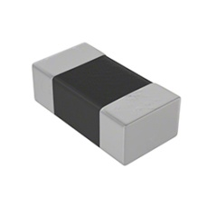
 |  |  | SK-CC0402KRX5R6BB104
2 | 50 | CC0402KRX7R7BB103 | CERAMIC CAPACITOR 0.01uF(10nF) 16V 10% X7R 0402 | 1.1 | 55
 |  |  | SK-CC0402KRX7R7BB103
3 | 20 | CC0805KKX7R7BB106 | CERAMIC CAPACITOR 10uF 16V X7R 0805 | 2.34 | 46.8 | 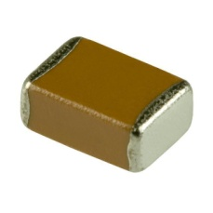
 |  |  | SK-CC0805KKX7R7BB106
4 | 20 | 04023U120GAT2A | CERAMIC CAPACITOR 12PF NPO 5% 25V 0402 | 1.1 | 22 | 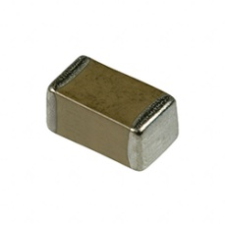
 |  |  | SK-04023U120GAT2A
5 | 20 | 04025A180JAT2A | CERAMIC CAPACITOR 18PF 50V 5% NP0 0402 | 1.95 | 39 | 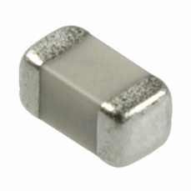
 |  |  | SK-04025A180JAT2A
6 | 46 | CC0805MKX5R8BB226 | CERAMIC CAPACITOR 22UF 25V 20% X5R 0805 | 4.88 | 224.48
 |  |  | SK-CC0805MKX5R8BB226
7 | 10 | CL21A476MQCLRNC | CERAMIC CAPACITOR 47UF 6.3V 20% X5R 0805 | 8.2 | 82 | 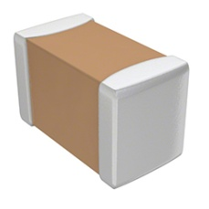
 |  |  | SK-CL21A476MQCLRNC
8 | 4 | 24MHz-KDS | CRYSTAL RESONATOR 24MHZ THROUGH HOLE | 5.81 | 23.24 | 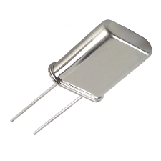
 |  |  | SK-24MHz-KDS
9 | 20 | 06033D105KAT2A | CERAMIC CAPACITOR 1uF 25V 10% X5R 0603 | 1.46 | 29.2
 |  |  | SK-06033D105KAT2A
10 | 30 | GRM155R61C105KE01D | CERAMIC CAPACITOR 1uF 16V 10% X5R 0402 | 1.38 | 41.4
 |  |  | SK-GRM155R61C105KE01D
11 | 11 | MMSZ5226B-7-F | ZENER DIODE 3.3V 500MW SOD123 | 3.91 | 43.01 | 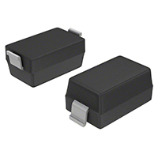
 |  |  | SK-MMSZ5226B-7-F
12 | 15 | MM3Z5V1T1G | ZENER DIODE 5.1V 200MW SOD323 | 5.86 | 87.9 | 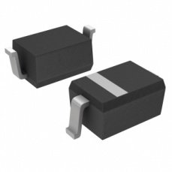
 |  |  | SK-MM3Z5V1T1G
13 | 1 | L7805CV | INTEGRATED CIRCUIT REGULATOR LDO 5V 1.5A TO220AB 7805 | 17.49 | 17.49 | 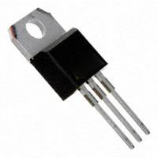
 |  |  | SK-L7805CV
14 | 6 | NLV32T-2R2J-PF | 2.2UH 1210 320mA WIRE WOUND CHIP INDUCTOR | 12.44 | 74.64
 |  |  | SK-NLV32T-2R2J-PF
15 | 3 | ISC1210EB220K | SHEILDED WIRE WOUND CHIP INDUCORS 22UH 1210 150mA | 16.59 | 49.77
 |  |  | SK-ISC1210EB220K
16 | 2 | NLV32T-150J-PF | 15UH 1210 130mA WIRE WOUND CHIP INDUCTOR | 12.44 | 24.88
 |  |  | SK-NLV32T-150J-PF
17 | 30 | ERJ-3EKF1001V | RESISTOR 1KOHM 1/10W 1% 0603 SMD | 0.18 | 5.4 | 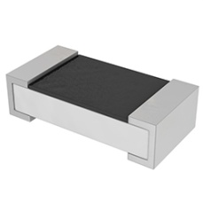
 |  |  | SK-ERJ-3EKF1001V
18 | 20 | RC0603FR-071K5L | RESISTOR 1.5KOHM 1/10W 1% 0603 SMD | 0.33 | 6.6
 |  |  | SK-RC0603FR-071K5L
19 | 13 | ERJ-3RSFR10V | RESISTOR 0.1OHM 1% 1/10W 0603 SMD | 2.05 | 26.65
 |  |  | SK-ERJ-3RSFR10V
20 | 20 | RC0402FR-071K5L | RESISTOR 1.5KOHM 1/16W 1% 0402 SMD | 0.44 | 8.8 | 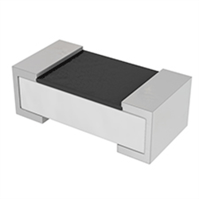
 |  |  | SK-RC0402FR-071K5L
21 | 20 | ERJ-2RKF1003X | RESISTOR 100K OHM 1% 1/10W 0402 SMD | 0.33 | 6.6
 |  |  | SK-ERJ-2RKF1003X
22 | 20 | RR0816P-103-D | RESISTOR 10KOHM 1/16W 5% 0603 SMD | 1.65 | 33
 |  |  | SK-RR0816P-103-D
23 | 20 | RC0603FR-07100KL | RESISTOR 100KOHM 1/10W 1% 0603 SMD | 0.33 | 6.6
 |  |  | SK-RC0603FR-07100KL
24 | 20 | CRCW040210K0FKED | RESISTOR 10KOHM 1% 0402 SMD | 0.44 | 8.8
 |  |  | SK-CRCW040210K0FKED
25 | 15 | RC0402FR-0747KL | RESISTOR 47KOHM 1% 1/16W 0402 SMD | 2.07 | 31.05
 |  |  | SK-RC0402FR-0747KL
26 | 20 | RC0603FR-0747KL | RESISTOR 47KOHM 1/10W 1% 0603 SMD | 0.33 | 6.6
 |  |  | SK-RC0603FR-0747KL
27 | 5 | YELLOW-LED-0805 | YELLOW LED 588NM SMD 0805 | 3.66 | 18.3 | 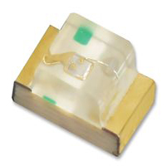
 |  |  | SK-YELLOW-LED-0805
28 | 5 | KP-2012EC | LED RED 0805 15MCD 625NM WATER CLEAR | 1.93 | 9.65
 |  |  | SK-KP-2012EC
29 | 5 | RED-DIFF-0603 | DIFFUSED LED RED 0603 SMD | 2.81 | 14.05 | 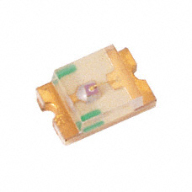
 |  |  | SK-RED-DIFF-0603
30 | 5 | LTST-C190GKT | CLEAR GREEN LED 0603 SMD | 1.9 | 9.5
 |  |  | SK-LTST-C190GKT
31 | 5 | 381-2-JUMPER-C | CONN JUMPER SHORTING CLOSE 02 PIN | 0.71 | 3.55 | 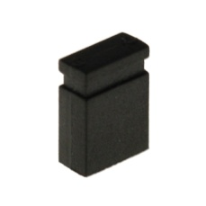
 |  |  | SK-381-2-JUMPER-C
32 | 10 | 415-2P-JUMPER-2.54MM-CLOSE | 415 SERIES 2PIN JUMPER 2.54MM CLOSE TYPE | 0.55 | 5.5
 |  |  | SK-415-2P-JUMPER-2.54MM-CLOSE
33 | 5 | B2B-PH-K-S-TYO | 2POSITION WIRE TO BOARD CONNECTOR HEADER SHROUDED 2MM THROUGH HOLE | 2.71 | 13.55
 |  |  | SK-B2B-PH-K-S-TYO
34 | 5 | 2510-5-2.54MM | CONNECTOR HEADER MTA & RECEPTABLE VERTICAL 5 POSITION 2.54MM | 3.66 | 18.3 | 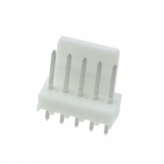
 |  |  | SK-2510-5-2.54MM
35 | 4 | MTA-2PIN-CONN-M/F | CONNECTOR HEADER & RECEPTABLE VERTICAL 2-POSITION TIN 3.96MM | 4.88 | 19.52 | 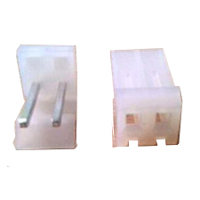
 |  |  | SK-MTA-2PIN-CONN-M/F
36 | 3 | 320-1X40-F-SOLDER | 320 SERIES FEMALE FLOW SOLDER 1X40 STRAIGHT | 26.24 | 78.72
 |  |  | SK-320-1X40-F-SOLDER
37 | 3 | 322-F-1X40-2.54MM-R/A | 322 SERIES FEMALE FLOW SOLDER 2.54MM 1 X 40 RIGHT ANGLE | 20.99 | 62.97 | 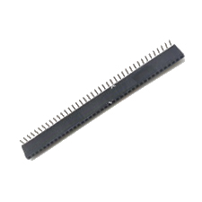
 |  |  | SK-322-F-1X40-2.54MM-R/A
38 | 2 | USB2.0-CONNECTORS-MALE | USB 2.0 A MALE STANDARD STRAIGHT | 19.24 | 38.48 | 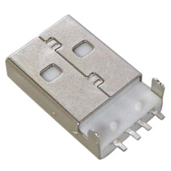
 |  |  | SK-USB2.0-CONNECTORS-MALE
39 | 2 | MICRO-USB/B-5F/SMD | MICRO USB FEMALE B-TYPE 5PIN SMD | 27.98 | 55.96 | 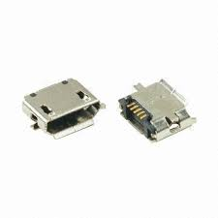
 |  |  | SK-MICRO-USB/B-5F/SMD
40 | 2 | USB2.0-CONNECTORS | USB 2.0 SERIES A RECEPTABLE, STANDARD RIGHT ANGLE MALE | 17.49 | 34.98
 |  |  | SK-USB2.0-CONNECTORS
41 | 2 | BAT74 | SCHOTTKY DIODE 30V 200MA SOT143B | 8.05 | 16.1 | 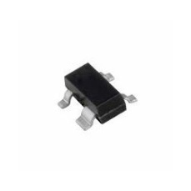
 |  |  | SK-BAT74
42 | 2 | ZHCS400TA | SCHOTTKY DIODE 40V 400MA SOD323 PACKAGE | 6.15 | 12.3 | 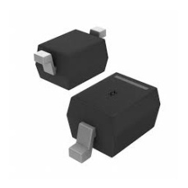
 |  |  | SK-ZHCS400TA
43 | 4 | BAT54W-7 | SCHOTTKY DIODE 30V 200MA SOT323 | 2.59 | 10.36 | 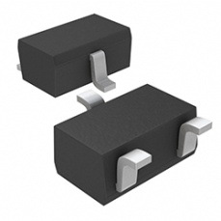
 |  |  | SK-BAT54W-7
44 | 4 | SS24S-E3/61T | SCHOTTKY DIODE 40V 2A DO214AC | 9.03 | 36.12 | 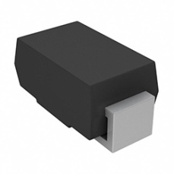
 |  |  | SK-SS24S-E3/61T
45 | 30 | RC0402FR-071KL | RESISTOR 1KOHM 1/16W 1% 0402 SMD | 0.55 | 16.5
 |  |  | SK-RC0402FR-071KL
46 | 2 | 32.768KHz/KDS | CRYSTAL 32.7680KHZ 12.5PF Through hole | 14.52 | 29.04 | 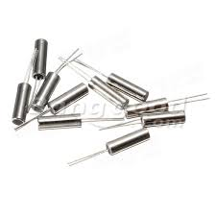
 |  |  | SK-32.768KHz/KDS
47 | 2 | 32.768KHz-DT-38 | TUNING FORK CRYSTAL RESONATOR 32.767KHZ DT-38 (ECS-.327-8-14X) | 7.32 | 14.64 | 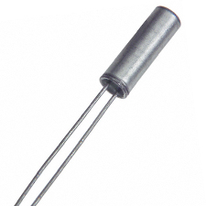
 |  |  | SK-32.768KHz-DT-38
48 | 5 | 12065A8R2CAT2A | CERAMIC CAPACITOR 8.2PF 50V NP0 1206 | 2 | 10 | 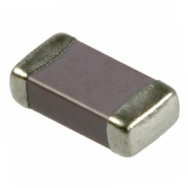
 |  |  | SK-12065A8R2CAT2A
49 | 1 | 7447709150 | INDUCTOR POWER 15UH 6.5A SMD | 106.84 | 106.84 | 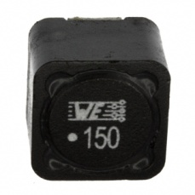
 |  |  | SK-7447709150
50 | 20 | C1608X5R1C106M080AB | CERAMIC CAPACITOR 10UF 16V 20% X5R 0603 | 3.12 | 62.4 | 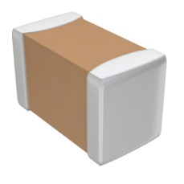
 |  |  | SK-C1608X5R1C106M080AB
51 | 1 | EVM-3YSX50B53 | TRIMMER 5K OHM 0.15W SMD | 18.36 | 18.36 | 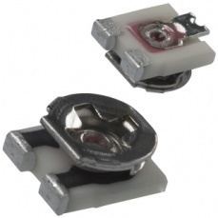
 |  |  | SK-EVM-3YSX50B53
52 | 2 | 3296-POT-10K | TRIMMER POTENTIOMETER 10K OHM | 14.52 | 29.04 | 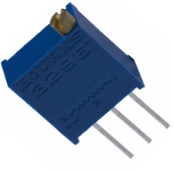
 |  |  | SK-3296-POT-10K
53 | 1 | 3296-POT-100K | TRIMMER POTENTIOMETER 100K OHM | 12.44 | 12.44
 |  |  | SK-3296-POT-100K
54 | 30 | RC0603FR-07100RL | RESISTOR 100OHM 1/10W 1% 0603 SMD | 0.88 | 26.4
 |  |  | SK-RC0603FR-07100RL
55 | 20 | RC0402JR-07470RL | RESISTOR 470 OHM 5% 1/16W 0402 SMD | 0.22 | 4.4 | 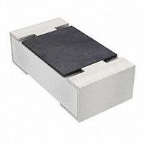
 |  |  | SK-RC0402JR-07470RL
56 | 20 | RC0603FR-07470RL | RESISTOR 470OHM 1/10W 1% 0603 SMD | 0.33 | 6.6
 |  |  | SK-RC0603FR-07470RL
57 | 20 | RC0402FR-07470KL | RESISTOR 470KOHM 1/16W 1% 0402 SMD | 0.44 | 8.8
 |  |  | SK-RC0402FR-07470KL
58 | 20 | RC0603FR-07470KL | RESISTOR 470KOHM 1/10W 1% 0603 SMD | 0.33 | 6.6
 |  |  | SK-RC0603FR-07470KL
59 | 20 | RC0603FR-07220KL | RESISTOR 220KOHM 1/10W 1% 0603 SMD | 0.33 | 6.6
 |  |  | SK-RC0603FR-07220KL
60 | 15 | RC0402JR-0747RL | RESISTOR 47OHM 1/16W 5% 0402 SMD | 0.33 | 4.95
 |  |  | SK-RC0402JR-0747RL
61 | 10 | CRCW060347R0FKEA | RESISTOR 47OHM 1/10W 1% 0603 SMD | 1.65 | 16.5
 |  |  | SK-CRCW060347R0FKEA
62 | 20 | RCS04024K70JNED | RESISTOR 4.7K OHM 5% 1/5W 0402 SMD | 0.51 | 10.2
 |  |  | SK-RCS04024K70JNED
63 | 20 | CRCW06034K70FKEA | RESISTOR 4.7KOHM 1/10W 1% 0603 SMD | 1.65 | 33
 |  |  | SK-CRCW06034K70FKEA
64 | 20 | RC0402FR-07330RL | RESISTOR SMD 330OHM 1% 1/16W 0402 | 0.55 | 11
 |  |  | SK-RC0402FR-07330RL
65 | 15 | RC0603FR-07330RL | RESISTOR 330OHM 1/10W 1% 0603 SMD | 0.33 | 4.95
 |  |  | SK-RC0603FR-07330RL
66 | 15 | 04025A150JAT2A | CERAMIC CAPACITOR 15PF 50V 5% NP0 0402 | 1.54 | 23.1
 |  |  | SK-04025A150JAT2A
67 | 15 | GRM219R61C475KE15D | CERAMIC CAPACITOR 4.7UF 16V X5R 0805 | 1.76 | 26.4 | 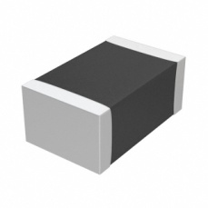
 |  |  | SK-GRM219R61C475KE15D
68 | 15 | C1608X5R1C475K080AC | CERAMIC CAPACITOR 4.7UF 16V 10% X5R 0603 | 3.12 | 46.8
 |  |  | SK-C1608X5R1C475K080AC
69 | 2 | DC-JACK | DC POWER JACK CONNECTOR [ 5.5/3.5 Dia] | 10.37 | 20.74 | 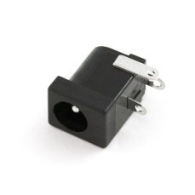
 |  |  | SK-DC-JACK
70 | 5 | 1505-3PIN-DT127 | 1505 SERIES TERMINAL BLOCK STACKABLE PBT 03 PIN | 11.6 | 58 | 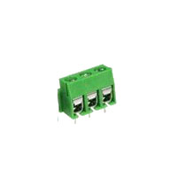
 |  |  | SK-1505-3PIN-DT127
71 | 2 | 10118194-0001LF | MICRO USB CONNECTOR B TYPE RECEPTACLE SMT R/A | 63.84 | 127.68
 |  |  | SK-10118194-0001LF
72 | 5 | BB-535-E7904 | VARIABLE CAPACITENCE DIODE 30V 20MA SOD-323 | 26.24 | 131.2 | 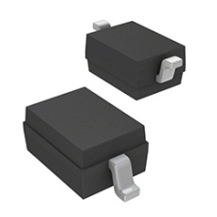
 |  |  | SK-BB-535-E7904
73 | 2 | ECRJA050G14X | 8.5PF ~ 50PF TRIMMER VARIABLE CAPACITOR | 35.14 | 70.28 | 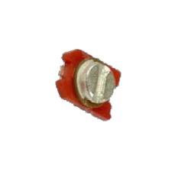
 |  |  | SK-ECRJA050G14X
74 | 4 | 708-JST-XH-2.5MM-2P-M/F | 708 SERIES XH 2.5MM 2 PIN MALE & FEMALE WITH WIRE | 6.1 | 24.4 | 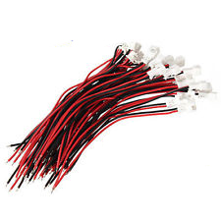
 |  |  | SK-708-JST-XH-2.5MM-2P-M/F
75 | 2 | 708-JST-XH-2.5MM-3P-M/F | 708 SERIES XH 2.5MM 3 PIN MALE & FEMALE WITH WIRE | 9.77 | 19.54 | 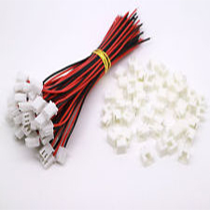
 |  |  | SK-708-JST-XH-2.5MM-3P-M/F
76 | 4 | 708-JST-XH-2.5MM-5P-M/F | 708 SERIES XH 2.5MM 05 PIN MALE & FEMALE WITH WIRE | 11.6 | 46.4 | 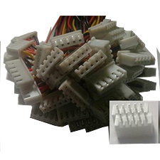
 |  |  | SK-708-JST-XH-2.5MM-5P-M/F
 |  |  |  | Shipment Charge | 0

 | Total : 2553.12
 | [Including Shipment Charge]

