Notes
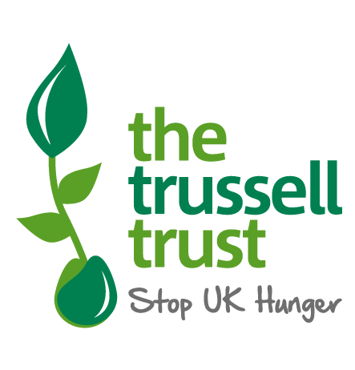

Statistical enquiries: Thomas.Weekes@TrussellTrust.org
Media enquiries: press@TrussellTrust.org

These tables include information on the number of emergency food parcels that were distributed to people across the United Kingdom between the 1 April and 31 March for 2014/15, 2015/16, 2016/17, 2017/18, 2019/20, 2020/21, and 2021/22.
These statistics are a measure of volume rather than unique users. The data is collected using an online system into which food banks enter data from each food bank voucher, and the number of emergency food parcels is recorded.
Trussell Trust figures cannot be used to fully explain the scale of food bank use across the UK, because our figures relate to food banks in our network and not to the hundreds of independent food banks.
Data is presented as a cumulative total of all parcels distributed throughout the year.
428 food banks operated in the Trussell Trust network in 2021/22. Many of these food banks distribute food parcels out of several locations. These sub-locations are described as distribution centres in this release. The data provided here details how many distribution centres are operated in each area.
Distribution centres are included when they have provided any parcels in the stated period. This does not mean that they were open for the complete period.
Parcels refer to the number of emergency food parcels distributed by food banks. These can either provide three-days or seven-days’ worth of supplies. No equivalisation has taken place to scale seven-day parcels down to three.
Where there were no distribution centres open in a local authority area in a given period that is indicated by a -.
Comparisons in the growth in food parcel distribution between areas should be made with caution. There are many different factors that may influence the number of parcels distributed within a local area. E.g. prevalance of other food banks, changes to the unemployment rates, food banks opening or closing distribution centres.
Food parcels are linked to the local authority based on where the distribution centre is based, rather than where the person needing support is living. I.e. if a person living in Bromley receives a parcel from a food bank in Lambeth the parcel is recorded in these statistics under Lambeth.
Data in each release is provisional and subject to revision in future releases. Food banks may add new cases late or revise previous data submissions where mistakes have been spotted.
Due to the significant levels of need many food banks have experienced in the last six months, it has not been possible for all food banks to input their data in time for this statistical release. In some areas, therefore, the number of emergency food parcels distributed is not up to date and if there are significant drops in the number of parcels in a certain area, this needs to be interpreted with caution.
Where revisions to earlier data are made, these will be incorporated into the dataset in the next release.
Data is accurate as of 13th April 2022.
More information on the data is provided in our data briefing found on our end of year statistics page.

