Notes
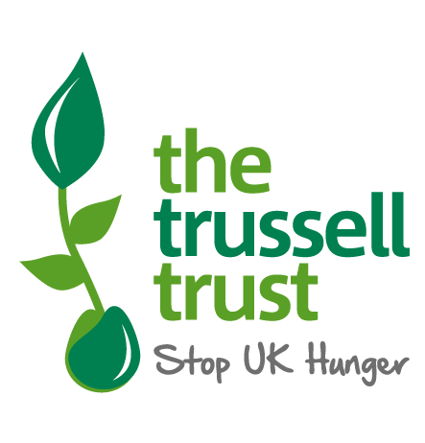
https://www.trusselltrust.org/wp-content/uploads/sites/2/2021/11/Trussell-Trust-2021-Mid-year-statistics.xlsx

These tables include information on the number of emergency food parcels that were distributed to people across the United Kingdom between the 1 April and 30 September in 2021, 2020, 2019 and 2016 respectively.
These statistics are a measure of volume rather than unique users. The data is collected using an online system into which food banks enter data from each food bank voucher, and the number of emergency food parcels is recorded.
Trussell Trust figures cannot be used to fully explain the scale of food bank use across the UK, because our figures relate to food banks in our network and not to the hundreds of independent food banks.
Data is presented as a cumulative total of all parcels distributed throughout the mid-year period.
Over 420 food banks operating in the Trussell Trust network distributed food parcels in the mid-year period of 2021. Many of these food banks distribute food parcels out of several locations. These sub-locations are described as distribution centres in this release. The data provided here details how many distribution centres are operated in each area.
Distribution centres are included when they have provided any parcels for the stated period. This does not mean that they were open for the complete period.
Parcels refer to the number of emergency food parcels distributed by food banks. These can either provide three-days or seven-days’ worth of supplies. No equivalisation has taken place to scale seven-day parcels down to three.
Where there were no distribution centres open in a local authority area in a particular year that is indicated by a -.
Comparisons in the growth in food parcel distribution between areas should be made with caution. Please view the data briefing published alongside this release.
Food parcels are linked to the local authority based on where the distribution centre is based, rather than where the person needing support is living. I.e. if a person living in Bromley receives a parcel from a food bank in Lambeth the parcel is recorded in these statistics under Lambeth.
Data in each release is provisional and subject to revision in future releases. Food banks may add new cases late or revise previous data submissions where mistakes have been spotted.
Where revisions to earlier data are made, these will be incorporated into the dataset in the next release.
Data is accurate as of 20th October 2021.
More information on data quality and limitations can be found in the written statistical release and technical notes: Insert link to data briefing
Statistical enquiries: Thomas.Weekes@TrussellTrust.org
Media enquiries: press@TrussellTrust.org

Total_Sco
 | 1st April 2016 - 30th September 2016 | 1st April 2019 - 30th September 2019 | 1st April 2020 - 30th September 2020 | 1st April 2021 - 30th September 2021
 | Total number of parcels distributed | Total number of parcels distributed | Total number of parcels distributed | Total Distributed Parcels
Scotland | 65599 | 112158 | 113035 | 84555
Trussell Trust Mid Year Statistics - Scotland

