Q1 Graphical
Question 1 - Feasible region and nonunique optimal segment

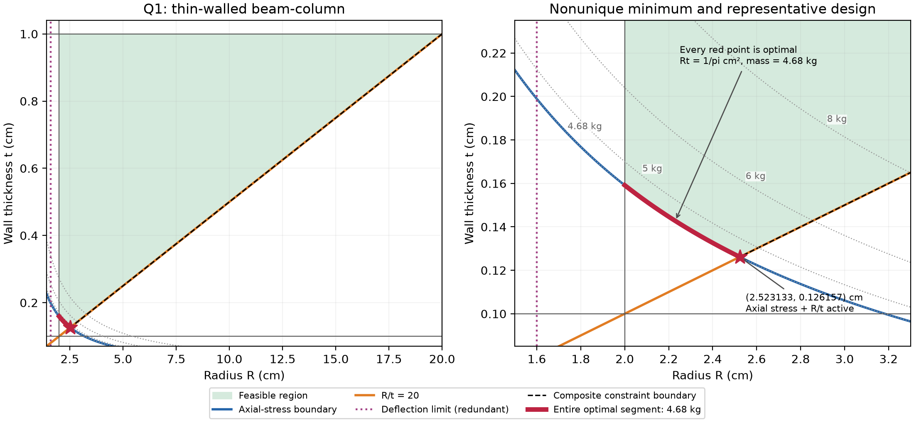

Every red point has mass 4.68 kg. The star marks axial stress = allowable and R/t = 20.

Q2 Graphical
Question 2 - Feasible region and global optimum

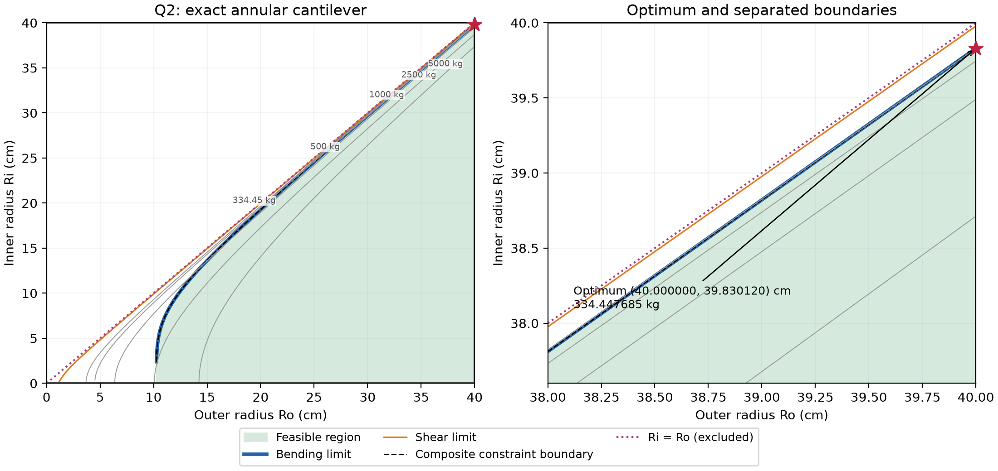

Bending controls the composite boundary; shear is redundant for bending-feasible designs.

Q3 Graphical
Question 3 - Feasible region and governing boundary

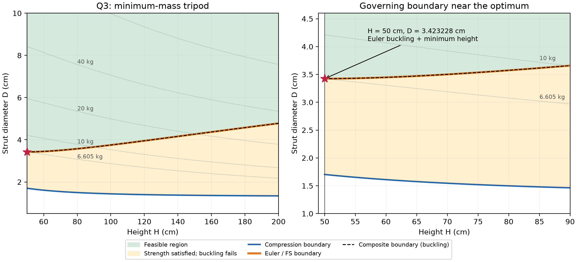

Buckling controls throughout 50 <= H <= 200 cm. Amber area passes strength but fails buckling.

