Audit Workflow
CHANGELOG
Change Log (only QC makes changes to the doc after initial version approved)
Date | Time | Summary of Changes | QC Approval (OA or DRI) | PT Approval (EM or STO) | Requires MLDG Input? | MLDG Approved by (Signoff Change)
2026-09-27 | 3:00 PM CT | Summary - Overhaul for v2 (Geo Games) - Removed references to outdated sections - Golden Solution replaced in favor of Oracle Events SLA - Removed "Trajectory - Tool Call Count" - Removed "Hint - Requiredness" - Removed "Reference Trajectory Obtained with Correct Model" - Removed "Hinted Rubric Verifier Run" - Updated "Prompt - Contrived / Unnatural Prompts" - Added additional guidance in description - Updated "Rubrics - Rubric Category Balance" - Removed [Fail - Process-Heavy] - Updated "Trajectory - Task Type & Horizon" - Added rules on how to determine tool call count - Removed references to hinted trajectories - Revised task type thresholds (removed "Super Long Horizon") and error option language to match - Updated description re: what this dimension applies to - Updated "Trajectory - Failure Signature Concentration" - Changed failing threshold from <3 to <2 - Added additional example - Updated "Trajectory - Agent Failure Rate (pass@1)" - Updated description re: what this dimension applies to - Updated "Trajectory - Average Weighted Rubric Pass Rate" - Updated description re: what this dimension applies to - Replaced "Golden Solution - Completeness" with "Oracle Events - Completeness" - Replaced "Golden Solution - Accuracy" with "Oracle Events - Accuracy" Audit Workflow - Removed references to Hints and hinted trajectories - Revised Golden Solution step to revolve around Oracle Events Appendix - Criteria Error & Weight Definitions - Added "Minor Issues - Agent-centric Format" | Christopher Baek | Evan Honggo Widjojo
2026-09-23 | 8:30 AM PST | Summary: Removed rubric that is no longer asked of the CBs or necessary for delivery SLA: REMOVED: - Hint Cleanup / Scrub [Thread] | Neguib Metri Guevara | Evan Honggo Widjojo
2026-09-19 | 2:07 PM CT | Summary - It is now allowable for CBs to use Claude Opus (rather than exclusively Kimi-K3) for the hinted/reference trajectories. SLA - Reference Trajectory Obtained with Correct Model (renamed from "Reference Trajectory Obtained with Kimi-K3 Only") - Updated dimension to also allow for Claude Opus as a "correct model" Audit Workflow - Updated Step 10 to allow for Claude Opus (in addition to Kimi-K3) | Christopher Baek | Evan Honggo Widjojo
2026-09-19 | 10:42 AM CT | SLA - Prompt - Alignment with Today’s Date - [TEMPORARY] Changed "Fail" to "Non-Fail" | Christopher Baek | Evan Honggo Widjojo
2026-09-18 | 2:13 PM CT | Summary: Prompt - Task Type & Horizon is now Trajectory - Task Type & Horizon & checks average observed tool call count instead of minimum necessary tool call count for the unhinted trajectories only. SLA: - Trajectory - Task Type & Horizon (previously Prompt - Task Type & Horizon) - Added note: Applies to: First (non-hinted) trajectories - the task runner with: "Grade your rubrics against the unhinted baseline trajectory. This is the difficulty signal." above it. - Revised existing note to reference average tool call count rather than minimum necessary tool call count: **The average tool-call volume of the unhinted trajectories** must match the assigned tier: Normal 50+, Long-Horizon 100+, Super-Long-Horizon 500+. Volume must come from necessary work, not padding; blocked/repeated calls don't count. - Revised errors to match: - [Fail - Wrong Horizon] **The average number of tool calls in the unhinted trajectories** is under the assigned tier, i.e. the count is padded/inflated. - [Non-Fail - Borderline Horizon] **The average number of tool calls in the unhinted trajectories** is over the assigned tier, i.e. the count is underestimated and a higher tier would apply. - [Perfect/5] **The average number of tool calls in the unhinted trajectories** matches the assigned task-type tier. [Thread] | Ahsan Mashruf | Evan Honggo Widjojo | No
2026-09-17 | 6:02 PM CT | Search 09/17: Summary: Oracle events are deprecated and have been replaced with a golden solution. A section with a hinted (and then cleaned/rewritten) trajectory will be present if none of the non-hinted runs get 100% on the rubric. Audit Workflow: - Added new workflow steps/notes to existing steps for taxonomy changes: - New Step - Step 2 - Task Type assignments - Step 5 - View The Agent Trajectories - Note on locating correct trajectories. - New Step - Step 6 - Viewing the Hint - New Step - Step 7 - Golden Solution (replaces OE step) - Step 9 - Valid Failures - Added note on locating correct evaluations - New Step - Step 10 - Silver Trajectory - New Step - Step 11 - Cleaned Trajectory - Deprecated information for universes no longer in use. SLA: New Dimensions: - New dimension - Prompt - Competency - [Non-Fail - Competency Mismatch] Ambiguous between the assigned competency and another. - New dimension - Prompt - Task Skill - [Non-Fail - Task Skill Weak] The assigned task skill is not clearly represented. Or the assigned skill present but only marginally exercised. - New dimension - Prompt - Task Type & Horizon - [Fail - Wrong Horizon] Necessary volume clearly under/over the assigned tier, or the count is padded/inflated. - [Non-Fail - Borderline Horizon] Slightly below/above the tier band. - New dimension - Golden Solution - Completeness - [Non-Fail - Incomplete Golden Solution] Missing critical steps (how key info is retrieved or how a required action is executed). - New dimension - Golden Solution - Accuracy - [Non-Fail - Minor Golden Solution Inaccuracies] Substantially correct with minor imprecisions that don't change the outcome. - New dimension - Trajectory - Average Weighted Rubric Pass Rate - [Fail - Avg Pass Rate Too High] Average weighted rubric pass rate is >=75%. - New dimension - Trajectory - Failure Signature Concentration - [Fail - Too Few Signatures] Fewer than 3 distinct failure signatures across failing rollouts | Ahsan Mashruf | Evan Honggo Widjojo | Yes | Kelvin Luu (Slack)
2026-08-19 | 6:54 PM CT | Summary: Narrowed prompt ambiguity/ugt errors to allow prompts which appear underspecified/ambiguous but can be disambiguated by environment elements. Added Rubrics - Criteria Weights dimension to assess criteria weight assignments. SLA Rubric: - New dimension: Rubrics - Criteria Weights - Desc: "Weights are assigned based on how difficult it would be for a model to satisfy the criterion (using a 1, 3, or 5). Weight definitions: 1 (Low) - Direct lookup or literal verification from a single source. One mechanical outcome. 3 (Medium) - Interpretation, calculation, comparison, or limited reconciliation. One reasoned outcome 5 (High) - Multi-source reconciliation, deeper reasoning, cross-modal evidence, or tracing. One complex outcome. See Appendix - Criteria Error Definitions in spec for examples" - [Fail - Major Criteria Weight Disagreement] "15% or more of the criteria weights are off by two levels (1 vs 5 or vice versa) OR 30% or more of the criteria weights are off by one level (1 vs 3, 3 vs 5, etc.)" - [Non-Fail - Minor Criteria Weight Disagreement] "Less than 15% of the criteria weights are off by two levels (1 vs 5 or vice versa) OR Less than 30% of the criteria weights are off by one level (1 vs 3, 3 vs 5, etc.)" - [Perfect/5] "All the criteria are weighted correctly." - Prompt - Unique Ground Truth (UGT) - Added condition to [Fail - Multiple Valid Answers]: "...and the ambiguity cannot be resolved by referencing the environment for additional context (e.g., a documented convention exists clarifying an unclear instruction)." - Prompt - Prompt Clarity and Specificity - Added condition to [Fail - Major Clarity / Specificity Issues] (both selections): "...and the ambiguity cannot be resolved by referencing the environment for additional context (e.g., a documented convention exists clarifying an unclear instruction)." - Added condition to [Fail - Action Decision Ambiguity]: "...and the ambiguity cannot be resolved by | Ahsan Mashruf | Evan Honggo Widjojo | Yes | Minglai Yang (slack)
8/5/2026 | 7:22 PM CT | Search 08/05: Summary: New dimension Universe – Internal Data Consistency which fully encompasses the previous Universe - Cross-service Coherence dimension and parts (the universe assessment part) of the Prompt and Universe - Alignment with Today’s Date dimension. Please note that universe inconsistencies no longer require causing an agent failure to be valid. SLA Rubric: - New dimension: Universe – Internal Data Consistency - Desc: See spec - Examples & Notes tab for full description - Errors: - [Fail – Temporal Field Inconsistency] — One or more date-bearing fields within an artifact contradict each other or "today's" date (e.g., description/memo period does not match TxnDate; a booking assesses a charge for a future period). • The fixed date for the v2.1 universe is Apr 26, 2026 • The fixed date for the v2.2 universe is Apr 28, 2026 • The fixed date for the v3 universe is Jun 12, 2026 • The fixed date for the v4 universe is July 01, 2026 (2) - [Fail – Semantic / Category Inconsistency] — A categorical or descriptive field does not match the underlying work/entity, the same real-world charge/entity is categorized inconsistently across artifacts, or names overlap in a way that creates ambiguity. (2) - [Fail – Cross-service Referential Inconsistency] — The same entity/fact is represented inconsistently across services, or a reference does not resolve (e.g., a name keyed differently in email vs CRM; an entity referenced in one service but absent in another when required; a broken/dangling foreign key). (2) - [Fail – Quantitative / Reconciliation Inconsistency] — Numeric fields do not reconcile (e.g., line items do not sum to the stated total; balances or aggregate figures do not match the underlying transactions/records). (2) - [Fail – State / Lifecycle Inconsistency] — A status/lifecycle field contradicts the record's activity or related records (e.g., a ticket marked "Closed" with later activity; a lease marked "Terminated"
8/3/2026 | 7:07 PM CT | Search 08/03: Summary: Agents are now constrained on what they can read in the universe based on the access level of the assigned persona for some services. See audit workflow step 2 and/or the prompt feasibility dimension notes in-audit for details. SLA Rubric: - Prompt - Feasibility - Added note: - The project now has a Persona ACL (Access control list). For some services, the agent can ONLY access records that are owned by, shared with, or otherwise visible to the assigned persona. Note that the universe explorer by default shows ALL records (even those that shouldn't be seen by the current persona) - make your determination of whether the current user has access to a particular record by examining its details based on the service in question (e.g., for an email, see if they're the sender, recipient, or cc'd, for slack, see if they're in the channel in question, and so on). Reads are persona-scoped in 7 services - Gmail, Slack, GCal, and the Drive-family (GDrive/GDocs/GSheets/GSlides, which inherit Drive's file ACL). The agent only sees records owned by / shared with / visible to that persona. Reads are unscoped in the other 6 - Contacts, GitHub, Snowflake, Trello, Linear, Confluence (shared across personas). Write actions are not blocked by ACL at all. - Updated [Fail - Prompt Feasibility with Tools] (Additions in bold): Prompt contains an impractical or impossible request that can't be answered by the tools available or enabled for the task. This includes when prompt requests would require an agent to read an element not available to the assigned persona due to access control restrictions. See the notes for this dimension for which services are subject to access control restrictions. Audit Workflow: - Step 2 - Prompt - Added above feasibility note to prompt step in workflow. |  |  | Yes | Minglai Yang (slack)
7/28/2026 | 4:45 PM CT | Search 07/28: Summary: Two new dimensions: Rubrics – Negative Criteria, Oracle Events – Negative Events. Added notes for UGT regarding conflicting information. Updated universe "today" date. SLA Rubric: - New dimension: Rubrics – Negative Criteria - Description/Notes: Check that rubrics are affirmatively framed unless the prompt explicitly requires a prohibition or non-action. Bad example: “The Agent does not omit the ENG-1797 link.” Negative indicators to review: “does not,” “must not,” “never,” “no,” “without,” “fails to,” and “avoids.” - [Fail - Criteria Framing]: One or more rubric criteria that do not correspond to an explicit "non-action"/"prohibition"-type prompt instruction (i.e., a negative instruction or constraint) is not framed affirmatively. - [Perfect]: All rubric criteria corresponding to prompt instructions that aren't of the "non-action"/"prohibition"-type (i.e., a negative instruction or constraint) are framed affirmatively. - New (purely non-failing) dimension: Oracle Events – Negative Events - Description/Notes: Check that Oracle Events describe observable actions or discoveries. Non-actions should not be represented as events. Bad example: “The Agent does not change the ticket status.” Negative indicators to review: “does not,” “must not,” “never,” “no action,” and “refrains from.” - [Non-Fail - OE Framing]: One or more Oracle Events describes a non-action rather than an observable event/discovery. - [Perfect]: No Oracle Events describe a non-action rather than an observable event/discovery - Prompt - Unique Ground Truth (UGT) - Added notes: - Note: Conflicting information related to a prompt request does not necessarily mean that [Multiple Valid Answers] applies. If one source is clearly more authoritative or up to date, it should be considered the fixed choice for consideration/inclusion in the answer. If both sources are equally credible and nothing resolves the conflict, then it should fail for [Multiple Valid An
7/23/2026 | 2:24 PM CT | Search 07/23: Summary: Added new criteria moderate error: Vague Exemplar Language, updated "today's date" definition, added exception for non-failing missing process criteria error. Added new notes to Missing Criteria (spot-checking) and atomicity (quantifier-based bundling). SLA Rubric: - Rubrics - Process Criteria - Added note to non-failing error: [Non-Fail - Missing Process Rubric] - "Note: Only count a process criteria as missing when the prompt contains a sequential or causal dependency related to it (staged steps, an earlier step gating a later one, etc.)." - Prompt and Universe - Alignment with Today’s Date - Removed old universe version dates (note was for the parent project) - Added updated "Today's date" for this project: "The universe now has a fixed date for “today”: July 2, 2026" Appendix - Criteria Error Definitions: - Missing Criteria - Outcome - Added note on spot-checking: - "Note: Contributors are allowed to spot-check elements if necessary: For large audit tables, use overall total checks plus spot checks instead of one rubric per row. There is no specific requirement for a minimum number of spot-checking criteria when a response element is being spot-checked. Example: For a 166-PR audit, check the 166-row total and spot-check selected PRs. Do not create 166 rubrics for each field." - Criteria Not Atomic - Added note: - "Note: Check that each rubric criterion tests a single, atomic condition rather than bundling multiple checks into one (outside of the exceptions outlined above). This includes avoiding quantifier-based bundling like "at least N," but also any other compound phrasing that packs multiple pass/fail conditions into a single criterion." - New Criteria Error: Vague Exemplar Language (Moderate) - Definition: Count each rubric that includes "such as," "e.g.," or "for example," as one moderate error. Criteria should instead state directly what is ac
Changes below record updates to the original project - MCP Advanced
7/18/2026 | 1:41 PM CT | Search 07/18 Audit Workflow - Added note on how to more easily explore the "HarmonyGames" database (using a download link)
7/16/2026 | 2:19 PM CT | Search 07/16: Summary: Updated criteria correctness definitions to align with our understanding that OEs may be inaccurate/misaligned, added notes to the same effect. Overly specific/Overly broad criteria errors are swapping severities (minor -> moderate and moderate -> minor resp). Added new query for new base universe (StarPM) Audit Workflow: - Step 5 - OEs - Added note: The OEs indicate how the cb interprets the prompt. Importantly, this interpretation may be inaccurate or misaligned with the actual prompt/information present in the universe, and should not be treated as ground truth. Furthermore, they cannot be used to clarify ambiguities in the prompt -- that is, while they can serve as context on the cb's interpretation of the prompt in relation to their rubric writing approach and/or serve as a starting point for where to look in the universe, the prompt itself should remain clear independently of the OEs, and auditor exploration of the universe should go beyond only covering facts mentioned in OEs. Appendix - Rubric Criteria Error Definitions: - Incorrect Criteria: - Removed references to oracle events as an SOT: - Definition: Changed to "A rubric criterion checks for behavior that does not align with the prompt requirements or valid logic." - Removed ", Oracle Events, " from the list of items to check against. - Notes: "Auditor source of truth: Use the universe data as the source of truth. Universe data should be treated as static for evaluation purposes." - Removed "/ Oracle events" from list of things considered ground truth. - Criteria Not Atomic: - Added example: - Consider a prompt which needs the same email sent to X different people: - Valid bundling: Covering the content of this email may be bundled as deficiencies in exploration/approach will reflect themselves in the contents of all emails, e.g.: "The email to A, B, and C raises the Y issue mentioned in slac
7/8/2026 | 2:09 PM CT | Search 07/08: Summary: 2 approaches have been added to the workflow & appendix (Appendix - Universe Data Queries) for downloading universe data. Audit Workflow: - Added step 3a: Downloading universe data. Appendix: - Added new appendix - Appendix - Universe Data Queries for querying all data from the various base universes (via the universe explorer)
6/30/2026 | 1:45 PM CT | - Fixed the failing entry for "Rubrics - Overall Rubric quality" - re-added [Fail - 10%+ major Rubric Errors] to SLA selection box
6/29/2026 | 1:40 PM CT | Search 06/29 Audit Workflow - Added note: Be very cautious when interacting with the integrated chatbot as it is NOT read-only—it may make inadvertent changes to the Database.
6/10/2026 | 7:00 AM PST | Notes For prompt truthfulness added, outlining some major vs minor errors
6/9/2026 | 6:55 PM CT | Search 06/09: Added: Example to Unique Ground Truth & Prompt Clarity dimensions [Fail - Action Decision Ambiguity] to Prompt clarity dimension - flags prompts that allow for interpretation differences leading to distinct write actions/external side effects. Changed: [Non-Fail Minor Clarity / Specificity Issues] reframed in terms of write actions/side effects. Removed: [Non-Fail - Multiple Valid Answers] - Multiple valid answers, even in the case of a leading interpretation/clarifying assumption which can be made to reduce the answer space are now failing.
6/9/2026 | 12:47 PM CT | Search 06/09: Added: Rubrics - Agent Centric Phrasing dimension New non-failing error: [Non-Fail - Rubric is agent-centric but does not follow the pattern] Note added to failing error clarifying the distinction between the failing/non-failing error.
6/3/2026 | 5:10 PM CT | Search 06/03 Added: New “Persona” and “Business Functions” for v3 tasks Non-Failing category for “Rubrics - Process Rubrics” New cut-off date for v3 universes as June 12, 2026 Updated: Definition of a “process rubric”: Process rubrics should only exist for gaps no Outcome can cover (e.g., ordering between actions, outcome rubric can't be made stricter, etc.). Step 5 of the auditor workflow (“Evaluate Oracle Events”) “Rubrics - Rubric Category Balance” Appendix entry for “Moderate Issues - Incorrectly Labeled Category” “Rubrics - Process Rubrics” dimension rework
5/22/2026 | 7:05 PM CT | Search 05/22 Query Construction/Tool Selection criteria are no longer included in this project – rubric criteria can now be either Outcome (inclusion is mandatory) or Process (optional, only if necessary). Added: New subdimensions for the Rubrics dimension: Process Rubrics Verifies that process rubrics adhere to the 3 mandatory criteria for process criteria inclusion. Agent Centric Phrasing Verifies all criteria are phrased as “Agent” + action + context Removed: All mentions/examples involving query construction/tool selection criteria Examples mentioning tool names explicitly Rubric Category Balance Removed [Non-Fail - Outcome-Light]
5/6/2026 | 7:00 PM CT | Search 05/06 Updated the “Universe > Cross-service Coherence” dimension [Fail - Incoherent Universe Changes] Universe edits create contradictions that break solvability or realism AND it causes an agent failure. Added: Note: This only applies to inconsistencies within the date range that cause a model failure. Issues after the cut-off date need not be flagged.
5/5/2026 | 9:10 PM CT | Search 05/05 Alignment with Today’s Date -> [Fail - Universe Misaligned with Today] Updated the text to show that the "it caused an agent failure" clause applies to both default Universe data AND user added data. Slightly modified text and added a bookmark Rubric Quality Definitions -> Missing Criteria — Outcome Added a note to explain how to handle Missing Criteria that depends on info that takes place after the cutoff.
5/5/2026 | 4:25 PM CT | Search 05/05 Audit Workflow Removed references to “Enhanced Universe” and added note Scenario Generation is no longer relevant, so all changes are introduced via SQL queries and Agent Chat (and represented in the Changelog) Added note regarding Changelog—this is sometimes not represented in the 1st/3rd Universe(s), but it should be contained in the 2nd Universe “Prompt > Unique Ground Truth” Added note about being more vigilant in checking this dimension
5/2/2026 | 6:10 PM CT | Search 05/02 “Prompt and Universe > Alignment with Today’s Date” Added note about “timestamp” column in “Database > Tables > _changelog”—this is auto-generated and should not be evaluated for date alignment.
4/20/2026 | 2:10 PM PST | Search 04/20 - Updated `Incorrectly Labeled Category` to reflect the fact that more than pure investigation tasks can have 2.1 criteria.
4/15/2026 | 6:00PM PST | Added exceptions for when default universe data can be misaligned.
4/11/2026 | 10:53 AM CT | Search 04/11 Added several references to the new v2.2 universe Please confirm which universe your task is categorized as in the taxonomy before auditing. Audit Workflow Added notes regarding the v2.2 universe documentation, default and non-default tool list, and new cut-off date. Added several notes reiterating these changes throughout the grading rubric.
4/9/2026 | 12:25 PM PST | Added “All-Failing Rubrics” dimension to flag invalid rubrics that all the completed runs fail on Added [Non-Fail - Outcome-Light] to flag when outcome rubrics are more than 50% rubrics, but less than 80%
4/2/2026 |  | Search 04/02 CBs now use the new “Scenario Generation” tool to make changes to the base universe to create “Enhanced Universes”, which can then be edited using SQL queries like before Modified step 3 of the audit workflow Modified the reference in the cross-service coherence rubric
3/29/2026 | 5:35 PM CT | Search 03/29 “Trajectory > Tool Call Count” Minor correction on “5” threshold. (No functional change) Added “Trajectory > Error Rate” Added “Fail - Too Many Erroneous Runs” NOTE: This is not the same as “runs with rubric failures”.
3/26/2026 | 7:45 PM PST | Search 03/26 Added “Overly Broad Criteria” new rubric quality dimension Added an example attempt 69c2c02615c3291cfaa0d754 in the “Examples” tab demonstrating an exception for when “Overly Broad Criteria” should not be flagged Added a small note comparing Incorrect Criteria with Overly Broad Criteria
3/24/2026 | 3:10 PM PST | Search 03/24 The universe now has a fixed date for “today” – Apr 26, 2026 Added this as a workflow note Added a new rubric dimension “Alignment with Today’s Date” to make sure that the prompt and universe make sense considering “today’s” date
3/24/2026 | 2:00 PM CT | Search 03/24 “Prompt > Persona” Slightly edited the note for “Fail - Persona Mismatch” for clarification purposes (no semantic change)
3/20/2026 | 3:10 PM PST | Search “03/20” Added “Prompt > Business Function” dimension to evaluate adherence to a new task level metadata field Removed [Fail - Missing Grounding Check] and relevant notes “Trajectory > Tool Call Count” dimension: Updated the requirement to have an average of 15 tool calls across all runs Write action rubrics should never bundle multiple requirements into one rubric, unlike query construction rubrics, which can bundle them A write action is any action that changes the state of the universe (add, update, delete) “Default tools” defined in the appendix Tool selection rubrics should not be written for default tools Tool selection and query construction rubrics should not be written for write actions – only outcome rubrics Read the following rubric quality dimensions fully again as they are new / revamped Missing Criteria — Process/Reasoning Overlapping or Redundant Criteria Incorrectly Labeled Category Overly Specific Criteria Unwanted Rubrics (new) Examples and notes wording changed in multiple places throughout the spec doc, all searchable using “03/20”
3/13/2026 | 4:27 PM CT | Search 03/13 Explicit Tool Mention subdimension [Fail - Explicit Tool Mention] Now only flags when tool names are explicitly included [Non-Fail - Tool/MCP Server Mentioned] Tool/MCP server mentions without explicitly stating tool name are non-failing.
3/8/2026 | 4:50 PM CT | Search 03/08 “Trajectory > Agent Failure Rate” For this batch, “process” criteria can also be considered for failures
3/8/2026 | 10:12 AM CT | Search 03/08 “Prompt > Investigation” Removed “Fail - Action Missing”
3/6/2026 | 1:30 PM PST | Published v1 after polishing based on experience from samples
3/5/2026 |  | First Draft (unpublished)

PROJECT CONTEXT
This project (“MCP Advanced”) focuses on improving AI agent performance by creating realistic, long-horizon, tool-heavy training tasks inside a shared business simulation (e.g., “MoveOps Inc.”). The goal is to produce scenarios where a capable agent must investigate across many internal systems (email, Slack, ticketing/Linear, calendar, CRM, and other servers), reconcile conflicting or incomplete information, and then take concrete workplace actions (send emails, create/update tickets, schedule meetings, update records, book travel, etc.). Contributors author natural, open-ended work requests that are intentionally difficult in realistic ways (e.g., similar entities that can be confused, hidden root causes spread across services, mismatched data between systems, approval/policy constraints, or time pressure). Tasks are designed to force extensive exploration (target 40+ tool calls) and to remain solvable only when the agent treats tool outputs as the Single Source of Truth (SSOT) rather than relying on user statements or general knowledge. Each trajectory is evaluated using rubrics with three categories (Tool Selection, Query Construction, and Outcome) to judge both process and results. Task submissions are considered ready when they meet the project’s difficulty targets across multiple runs: the task is solvable with deep investigation, but hard enough that models reliably fail at least some rubric criteria in a portion of runs (e.g., pass@1 ≤ 40% across the standard evaluation set).

AUDIT WORKFLOW
1 | Review the task instructions: Overall Task Instructions Rubric Guidelines Loading and Editing Universes/Running Agents
2 | 09/17 Look over the assigned task details: - Business Function - Persona - Competency - Task Skill - Task Type |  | 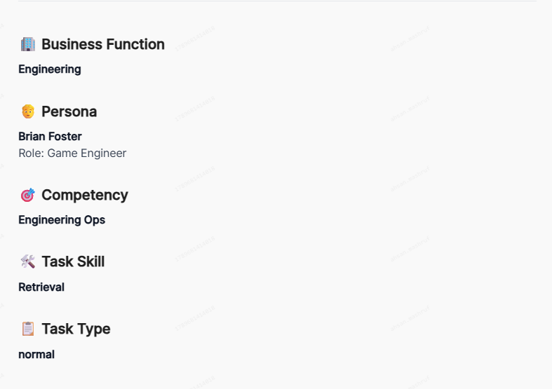
3 | Evaluate the Prompt Verify the prompt is original, human-like, non-repetitive, and is coherent with the selected Persona. Key checks: Prompt isn’t pre-solved Doesn’t prescribe steps One coherent scenario Requires multi-service investigation + at least one action 08/03 Updates to Prompt Feasibility: The project now has a Persona ACL (Access control list). For some services, the agent can ONLY access records that are owned by, shared with, or otherwise visible to the assigned persona. Note that the universe explorer by default shows ALL records (even those that shouldn't be seen by the current persona) - make your determination of whether the current user has access to a particular record by examining its details based on the service in question (e.g., for an email, see if they're the sender, recipient, or cc'd, for slack, see if they're in the channel in question, and so on). Reads are persona-scoped in 7 services - Gmail, Slack, GCal, and the Drive-family (GDrive/GDocs/GSheets/GSlides, which inherit Drive's file ACL). The agent only sees records owned by / shared with / visible to that persona. Reads are unscoped in the other 6 - Contacts, GitHub, Snowflake, Trello, Linear, Confluence (shared across personas). Write actions are not blocked by ACL at all. If the prompt necessitates reading records in persona-scoped services which are not accessible to the assigned persona, there is a feasibility issue in the task - see [Fail - Prompt Feasibility with Tools].
4 | 06/29 IMPORTANT NOTE: The integrated chatbot is NOT read-only by default! Please be very wary of this as any inadvertent changes in the Database are permanent (unless subsequently reverted). When using the chatbot, be very cautious with your wording, and make sure to append this to every prompt: "Do NOT modify/create any data." Evaluate universe/data feasibility CBs modify the base universe to their liking and for the sake of variation across tasks. The “Enhanced Universe” (via Scenario Generation) is no longer a thing—direct SQL queries and Agent Chat are used to inject modifications instead—so all changes should be correctly represented in the Changelog. Use the universe explorer to confirm the task is solvable: - The key entities (clients, employees, deals, tickets, calendar events) referenced or required by the prompt exist. - The required cross-service artifacts exist where implied (e.g., an email thread and a matching CRM record if the task depends on both). - Any universe edits made are coherent (dates/names align across services, etc) + Check Sandbox > _changelog table in the database view to verify that the entries updated/inserted/removed by the CB do not create incoherencies. This changelog reflects changes made on top of the universe generated in the previous step, not the original base universe + The “enhanced universe” explorer should show the final state of the universe (i.e., with the changes in the _changelog table, not simply just the universe generated in the first step) Suggested: Use the prescribed LLM workflow in the appendix to speed up your universe exploration and for finding the ground truth
4a | 07/08 If you want to reference the environment contents locally, there are two main methods: 1. Download from the agent environment hub: Find the "snapshot ID" in-task - it will look similar to this: postrun-task-snapshot-moveops-multienv-4-3-v2-cur-v1-7d02f81e-20489911c1386cb3 & is located alongside the trajectories (see screenshot), then search for it in the tool (in the "universes" tab). 2. You can also pull all contents from all tables via the environment browser, see Appendix - Universe Data Queries for some relevant prewritten queries for the tables corresponding to each base universe (moveops, keystone, and brookfield). 07/18 For the "HarmonyGames" universe, the database is too large to easily access/query. - Use this download link to browse the base universe data locally. - In addition, use the following SQL query (in the Database Explorer query field) to access the changelog (CB-injected universe edits) - SELECT 'public._changelog', to_jsonb(t) FROM public._changelog t - Compare the two to have a fully searchable version of the universe state
5 | View the Agent Trajectories 09/27 Hints are no longer part of the task workflow 09/17 Applies to: First (non-hinted) trajectories - the task runner with: "Grade your rubrics against the unhinted baseline trajectory. This is the difficulty signal." above it. Click through each of the completed agent runs to confirm the following: - Ensure at least one trajectory contains 40+ tool calls. - Ensure in at least one trajectory the agent used multiple services. - Check whether the agent’s reported facts are grounded in tool outputs. - Confirm required actions (emails/tickets/calendar/CRM updates) were actually executed in-trace (tool call + success response), not merely claimed in narration. |  | 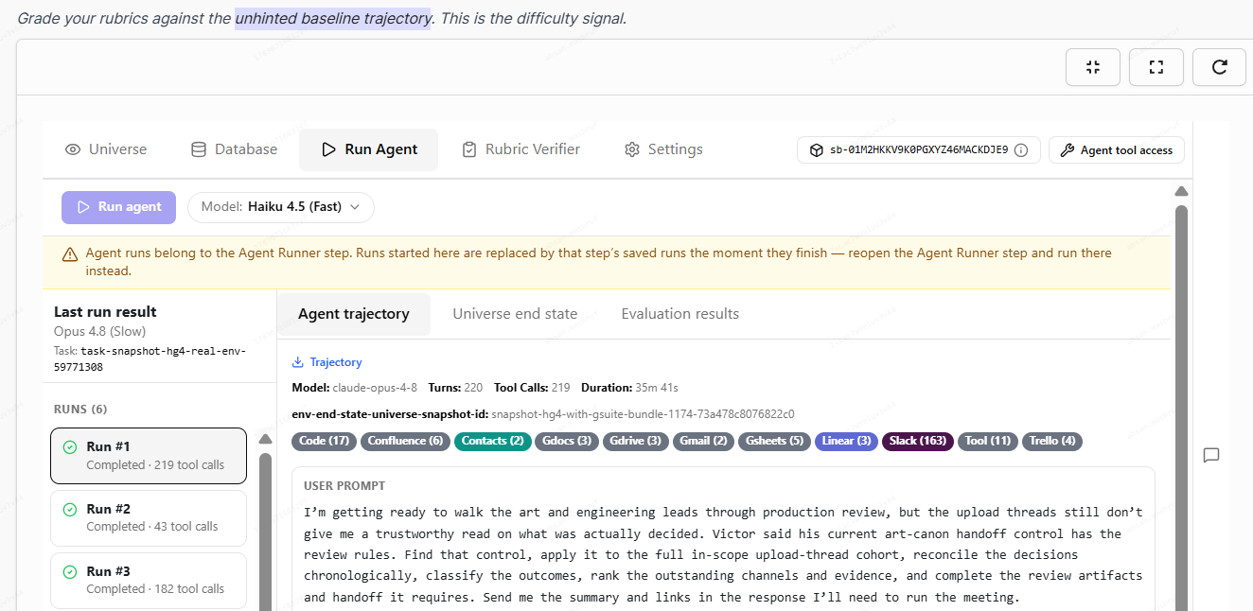
6 | 09/27 Hints are no longer part of the task workflow 09/17 Confirm a hint is present if necessary A hint is required if none of the unhinted trajectories gets full credit on the rubric. |  | 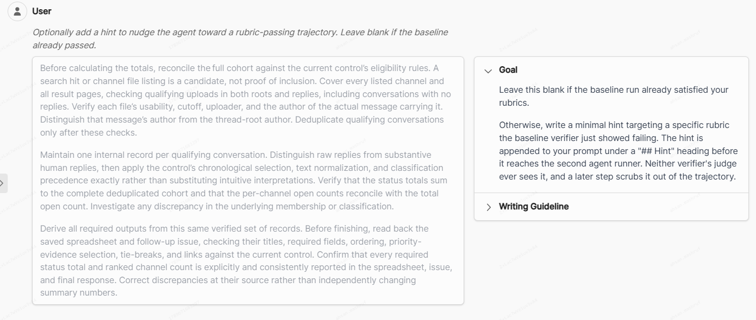
7 | 09/17 Evaluate the Golden Solution 09/27 Oracle Events Confirm that the Golden Solution Oracle Events are the correct-outcome critical path (key discovery steps + dependency chains + required write actions). Ensure it matches the prompt and maps cleanly to rubrics. Each action in the GT should have a corresponding Outcome rubric. Process rubrics should only exist for gaps no Outcome can cover (e.g., ordering between actions, outcome rubric can't be made stricter, etc.). These are not sent to the customer, but are only written so as to help the CBs write good rubrics. Any issues with this step are non-fails only If there are multiple possible approaches, the CB can describe them in the Alternative Approaches Notes section. 09/27 The Golden Solution indicates how the cb interprets the prompt. Importantly, this interpretation may be inaccurate or misaligned with the actual prompt/information present in the universe, and should not be treated as ground truth. Furthermore, they cannot be used to clarify ambiguities in the prompt -- that is, while they can serve as context on the cb's interpretation of the prompt in relation to their rubric writing approach and/or serve as a starting point for where to look in the universe, the prompt itself should remain clear independently of the golden solution, and auditor exploration of the universe should go beyond only covering facts mentioned there.
8 | Evaluate the Rubric Set Ensure they: - Are aligned with the Prompt and Golden Solution 09/27 Oracle Events, - Are atomic, observable, and testable, - Have appropriate justifications and evidence, and - Together correctly measure both final outcome correctness and process correctness. Note 05/22: Process rubrics are now optional and should only be included when necessary. |  | 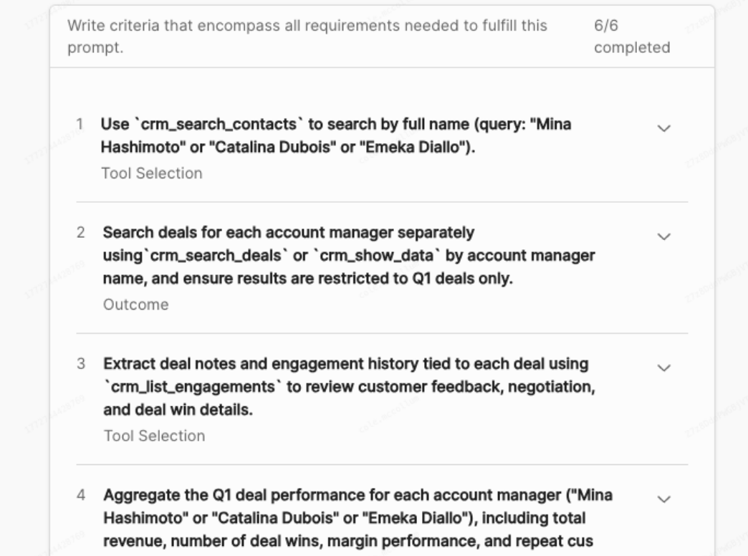
9 | Verify “valid failure” exists 09/27 Hints are no longer part of the task workflow 09/17 Applies to: First (non-hinted) trajectories - the task runner with: "Grade your rubrics against the unhinted baseline trajectory. This is the difficulty signal." above it. The evaluation results are in the "Rubric Verifier" tab. Confirm at least two runs fail at least one rubric criterion for a meaningful reason such as: - incorrect conclusion vs tool output - missed critical record - wrong recipient / wrong entity resolution - failure to execute required action - ungrounded claim that matters |  | 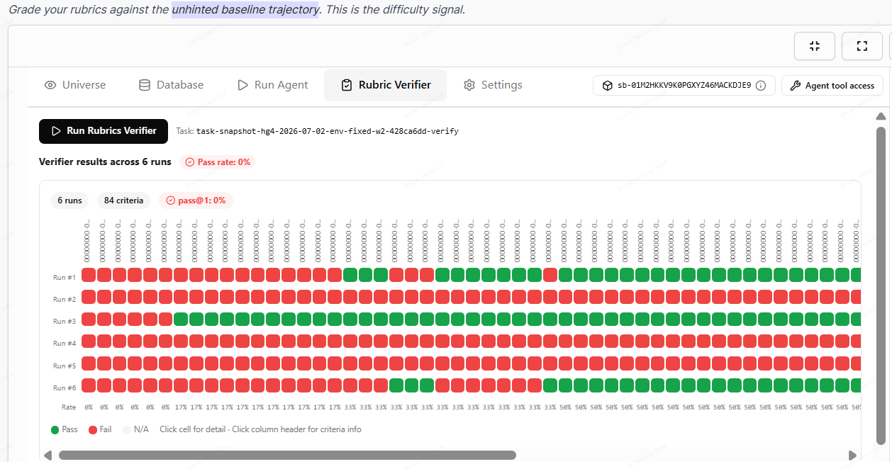
10 | 09/27 Hints are no longer part of the task workflow 09/17 Evaluate the Silver Trajectory If hints are necessary (this happens when pass@1 is 0%, i.e., none of the non-hinted trajectories pass all rubric criteria), this trajectory is generated near the bottom of the task. You can locate it by looking for this label: "Grade the same rubrics against the hinted trajectory. This is the run the cleanup step will scrub." Verify that: - The model used is Kimi K3 (fireworks_ai/kimi-k3) 09/19 or Claude Opus - This is visible from the Run Agent -> Agent Trajectory tab for each run, in the model field. - At least one run passes all rubric criteria - Check the rubric verifier tab for the evaluations. |  | 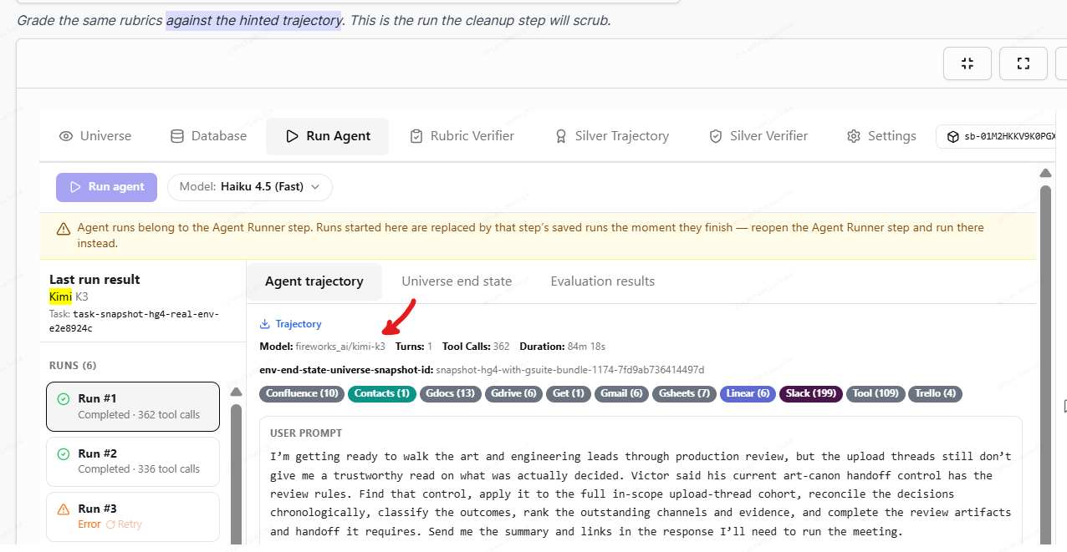
11 | 09/27 Hints are no longer part of the task workflow 09/17 Evaluate the Cleaned Trajectory This component is dependent on the silver trajectory (it is an LLM-cleaned version of it without the hint) and will be present if the hinted silver trajectory is. If it should be present, ensure the most recent run is complete/lacks errors, is coherent, and any mentions/references to the hint have been removed. The cleaned trajectory can be found in the "Collected Artifacts" section of this component, and the "trajectory" section will let you see the trajectory of the "cleaning" agent. |  | 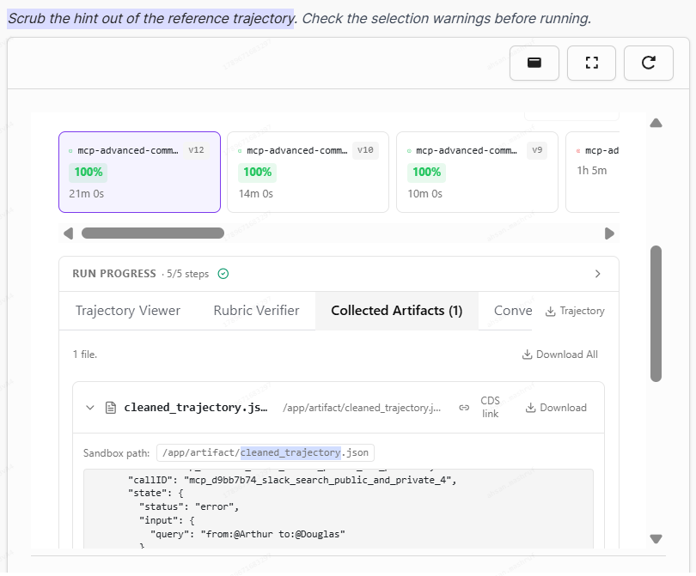
12 | Tally up the final score per the Grading Instructions and make any error category selections (if applicable).

NOTE: Do not edit tasks or make any selection on the “Task Action” field
NOTE: DO NOT delete these general grading instructions as they are applicable to ALL QC projects. If you feel that these guidelines do not apply to your project, please leave a comment explaining why in the initial QC draft.
General Grading Instructions (How the 1-5 scale is used)
1 | *General Grading* • Grade to the lowest dimension across all rubrics (e.g. if instruction following is a 2, the task should be rated a 2) • Grade to the lowest turn for across all turns (e.g. if turn 2 is a 2, the task should be rated a 2) • If the task meets any criteria under 1-2 Fail, the task is a fail. • If the task does not fail and it meets criteria for a 3-4 [Not-Fail] on any dimension, then the entire task must be a 3-4 [Not-Fail] • If a contributor presents a reasonable argument, we should accept their interpretation. For example, the prompt “List out the financial figures from 2012 until 2014" can be interpreted in multiple ways; "until" could be either inclusive or exclusive of the 2014 figures. The contributor chooses to not include 2014 in the Golden Response. QC should support their reasonable viewpoint and score the task accordingly. • All dimensions must be a 5 for the task to receive a 5.
2 | Choosing 1 vs 2 or 3 vs 4
 | • When deciding between a 1 or 2, select a 1 if the attempter put little to no effort • When deciding between a 3 or 4, use your best judgement on how serious you think the minor issue affects the quality of the task.
3 | Do not penalize for something that is explicitly asked for in the prompt or task instructions
4 | • For SLA projects, if a field is not relevant to your claimed attempt because it is not shown in the UI or does not apply to the task type, choose the “no issues” option.

