Home
Home

Year Totals

Top 3 Content Breakdown

Audience Breakdown

Year Totals
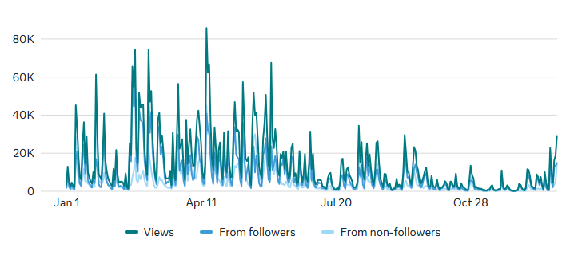
Year Totals |  | From Followers | From Non-Followers
Watch Time | 7d 17h | 5d 4h | 2d 12h
Content Interractions | 21,764 | 13,999 | 7,765
Views | 5,027,261 | 3,157,097 | 1,870,164
Current Follower Count | 11,214
Home
Top 3 Content Breakdown
Year Totals
Watch Time
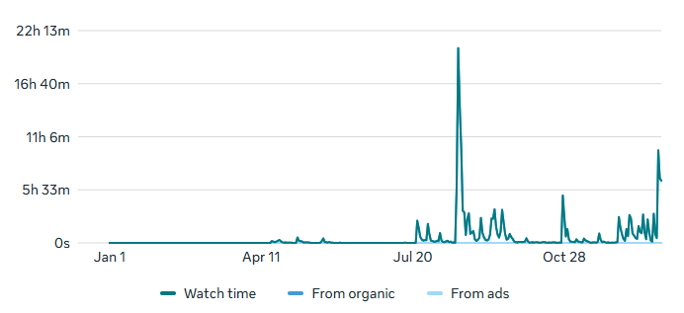

Audience Breakdown
Interractions
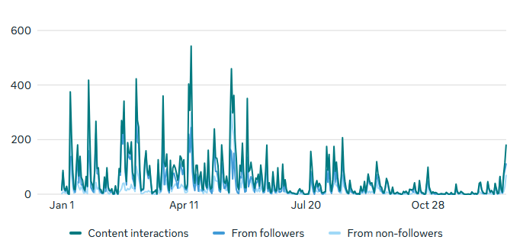

Views

Top 3 Content Breakdown
Top 3 Most Viewed Posts
Change to Waverly Tax Information | 27,164
Halloween Bash Flyer | 20,835
Home
Northwind Job Posting | 15,185

Year Totals
Top 3 Largest Reaching Posts
Halloween Bash Flyer | 14,189
Change to Waverly Tax Information | 13,085
Northwind Job Posting | 9,436

Top 3 Content Breakdown
Top 3 Most Interractions
(likes, reactions, saves, comments, and shared)
Maleko Personnel Job Posting | 104
Halloween Bash Flyer | 91
Herrs Job Posting | 56

Audience Breakdown
Top 3 Posts That Increased Follower Count
Halloween Bash Flyer | 5 Follows
Centrus Job Posting | 3 Follows
Word + Excel Class Flyer | 3 Follows

Audience Breakdown
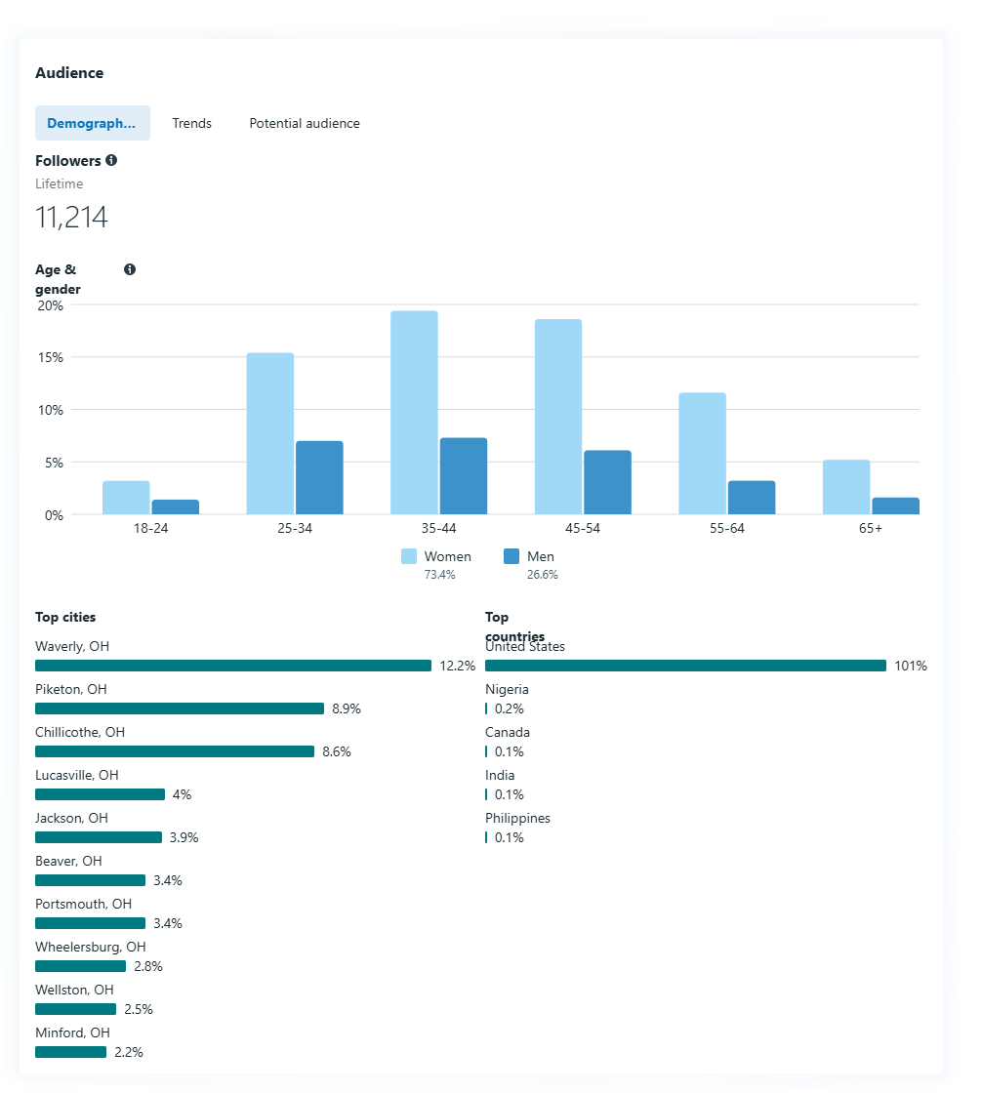

Home

Year Totals

Top 3 Content Breakdown

Audience Breakdown

