User Guide
Use |  | The purpose of this template is to : * create status tracking summary dashboard for project tracking * derive few insights on provided data
Feature |  | * This template can be reused for different data/projects based on provided field configurations * Once "Working Template" worksheet is created based on the data, any changes in "Working Template" will auto refresh the analysis * All fields and other configuration can be done in worksheet - "Configure" before generating the analysis
Worksheet Guide |  | Pre configured Worksheets: (Please do not delete them) 1. Configure > To configure the data to be used for analysis (for reusability for different data templates) 2. Data > To Paste the raw data for which analysis has to be performed
 |  | Generated Worksheets: 1. Working Template > Working sheet created based on data provided in "Data" worksheet and configurations provided in "Configure" worksheet. This worksheet has be used to track details manually Please note : after pasting data in "Data" worksheet, and generating "Working Template, please use "Working Template" for further updates 2. Summary > Summary sheet containing the generated analysis based on configurations provided in "Configure" worksheet
 |  | Hidden Worksheets: (Please do not delete them) 1. Template > Used internally by code to to generate "Summary" worksheet 2. DataSetup > Used internally by code to perform calculations to generate analysis 3. Temp > Used internally by code to perform calculations to generate analysis
Usage Steps | Follow below steps to get started:
 | 1 | Copy your data in "Data" worksheet from Cell A1
 | 2 | Select Field Mappings in "Configure" worksheet
 |  | After pasting the data in "Data" worksheet, Click on "Get Field" button of step 2 This will generate a dropdown list in order to select the corresponding field mapping for the pasted data
 | 3 | Select Statuses to be tracked
 |  | 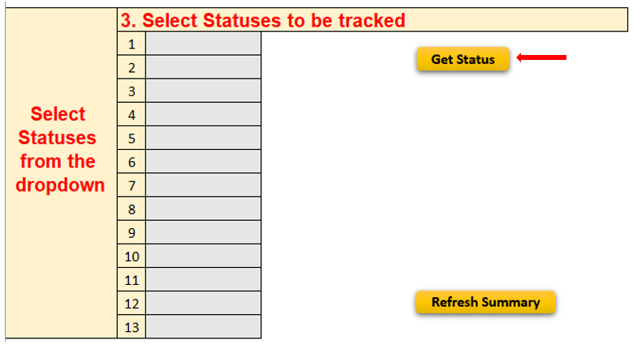 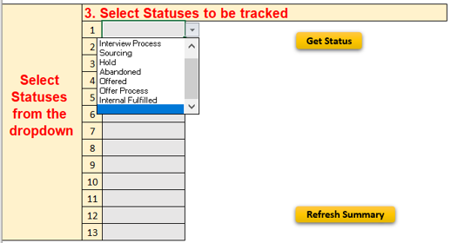 After pasting the data in "Data" worksheet, Click on "Get Status" button of step 3 This will generate a dropdown list in order to select the status field to be tracked in the analysis generated in "Summary" worksheet
 | 4 | Enter the x and y values
 |  | These values are to be selected for each configured status in step 2 and is used to generate analysis for ageing days based on provided thresholds
 | 5 | Click on "Create Working Template and Summary Sheet" button to generate the "Working Template" and "Summary" worksheet Please note: Existing "Working Template" and "Summary" worksheet is deleted and a new one is generated on click of this button
 | 6 | Use of "Refresh Summary" button In case after "Working Template" and "Summary" worksheet is already generated and additional status are to be included in the analysis on "Summary" worksheet, Select the required statuses in step 2 and then click on "Refresh Summary" button

 | 10
 | 11
 | 12
 | 13
 | 14
 | 15
 | 16
 | 17
 | 18
 | 19
 | 20

Configure
 | 1. Copy Data in Data Sheet

Get Field List
 | 2. Select Field Mappings
 | 1 | Hiring Status
 | 2 | Demand No.
 | 3 | Demand Date
 | 4 | Hiring Manager
 | 5 | Job Location
 | 6 | Skill
 | 7 | Joining Date

Get Status List
Select Statuses from the dropdown | 3. Select Statuses to be tracked
 | 1
 | 2
 | 3
 | 4
 | 5
 | 6
 | 7
 | 8
 | 9
 | 10
 | 11
Refresh Summary
 | 12
 | 13

Create Working Template and Summary Sheet
 | 4. Enter the x and y values
Demand Date Ranges |  | 0 | 0 | 0 | 0 | 0 | 0 | 0 | 0 | 0 | 0 | 0 | 0 | 0
< x Days | (Enter positive integers and y should be greater than x in order to receive correct analysis)
x to y Days | x
> y Days | y

