SauceDemo Bug Report
ID | Bug Title | Steps to Reproduce | Expected Result | Actual Result | Severity | Status | Priority | Screenshot/Notes
001 | Login error hard to read | 1. Load page --> 2. Enter "hello" as username and "WrongPsw" as password and press "Login". | Error message should be clearly visible | Error is not clear, letters cut in half | Low | Open | P3 | 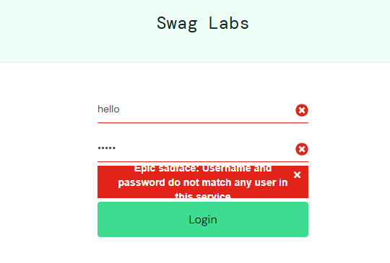
002 | Reset App does not reset button text | 1. Load page --> 2.Login --> 3. Add items into cart --> 4.Reset App Store | "Add to Cart" should appear again | Button still says "Remove" | High | Open | P2 | 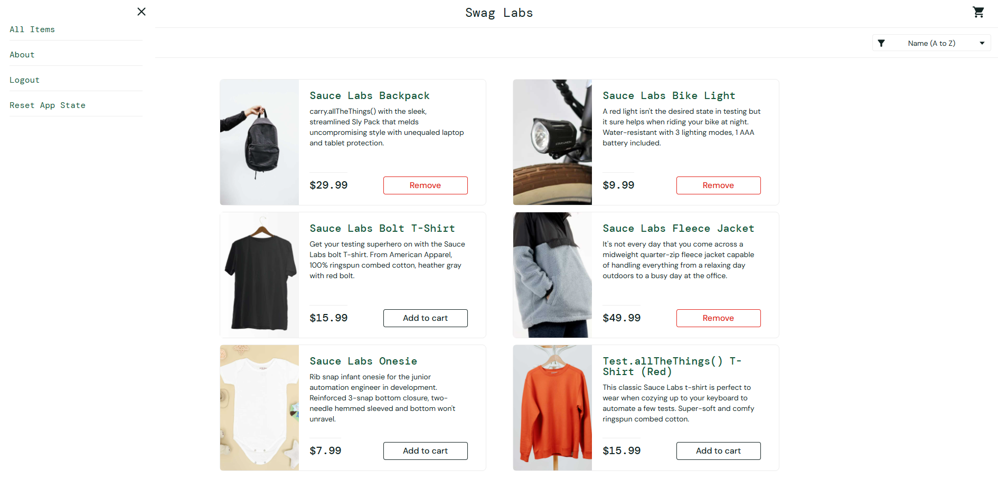
003 | The image in the card does not match the desc | 1. Load page --> 2.Login --> 3. Load Items | The item card image should match to the item image | The image suddenly changes into random image | Medium | Open | P3 | 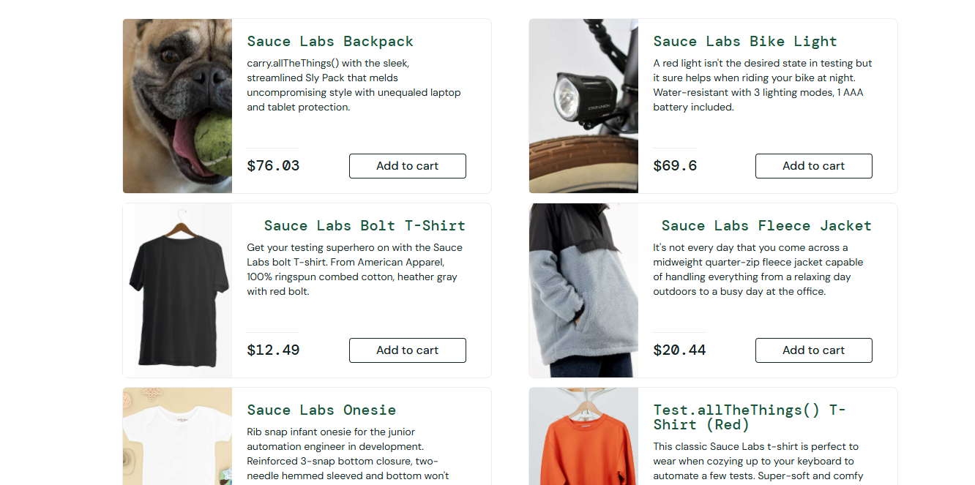
004 | Cart Icon Misalignment on Page Refresh | 1. Load page --> 2.Login --> 3. Load Items | The cart icon should be the top right corner | Icon shifts down randomly | low | Open | P3 | 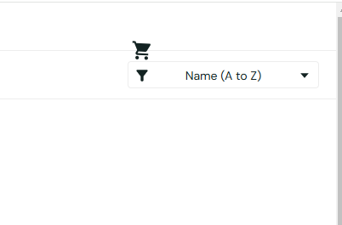
005 | Empty cart allow to proceed to checkout | 1. Load page --> 2.Login --> 3. Load Items--> 4.Go to cart --> click "Checkout" | Users should see an error message 'Your cart is empty' when trying to proceed to checkout. | Checkout still proceeds | High | Open | P1 | 
006 | Cannot Change Quantity | 1. Load page --> 2.Login --> 3. Load Items--> 4.Go to cart --> 5. try to change QTY | The Qty should be able to change, only 1 possible | The quantity cannot be change | High | Open | P1 | 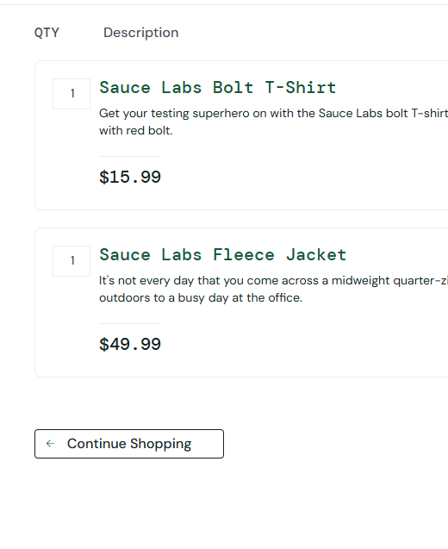
007 | Button overflow | 1.Load page --> 2.Login --> 3. Load Items | Card content should be inside the card | The add to cart button not alligned properly | Low | Open | P3 | 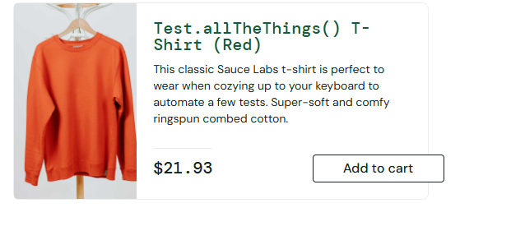
008 | Checkout Cannot be Filled | 1. Load page --> 2.Login --> 3. Load Items--> 4.Go to cart --> click "Checkout" --> Enter "Name" as first name and try to type Last Name | The last name should be able to type | Last name cannot type in. | High | Open | P1 | 