2 Consolidated Weekly Report
UID | Enrollment Date | Report Date | Status | Total Sessions Completed | Reason
a3h8W000000I5dvQAC | XX/XX/XX | 12/11/23 | Discharged | XX | Met Goals
a3h8W000000I6IeQAK | XX/XX/XX | 12/11/23 | Discharged | XX | Met Goals
a3h8W000000I73pQAC | XX/XX/XX | 12/11/23 | Actively Engaged | XX
a3h8W000000I6znQAC | XX/XX/XX | 12/11/23 | Actively Engaged | XX
G000005351 | XX/XX/XX | 12/11/23 | Closed | XX | No Response
G000005456 | XX/XX/XX | 12/11/23 | Actively Engaged | XX
G000005502 | XX/XX/XX | 12/11/23 | Actively Engaged | XX
G000005620 | XX/XX/XX | 12/11/23 | Actively Engaged | XX
G000005824 | XX/XX/XX | 12/11/23 | Actively Engaged | XX
G000005996 | XX/XX/XX | 12/11/23 | Actively Engaged | XX
G000006671 | XX/XX/XX | 12/11/23 | Needs Attention | XX | Request to Restart program in Jan

 |  |  | Development notes | Indicates a system status |  | The : COLON is the key to a custom status. custom status: whatever you want to say
 |  |  |  |  |  | If you type into the client notes
 |  |  | Closed |  | Never called us back | Closed: Never called us back
 |  |  | Actively Engaged |  | doing a great job | doing a great job
 |  |  | Pending a Consult |  | we have a call scheduled | we have a call scheduled
 |  |  | Discharged |  | Met all the goals | Met all the goals
 |  |  | Needs Attention |  | Requested to start over in Jan | Needs Attention: Requested to start over in Jan
 |  |  | Some New Status |  | This is for a new client | Some New Status: This is for a new client
 |  |  | Discharged
 |  |  | Actively Engaged
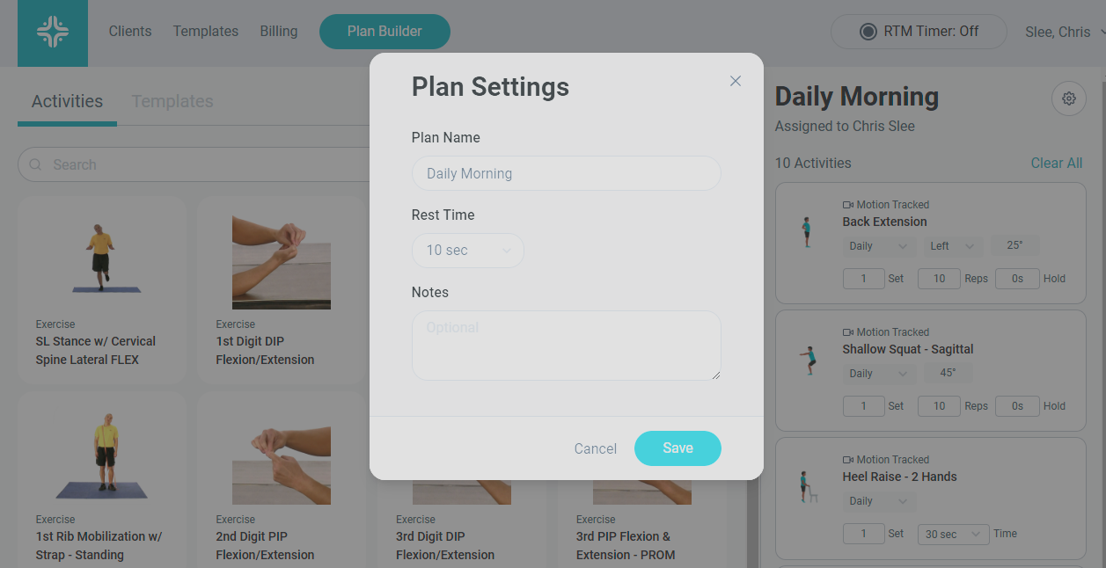

Available Formats for this Report: CSV

