PolynomialFits
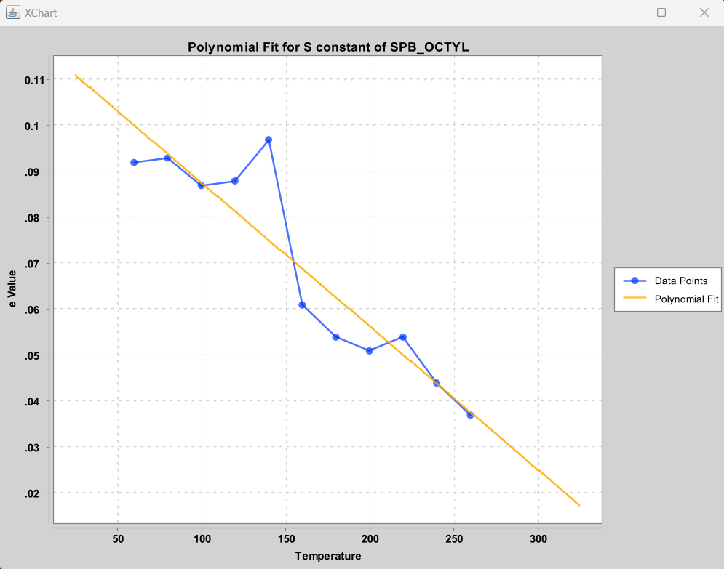
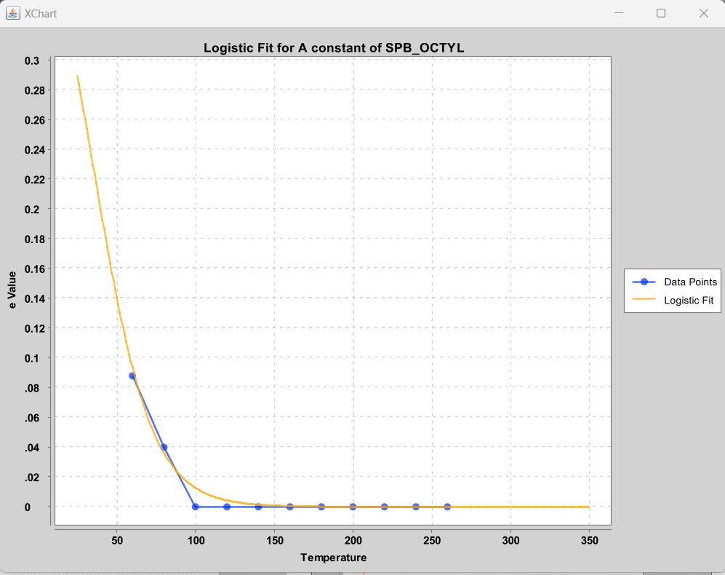
SPB_OCTYL
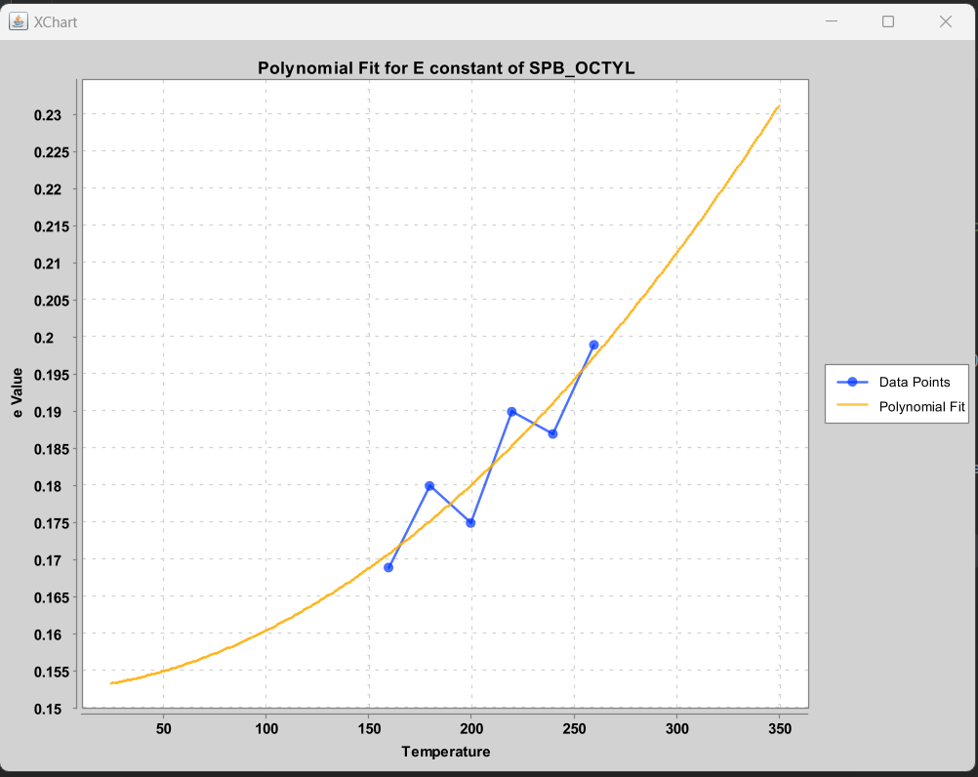
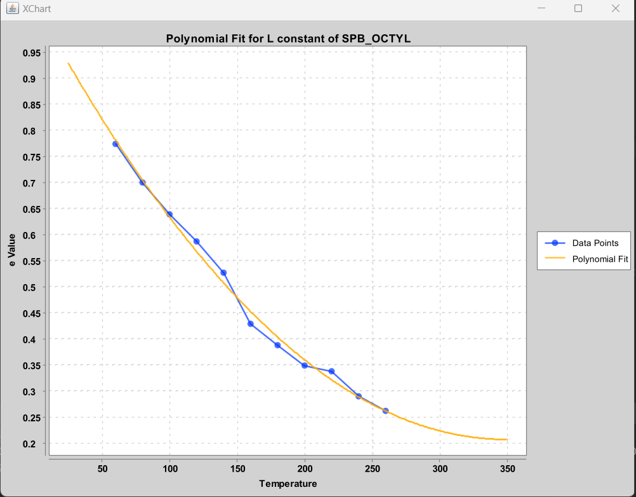
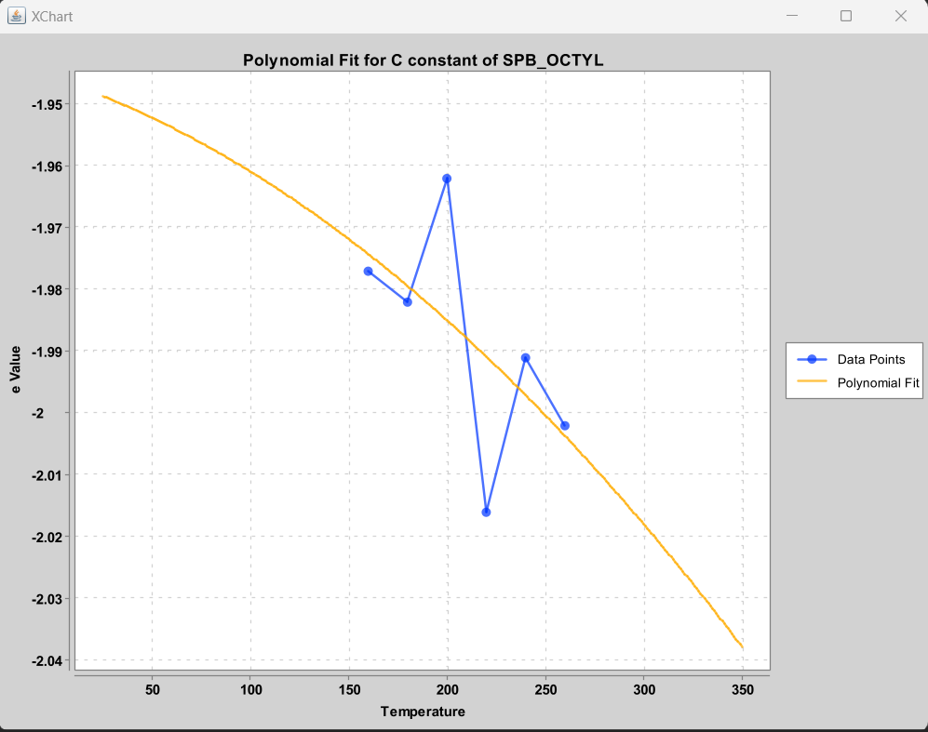

 |  |  |  |  |  |  |  |  |  | BRO

 |  |  |  |  |  |  |  | NO USEFUL FIT … Just hold C constant at -2.0 for HP-5
-0.045221 + 0.004729x - 3.00087E-5 x^2 + 5.961052E-8 x^3 | 0.1188727 - 3.12272E-4 x |  | new Logistic(0.45,65,-0.055,5.0,0,1.0) |  | 1.04578 - 0.004801 x + 6.88228E-6 x^2 |  |  | Use 1 micrometer column film thickness

HP-5
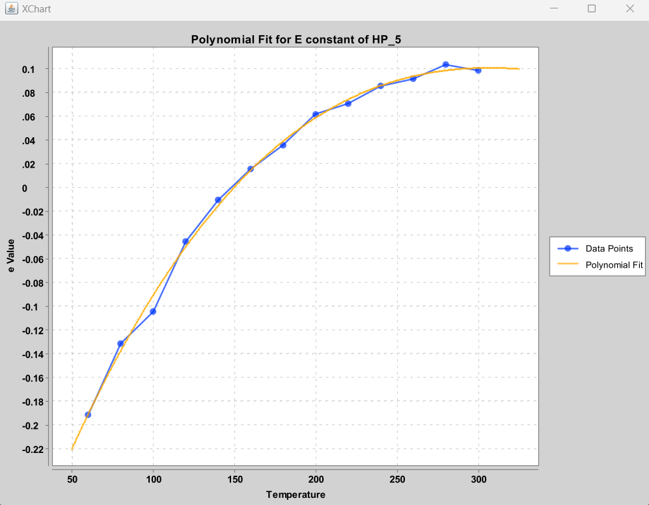
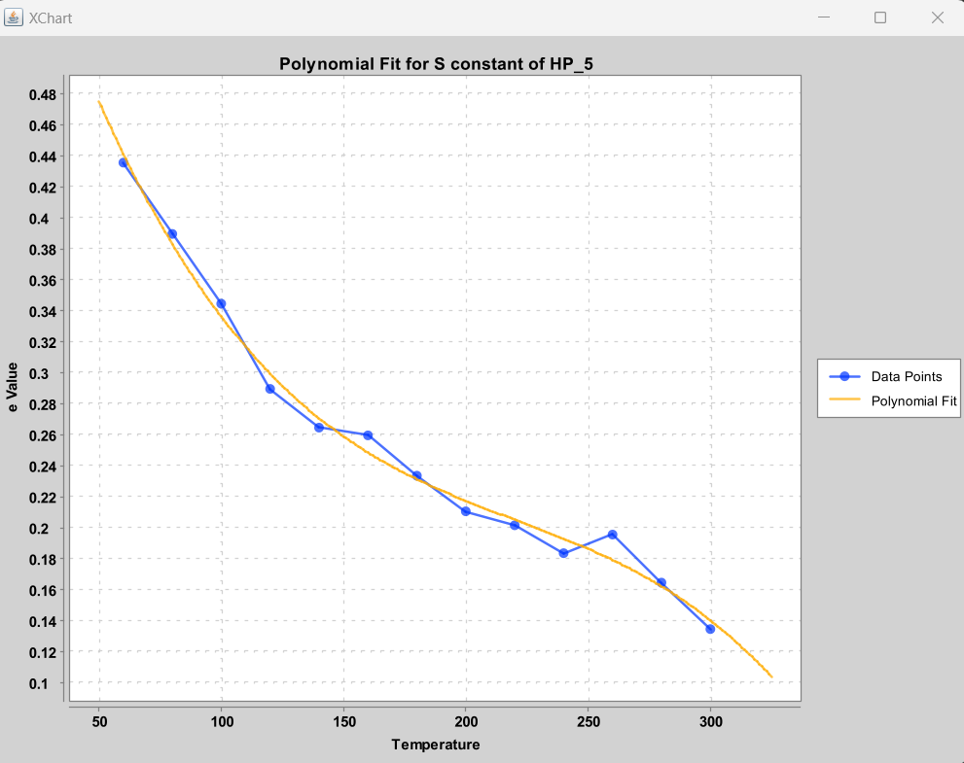
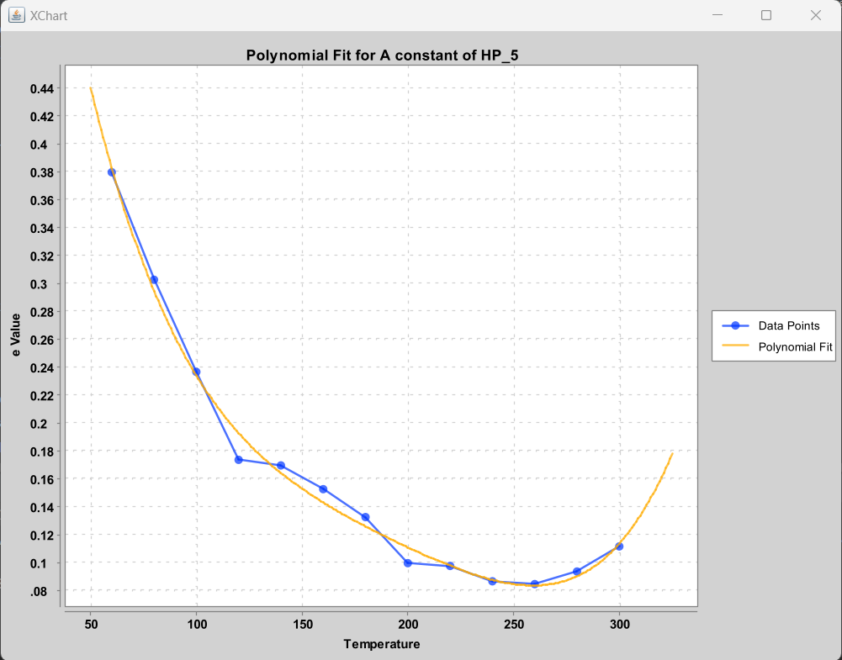
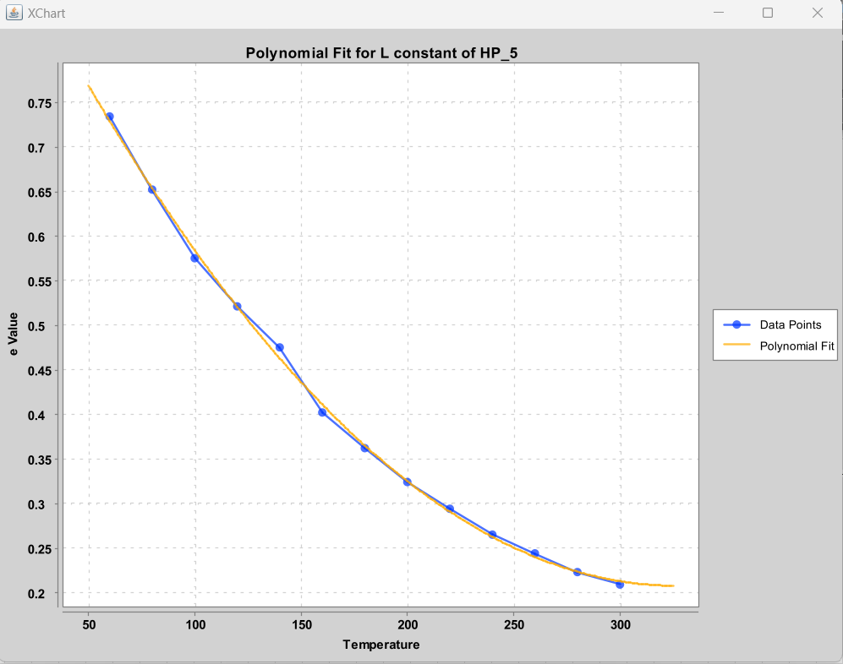
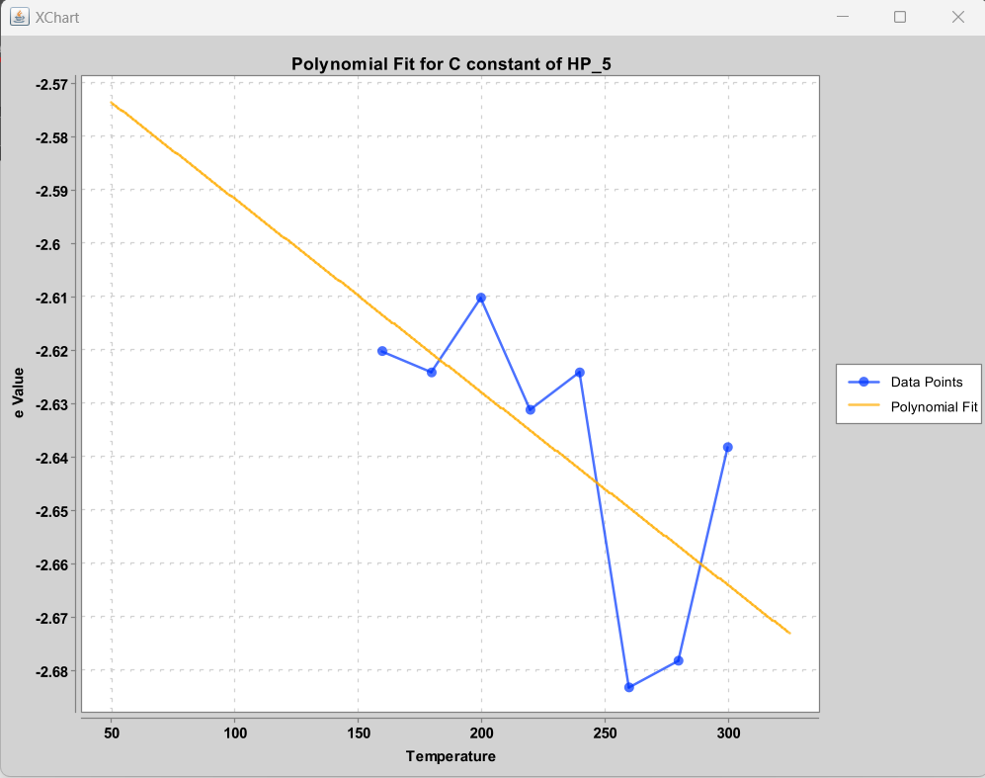

 |  |  |  |  |  |  |  |  | BRO

-0.36265534465534516 + 0.003284315684315689 x - 5.841658341658358E-6 x^2 |  |  |  |  |  |  |  | NO USEFUL FIT … Just hold C constant at -2.65 for HP-5
 | 0.7012787212787202 - 0.005552430902430887 x + 2.2463786213786123E-5 x^2 - 3.394522144522126E-8 x^3 | 0.920812187812188 - 0.01364997355585595 x + 9.607388934594864E-5 x^2 - 3.239921842863039E-7 x^3 + 4.184234882764325E-10 x^4 |  |  | 0.9910869130869138 - 0.004794980019980025 x + 7.346403596403613E-6 x^2 |  |  | Use 0.10 micrometer column film thickness

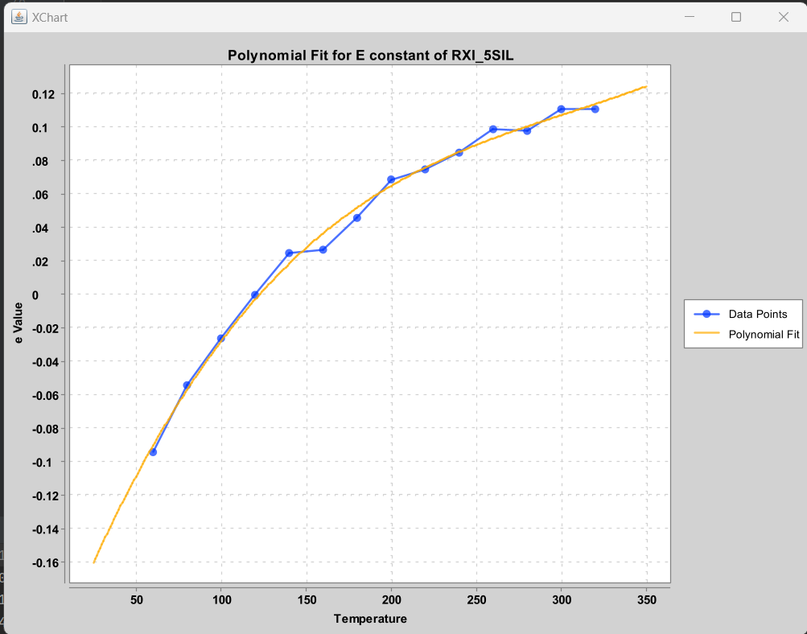
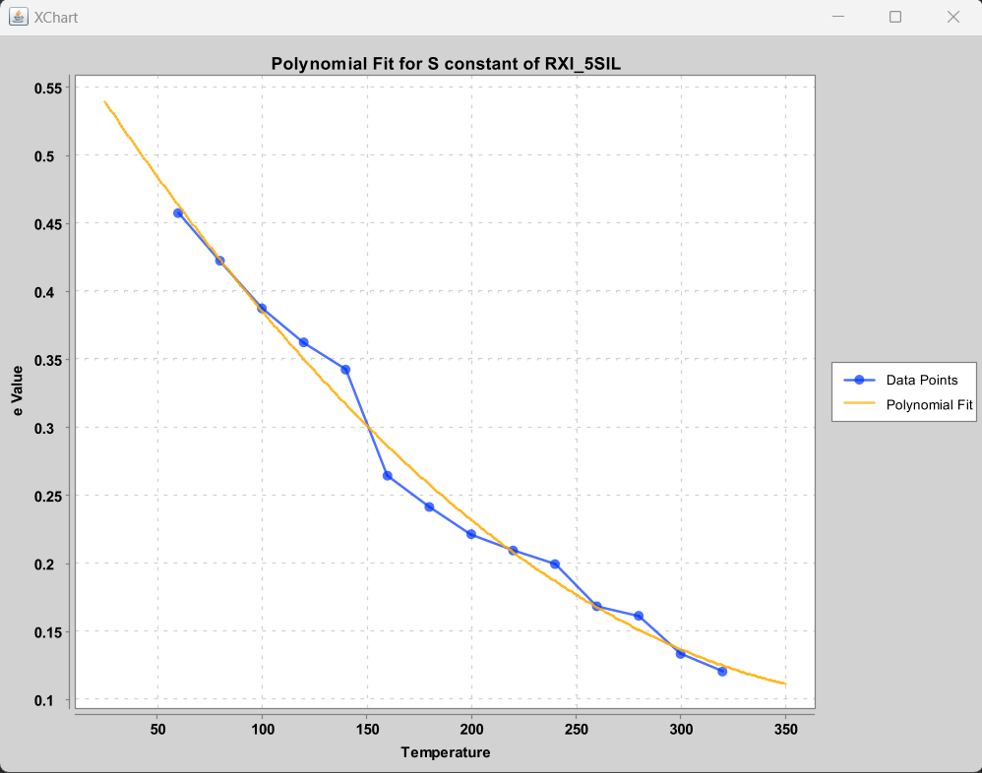
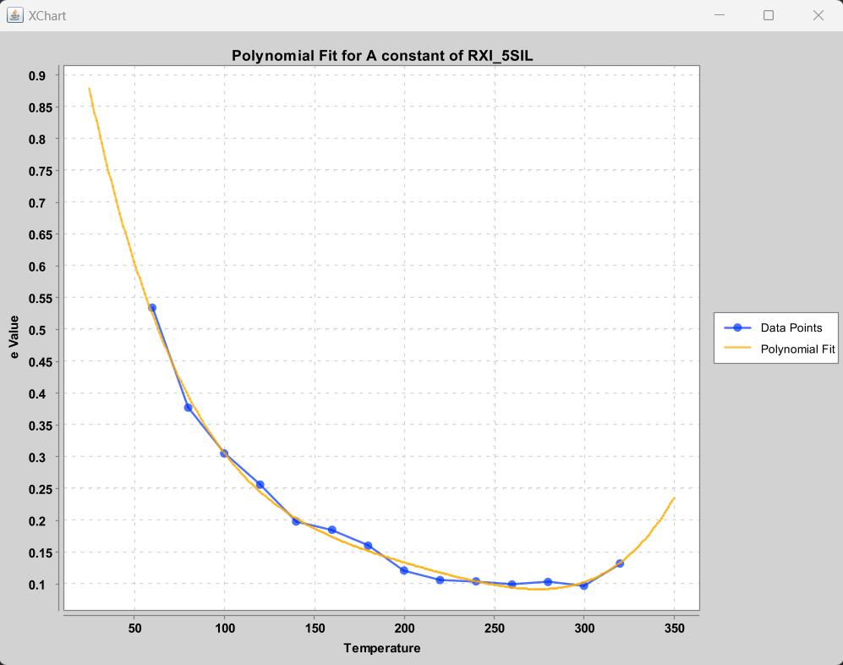
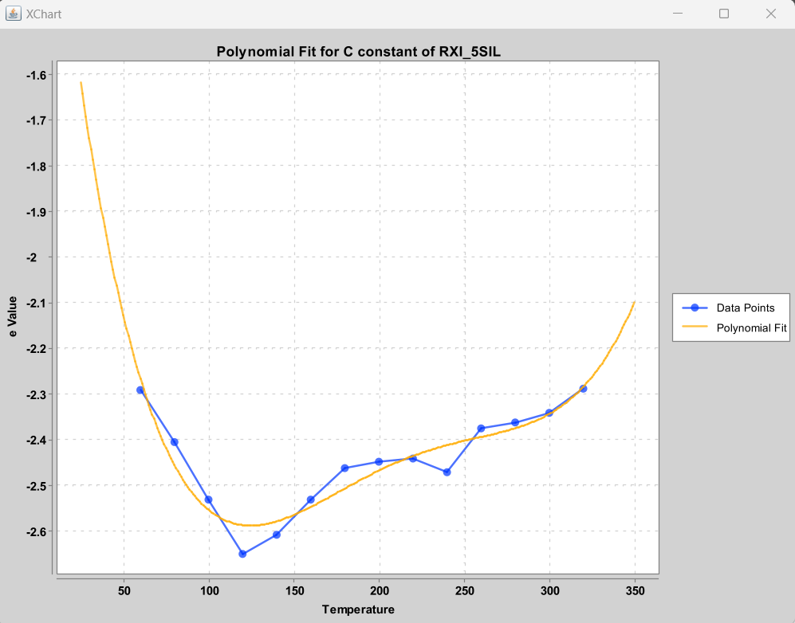
RXI_5SIL

 |  |  |  |  |  |  |  |  | BRO

-0.22006 + 0.00258 x - 7.3894E-6 x^2 + 8.0899E-9 x^3 | 0.598654 - 0.002418 x + 2.93612E-6 x^2 | 1.2722179 - 0.018510 x + 1.22195E-4 x^2 - 3.81338E-7 x^3 + 4.5471149E-10 x^4 |  | 0.9823079 - 0.0041683x + 5.2489E-6 x^2 |  |  | [-0.8121705794205752, -0.0391277598626865, 3.0239699026463914E-4, -9.619798094062878E-7, 1.1069047374194548E-9]

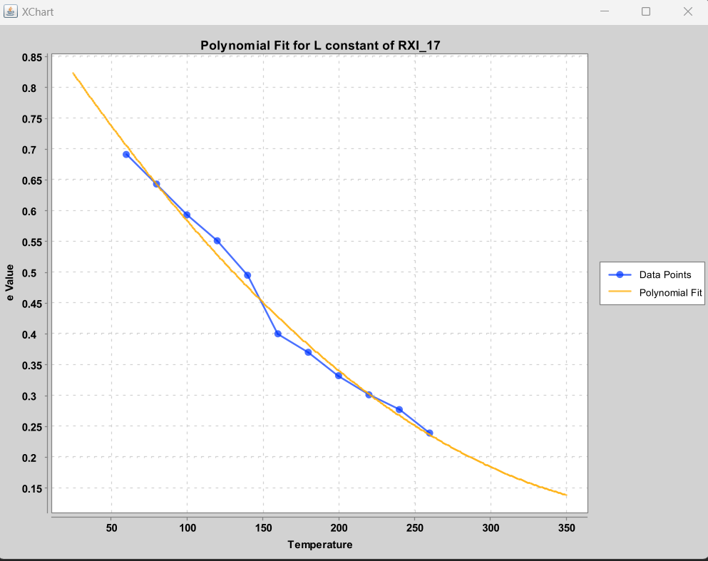
RXI_17
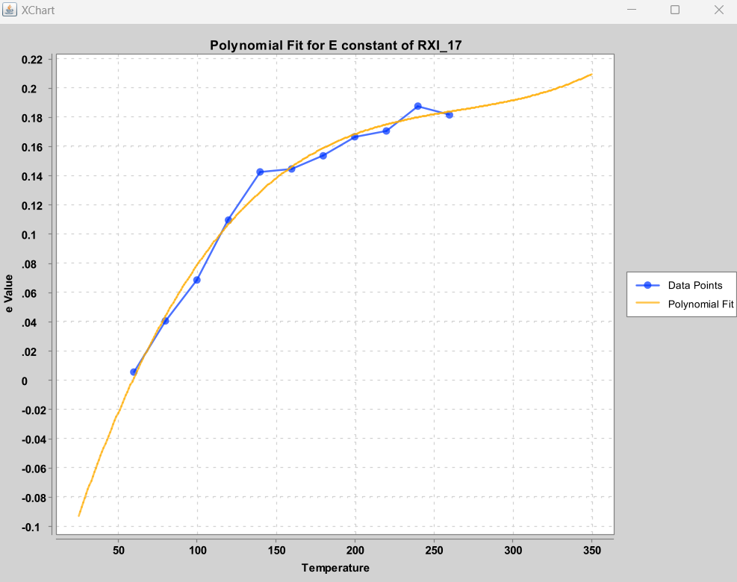
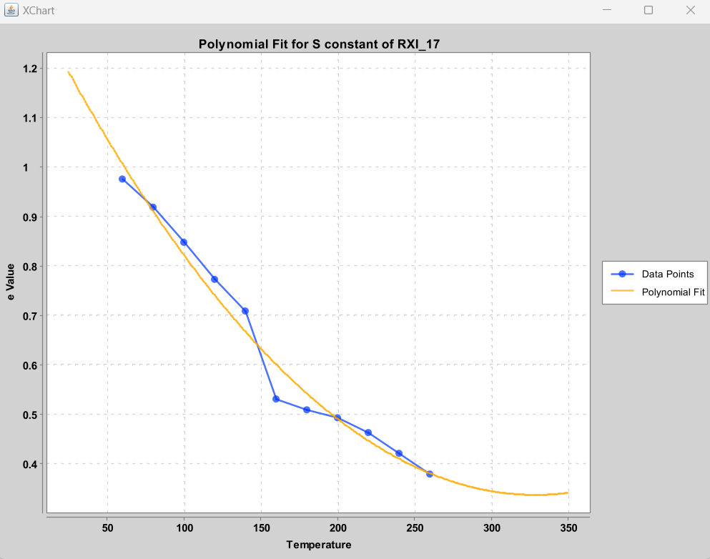
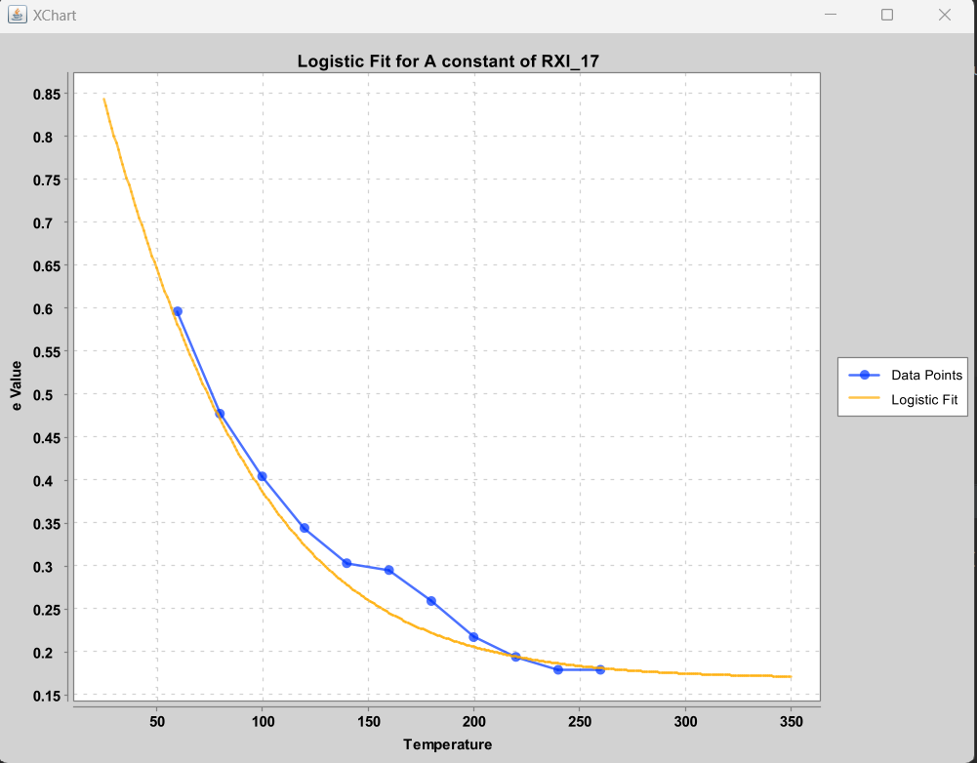
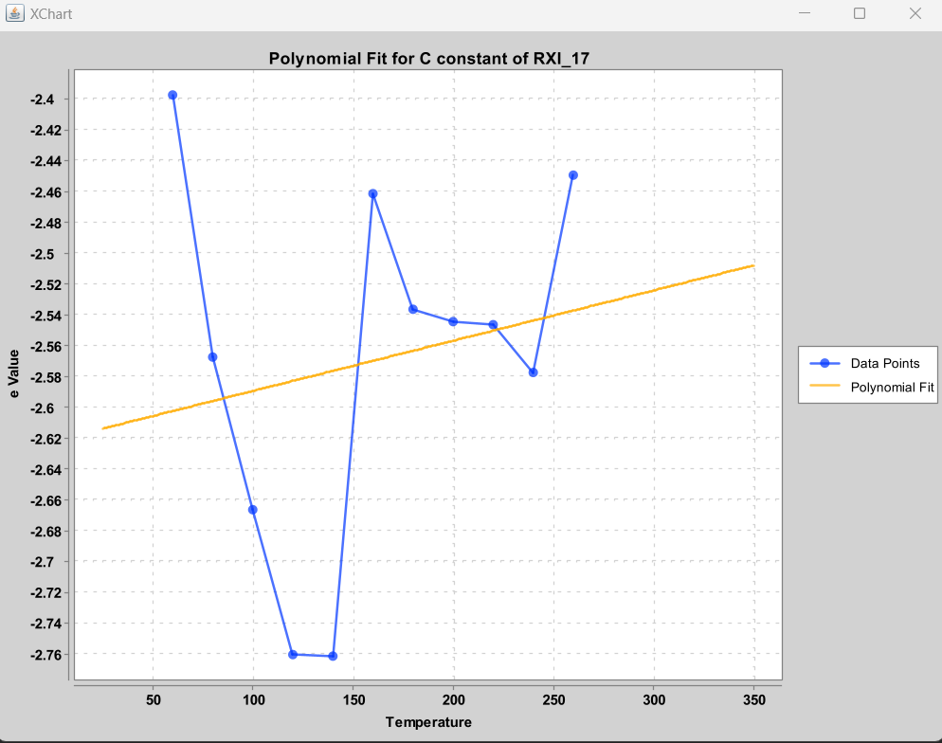
 |  |  |  |  |  |  |  |  | BRO

 | [1.3410265734265738, -0.006103356643356645, 9.283216783216784E-6] | [0.8460629370629369, -0.005257750582750581, 1.0457459207459201E-5] |  | [0.9151832167832167, -0.0037388927738927747, 4.350233100233109E-6] |  | Just use -2.6 constant … no useful fit |  |  | BRO

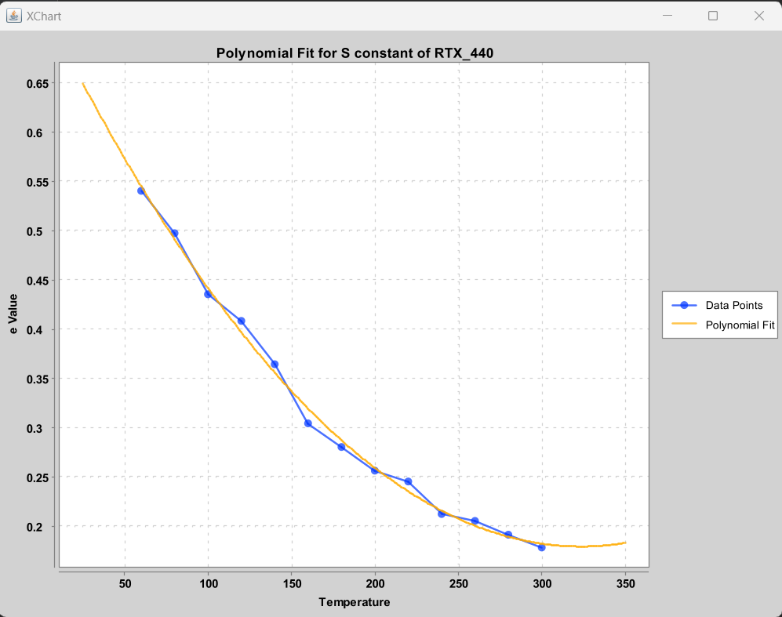
RTX_440
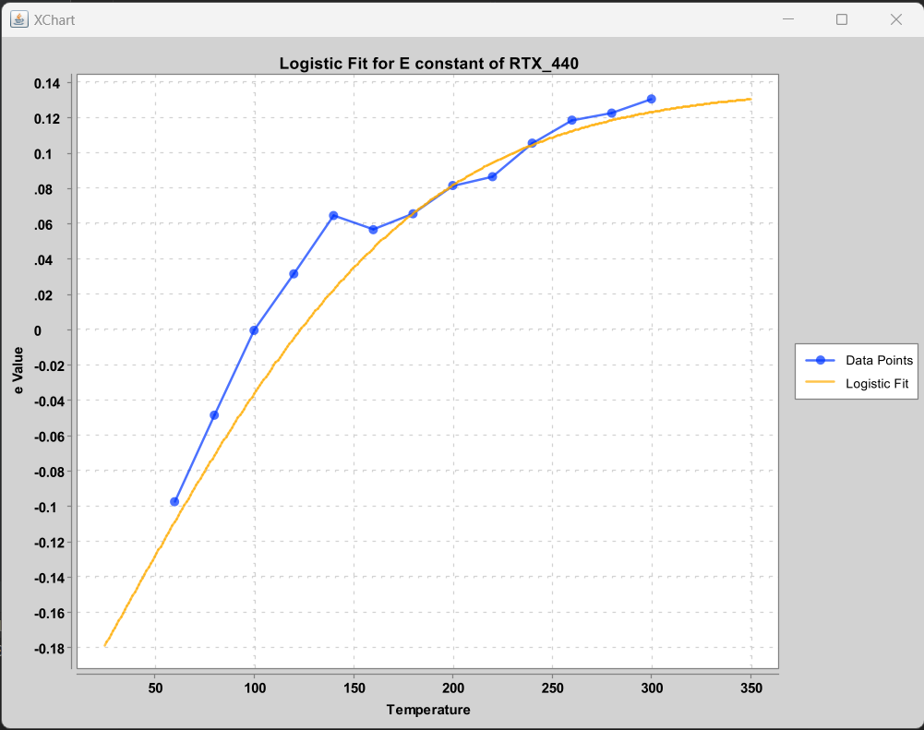
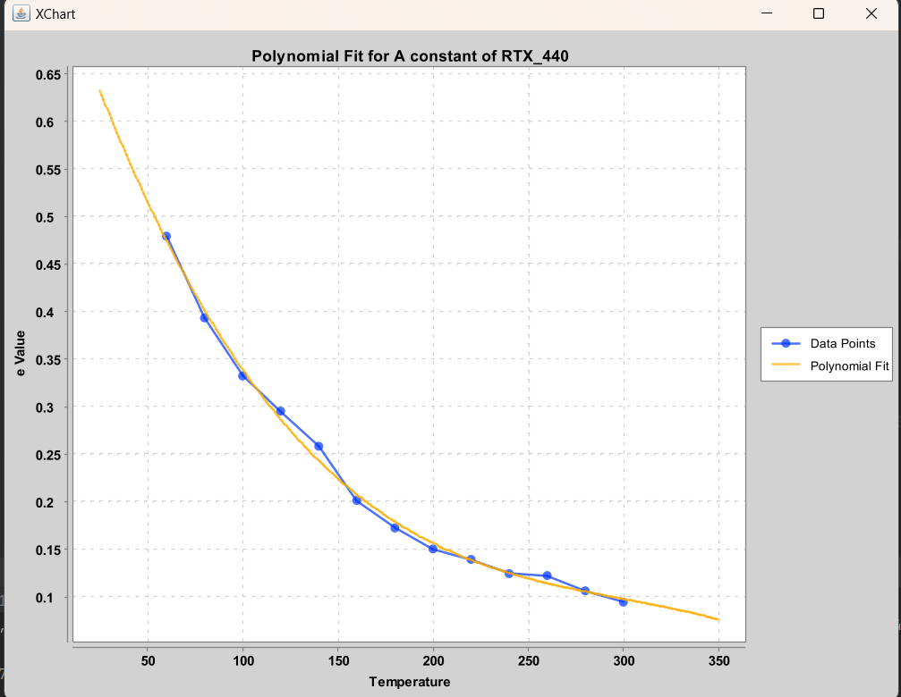
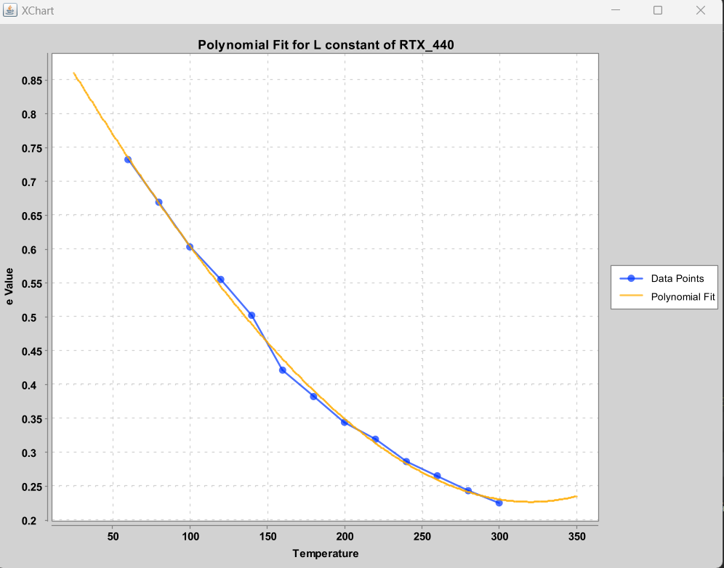
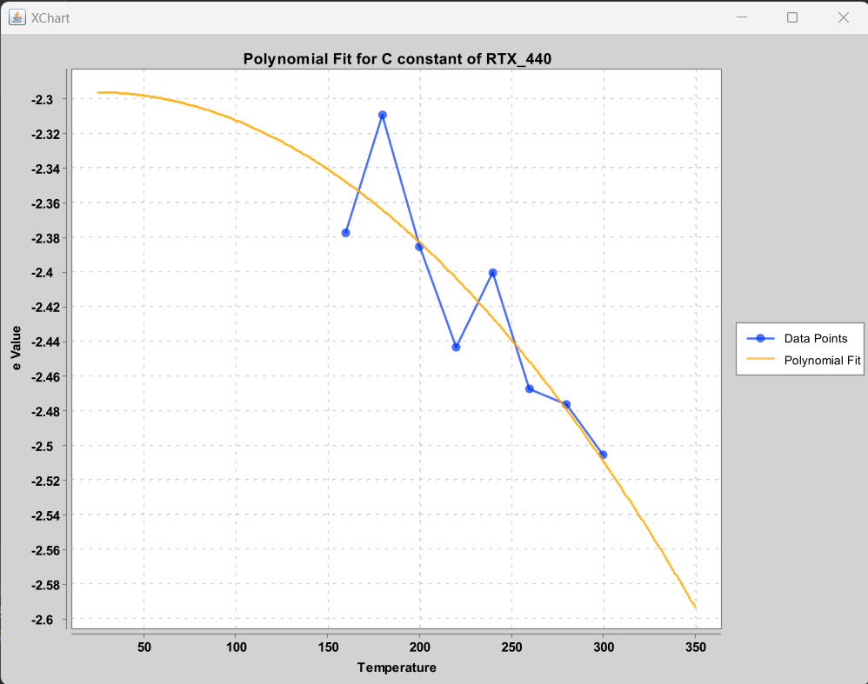

 |  |  |  |  |  |  | NO USEFUL FIT for all data. Only use those data after 160 degrees C (for 0.5 mm film thickness column)
Logistic log = new Logistic(0.138,38,0.0145,2.15,-0.70,2.7); |  |  |  |  |  |  | Use 0.10 micrometer column film thickness

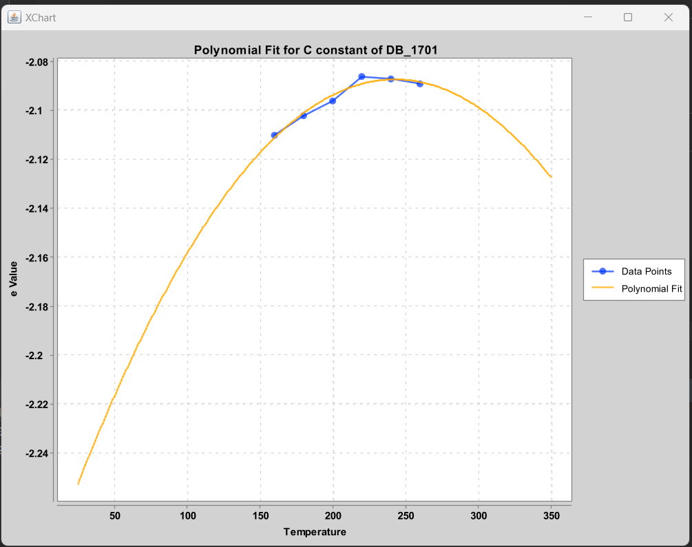
DB_1701
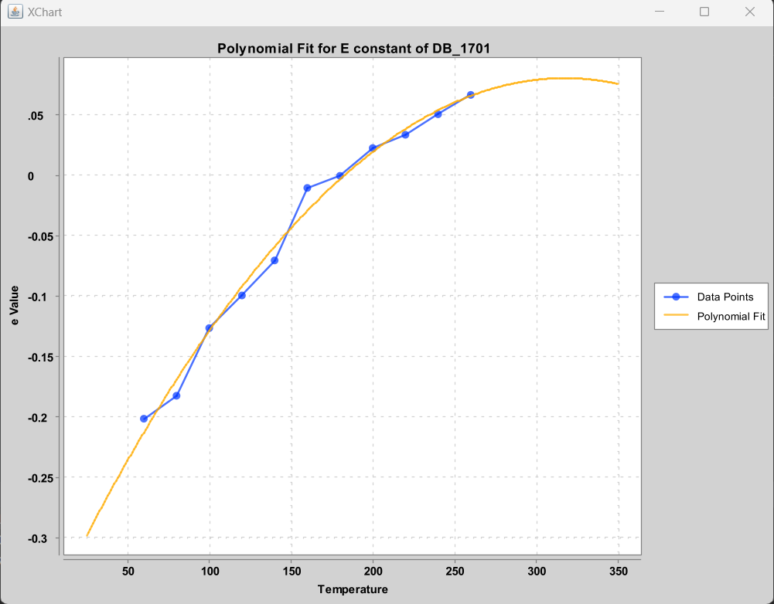
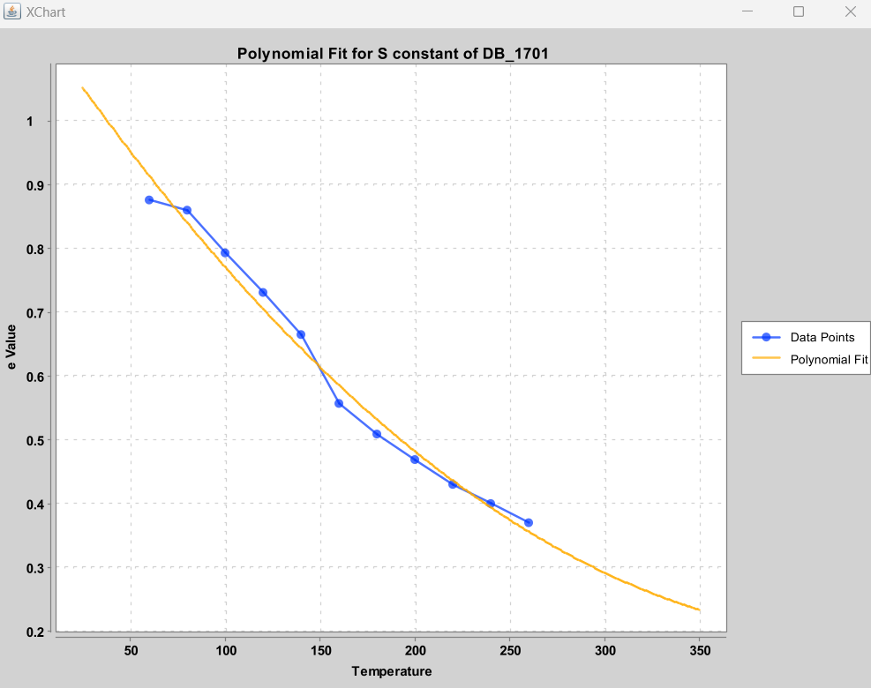
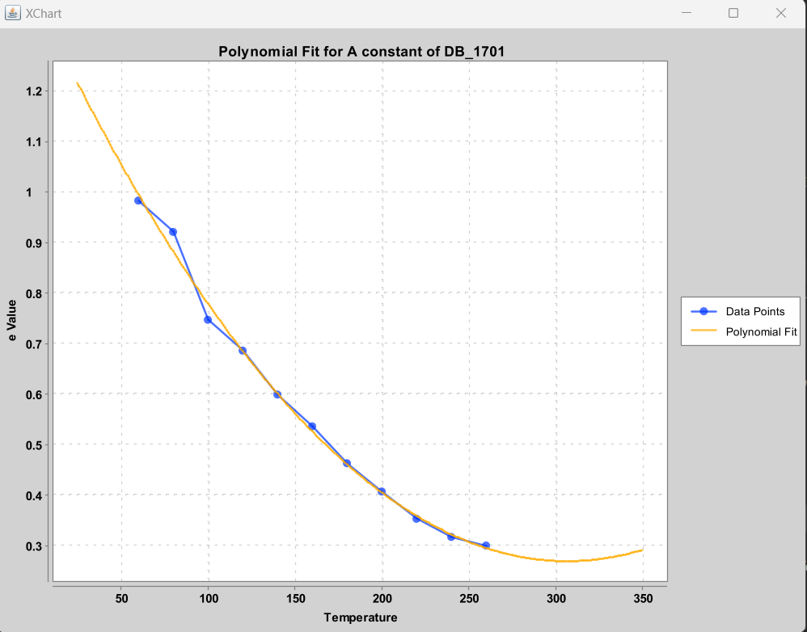
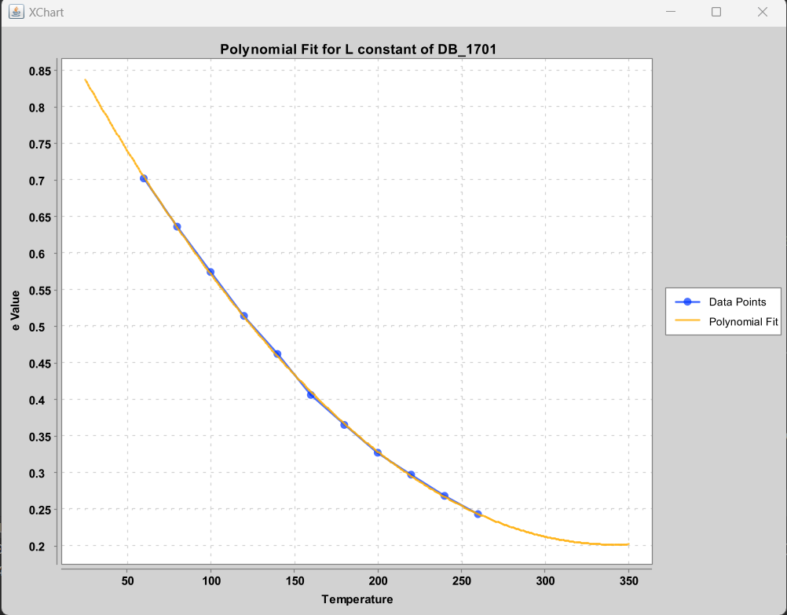

 |  |  |  |  |  |  |  |  |  |  | 1

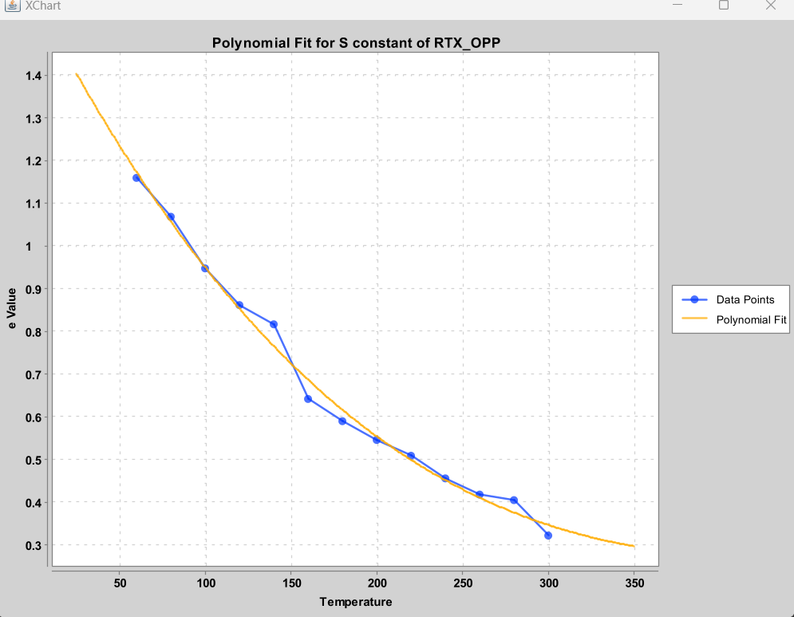
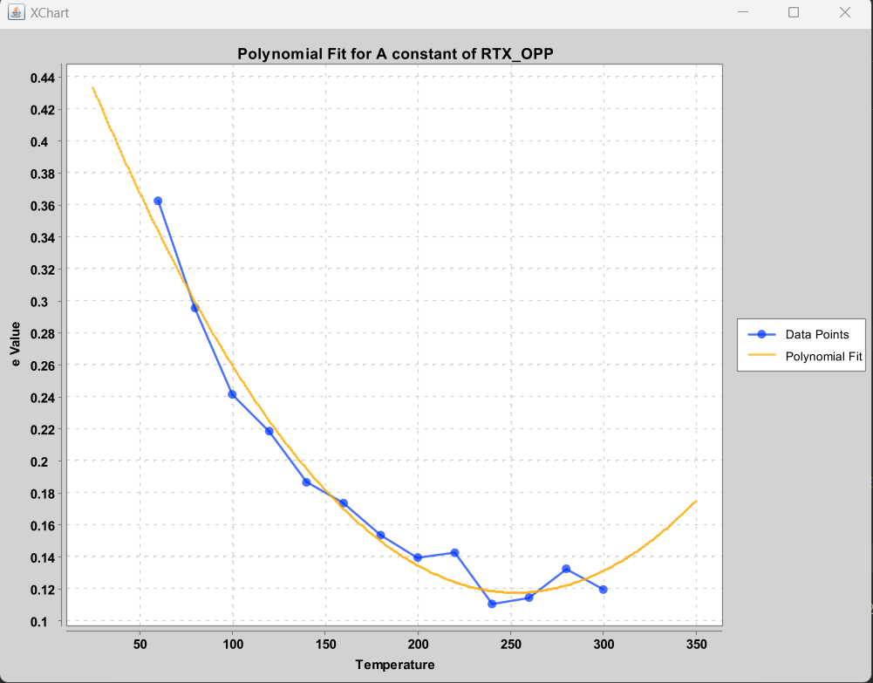
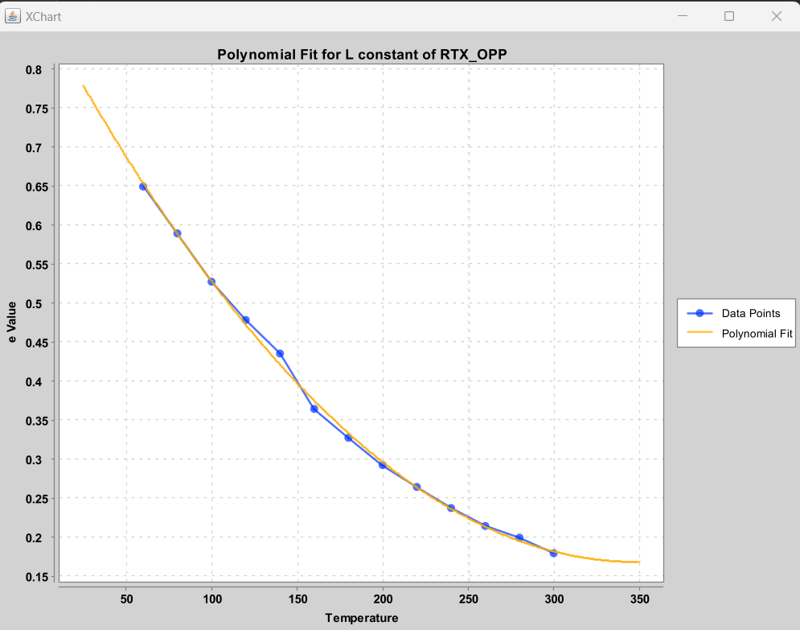
RTX_OPP |  |  |  |  |  |  | NO USEFUL FIT for all data. Only use data after 160 degrees C (data for 1 um film thickness data)
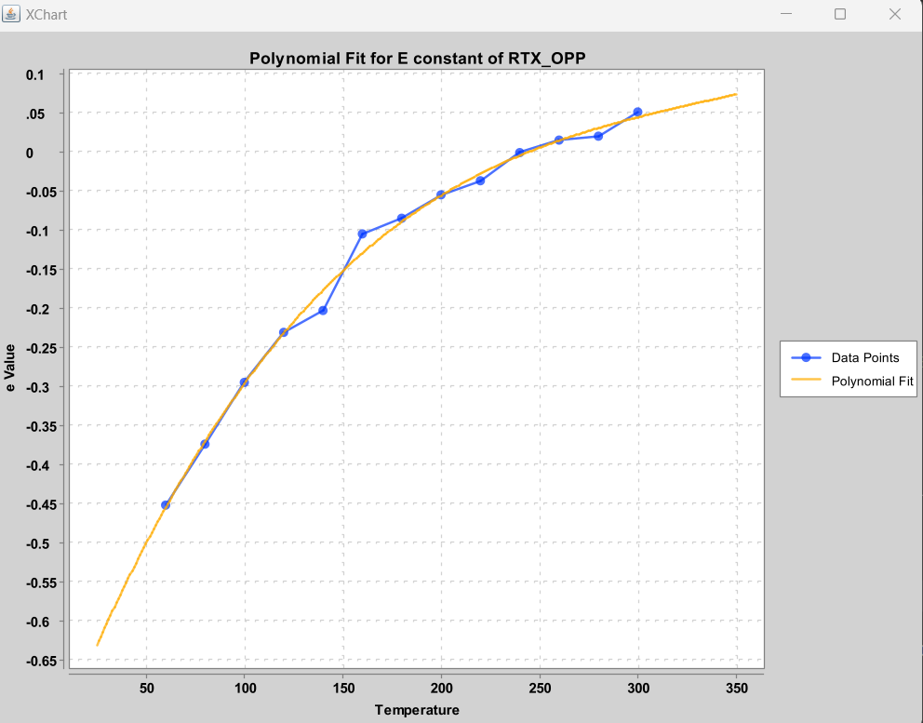
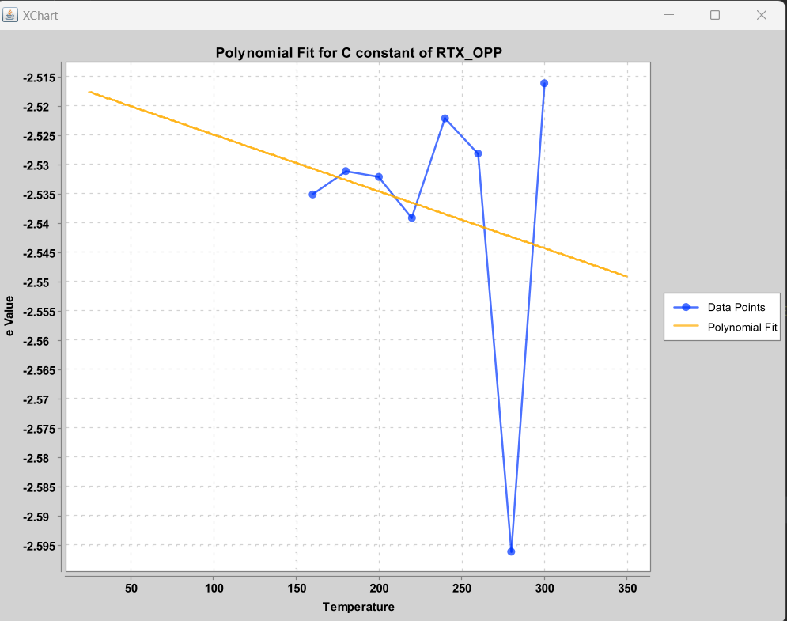

 |  |  |  |  |  |  | NO USEFUL FIT for all data. Only use data after 160 degrees C. Estimate as constant value of -2.53 for c.
 |  |  |  |  |  |  | Use 0.15 micrometer column film thickness

DB_225
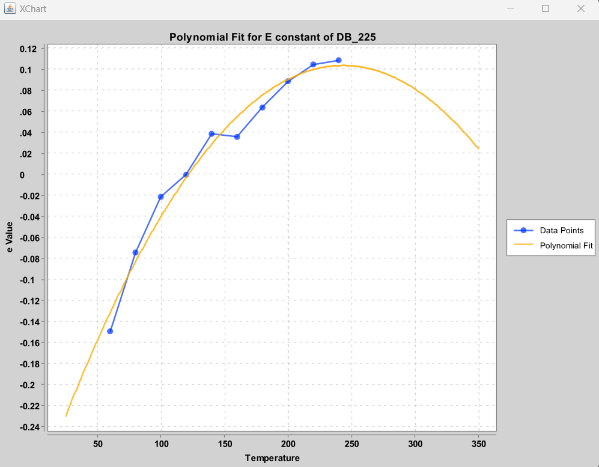
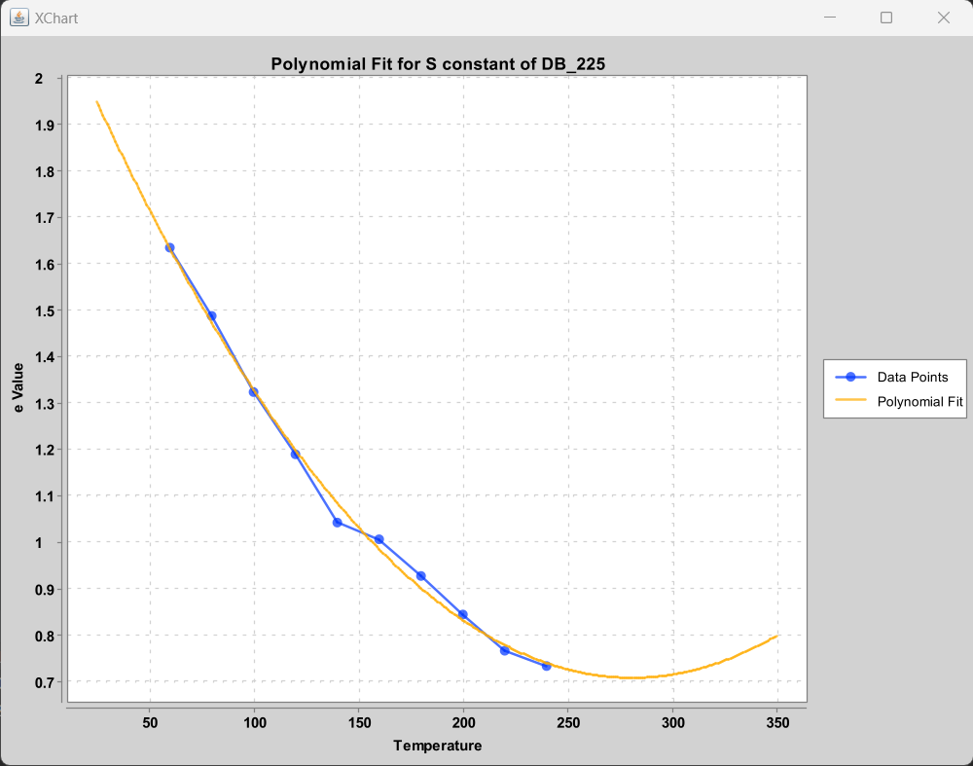
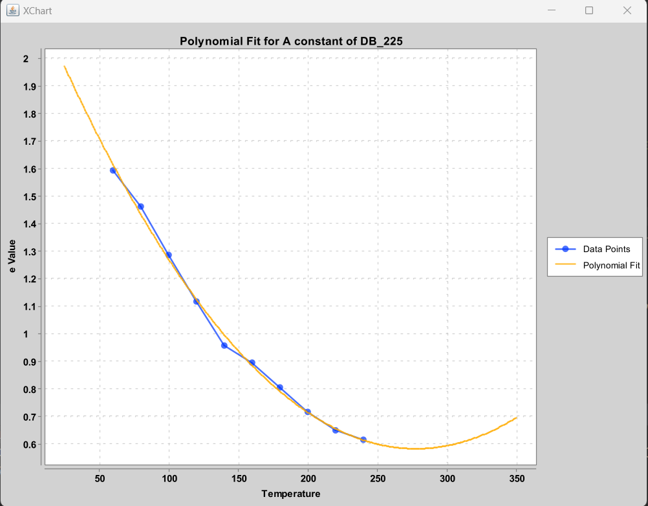
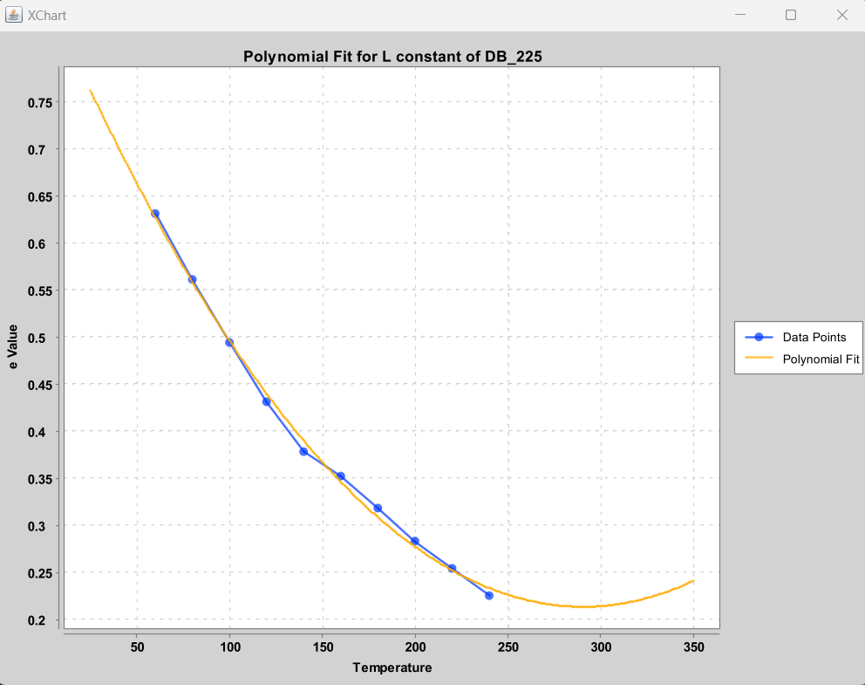
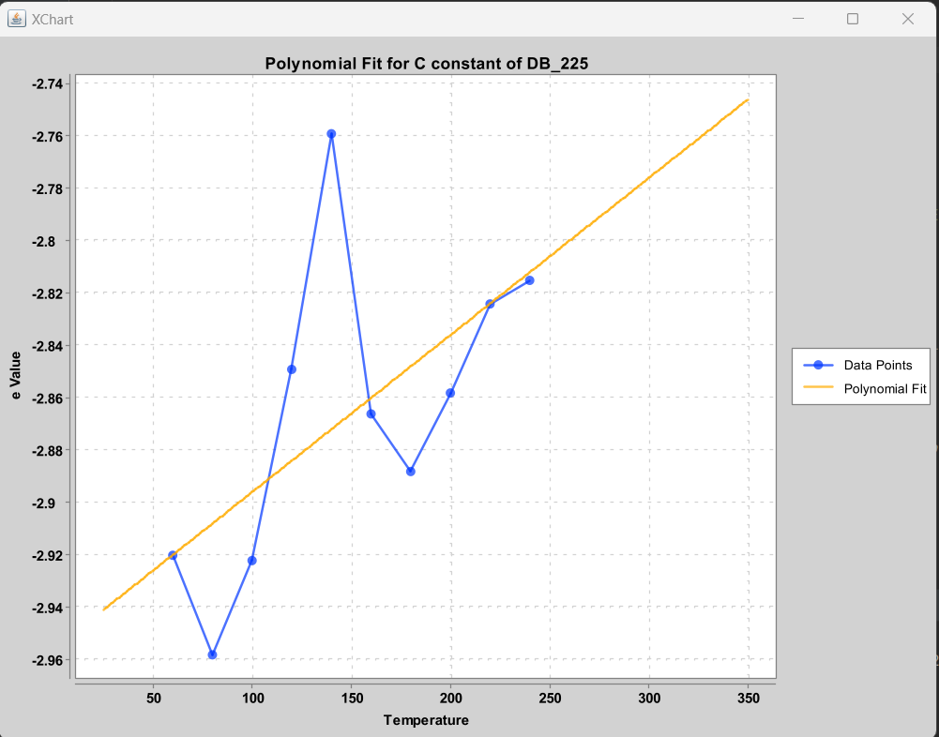

Logistic curve would have been more appropriate, however, max temp = 240… so irrelevant past that temp

HP_INNOWAX
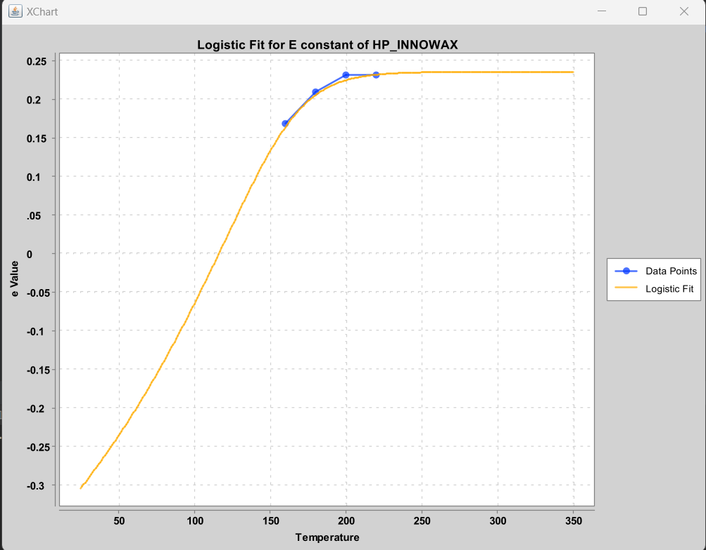
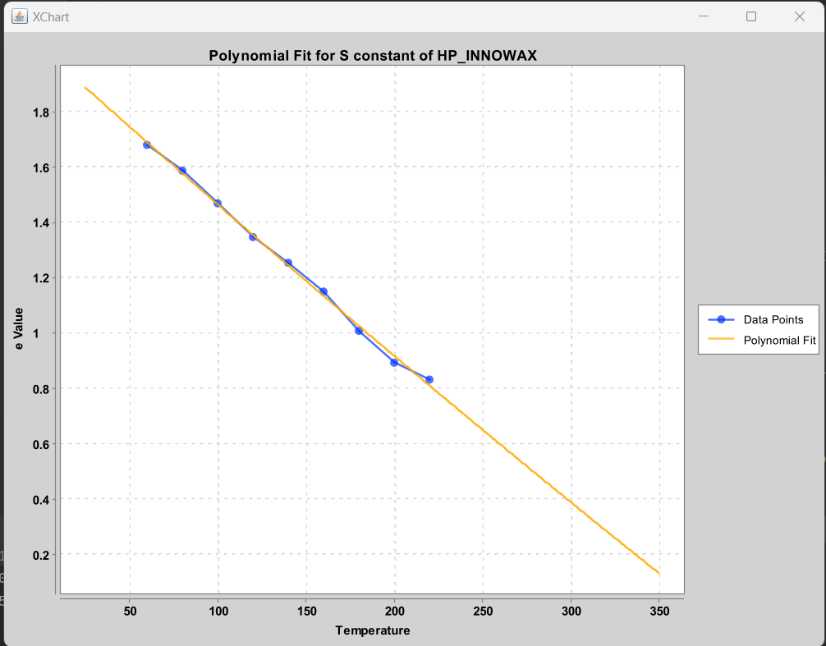
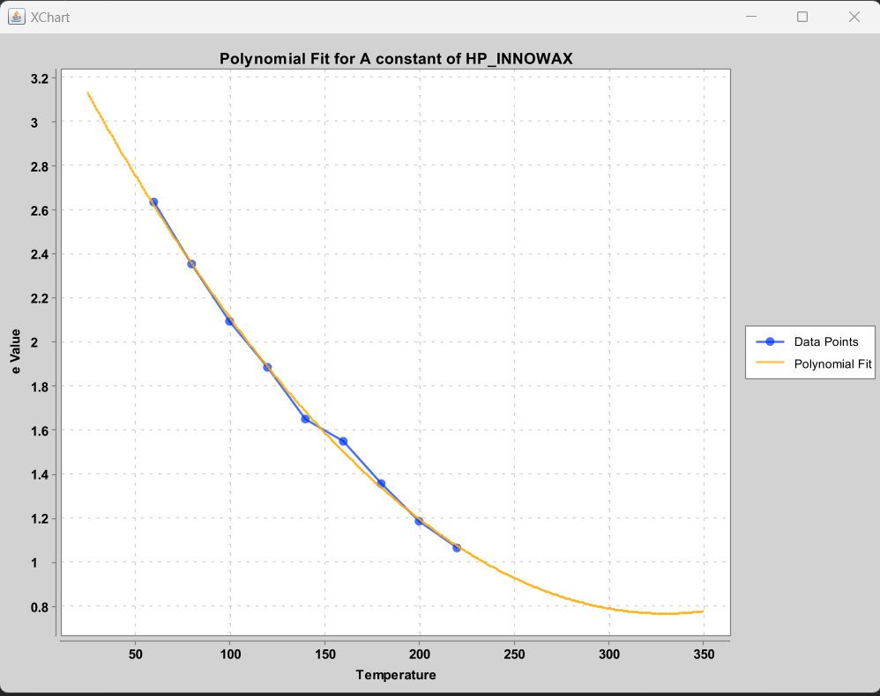
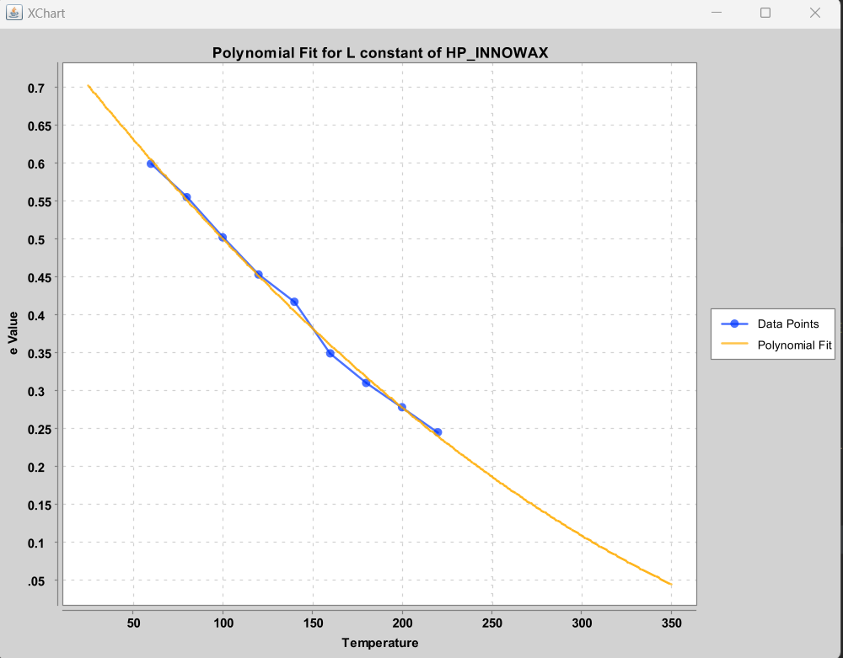
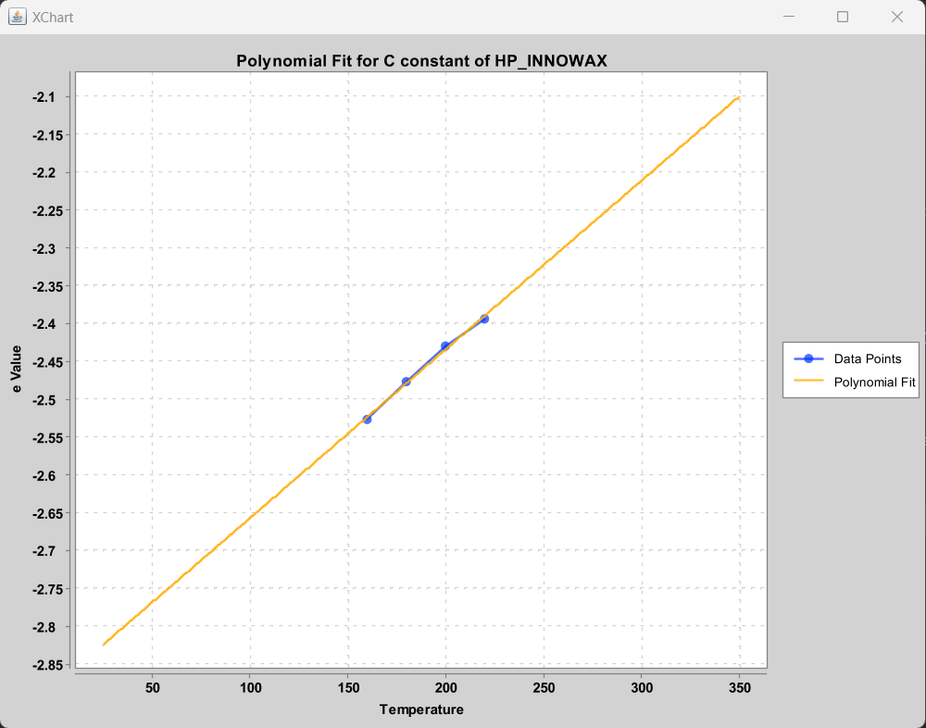

Really not a great fit for any data…..
 |  |  |  |  |  |  | Only using data from 1 um film thickness (160-220)

LSER Column Constants
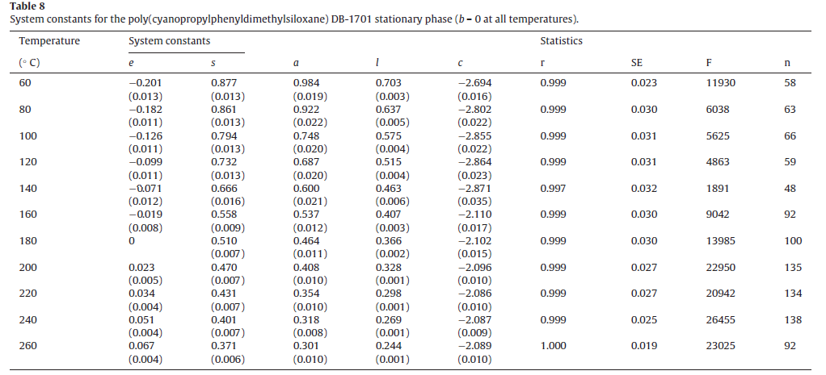
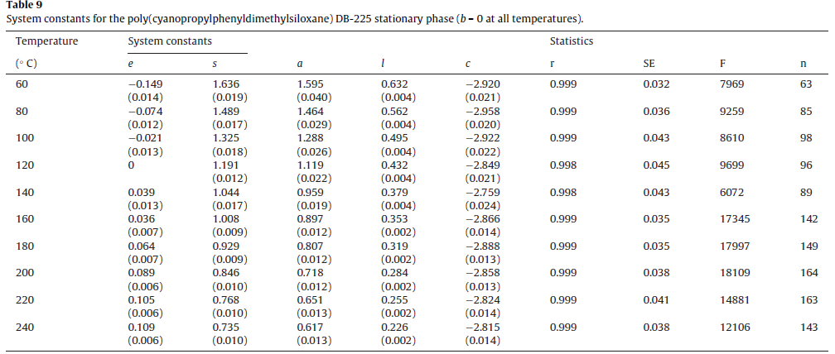
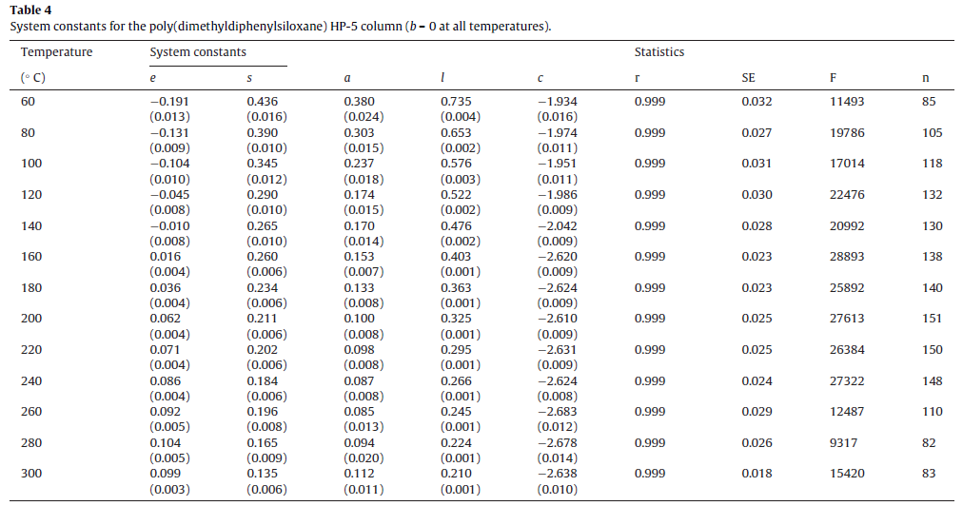
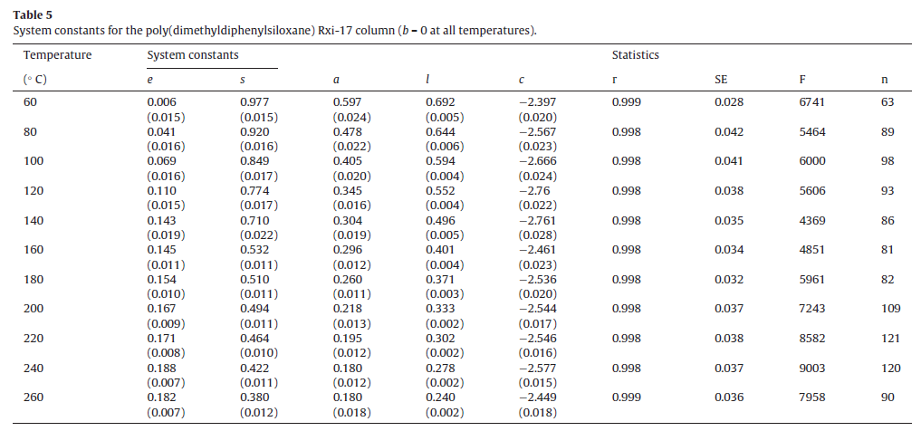
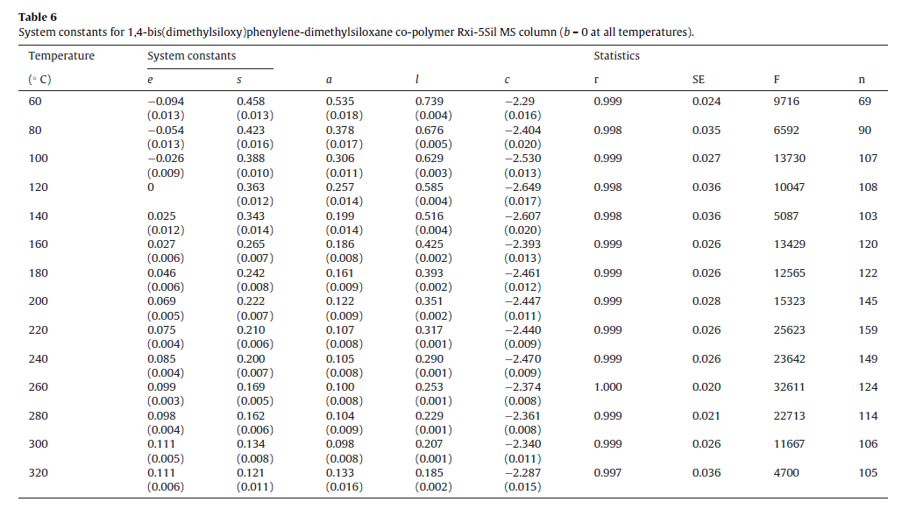
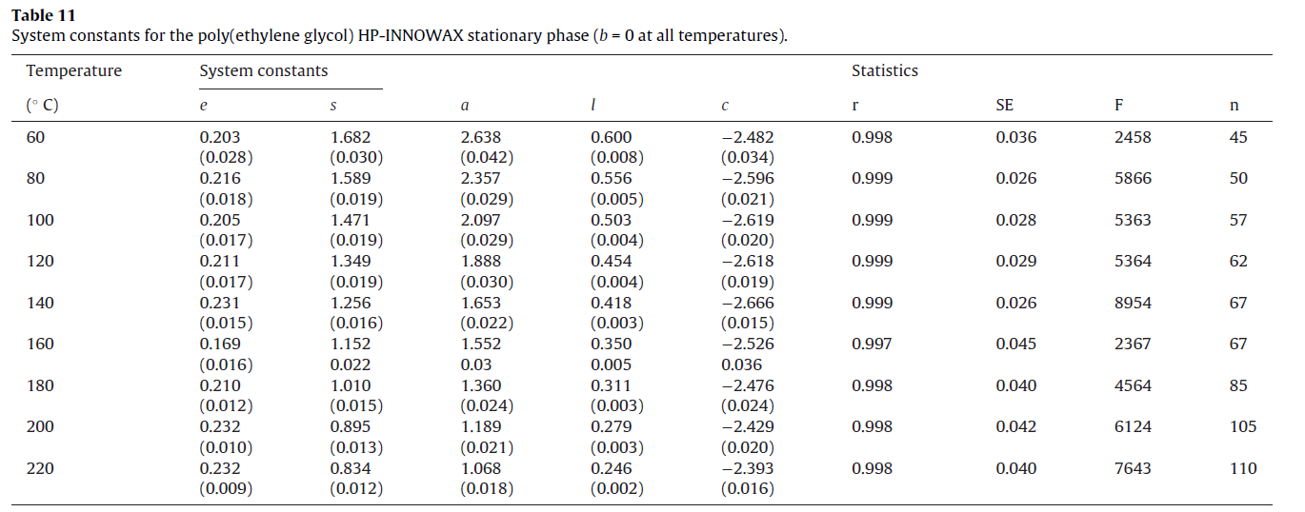





more positive term = longer retention time

more negative term = shorter retention time

COA Validations




