Cover
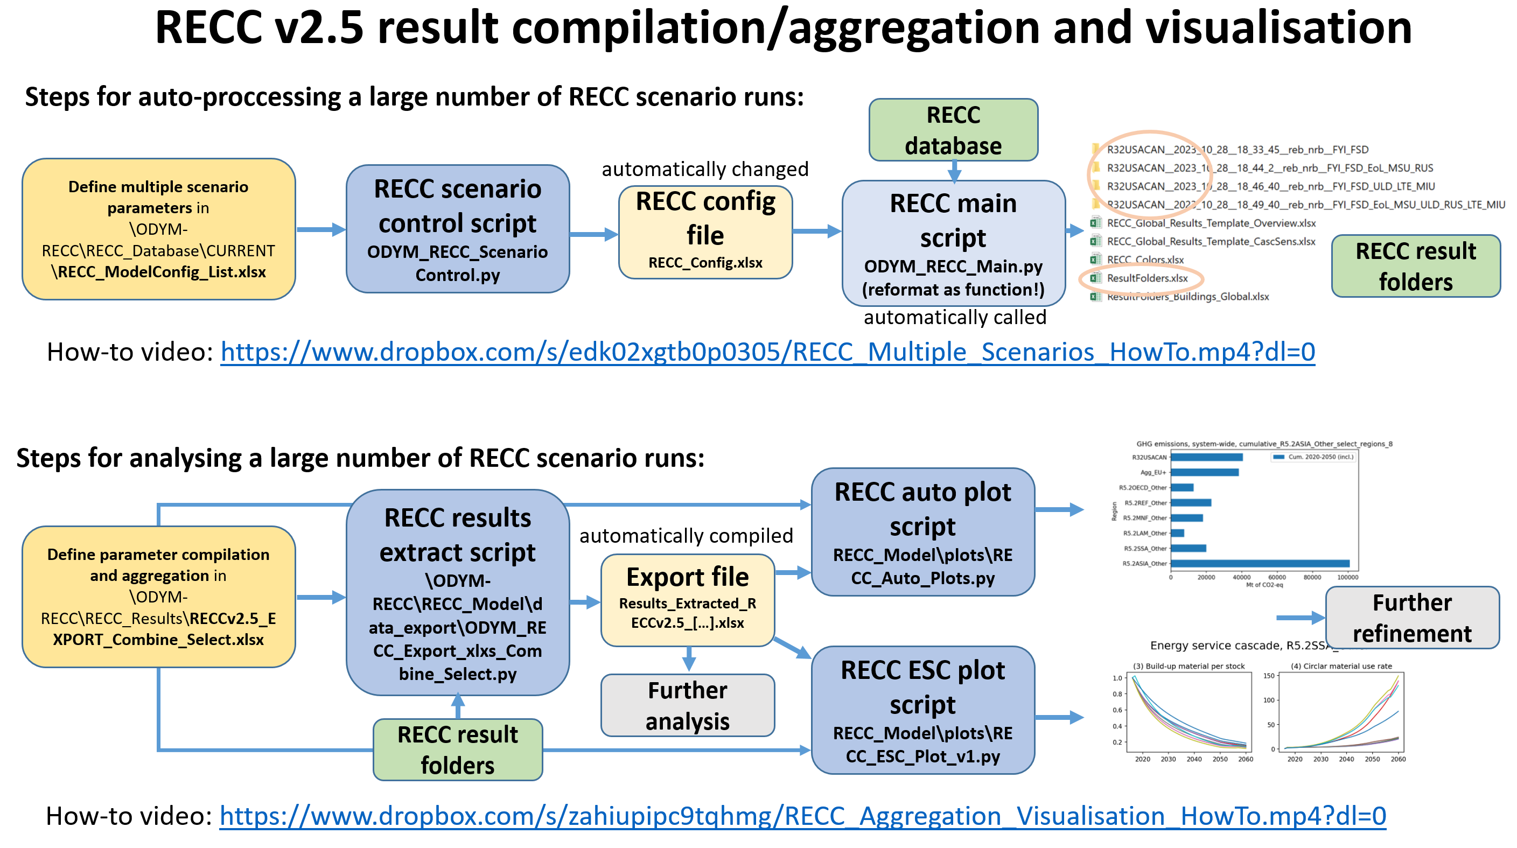
 |  | Other: | RECC_Export_GlobalBld | Export_GlobalBld_Figs
SelectSheet: | Export_GlobalBld_Figs |  | RECC_Export_CRAFT | RECC_Export_CIRCOMOD
 |  |  | RECC_Export_SingleCountriesWood | RECC_Export_EDITS
Model ID to be inserted in exported documents: | RECC v2.5 |  | Subregion_extract_example | RECC v2.5 5f0dc6e
Date to be inserted in exported documents: | March 9th, 2024 |  | RECC_Export_Berrill_Comparison

Purpose: From several regional model runs for different sectors, extract (and partly calculate) regional totals. Aggregate different indicators into a single one where reasonable. Optional: create standard plots.

Application 1: This file loads data from a number of RECC scenarios (as defined in list),
to be loaded by ODYM_RECC_Export_xlxs_Combine_Select.py to parse a number of results and then compiles them into an excel workbook/csv file for checking and plotting.

Application 2: Configure standard plots to be generated by RECC_Auto_Plots.py

Application 3: Configure energy service cascade plots to be generated by RECC_ESC_Plot_v1.py

Features: This script takes results from single or multi-regional model runs to
extract single-region results or aggregate into smaller world regions (like Europe or Asia).
Aggregate different indicators into a single one, like different building types
Extract single-region indicators from aggregate region model runs

Detailed instructions: See the How To sheet.
Required specifications for xlsx compilation and for plots
Required specifications for xlsx compilation and for plots, a bit tricky, don't hesitate to seek advice!
Optional specifications
Required specifications for overview plots
Required specifications for energy service cascade plots

How-to video multi-scenario runs | https://www.dropbox.com/s/edk02xgtb0p0305/RECC_Multiple_Scenarios_HowTo.mp4?dl=0
How-to video aggregation and visualisation | https://www.dropbox.com/s/zahiupipc9tqhmg/RECC_Aggregation_Visualisation_HowTo.mp4?dl=0

