Instructions
To create a Weight, Target Weight and BMI Tracker Dashboard Chart, go to the Weight Detail worksheet.

Fill in all the red text shown below:

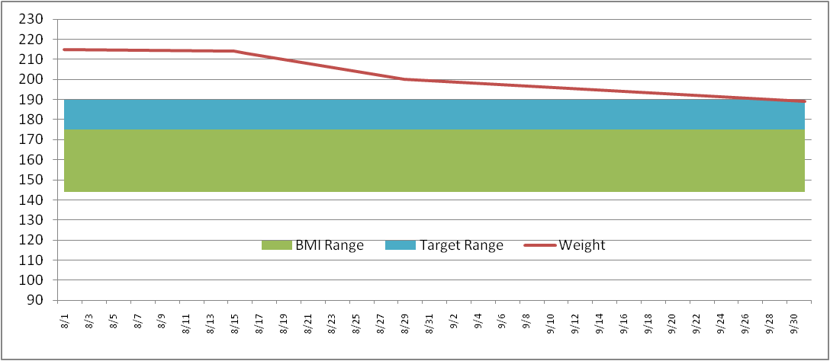
Enter in your NEAREST height in Inches (minimum 58 inches)
Height (inches) | 70

Then enter your target weight range minimum and maximum
Target Weight
Min | 175
Max | 185

Then fill in your last and most current weigh in dates and weight
Date | Weight | BMI Low | BMI Range | Target Low | Target Range
2011-09-01 | 215 | 136 | 36 | 175 | 10
2011-09-02 | 214

This will then build your chart ==================================>
* Current weight line (Red line)
* Target weight range (Blue band)
* Normal BMI weight range (Green band)
The Chart is dynamic and will keep expanding for every date/weight you enter

Weight Detail
Date | Weight | BMI Low | BMI Range | Target Low | Target Range |  | >= 58 Inches
2024-02-01 | 147 | 132 | 35 | 177 | 11 | Height (inches) | 70
2024-02-04 | 148 | 132 | 35 | 177 | 11 | Target Weight | 5 ft 10 in | Normal BMI Range
2024-02-12 | 149 | 132 | 35 | 177 | 11 | Min | 177 | Min | 132
2024-02-15 | 168 | 132 | 35 | 177 | 11 | Max | 188 | Max | 167
2024-02-17 | 174 | 132 | 35 | 177 | 11
2024-02-19 | 177 | 132 | 35 | 177 | 11 | Current Weight | 188 | Current Weight | 188
2024-02-22 | 180 | 132 | 35 | 177 | 11 | Starting Weight | 147 | Previous Weight | 185
2024-02-25 | 185 | 132 | 35 | 177 | 11 | Weight Loss | 41 | Weight Loss | 3
2024-02-28 | 188 | 132 | 35 | 177 | 11

BMI Graph

Weight Chart
Weight Chart
 | BMI Low | BMI Range | Target Low | Target Range | Weight
2/1/2024 | 132 | 35 | 177 | 11 | 147
2/4/2024 | 132 | 35 | 177 | 11 | 148
2/12/2024 | 132 | 35 | 177 | 11 | 149
2/15/2024 | 132 | 35 | 177 | 11 | 168
2/17/2024 | 132 | 35 | 177 | 11 | 174
2/19/2024 | 132 | 35 | 177 | 11 | 177
2/22/2024 | 132 | 35 | 177 | 11 | 180
2/25/2024 | 132 | 35 | 177 | 11 | 185
2/28/2024 |  |  |  |  | 188

