Que. 10
Quareterly Sales by Product
Que. 10 Create a data series and use it to generate a category-based chart using the chart wizard
Product | Sales Q1 | Sales Q2 | Sales Q3 | Sales Q4
Laptop | 4400 | 22900 | 65000 | 88000
SmartPhone | 33000 | 34000 | 34000 | 99000
Tablet | 13230 | 5560 | 44000 | 22000
Desktop | 3300 | 80000 | 55884 | 44000
HeadPhones | 5500 | 7500 | 99000 | 66000

Que. 11
Quarterly Sales
Que. 11 Adjust the data in an existing chart and explore how this affects the visualization. Change the formatting of the chart for a more professional presentation.
Product | Sales Q1 | Sales Q2 | Sales Q3 | Sales Q4
Laptop | 4400 | 22900 | 65000 | 88000
SmartPhone | 33000 | 34000 | 34000 | 99000
Tablet | 13230 | 5600 | 45000 | 22000
Desktop | 3300 | 80000 | 55884 | 44000
HeadPhones | 5500 | 7500 | 99000 | 66000

Que. 12
Que. 12 Combine different types of charts (e.g., bar and line charts) in the same chart to display multiple data trends
Product | Q1 Sales (₹) | Q2 Sales (₹) | Q3 Sales (₹) | Q4 Sales (₹) | Q1 Profit (₹) | Q2 Profit (₹) | Q3 Profit (₹) | Q4 Profit (₹)
Laptop | 12000 | 15000 | 13000 | 14000 | 3000 | 4000 | 3500 | 3800
Desktop | 15000 | 17000 | 16000 | 18000 | 5000 | 6000 | 5500 | 5800
SmartPhone | 8000 | 9000 | 8500 | 8800 | 2000 | 2200 | 2100 | 2300
Tablet | 13000 | 12000 | 13500 | 14500 | 4000 | 3500 | 4200 | 4500
Headphones | 11000 | 10000 | 11500 | 12000 | 2800 | 2500 | 3000 | 3200
Quarterly Sales and Profit Trends
 | Laptop | Desktop | SmartPhone | Tablet | Headphones
Q1 Sales (₹) | 12000 | 15000 | 8000 | 13000 | 11000
Q2 Sales (₹) | 15000 | 17000 | 9000 | 12000 | 10000
Q3 Sales (₹) | 13000 | 16000 | 8500 | 13500 | 11500
Q4 Sales (₹) | 14000 | 18000 | 8800 | 14500 | 12000
Q1 Profit (₹) | 3000 | 5000 | 2000 | 4000 | 2800
Q2 Profit (₹) | 4000 | 6000 | 2200 | 3500 | 2500
Q3 Profit (₹) | 3500 | 5500 | 2100 | 4200 | 3000
Q4 Profit (₹) | 3800 | 5800 | 2300 | 4500 | 3200

Que. 16
Que. 16 Generate a Pivot Chart based on the Pivot Table data to visually represent the summarized information
 | Values
Row Labels | Sum of Math | Sum of English | Sum of Science | Sum of Social Science
Ansh Dave | 87 | 81 | 86 | 54
Bansari Patel | 66 | 52 | 63 | 55
Dipti Parmar | 36 | 88 | 83 | 32
Heer Gohil | 45 | 83 | 35 | 63
Hetansh Gohil | 69 | 68 | 35 | 58
Himakshi Rathod | 55 | 39 | 92 | 42
Krish Desai | 33 | 59 | 88 | 38
Mayur Solanki | 67 | 54 | 57 | 53
Purav Parikh | 44 | 47 | 56 | 73
Pushti Panchal | 54 | 64 | 63 | 66
Grand Total | 556 | 635 | 658 | 534

Que. 19
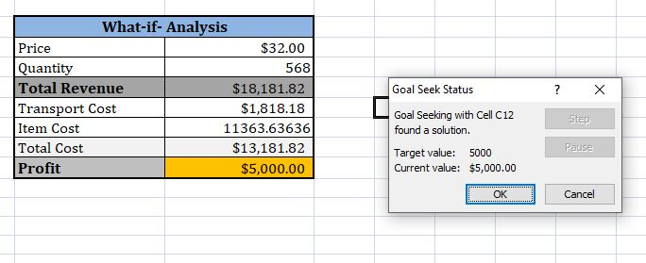
Que. 19 Conduct a "what-if" analysis using Goal Seek to find the input needed to achieve a specific outcome

 | What-if- Analysis
 | Price | $32.00
 | Quantity | 100
 | Total Revenue | $3,200.00
 | Transport Cost | $320.00
 | Item Cost | 2000
 | Total Cost | $2,320.00
 | Profit | $880.00

Que. 20
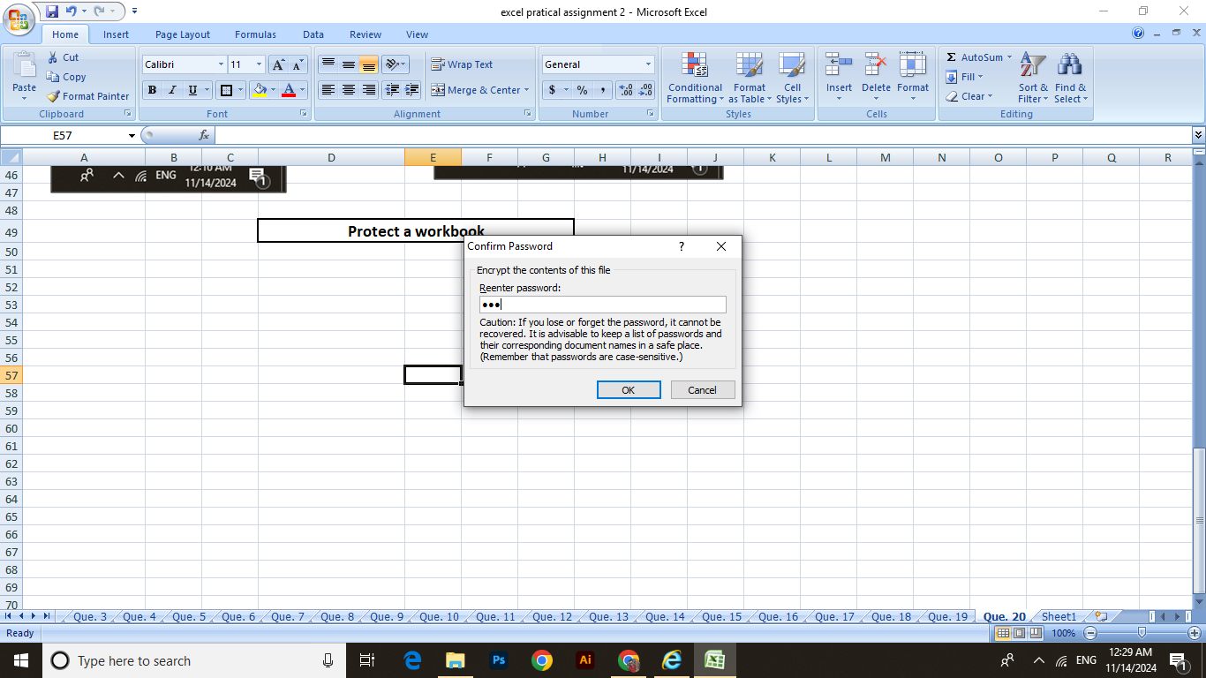
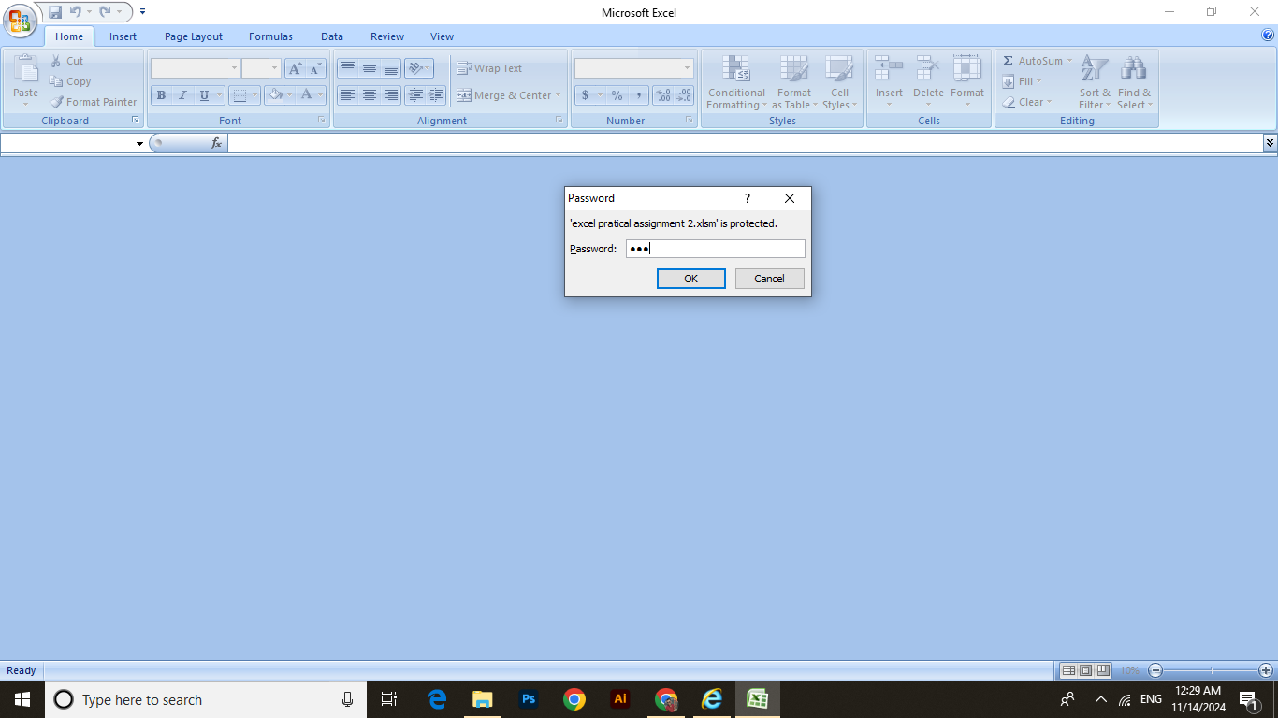
Que. 20 Protect a worksheet and workbook, set a password, and demonstrate how to unprotect it.
 | Protect a worksheet
 |  | Password : 123
ReEnter a Password
Protected Worksheet
Right Click on Worksheet
Enter a Password

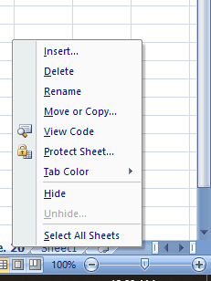
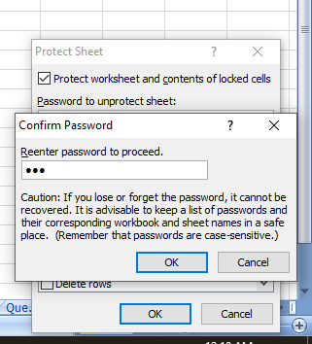
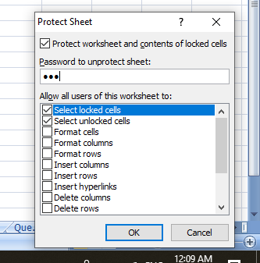

 |  | UnProtect a worksheet
Right Click on Worksheet
Enter the Password Then Click Ok

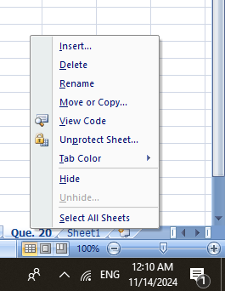
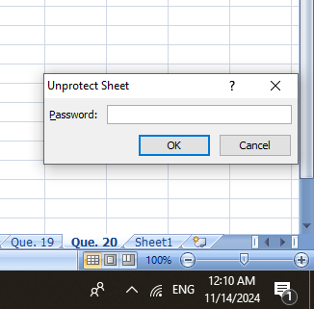

 |  | Protect a workbook
Click on File menu then click Encyrpt Document
Enter password

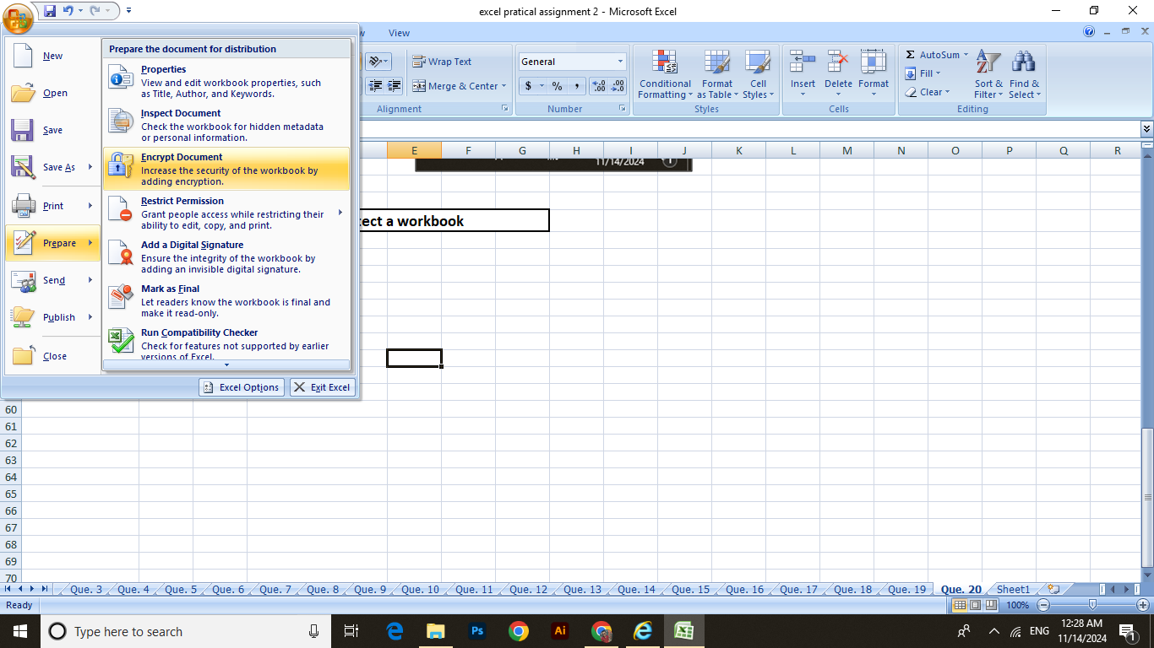


Re Enter password then Ok
Protected workbook

