Sheet1
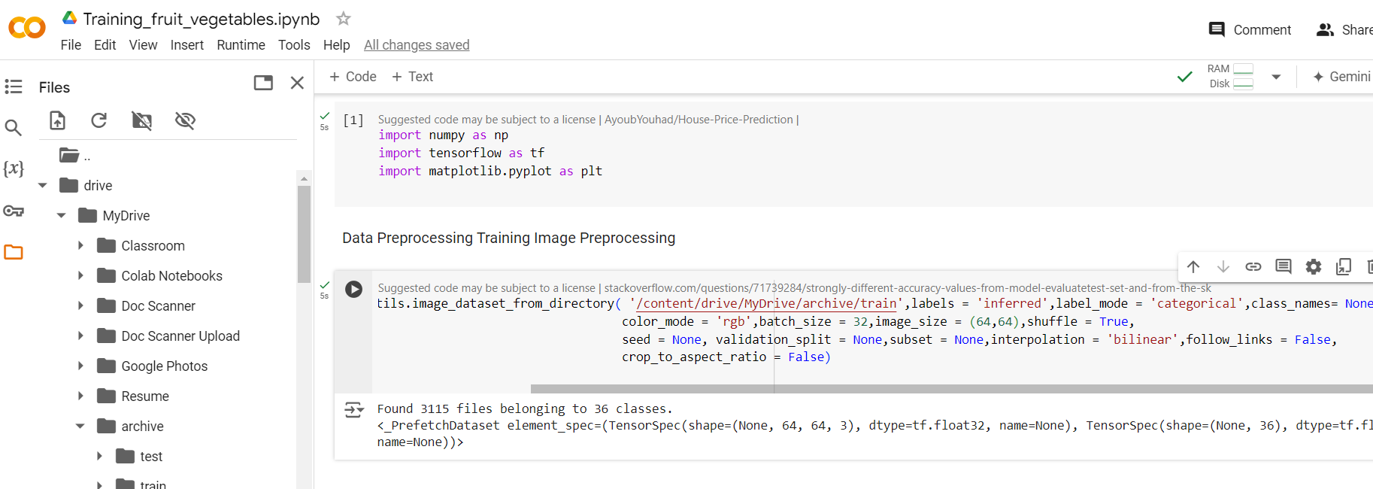
1 | Exercise files
 | https://github.com/linkedinlearning/learning-git-github-2421501

 | 1 | Import dataset in colab from google drive
 | 2 | Data preprocessing using keras API
 |  | Validation dataset is used for model tuning and tes dataset is used for model testing
 |  | https://keras.io/api/data_loading/image/ | This document helped me to understand the meaning of each arguments

Sheet3
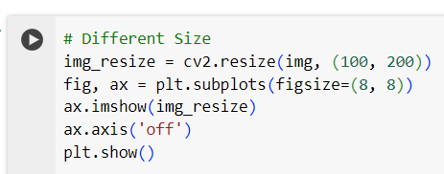
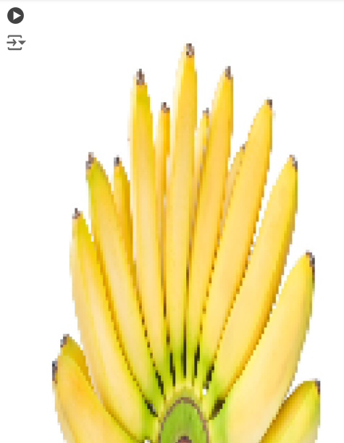
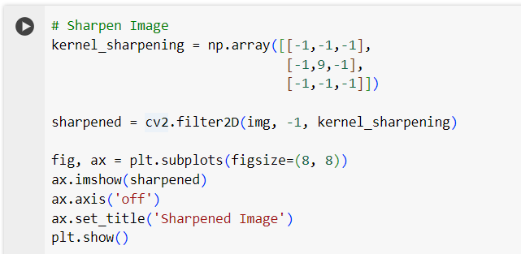
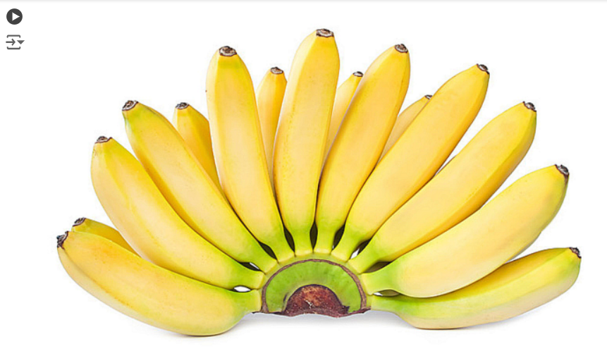
Image Preprocessing using Matplotlib and Open CV
matplotlib has functionality that can interact with images

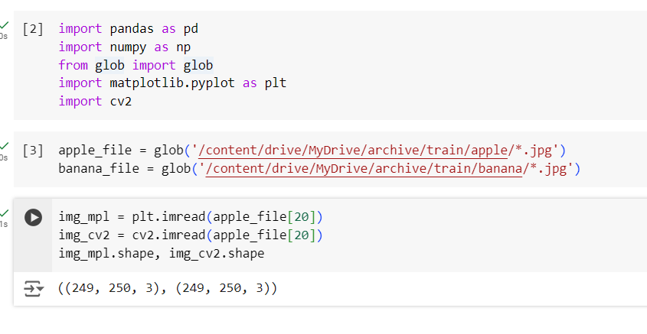

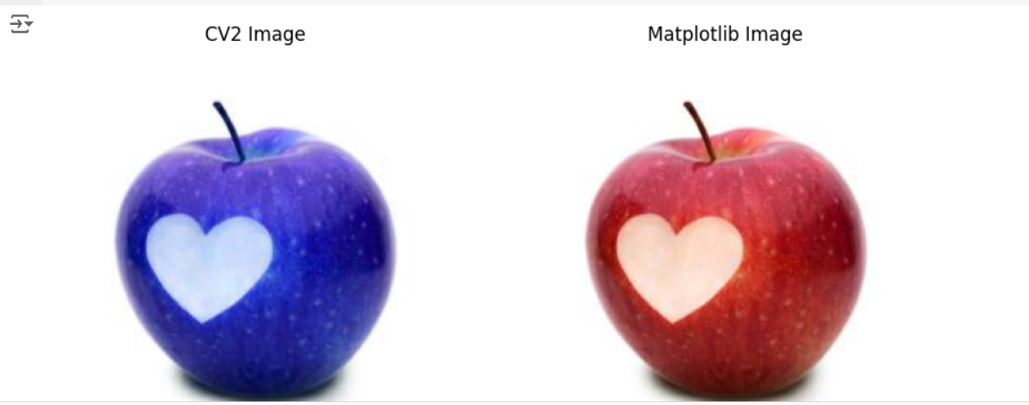
when we read the data it is in type numpy array and shape of it s dimensions
Image Array | (height,width,channel) | pixel value ranges from 0 to 252
We generally divide array by 255 to make it look normal between 0 and 1
Flatten the numpy array as series

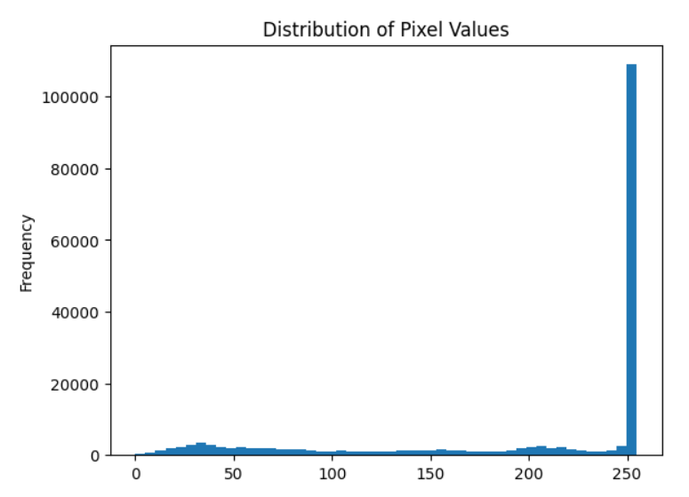

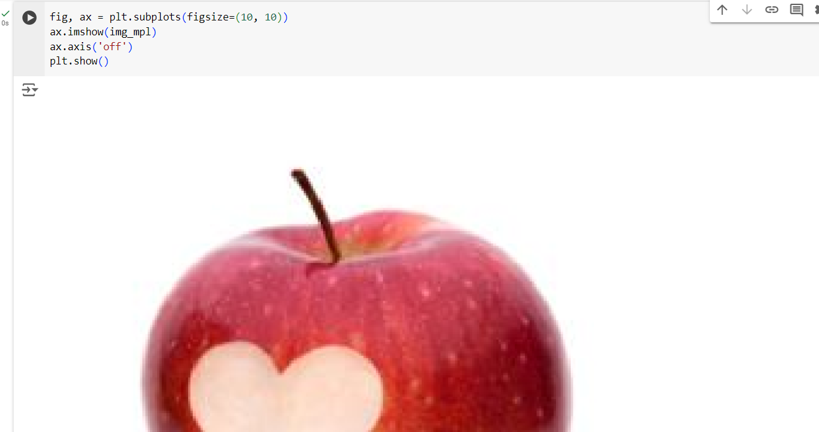

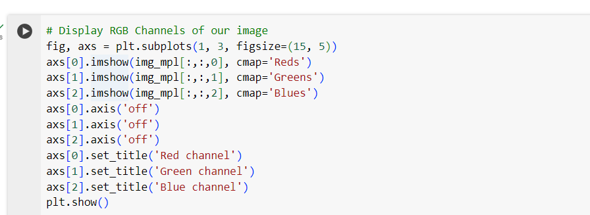

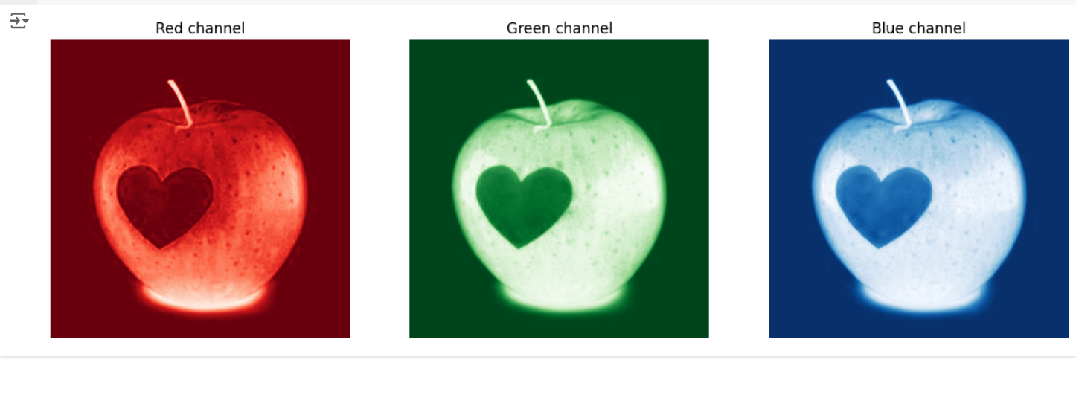

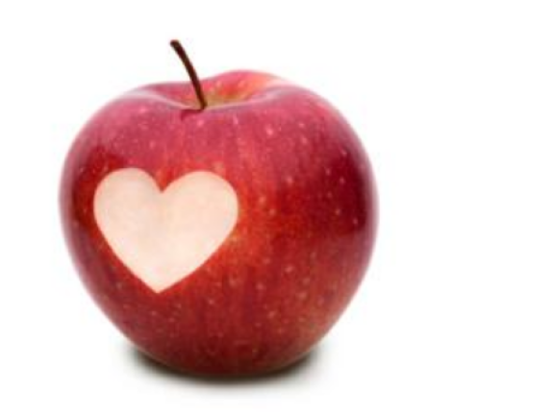

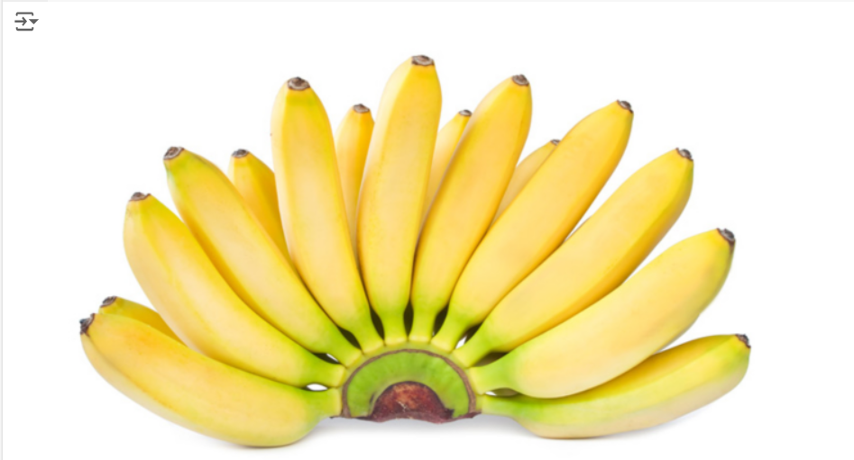

 | Resizing and scaling

