Emission_Factors_NaturalGas_Ex
Process to get fuel emission factors from AP-42

Step 1 | Identify the reference table to look-up emission factors for a given fuel (here: Natural gas)

Natural Gas | AP-42: Reference 11. TABLE 1.4-1. and 1.4-2.
 | https://www.epa.gov/sites/default/files/2020-09/documents/1.4_natural_gas_combustion.pdf

 | NOx (Nitrogen Oxides) |  |  |  | SO2 (Sulfur Oxide)
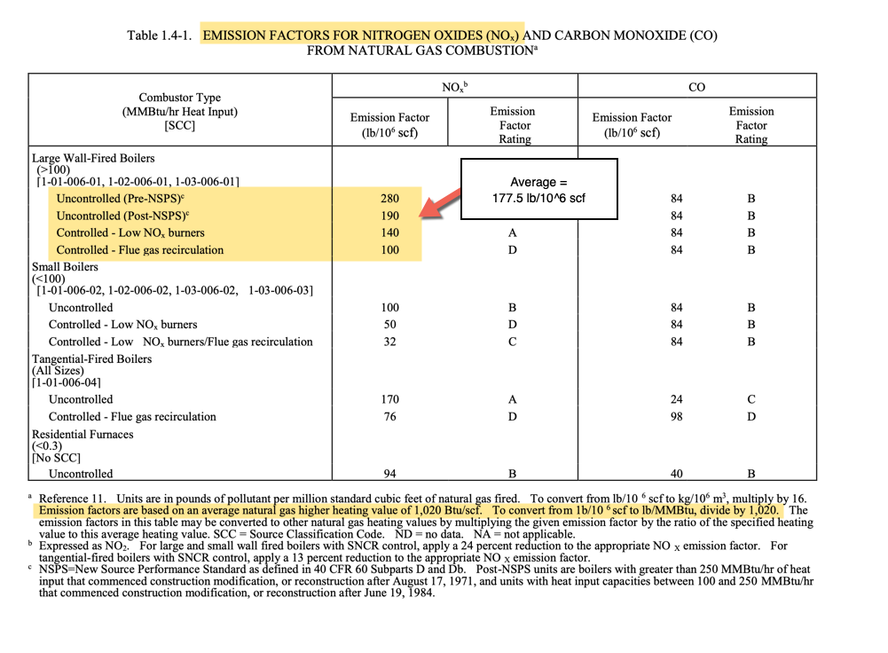
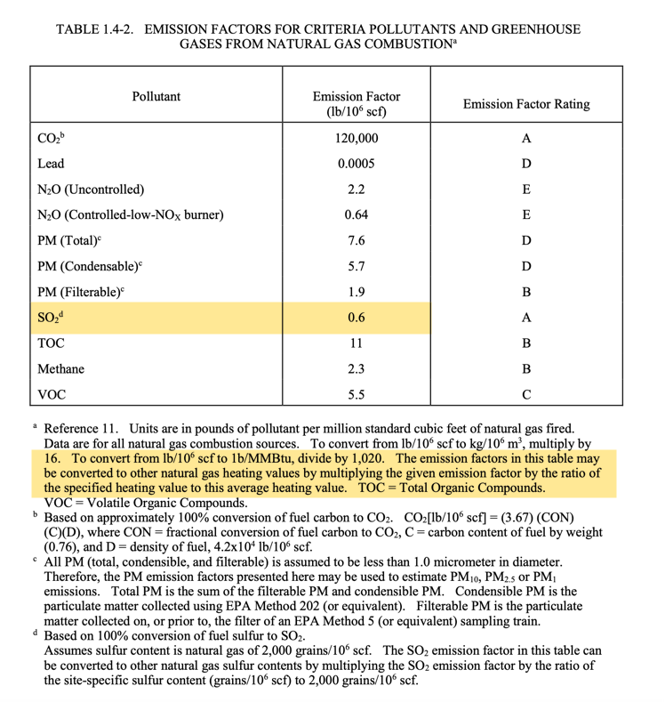

Step 2 | Convert emission factor values from lb to kg

 | Note: for NOx we are taking a average value across all boilers included in the Large Wall-Fired Boilers category

 | 1lb | 0.453592 | kg

 | NOx |  | SO2
 | lb | kg | lb | kg
 | 177.5 | 80.51258 | 0.6 | 0.27215520

Step 3 | Calculate energy in MMBtu for 10^6 scf

 | Natural gas high heative value (per table reference)
 | 1020 | Btu/scf

 | 10^6 scf * 1020 Btu/scf = 1020*10^6 Btu = 1020 MMBtu

Step 4 | Calculate final emission factor in kg/MMBtu

 | NOx |  | SO2
 | 80.51258 | kg | 0.2721552 | kg
 | 1020 | MMBtu | 1020 | MMBtu
 | 0.078933901961 | kg/MMBtu | 0.00026681882353 | kg/MMBtu

Fuel_Emission_Factors_CO2_EricM
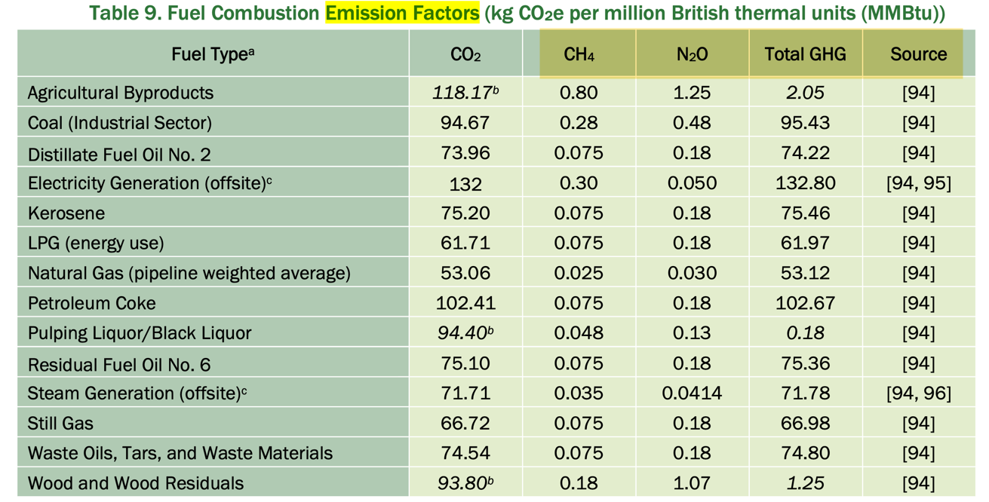
IAC energy source type | Code | CO2
Natural Gas | E2 | 53.06
L.P.G | E3 | 61.71
#1 Fuel Oil (similar to kerosene) | E4 | 75.20
#2 Fuel Oil (diesel fuel) | E5 | 73.96
#4 Fuel Oil (a blend of distillate and residual fuel oils - diesel, distillate or residual fuel oil) | E6 | 74.75
#6 Fuel Oil (residual fuel oil or heavy fuel oil) | E7 | 75.10
Coal | E8 | 94.67
Wood | E9 | 93.80
Paper | E10 | 93.80
Other Gas | E11 | 66.72
Other Energy | E12 | 76.28

Fuel type | CO2
Agricultural Byproducts | 118.17
Coal (Industrial Sector) | 94.67
Distillate Fuel Oil No. 2 | 73.96
Electricity Generation (offsite) | 132
Kerosene | 75.2
LPG (energy use) | 61.71
Natural Gas (pipeline weighted average) | 53.06
Petroleum Coke | 102.41
Pulping Liquor/Black Liquor | 94.4
Residual Fuel Oil No. 6 | 75.1
Steam Generation (offsite)c | 71.71
Still Gas | 66.72
Waste Oils, Tars, and Waste Materials | 74.54
Wood and Wood Residuals | 93.8
https://www.energy.gov/sites/default/files/2022-03/2018_mecs_footprint_definitions.pdf

