Sheet1
 |  | Value | dPWM1 | dPWM2 | dPWM3 | count1 | count2 | count3 | t1 | t2 | t3 | Note
BF | MFR_DELTA_SOFTSTART_IRQ_RATE_SEL | 7
C0 | MFR_DELTA_SOFTSTART_PWM_STEPSIZE | 030705 | 5 | 7 | 3 |  |  |  |  |  |  | LSB = 0.3906%. Step size set 0 to 15 is sufficient, so you can use 4 bits to define one slope. In this example I'm still using one byte for each slope
C1 | MFR_DELTA_SOFTSTART_CYCLE_COUNT | 0E150B |  |  |  | 11 | 21 | 14 |  |  |  | LSB = 8 cycles. Step count is less important, can be simplified to one byte and combined with 0xC0
C2 | MFR_DELTA_SOFTSTART_TIME | 100C08 |  |  |  |  |  |  | 08 | 0C | 10 | LSB= 0.25ms, each slope can be set up to 255*0.25ms = 63.75ms
 |  |  |  |  |  |  |  |  | 2 | 3 | 4 | ms
Fsw= | 320 | kHz
Tsw= | 3.125 | us
duty_LSB= | 0.39%
MAX_DUTY= | 96.50%
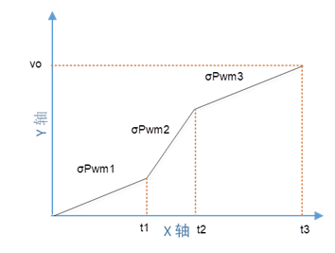
int_irq_sel | 64

 |  |  | σPWM1 | σPWM2 | σPWM3
 |  | Duty slope (σPWM) | 1.95% | 2.73% | 1.17%

 |  | Duty_start= | 0.00% | 21.48% | 78.90%
 |  | total duty incremented= | 21.48% | 57.42% | 16.41%
 |  | Duty_end= | 21.48% | 78.90% | 95.31%

 |  |  | t1 | t2 | t3
 |  | Actual t (us) = | 2,200 | 4,200 | 2,800

 |  | TOTAL STARTUP TIME (us) | 9,200

