Variants
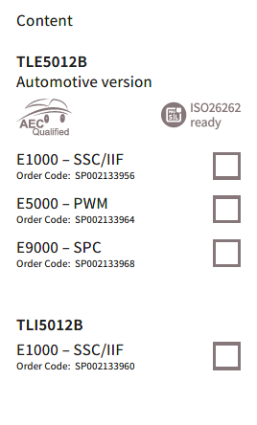
Project: |  | Angle2go Kit - TLx5012b
Hardware version: |  | V2.0
No. of assembly variants: |  | 4

Variant No. | Variant Name | Description
1 | TLE5012b - E1000 | Angle2go kit v2.0 assembled with TLE5012b - E1000 automotive IIF version
2 | TLE5012b - E5000 | Angle2go kit v2.0 assembled with TLE5012b - E5000 automotive PWM version
3 | TLE5012b - E9000 | Angle2go kit v2.0 assembled with TLE5012b - E9000 automotive SPC version
4 | TLI5012b - E1000 | Angle2go kit v2.0 assembled with TLI5012b - E1000 industrial IIF version

Notes: there is only one hardware design and one set of gerbers. The difference between the four variants is in the assembly of one part: the target sensor TLX5012b - Exxx. In addition, the paper box shall be marked (by hand, or by tool) with the correct version included inside- see the picture below. It is acceptable to mark with "x" or with check mark. The BOM for each variant is descried in the next four sheets independently

