Expansion Project
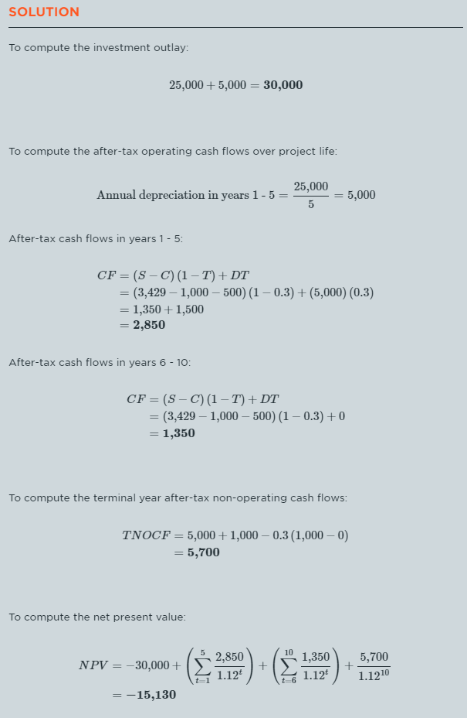
Time | Sales | Expenses | Book Value | Depreciation | Salvage Value | Cash Flows | Cash Flows (TVM) | Terminal Yr Non-Op CFs | Terminal Yr Non-Op CFs (TVM) | NPV
0 | 0.00 | 0.00 | 25000.00 | 0.00 | 0.00 | 0.00 | 0.00 | 0.00 | 0.00 | -30000.00
1 | 3429.00 | 1500.00 | 20000.00 | 5000.00 | 0.00 | 2850.30 | 2544.91 | 0.00 | 0.00 | -27455.09
2 | 3429.00 | 1500.00 | 15000.00 | 5000.00 | 0.00 | 2850.30 | 2272.24 | 0.00 | 0.00 | -25182.85
3 | 3429.00 | 1500.00 | 10000.00 | 5000.00 | 0.00 | 2850.30 | 2028.79 | 0.00 | 0.00 | -23154.06
4 | 3429.00 | 1500.00 | 5000.00 | 5000.00 | 0.00 | 2850.30 | 1811.42 | 0.00 | 0.00 | -21342.64
5 | 3429.00 | 1500.00 | 0.00 | 5000.00 | 0.00 | 2850.30 | 1617.34 | 0.00 | 0.00 | -19725.31
6 | 3429.00 | 1500.00 | 0.00 | 0.00 | 0.00 | 1350.30 | 684.10 | 0.00 | 0.00 | -19041.20
7 | 3429.00 | 1500.00 | 0.00 | 0.00 | 0.00 | 1350.30 | 610.81 | 0.00 | 0.00 | -18430.40
8 | 3429.00 | 1500.00 | 0.00 | 0.00 | 0.00 | 1350.30 | 545.36 | 0.00 | 0.00 | -17885.03
9 | 3429.00 | 1500.00 | 0.00 | 0.00 | 0.00 | 1350.30 | 486.93 | 0.00 | 0.00 | -17398.10
10 | 3429.00 | 1500.00 | 0.00 | 0.00 | 1000.00 | 1350.30 | 434.76 | 5700.00 | 1835.25 | -15128.09

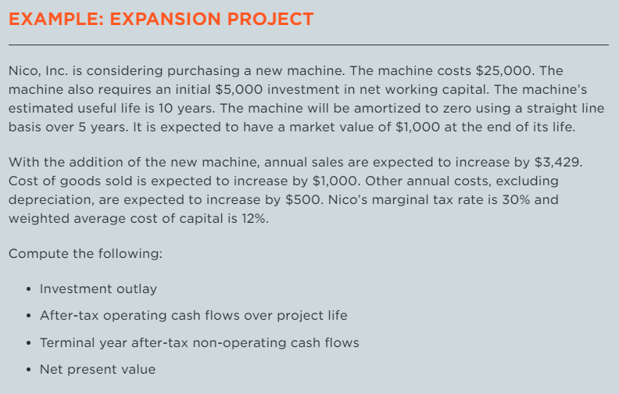
 |  |  |  |  |  |  |  |  | Fixed Capital Investment | 25000.00
 |  |  |  |  |  |  |  |  | Net Working Capital Investment | 5000.00
 |  |  |  |  |  |  |  |  | Initial Investment / Outlay | 30000.00

 |  |  |  |  |  |  |  |  | Cost of Capital | 12.00%
 |  |  |  |  |  |  |  |  | Tax Rate | 30.00%

Replacement Project
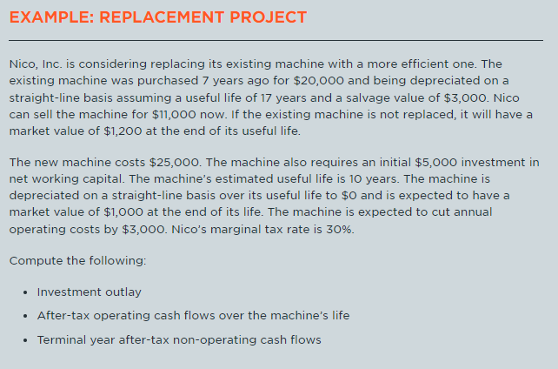
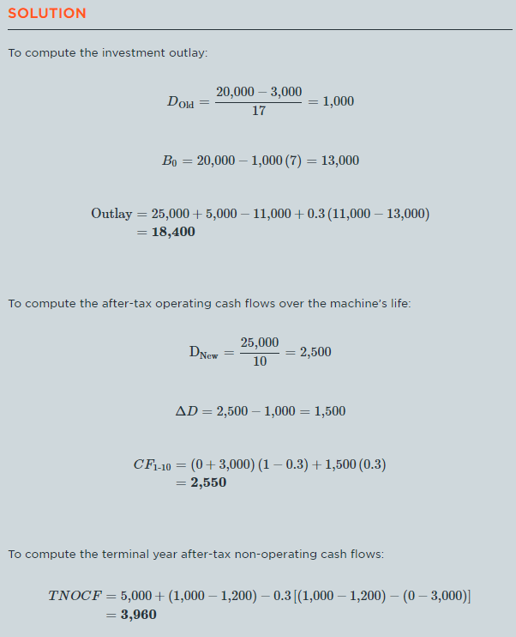
 | Old Machine |  |  |  |  | New Machine |  |  |  |  | Δ (New - Old)
Time | Sales | Costs | Book Val | Depr | Salvage | Sales | Costs | Book Val | Depr | Salvage | Δ Sales | Δ Costs | Δ Book Val | Δ Depr | Δ Salvage | CF | CF TVM | TNOCF | TNOCF_TVM | NPV
-7 |  |  | 20000.00 | 0.00
-6 |  |  | 19000.00 | 1000.00
-5 |  |  | 18000.00 | 1000.00
-4 |  |  | 17000.00 | 1000.00
-3 |  |  | 16000.00 | 1000.00
-2 |  |  | 15000.00 | 1000.00
-1 |  |  | 14000.00 | 1000.00
0 |  |  | 13000.00 | 1000.00 | 11000.00 |  |  | 25000.00 | 0.00 |  |  |  |  |  |  |  |  |  |  |  | Time 0
1 |  |  | 12000.00 | 1000.00 |  |  |  | 22500.00 | 2500.00 |  |  | -3000.00 | 10500.00 | 1500.00 |  | 2550.00 | 2276.79 |  |  |  | FC Inv | 25000.00
2 |  |  | 11000.00 | 1000.00 |  |  |  | 20000.00 | 2500.00 |  |  | -3000.00 | 9000.00 | 1500.00 |  | 2550.00 | 2032.84 |  |  |  | NWC Inv | 5000.00
3 |  |  | 10000.00 | 1000.00 |  |  |  | 17500.00 | 2500.00 |  |  | -3000.00 | 7500.00 | 1500.00 |  | 2550.00 | 1815.04 |  |  |  | Salvage Inlay | 11600.00
4 |  |  | 9000.00 | 1000.00 |  |  |  | 15000.00 | 2500.00 |  |  | -3000.00 | 6000.00 | 1500.00 |  | 2550.00 | 1620.57 |  |  |  | Initial Inv / Outlay | 18400.00
5 |  |  | 8000.00 | 1000.00 |  |  |  | 12500.00 | 2500.00 |  |  | -3000.00 | 4500.00 | 1500.00 |  | 2550.00 | 1446.94
6 |  |  | 7000.00 | 1000.00 |  |  |  | 10000.00 | 2500.00 |  |  | -3000.00 | 3000.00 | 1500.00 |  | 2550.00 | 1291.91 |  |  |  | Cost of Capital | 0.12
7 |  |  | 6000.00 | 1000.00 |  |  |  | 7500.00 | 2500.00 |  |  | -3000.00 | 1500.00 | 1500.00 |  | 2550.00 | 1153.49 |  |  |  | Tax Rate | 0.3
8 |  |  | 5000.00 | 1000.00 |  |  |  | 5000.00 | 2500.00 |  |  | -3000.00 | 0.00 | 1500.00 |  | 2550.00 | 1029.90
9 |  |  | 4000.00 | 1000.00 |  |  |  | 2500.00 | 2500.00 |  |  | -3000.00 | -1500.00 | 1500.00 |  | 2550.00 | 919.56
10 |  |  | 3000.00 | 1000.00 | 1200.00 |  |  | 0.00 | 2500.00 | 1000.00 |  | -3000.00 | -3000.00 | 1500.00 | -200.00 | 2550.00 | 821.03 | 3960.00 | 1275.01 | -31.93

