LunarPhases
Date | Day | LunarPhase
2017-03-28 | 30 | 0.99582802053
2017-03-29 | 1 | 0.029839583073
2017-03-30 | 2 | 0.063866910274
2017-03-31 | 3 | 0.09789423748
2017-04-01 | 4 | 0.13192156469
2017-04-02 | 5 | 0.1659488919
2017-04-03 | 6 | 0.19997621911
2017-04-04 | 7 | 0.23400354633
2017-04-05 | 8 | 0.26803087353
2017-04-06 | 9 | 0.30205820075
2017-04-07 | 10 | 0.33608552796
2017-04-08 | 11 | 0.37011285516
2017-04-09 | 12 | 0.40414018238
2017-04-10 | 13 | 0.43816750959
2017-04-11 | 14 | 0.4721948368
2017-04-12 | 15 | 0.506222164
2017-04-13 | 16 | 0.54024949121
2017-04-14 | 17 | 0.57427681843
2017-04-15 | 18 | 0.60830414563
2017-04-16 | 19 | 0.64233147285
2017-04-17 | 20 | 0.67635880006
2017-04-18 | 21 | 0.71038612727
2017-04-19 | 22 | 0.74441345447
2017-04-20 | 23 | 0.77844078169
2017-04-21 | 24 | 0.81246810889
2017-04-22 | 25 | 0.84649543611
2017-04-23 | 26 | 0.88052276331
2017-04-24 | 27 | 0.91455009052
2017-04-25 | 28 | 0.94857741773
2017-04-26 | 29 | 0.98260474494
2017-04-27 | 1 | 0.016675661319
2017-04-28 | 2 | 0.050792167002
2017-04-29 | 3 | 0.084908672684
2017-04-30 | 4 | 0.11902517837
2017-05-01 | 5 | 0.15314168405
2017-05-02 | 6 | 0.18725818974
2017-05-03 | 7 | 0.22137469541
2017-05-04 | 8 | 0.2554912011
2017-05-05 | 9 | 0.28960770678
2017-05-06 | 10 | 0.32372421246
2017-05-07 | 11 | 0.35784071814
2017-05-08 | 12 | 0.39195722383
2017-05-09 | 13 | 0.42607372951
2017-05-10 | 14 | 0.46019023519
2017-05-11 | 15 | 0.49430674088
2017-05-12 | 16 | 0.52842324656
2017-05-13 | 17 | 0.56253975224
2017-05-14 | 18 | 0.59665625792
2017-05-15 | 19 | 0.63077276361
2017-05-16 | 20 | 0.66488926929
2017-05-17 | 21 | 0.69900577497
2017-05-18 | 22 | 0.73312228065
2017-05-19 | 23 | 0.76723878634
2017-05-20 | 24 | 0.80135529202
2017-05-21 | 25 | 0.8354717977
2017-05-22 | 26 | 0.86958830339
2017-05-23 | 27 | 0.90370480907
2017-05-24 | 28 | 0.93782131475
2017-05-25 | 29 | 0.97193782044
2017-05-26 | 1 | 0.0060603668306

LunarPhaseDay Methodology
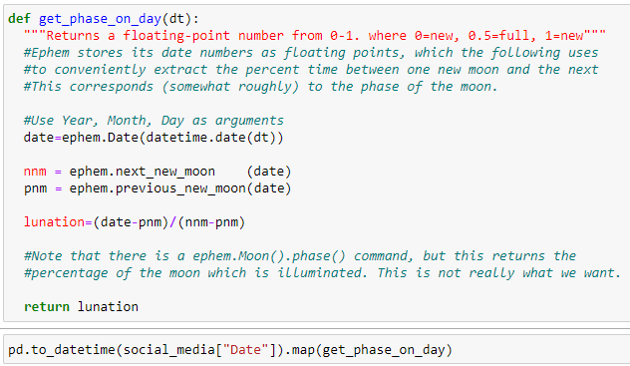
Phases Of The Moon on Mental Marker Indices - Methodology

The core Mental Health Marker Indice data came from the 'Social Media and Depression Symptoms: A Network Perspective' website as a csv file.
 | https://osf.io/5vfgr/

A Lunar Phase Day algorithm was obtained from a StackOverflow website location. A library named 'ephem' was key to this algorithm.
 | https://stackoverflow.com/questions/2526815/moon-lunar-phase-algorithm

The core data Date field was run across the lunar algorithm to assign a number between 0.0 and 1.0, resulting in a LunarPhase field.

The LunarPhase field was then bin cut into a LunarPhaseDay from 1 thru 30 .
 | Of note, the Moon takes 27.3 days to orbit Earth, but the Lunar Phase Cycle is 29.5 days.
 | The Moon spends 2.2 days "catching up" as Earth has traversed approximately 45 million miles as the Moon completes one orbit.

Records for LunarPhaseDay 1 was then compared to records in LunarPhaseDay 15, separately across eight Mental Marker Indices.
 | Comparisons were also made for LunarPhaseDay 1 vs LunarPhaseDay 8, and also LunarPhaseDay 22 vs LunarPhaseDay 8.

 | The eight Mental Marker Indices are
 |  | Fatigue, Depression Mood, Loneliness, Concentration, Loss of Interest, Inferiority feelings, Hopelessness, and Stress.

The stats.ttest_ind function was used to derive the pvalue to look for values <= 0.05 (Null Hypothesis) vs > 0.05 (Alternative Hypothesis)
 | to derive which hypothesis would be accepted.

LunarPhaseDay Results
Phases Of The Moon on Mental Marker Indices

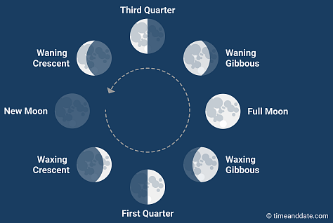
 |  |  |  |  |  |  |  | Question
 |  |  |  |  |  |  |  | Q1 I felt tired.
Null Hypothesis - Phases of the Moon have a statistically |  |  |  |  |  |  |  | Q2 I felt sad.
significant affect on Mental Marker Indices |  |  |  |  |  |  |  | Q3 I felt lonely.
 |  |  |  |  |  |  |  | Q4 I had trouble concentrating.
Alternative Hypothesis - Phases of the Moon do not |  |  |  |  |  |  |  | Q5 I had little interest in doing anything.
have a statistically significant affect on Mental Marker Indices |  |  |  |  |  |  |  | Q6 I felt inferior to others.
 |  |  |  |  |  |  |  | Q7 I felt pessimistic about my future.
 |  |  |  |  |  |  |  | Q8 I felt stressed (tense, restless, nervous or anxious)
 | Ttest indResult
New Moon to Full Moon |  |  |  | New Moon to First Quarter |  |  |  | Third Quarter to First Quarter
[Day 1 to Day 15] | Statistic | pvalue |  | [Day 1 to Day 8] | Statistic | pvalue |  | [Day 22 to Day 8] | Statistic | pvalue
Fatigue | 2.0691752708 | 0.041903915463 | 1 | Fatigue | 2.2264739735 | 0.028204820159 | 1 | Fatigue | -0.47278421309 | 0.63664725134
DeprMood | 2.8011354117 | 0.0064481287578 | 2 | DeprMood | 2.8605626104 | 0.0052420666455 | 2 | DeprMood | -0.39046187088 | 0.69640957952
Loneliness | 2.9655719357 | 0.0040880664498 | 3 | Loneliness | 3.1420520509 | 0.0023180165199 | 3 | Loneliness | 0.48412745344 | 0.62855181355
Concentrat | 1.1108810342 | 0.26994054393 | 4 | Concentrat | 1.1970869335 | 0.23390493865 | 4 | Concentrat | -0.2044861773 | 0.83808195695
LossOfInt | 0.92719777373 | 0.35654855876 | 5 | LossOfInt | 0.33104432864 | 0.74117981409 | 5 | LossOfInt | -0.80941653281 | 0.41883361093
Inferior | 3.8756941162 | 0.00023267768739 | 6 | Inferior | 3.7044969157 | 0.00037491992766 | 6 | Inferior | 0.39526179039 | 0.69284979521
Hopeless | 2.6921170787 | 0.0087281191087 | 7 | Hopeless | 3.1566235609 | 0.00222087911 | 7 | Hopeless | 1.1835681191 | 0.23718904455
Stress | 3.325761744 | 0.0013711484141 | 8 | Stress | 4.0919979692 | 9.61E-05 | 8 | Stress | -0.051296951144 | 0.9591160601
Core Mental Marker Data Source |  | https://osf.io/czs6y/
Core Lunar Phase Algorithm |  | https://stackoverflow.com/questions/2526815/moon-lunar-phase-algorithm

LunarPhaseDay Conclusions
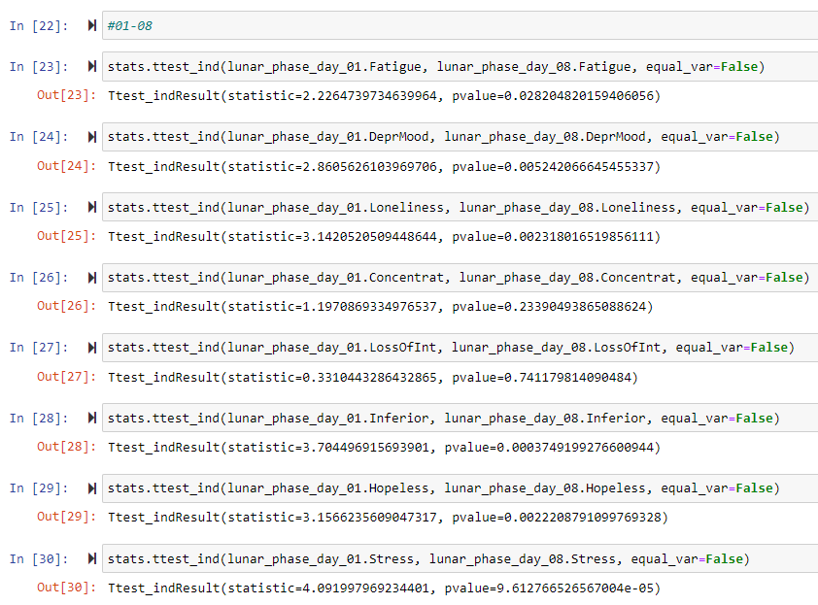
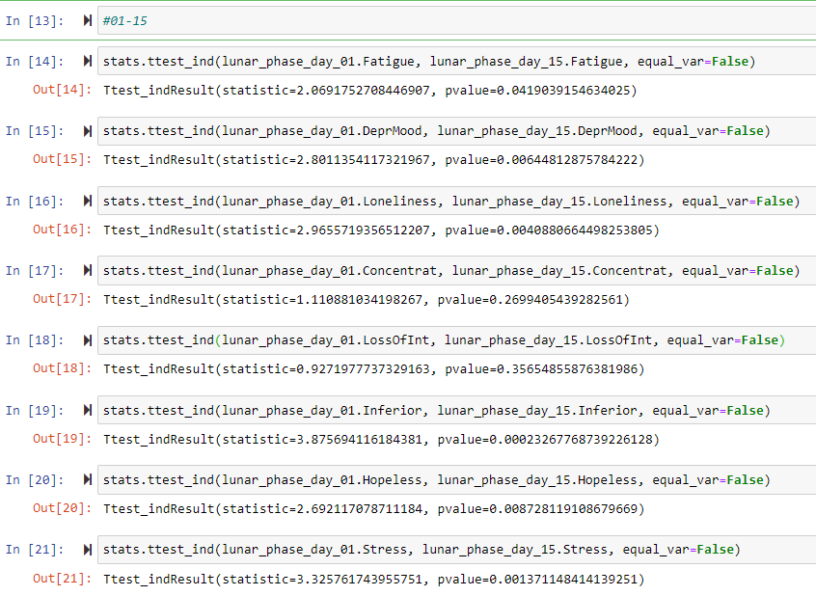
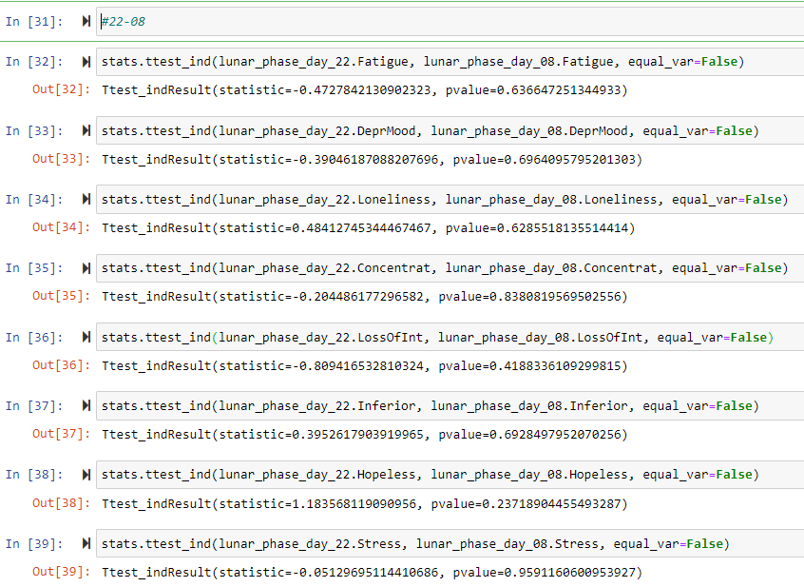
 | New Moon to Full Moon |  |  |  | New Moon to First Quarter |  |  |  | Third Quarter to First Quarter
 | Inferior | 3.8756941162 | 0.00023267768739 | 1 | Stress | 4.0919979692 | 9.6127665266E-05 | 1 | Hopeless | 1.1835681191 | 0.23718904455
 | Stress | 3.325761744 | 0.0013711484141 | 2 | Inferior | 3.7044969157 | 0.00037491992766 | 2 | LossOfInt | -0.80941653281 | 0.41883361093
 | Loneliness | 2.9655719357 | 0.0040880664498 | 3 | Hopeless | 3.1566235609 | 0.00222087911 | 3 | Loneliness | 0.48412745344 | 0.62855181355
 | DeprMood | 2.8011354117 | 0.0064481287578 | 4 | Loneliness | 3.1420520509 | 0.0023180165199 | 4 | Fatigue | -0.47278421309 | 0.63664725134
 | Hopeless | 2.6921170787 | 0.0087281191087 | 5 | DeprMood | 2.8605626104 | 0.0052420666455 | 5 | Inferior | 0.39526179039 | 0.69284979521
 | Fatigue | 2.0691752708 | 0.041903915463 | 6 | Fatigue | 2.2264739735 | 0.028204820159 | 6 | DeprMood | -0.39046187088 | 0.69640957952
 | Concentrat | 1.1108810342 | 0.26994054393 | 7 | Concentrat | 1.1970869335 | 0.23390493865 | 7 | Concentrat | -0.2044861773 | 0.83808195695
 | LossOfInt | 0.92719777373 | 0.35654855876 | 8 | LossOfInt | 0.33104432864 | 0.74117981409 | 8 | Stress | -0.051296951144 | 0.9591160601

The Null Hypothesis is Accepted
New Moon to First Quarter has the strongest statistically significant affect on six Mental Marker Indices (in order)
 | Stress
 | Inferior |  | New Moon to Full Moon also has a strong statistically significant affect on six Mental Marker Indices (in order)
 | Hopeless |  | Inferior
 | Loneliness |  | Stress
 | DeprMood |  | Loneliness |  | The Alternative Hypothesis is Accepted
 | Fatigue |  | DeprMood |  | Third Quarter to First Quarter has no statistically significant affect on any of the eight Mental Marker Indices
 |  |  | Hopeless |  | …nowhere close on any of the eight Mental Marker Indices
 |  |  | Fatigue

Code Screenshots
