Null Matrix
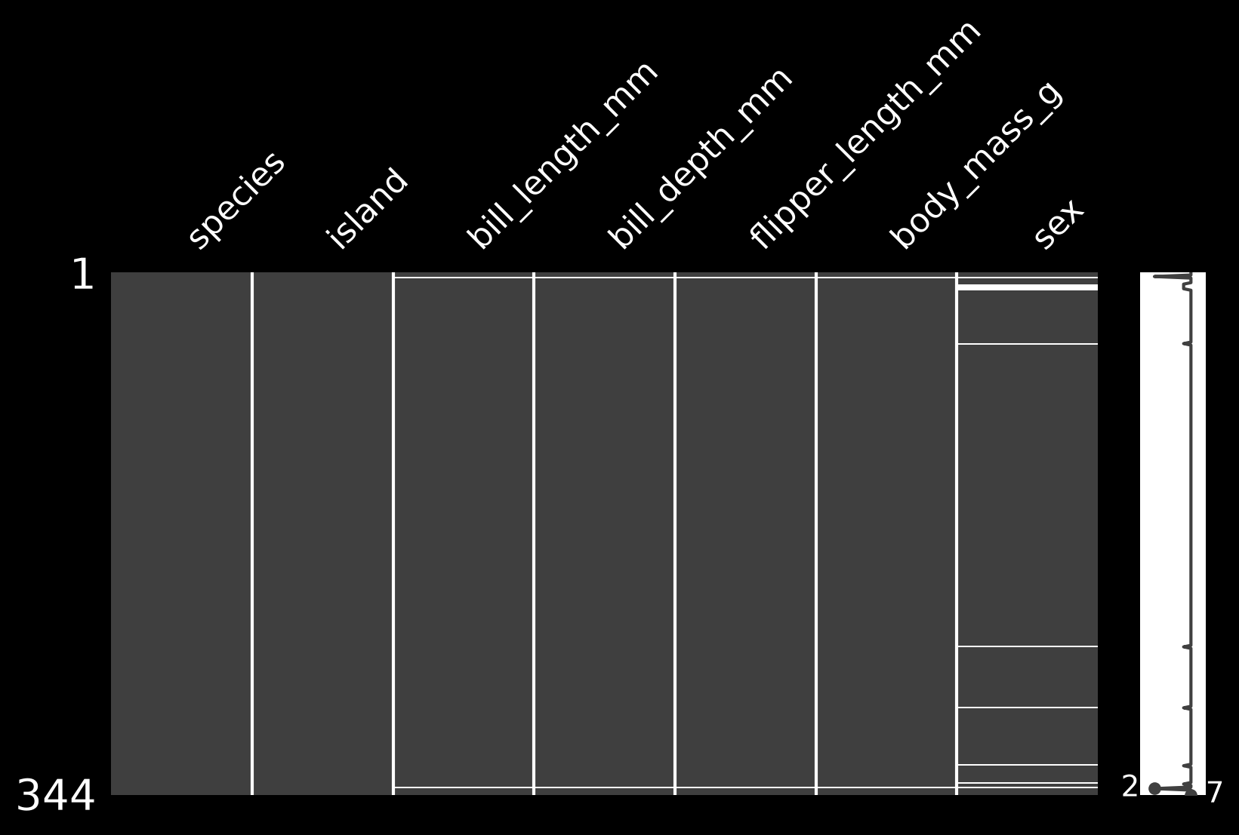
Overview ↩

 | Null Matrix

Pair Plots
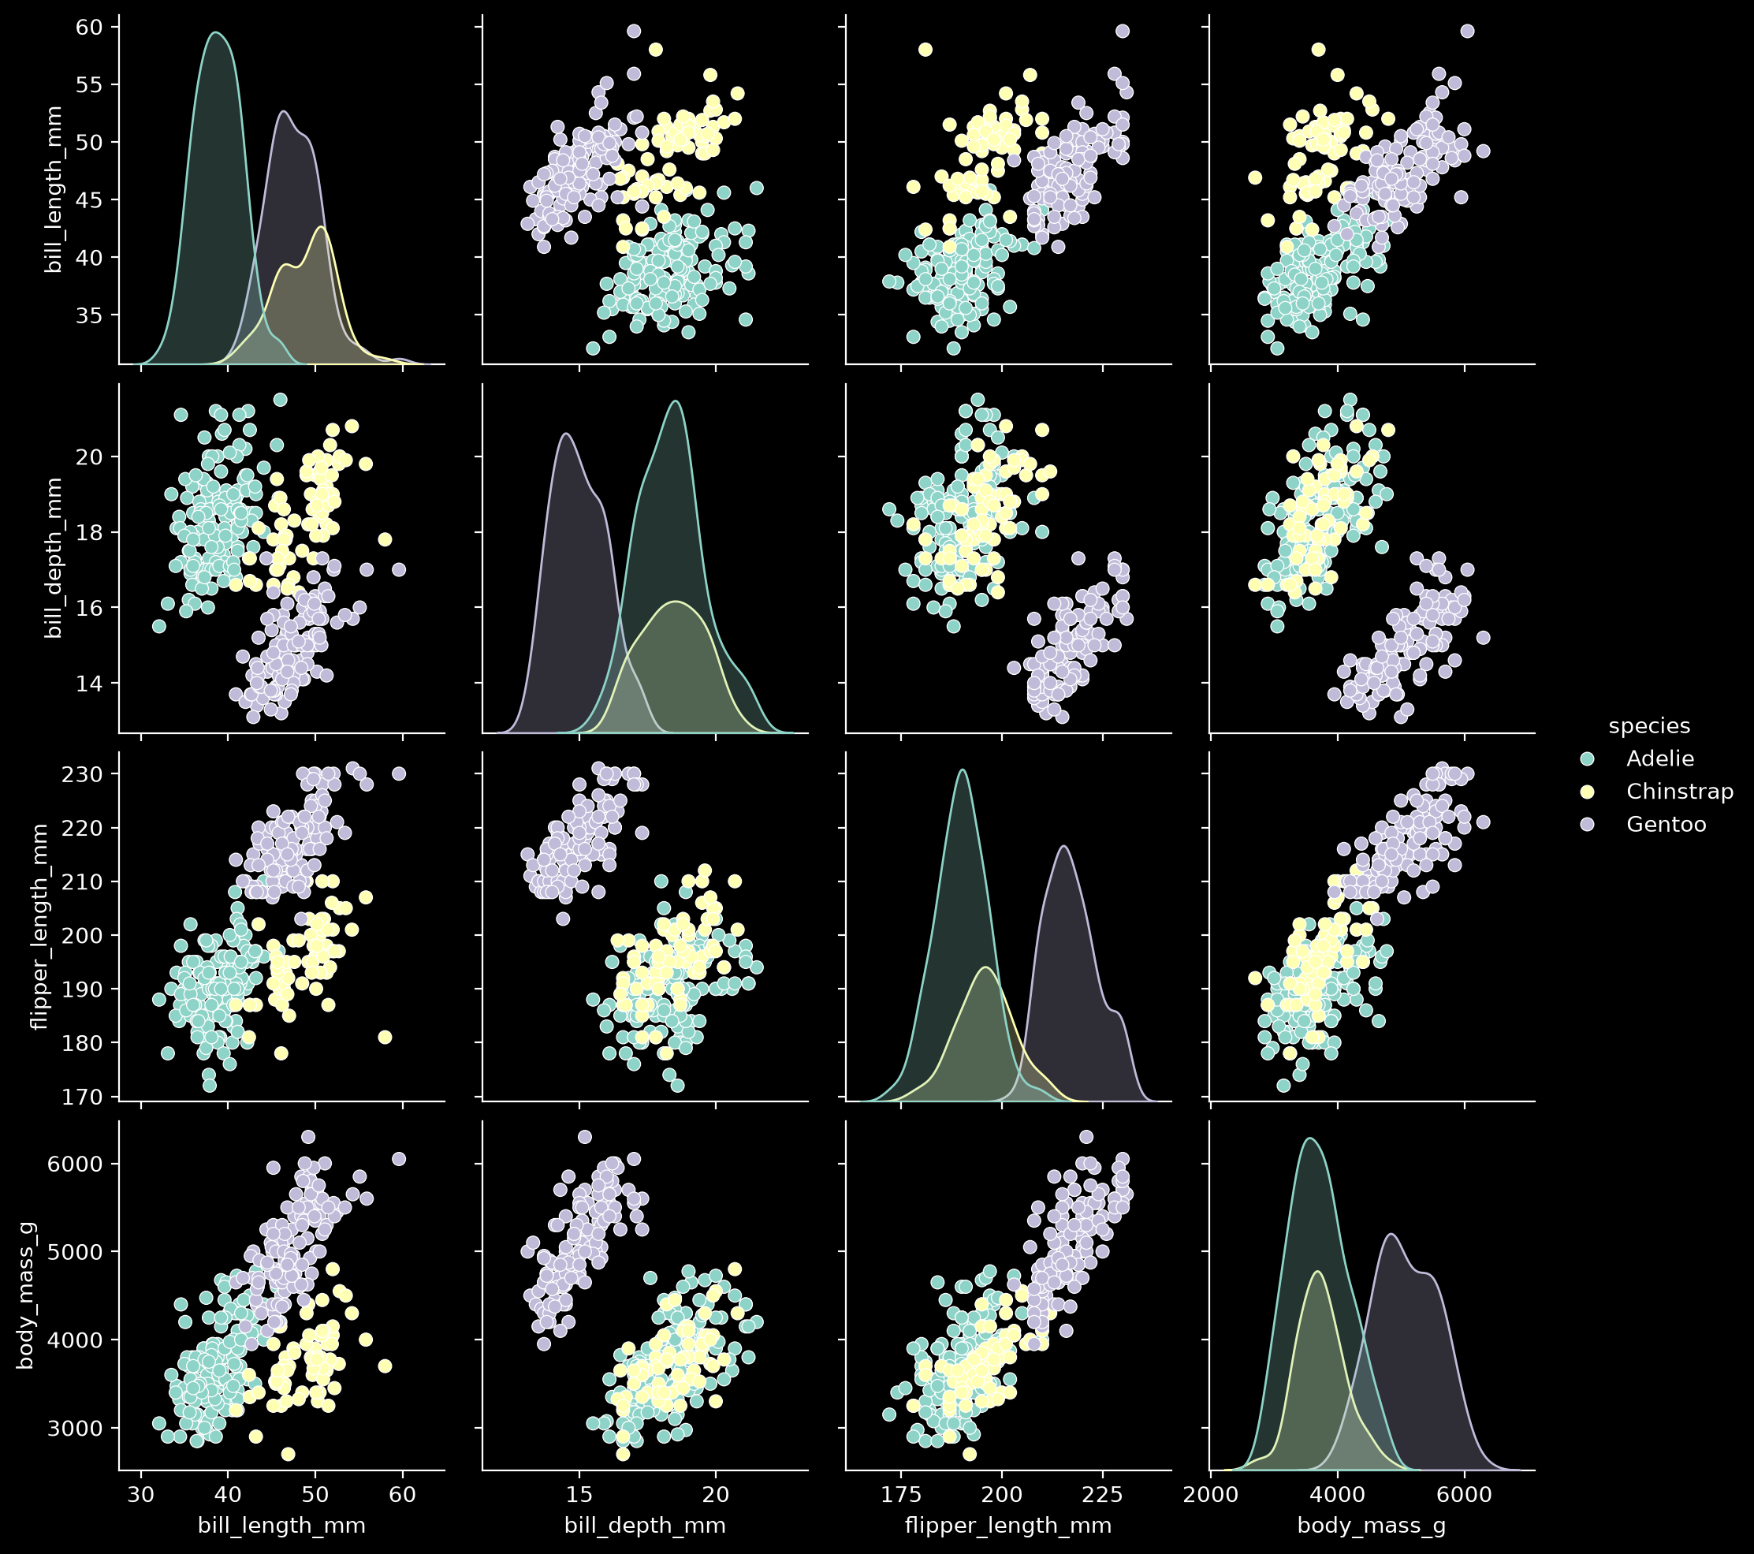
Overview ↩

 | Pair Plots

