Null Matrix
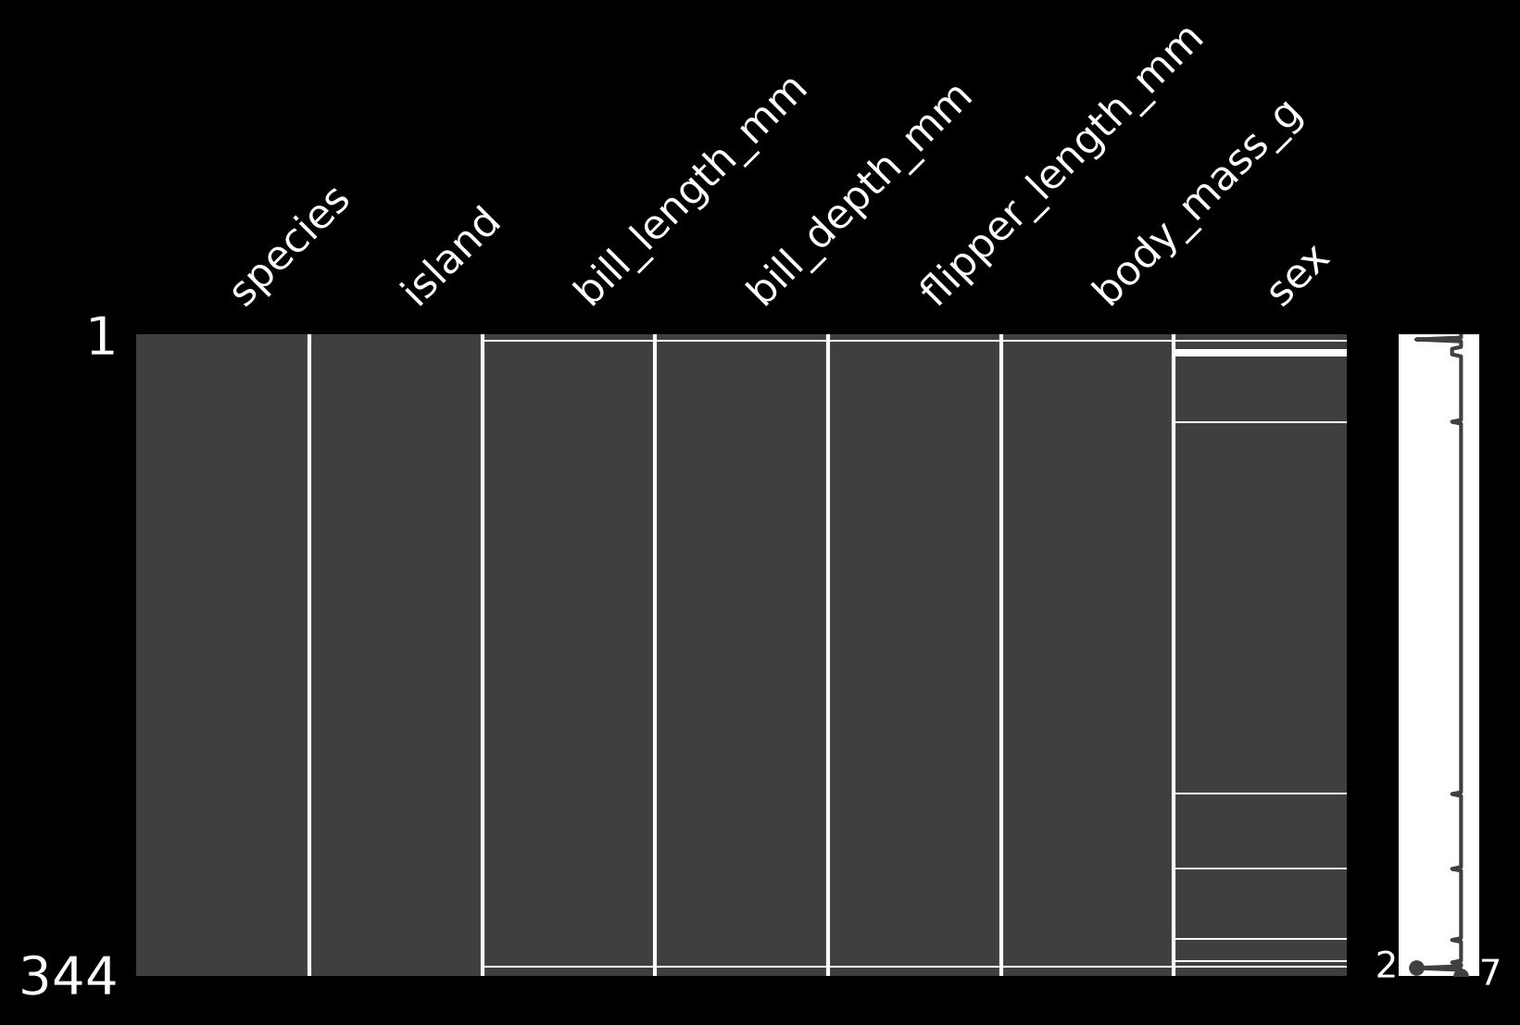
Overview →

 | Null Matrix

Pair Plots
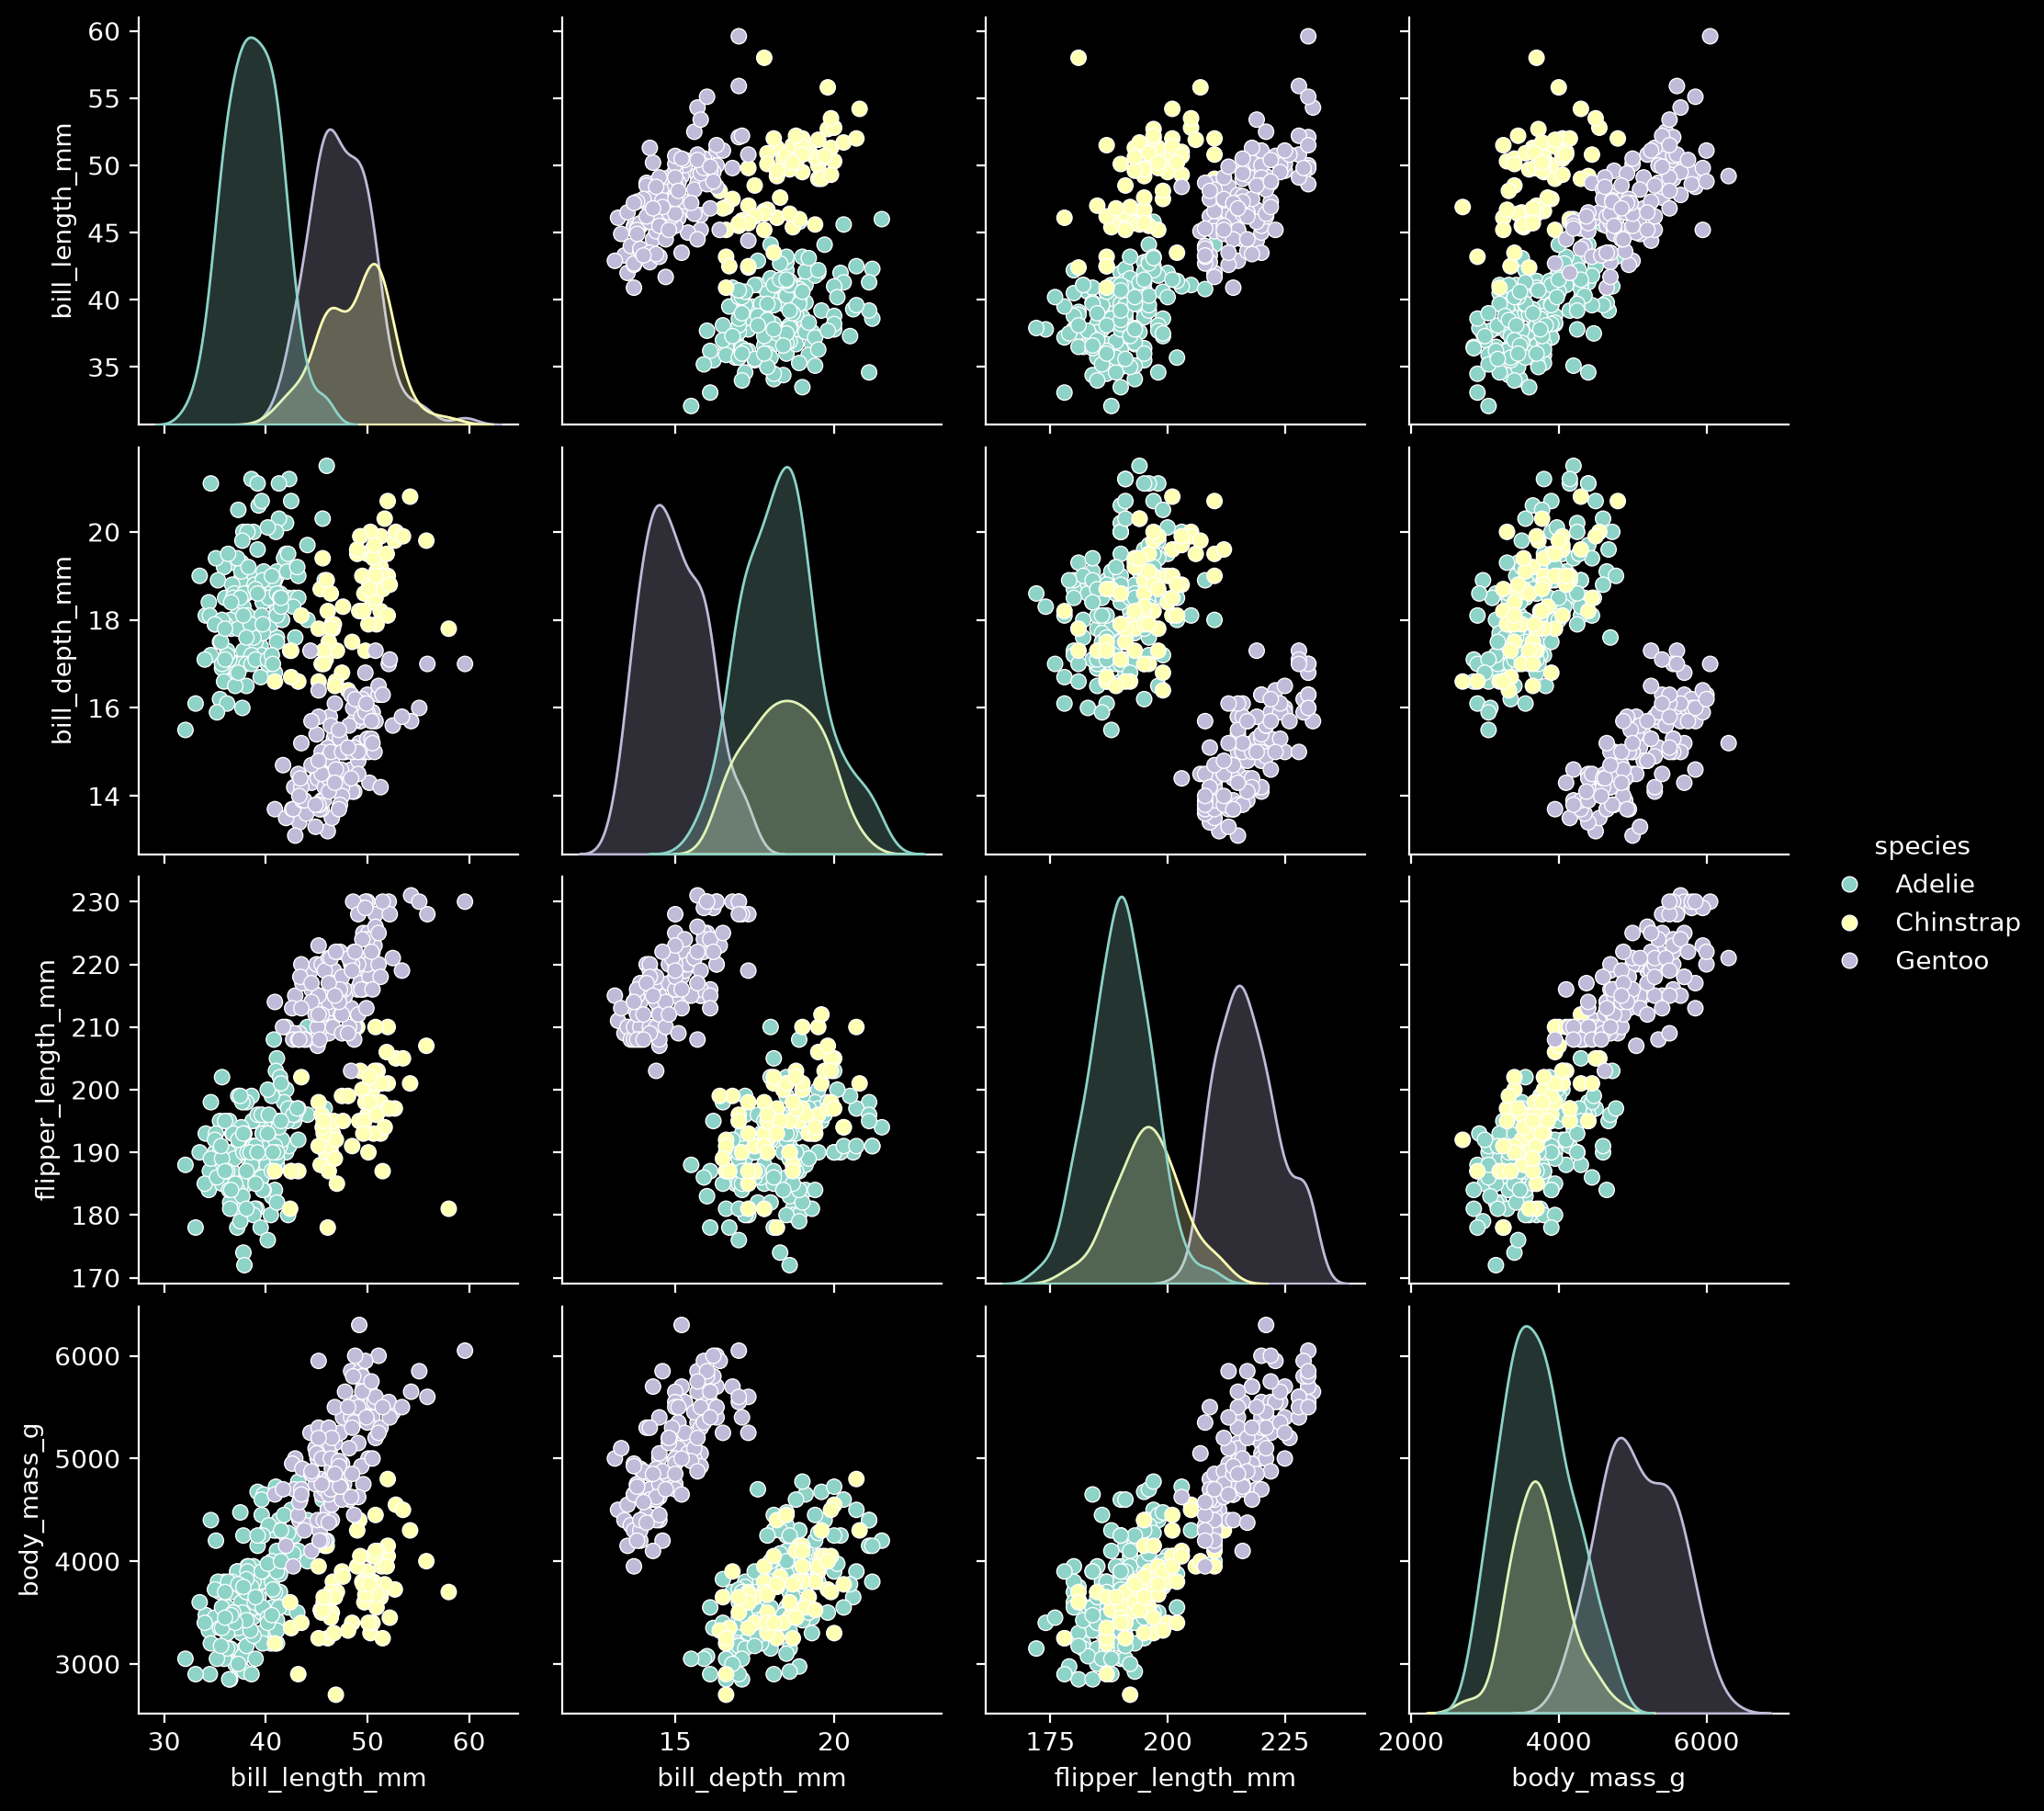
Overview →

 | Pair Plots

