Sheet1
www.yahoo.com.ar

https://ingenarte.github.io/react-tetris2/

https://www.wishsicily.com/en/holiday-rentals/all-our-villas-in-sicily
https://www.wishsicily.com/en/holiday-rentals/all-our-villas-in-sicily
https://www.wishsicily.com/en/holiday-rentals/all-our-villas-in-sicily

Villas Destinations experiences Guide search €EUR IT night_shelter Become host favorite Wishlist person Login Overview Services Experiences Area Press Reviews favorite Add to wishlist Enquire now Home All our villas in Sicily Aqua Turchina Aqua Turchina 5 reviews share Share favorite Add to wishlist location_on Cefalù (Palermo)CIN: IT082059B42RRFDL3J 1 of 51 hotel 4 group 8 bathtub 3 straighten 150 sq m “ Contemporary style, recently renovated, and direct beach access. Aqua Turchina is a seafront villa with direct beach access, pool, table tennis, and ample outdoor space. It features four bedrooms, three bathrooms, and is near Finale di Pollina and Cefalù. read more Overview With direct access through a garden gate on to a pebbly beach, Aqua Turchina is a delightful seafront villa with a pool, table tennis and plenty of outdoor space. The four-bedroom, three-bathroom villa also has the advantage of being close to the pizzerias, restaurants and shops at Finale di Pollina and is ideally situated for day trips to the vibrant seaside resort of Cefalù (20km), to Palermo and the Madonie Mountains. Suitable for either families or groups of friends, there’s ample garden space to relax back on comfy sun beds while the more energetic members of the group splash in the pool or play table tennis. In addition to the sun beds on the lawn, there’s a charming decked hideaway, set amongst mature trees and foliage, and close to the gate to the beach, which is the perfect retreat for an afternoon snooze! Top and tail your day with leisurely breakfasts on the lounge seating on the spacious veranda and al fresco dinners, set against a backdrop of the sound of the ocean. In addition to the lounge seating and a dining table and chairs, the veranda has a well-equipped outdoor kitchen, complete with barbecue, sink and storage space. Step into a contemporary villa furnished throughout with porcelain tiled floors and a pleasing restful palette of gentle shades of grey. The main open p

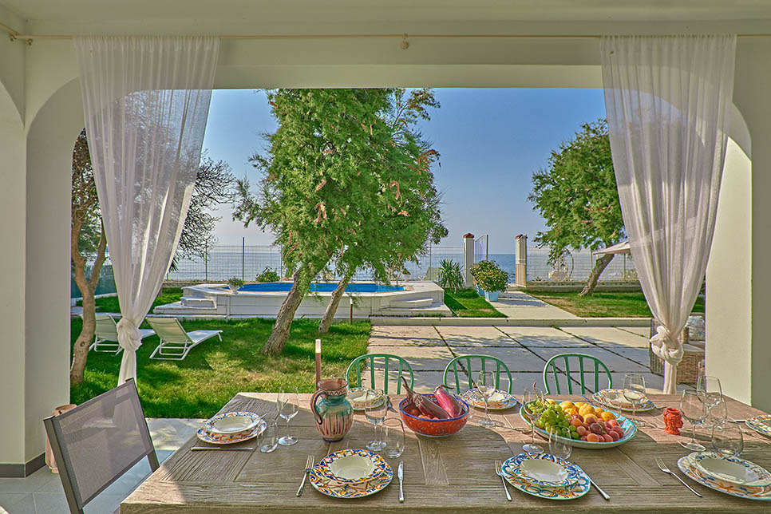

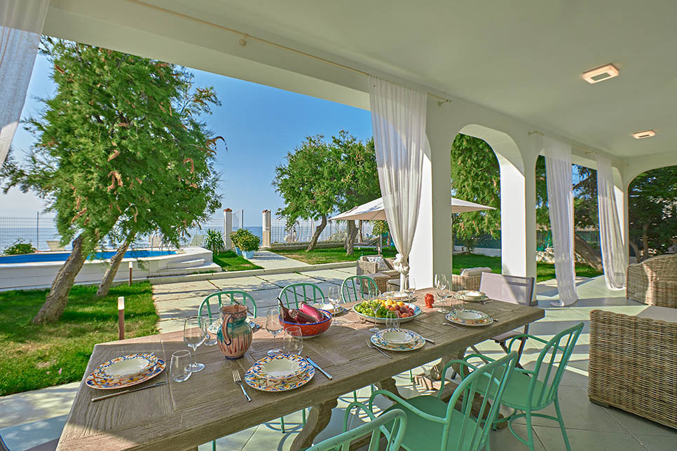

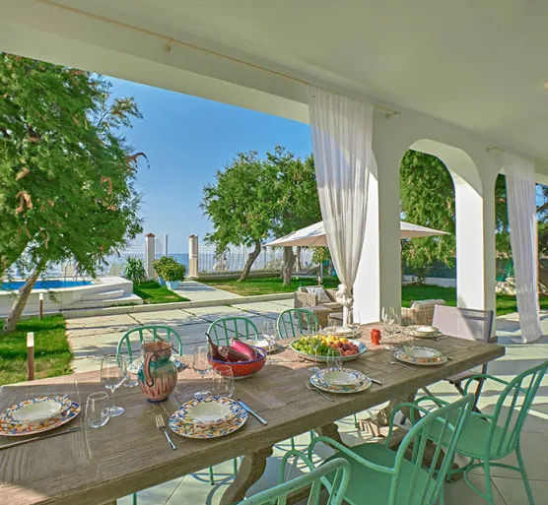

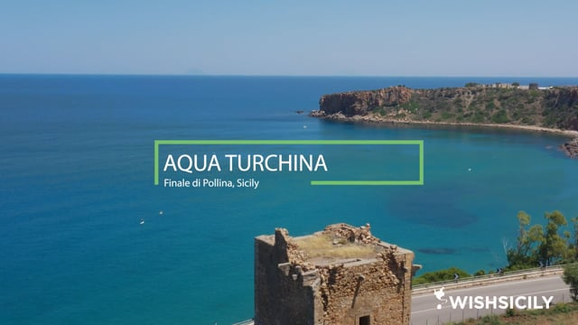
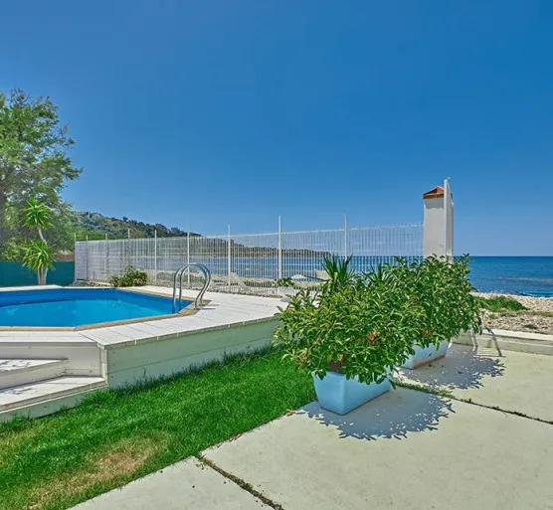
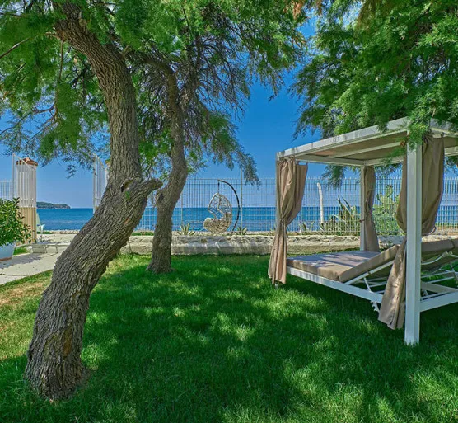
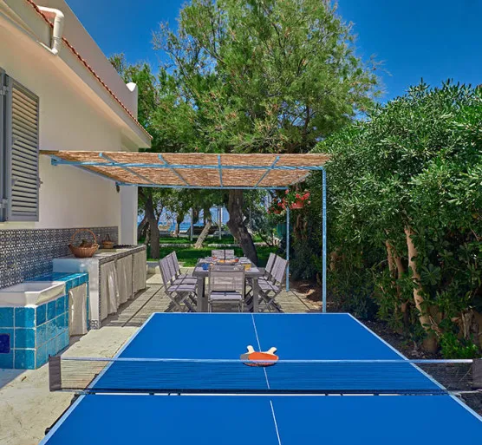
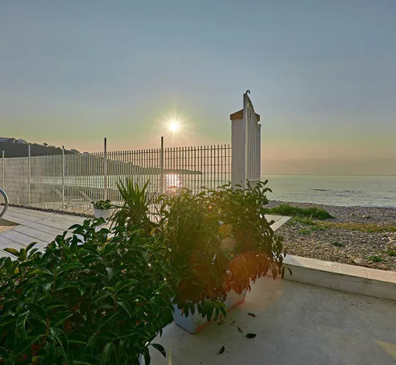

hotel4group8bathtub3straighten150 sq m

“Contemporary style, recently renovated, and direct beach access.

Aqua Turchina is a seafront villa with direct beach access, pool, table tennis, and ample outdoor space. It features four bedrooms, three bathrooms, and is near Finale di Pollina and Cefalù.

read more

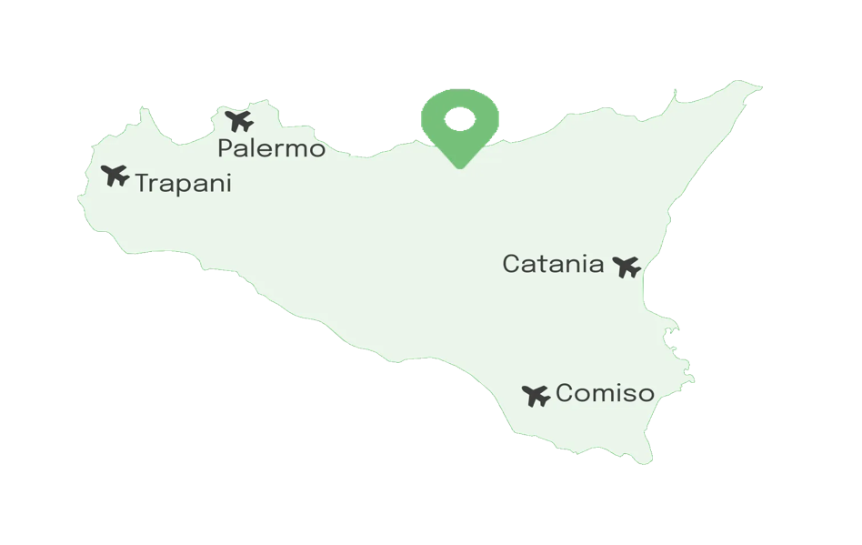

Overview

With direct access through a garden gate on to a pebbly beach, Aqua Turchina is a delightful seafront villa with a pool, table tennis and plenty of outdoor space. The four-bedroom, three-bathroom villa also has the advantage of being close to the pizzerias, restaurants and shops at Finale di Pollina and is ideally situated for day trips to the vibrant seaside resort of Cefalù (20km), to Palermo and the Madonie Mountains.

Suitable for either families or groups of friends, there’s ample garden space to relax back on comfy sun beds while the more energetic members of the group splash in the pool or play table tennis. In addition to the sun beds on the lawn, there’s a charming decked hideaway, set amongst mature trees and foliage, and close to the gate to the beach, which is the perfect retreat for an afternoon snooze! Top and tail your day with leisurely breakfasts on the lounge seating on the spacious veranda and al fresco dinners, set against a backdrop of the sound of the ocean. In addition to the lounge seating and a dining table and chairs, the veranda has a well-equipped outdoor kitchen, complete with barbecue, sink and storage space.

Step into a contemporary villa furnished throughout with porcelain tiled floors and a pleasing restful palette of gentle shades of grey. The main open plan living space is filled with natural light thanks to its large sea-facing windows and features a sofa and an open plan kitchen with a worktop that doubles up as a breakfast bar.

All the bedrooms are attractively furnished, and bathrooms feature stylish tiling and contemporary bathroom fittings, including showers. The sleeping area comprises three generously sized double bedrooms (two en-suite) and one twin bedroom (can be converted to a double). A third bathroom is available for the third and fourth bedroom.

Day area
Blender
Bookshelves
Coffee machine
Crockery
Detergents and cleaners
Dishwasher
Freezer
Iron and ironing board
Kettle
Microwave
Moka
Oven
Refrigerator
SMART TV
Toaster
Washing machine
show all
Night area
Baby bed
Bath Towels
Detergents and toilet paper
Double bedrooms
En-suite bathroom
Hairdryer
Linen
Twin bedrooms
Outdoors
Barbecue
Deckchairs
Garden
Outdoor kitchen
Outdoor shower
Private parking
Private swimming pool
Terrace
Other amenities
Air conditioning
Beach umbrella and chairs
Board games
Canoe
Central heating
Electric vehicle charger
Highchair
Insect repellents
Internet Wi-Fi
Non-smoking
Pay per view (Sky, Netflix or Premium)
Ping pong table
Pool towels
Rowing Boat
Weekly cleaning
Welcome hamper
show all

Good to know

infoHow to pay for your stayproperty listing
checkAdditional notesand house rules
room_serviceExtra costsand what to pay upon arrival
boltSicily Experiences TrioSave on a package of 3 Active Experiences
Area

This unique beachfront villa is located a short drive from Finale di Pollina (2km), a charming seaside village on the north coast of Sicily, where you can get everything you need from a good selection of shops, restaurants, trattorie, pizzerie and bars. The beach is literally on your doorstep and the panoramic terrace enjoys a splendid view of the whole coast.

A quick 15-minute motorway drive takes you to the seaside resort of Cefalù. This is one of Sicily’s busier towns, particularly during the summer months, thanks to its fish restaurants, shops and fabulous beaches. However, a visit here is enjoyable at any time of year thanks to its UNESCO world heritage Norman cathedral and its medieval town centre. Banks, shops and supermarkets are all available here. Continuing west along the coast, you reach Palermo (just over an hour) where there are some superb sightseeing opportunities and, of course, the city’s famous street food markets.

If you like the idea of leaving the car behind and hopping on a train, the recently opened Finale di Pollina railway station is just 5 minutes’ walk away. The small electric train connects a series of towns along Sicily’s north coast, from Palermo to Messina and including Cefalu. Despite the proximity to the station, the train can barely be heard.

A little further afield, though little more than an hour away, the Greek temple and theatre at Segesta is well worth a visit. Other local archaeological sites include Himera which is less than 40 minutes by car. If you feel like getting right off the beaten track, the Madonie National Park is a glorious spot for hiking, great views or exploring medieval hilltop towns such as Polizzi Generosa or Petralia Soprana.

A brand-new spot has just opened in Costa Turchina: Beach Club Costa Turchina, a laid-back restaurant and lounge bar. It's just a short walk from the villa, making it easy to enjoy a pizza, a seafood dinner, or a relaxed drink in the evening. Additionally, the Beach Club offers rentals of electric bikes, scooters, and boats, so you can explore the area with complete freedom. A great addition to make your stay even more enjoyable!

read more
favoriteAdd to wishlist
5 (5 Reviews)
Check-inpick a dateCheck-outpick a date
Guests0 adult 0 child 0 infant 0 pet
Bedrooms0 bedroom
Price per night from€ 260.00
Book online
Enquire now
Discover

Discover places of interest and services near Aqua Turchina

Food
Health
Amenities
Tourist attractions
Reset


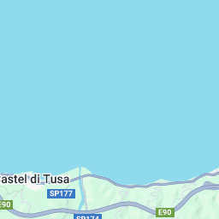

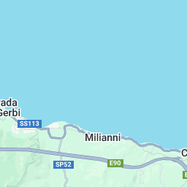

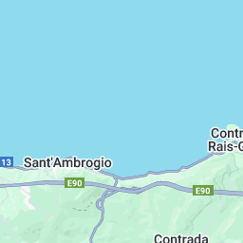

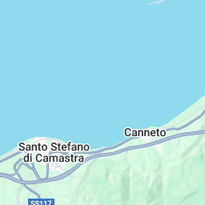
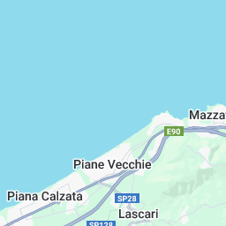
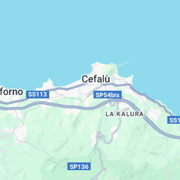
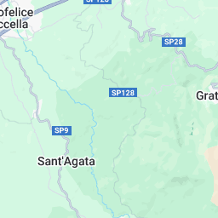
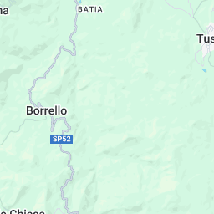
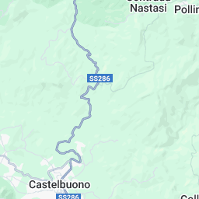
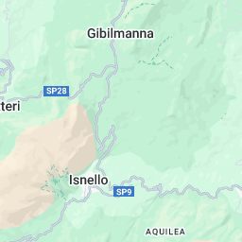
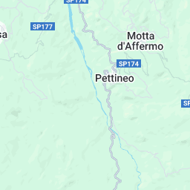
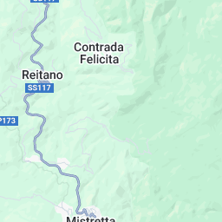

add
remove

Surroundings

Cefalù

Experiences

Book one of our Experiences with Aqua Turchina

discover all experiences

Press

Aqua Turchina appeared on these articles

Wish Sicily in the Daily Mail with Villa Aqua Turchina
The hottest last-minute summer holidays under £1000pp Wish Sicily’s Aqua Turchina was in prime posi...
Reviews

5/5 100% genuine
Leave a review
Trusted c.
Nov-24
Excellent accommodation

Everything good. Excellent accommodation :) Very friendly
Roberto M.
Sep-24
Il nostro soggiorno ad Aqua Turchina è stato davvero piacevole. L'agenzia si è dimostrata efficiente e disponibile, rispondendo prontamente a ogni richiesta. La villa è in una posizione fantastica, con accesso diretto al mare, e una terrazza che offre una bella vista. Avere la spiaggia così vicina è stato un grande vantaggio, e la breve distanza da Finale di Pollina ci ha permesso di visitare facilmente il paese. Un'esperienza che consigliamo per una vacanza rilassante. Il nostro soggiorno ad Aqua Turchina è stato davvero piacevole. L'agenzia si è dimostrata efficiente e disponibile, rispondendo prontamente a ogni richiesta. La villa è in una posizione fantastica, con accesso diretto al mare, e una terrazza che offre una bella vista. Avere la spiaggia così vicina è stato un grande vantaggio, e la breve distanza da Finale di Pollina ci ha permesso di visitare facilmente il paese. Un'esperienza che consigliamo per una vacanza rilassante.
read more
Natalie J.
Aug-24
Perfect vacation spot when traveling with family of all ages! Very clean house with private beach access ☀️ Friendly host who helped with local recommendations and even walked us to our first dinner reservation. Would definitely recommend their beautiful home to anyone going to the area! One suggestion - Make sure you’re familiar with European appliances before arrival!
read more
Trusted c.
Jul-24
HOLIDAY WEEK IN FINALE DI POLLINA

PERFECT ACCOMODATION IN FRONT OF STUNNING SEA BEAUTIFUL HOUSE WITH ALL NEEDED AMENITIES NICE GARDEN AND POOL SPECIAL THANKS TO MR FRANCESCO ( OWNER OF THE HOUSE ) THAT WAS ALWAYS AVAILABLE AND REACHABLE FOR ALL OUR NEED AND INFORMATION TRYING TO SATISFY ALL OUR NEEDED AND REQUEST VERY HELPFUL AND ALWAYS AVAILABLE FOR ALL OUR RQUEST AND SUPPORT NEEDED
read more
agostino d.
Sep-23
Abbiamo soggiornato in questo stupendo luogo subito dopo ferragosto, per una settimana. Acqua splendida, casa ottima con tutto quello che serve, location veramente stupenda. Il proprietario, Francesco, è persona gentilissima e molto disponibile. E i dintorni, le Madonie e Cefalù, veramente da visitare. Ottima scelta
read more

5 of 5 reviews

Enquire now
Aqua Turchina
5 Reviews
location_on Cefalù (Palermo)
Name
Surname
Nationality Afghanistan Albania Algeria American Samoa Andorra Angola Anguilla Antarctica Antigua and Barbuda Argentina Armenia Aruba Australia Austria Azerbaijan Bahamas Bahrain Bangladesh Barbados Belarus Belgium Belize Benin Bermuda Bhutan Bolivia Bosnia and Herzegovina Botswana Bouvet Island Brazil British Indian Ocean Territory Brunei Bulgaria Burkina Faso Burundi Cambodia Cameroon Canada Cape Verde Cayman Islands Central African Republic Chad Chile China Christmas Island Cocos (Keeling) Islands Colombia Comoros Congo Cook Islands Costa Rica
Phone
Italy +39
39
Email
Check-inCheck-out
pick a datepick a date
I don't have a date scheduled
Guests0 adult 0 child 0 infant 0 pet
Bedrooms0 bedroom
Message
I've read and agree to the Privacy Policy and the Terms & Conditions
Send request

Your wish for a villa escape

About us
Contact us
Who we are
What the Press says
FAQ
Customers
Villas
Experiences
Guide to Sicily
Car hire
Destinations
North: Sea and Mountains
East: Land of Etna
West: History and Wines
South: Golden Coast
South-East: Val di Noto
Owners
List your property
General terms of use
Advice to owners
Why Wish Sicily
Support Sicily srl
VAT IT06182930823
Via Uditore, 11/H, 90145
Palermo, Italy

© 2025 Wish Sicily · Terms & conditions · Privacy policy · Press room · Collections
€EUR
IT

