Planilha1
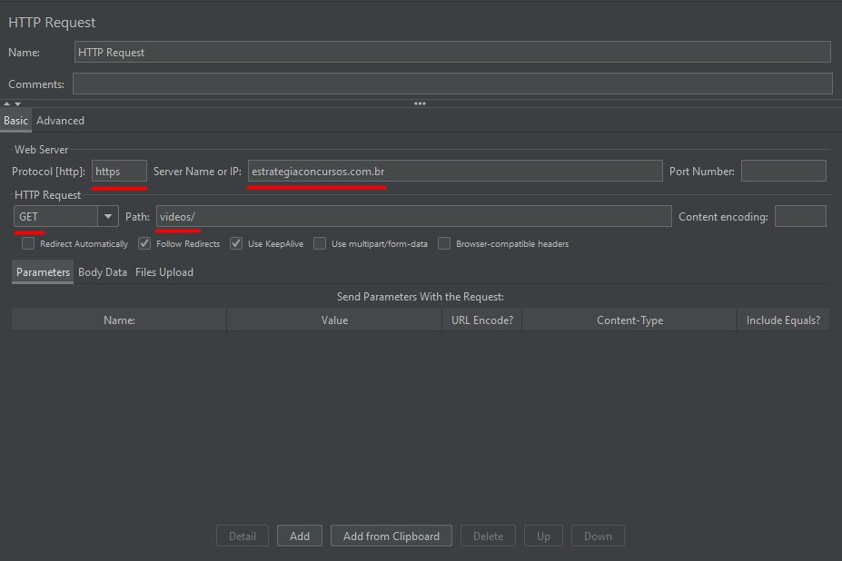
TESTES DE PERFORMANCE
Com o objetivo de testar as capacidades do sistema, realizou-se um teste de performance no site do Estratégia Concursos (estrategiaconcursos.com.br) no Software do JMETER (5.4.1). Os dados iniciais da requisição HTTP para a realização de um GET com o intuito de acessar a página de aulas ao vivo do site serão apresentados a seguir. Foram realizados X testes com o intuito de medir a porcentagem de erro, o tempo médio, mínimo e máximo.

