Installed generation capacity
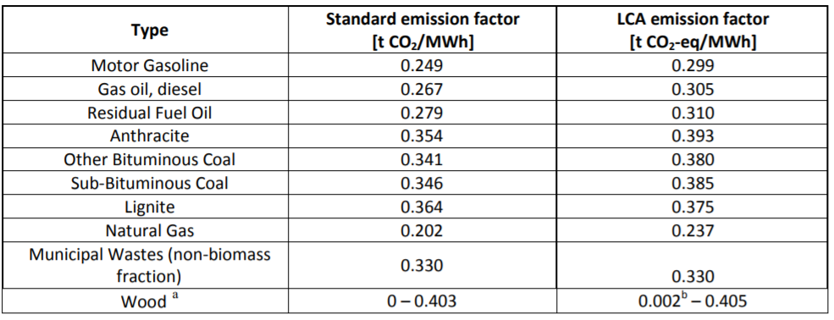
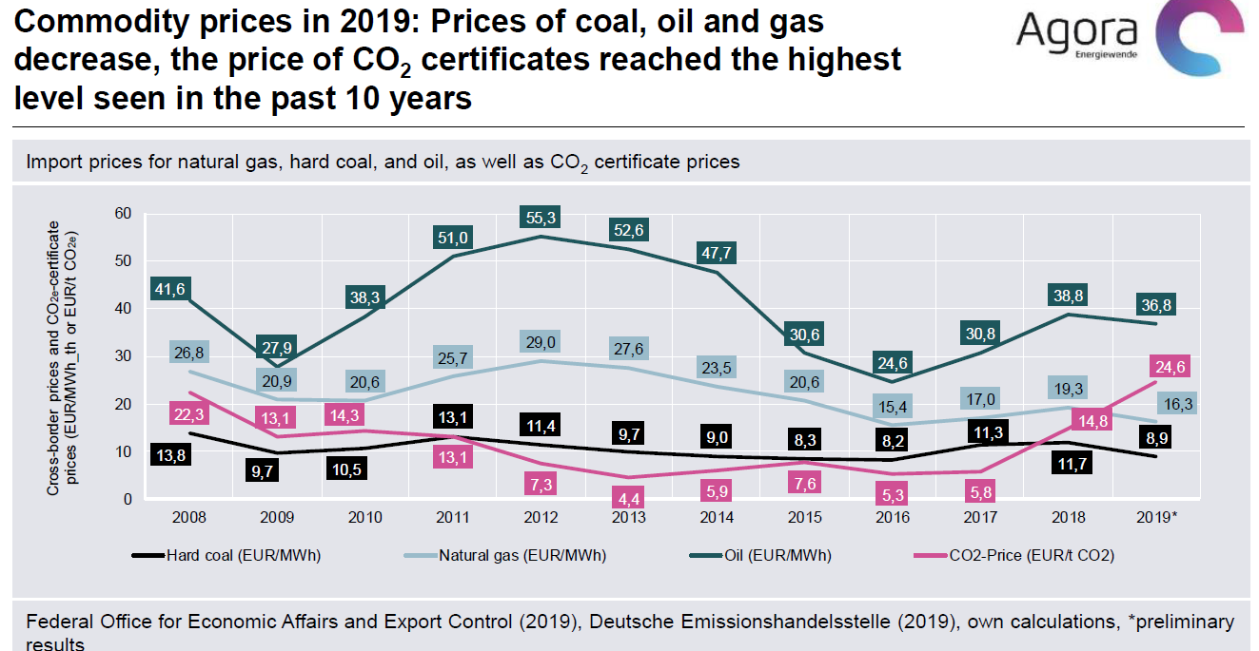
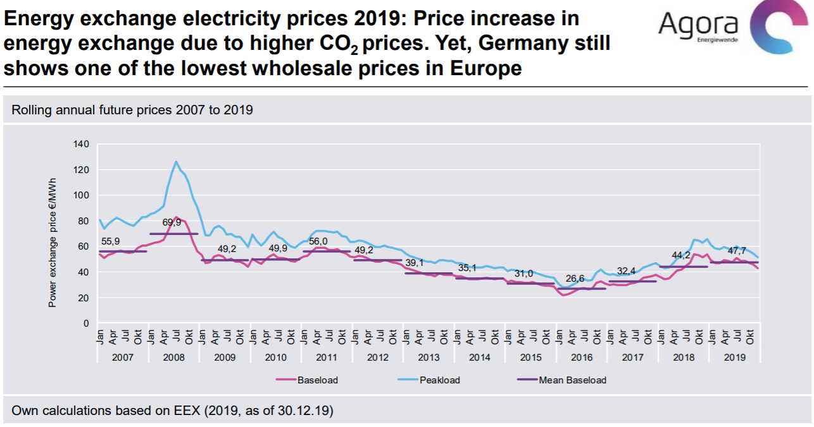
Data category: Installed generation capacity
Region: DE
Period: Jan 1, 2016, 12:00 AM - Dec 31, 2016, 11:59 PM
State: Jan 4, 2021, 3:42 PM
(c) Bundesnetzagentur | SMARD.de

Date | Time of day | Biomass[MW] | Hydropower[MW] | Wind offshore[MW] | Wind onshore[MW] | Photovoltaics[MW] | Other renewable[MW] | Nuclear[MW] | Fossil brown coal[MW] | Fossil hard coal[MW] | Fossil gas[MW] | Hydro pumped storage[MW] | Other conventional[MW]
Jan 1, 2016 | 12:00 AM | 6,815.00 | 5,514.00 | 3,283.00 | 41,168.00 | 38,686.00 | 545.00 | 10,793.00 | 21,062.00 | 26,264.00 | 32,398.00 | 8,699.00 | 7,576.00

 | Low (€/MWh) | Normal (€/MWh) | High (€/MWh)
Nuclear | 2.99 | 3.75 | 4.49
Hard coal | 6.37 | 7.98 | 9.55
Lignite | 3.03 | 3.79 | 4.55
Oil | 25.65 | 32.15 | 38.48
Gas | 17.3 | 21.69 | 25.95

https://energypost.eu/lignite-europe-fighting-back-renewables/#:~:text=The%20average%20calorific%20value%20of,in%20Middle%20Germany%20near%20Leipzig.

 | 10000 | MJ/ton

