Sheet1
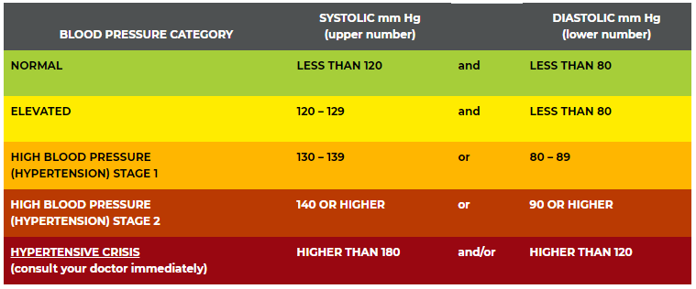
Table 1 Variable dictionary of an epidemiologic study in epi_data
Variable name | Description
Id | Participant id
Exercise | Regular exercise (1=Yes, 0=No)
Diet | Too much salt in your diet (1=Yes, 0=No)
Age | Age at the baseline
Sex | Gender (1=Male, 0=Female)
SBP1 | Systolic blood pressure on day 1
SBP2 | Systolic blood pressure on day 2
SBP3 | Systolic blood pressure on day 3
SBP4 | Systolic blood pressure on day 4
SBP5 | Systolic blood pressure on day 5
SBP6 | Systolic blood pressure on day 6
SBP7 | Systolic blood pressure on day 7
SBP8 | Systolic blood pressure on day 8
SBP9 | Systolic blood pressure on day 9
SBP10 | Systolic blood pressure on day 10
DBP1 | Diastolic blood pressure on day 1
DBP2 | Diastolic blood pressure on day 2
DBP3 | Diastolic blood pressure on day 3
DBP4 | Diastolic blood pressure on day 4
DBP5 | Diastolic blood pressure on day 5
DBP6 | Diastolic blood pressure on day 6
DBP7 | Diastolic blood pressure on day 7
DBP8 | Diastolic blood pressure on day 8
DBP9 | Diastolic blood pressure on day 9
DBP10 | Diastolic blood pressure on day 10
Height | Height (cm) at the baseline
Weight | Weight (kg) at the baseline
Marriage | Married? (1=Yes, 2=No)
Any missing value is coded as NA.

Table 2 Blood pressure category (from the American Heart Association website)

