ch11)
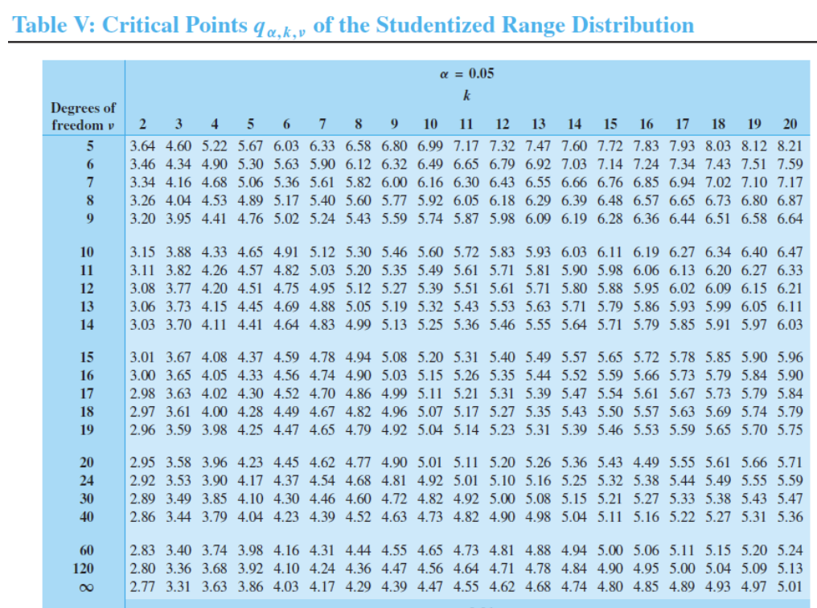
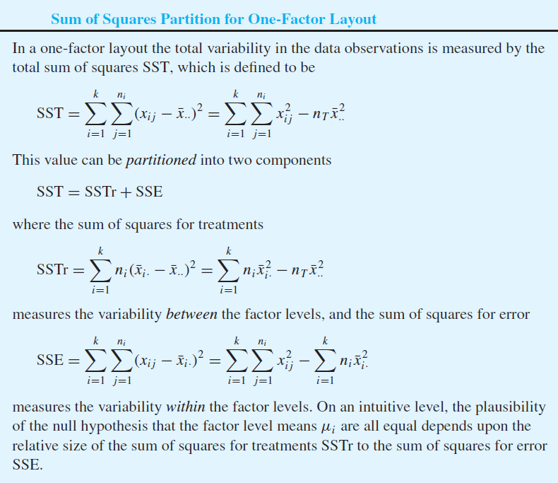
Q. Compare the three levels (use alpha = 0.05)

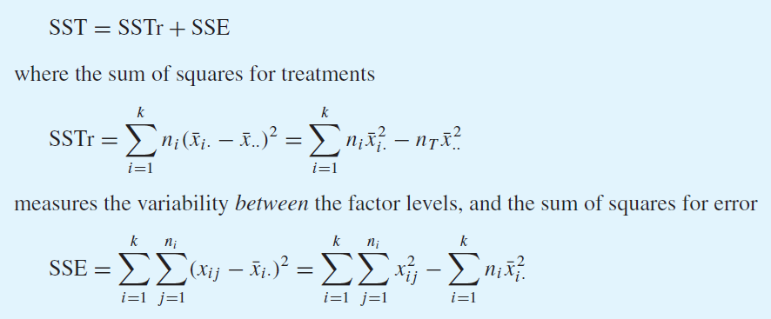

overall mean | 32.848363636
mean | 32.3 | 34.06 | 32.02
sample size | 17 | 20 | 18 | 55

SSTr | 5.1119455207 | 29.361253554 | 12.351353653 | 46.824552727 |  | 32.848363636

SSE

 |  |  |  | 450.5608 |  | 450.5608

ANOVA table
 | DF | SS | MS | F | p-value
Treatment | 2 | 46.824552727 | 23.412276364 | 2.7020512457 | 0.076484023101 | <-- If alpha = 0.05, reject H0
Error | 52 | 450.5608 | 8.6646307692
Total | 54 | 497.38535273

So then perform pairwise comparison:

alpha | 0.05 |  | mu1-mu2 | -4.3485871216 | 0.82858712156
q_0.05,3,12 | 3.77 |  | mu1-mu3 | -2.3738397306 | 2.9338397306
S | 2.9435744885 |  | mu2-mu3 | -0.50942318233 | 4.5894231823

 | xbar_3 |  | xbar_1
 |  |  | xbar_2
 | --> So mu_1 and mu_2 are indistinguishable but mu_3 is the smallest

ch12)
Parameter Estimation

 | x | y |  | x_i^2 | y_i^2 | x_i * y_i
January | 37 | 65 |  | 1369.000 | 4225.000 | 2405.000
February | 36.4 | 67.2 |  | 1324.960 | 4515.840 | 2446.080
March | 35.8 | 70.3 |  | 1281.640 | 4942.090 | 2516.740
April | 34.3 | 71.9 |  | 1176.490 | 5169.610 | 2466.170
May | 33.7 | 73.8 |  | 1135.690 | 5446.440 | 2487.060
June | 32.1 | 75.7 |  | 1030.410 | 5730.490 | 2429.970
July | 31.5 | 77.9 |  | 992.250 | 6068.410 | 2453.850

sum | 240.800 | 501.800 |  | 8310.440 | 36097.880 | 17204.870
average | 34.400 | 71.686

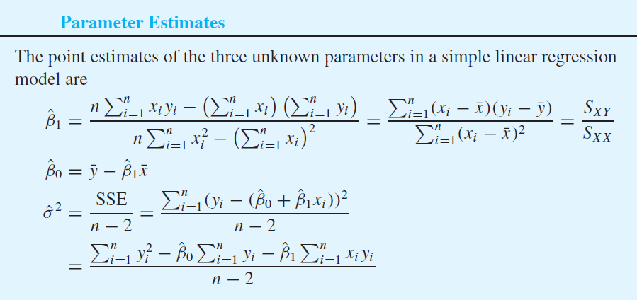
n | 7
beta_1 | -2.119
beta_0 | 144.588

sigma^2 | 1.017
sigma | 1.009

x | 7
y | 129.753

Confidence Interval for beta_1

 | (x_i - x_bar)^2
January | 6.760
February | 4.000
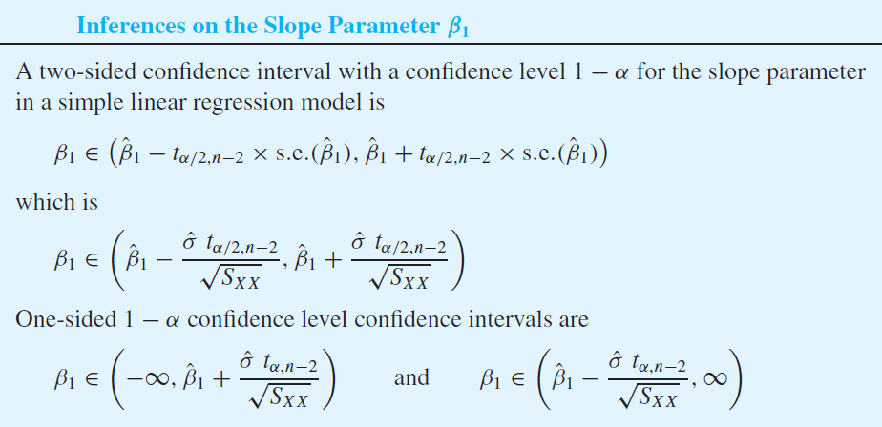
March | 1.960
April | 0.010
May | 0.490
June | 5.290
July | 8.410
August
September
October
November
December

sum | 26.920

s.e. | 0.1944

alpha | 0.05
t_0.005,n-2 | 2.571

lower | -2.619
upper | -1.620

Hypothesis Test for beta_1

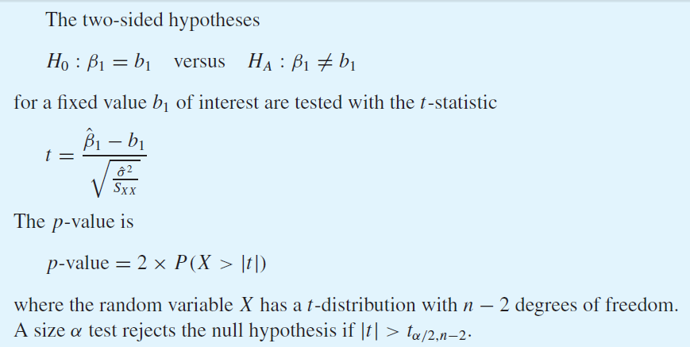
null hypothesis: beta_1 = 0

t-statistic | -10.902
p-value | 2.000E+00
 |  | 1.9998871982

ANOVA Table

null hypothesis: beta_1 = 0

beta_1 | -2.119
beta_0 | 144.588
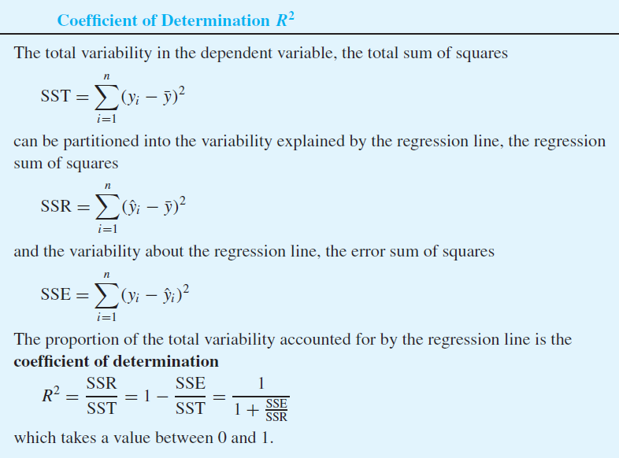
 | x_i | y_i | yhat_i | (yhat_i - ybar)^2 | (y_i - yhat_i)^2
January
February
March
April
May
June
July
August
September
October
November
December
mean |  | 10.00
sum |  |  |  | 10.000 | 10.000

Source | DF | Sum of squares | Mean squares | F-statistic | p-value
Regression | 1 | 10.000 | 10.000 | 5.000 | 7.559E-02
Error | 5 | 10.000 | 2.000
Total | 6 | 20.000

R-squared | 0.5

Sample correlation coefficient

 | x_i | y_i | (x_i - xbar) | (y_i - ybar) | (x_i-xbar)(y_i-ybar) | (x_i - xbar)^2 | (y_i - ybar)^2
January
February
March
April
May
June
July
August
September
October
November
December
mean | 10.00 | 10.00
sum |  |  |  |  | 10.00 | 10.00 | 10.00
Sq-root |  |  |  |  |  | 3.16 | 3.16

r | 1
r^2 | 1

ch13)
 | Electricity usage | Production | CDD
January | 2.48 | 4.51 | 0 |  | Y | 2.48 |  | X | 1 | 4.51 | 0
February | 2.26 | 3.58 | 0 |  |  | 2.26 |  |  | 1 | 3.58 | 0
March | 2.47 | 4.31 | 13 |  |  | 2.47 |  |  | 1 | 4.31 | 13
April | 2.77 | 5.06 | 56 |  |  | 2.77 |  |  | 1 | 5.06 | 56
May | 2.99 | 5.64 | 117 |  |  | 2.99 |  |  | 1 | 5.64 | 117
June | 3.05 | 4.99 | 306 |  |  | 3.05 |  |  | 1 | 4.99 | 306
July | 3.18 | 5.29 | 358 |  |  | 3.18 |  |  | 1 | 5.29 | 358
August | 3.46 | 5.83 | 330 |  |  | 3.46 |  |  | 1 | 5.83 | 330
September | 3.03 | 4.7 | 187 |  |  | 3.03 |  |  | 1 | 4.7 | 187
October | 3.26 | 5.61 | 94 |  |  | 3.26 |  |  | 1 | 5.61 | 94
November | 2.67 | 4.9 | 23 |  |  | 2.67 |  |  | 1 | 4.9 | 23
December | 2.53 | 4.2 | 0 |  |  | 2.53 |  |  | 1 | 4.2 | 0

 |  |  |  |  | X'X | 12 | 58.62 | 1484
 |  |  |  |  |  | 58.62 | 291.231 | 7862.87
 |  |  |  |  |  | 1484 | 7862.87 | 392028

 |  |  |  |  | X'X^-1 | 6.8213404313 | -1.4741197634 | 0.0037444847413
 |  |  |  |  |  | -1.4741197634 | 0.32605252341 | -0.00095940819488
 |  |  |  |  |  | 0.0037444847413 | -0.00095940819488 | 7.6190643455E-06

 |  |  |  |  | X'Y | 34.15
 |  |  |  |  |  | 169.2532
 |  |  |  |  |  | 4685.06

 |  |  |  |  | Beta | 0.99242426885
 |  |  |  |  |  | 0.34935807677
 |  |  |  |  |  | 0.001187020427

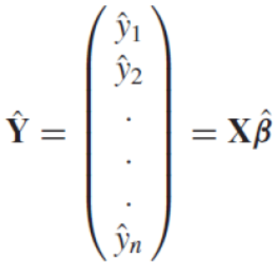
 |  |  |  |  | Y^hat | 2.5680291951
 |  |  |  |  |  | 2.2431261837
 |  |  |  |  |  | 2.5135888453
 |  |  |  |  |  | 2.8266492812
 |  |  |  |  |  | 3.1016852118
 |  |  |  |  |  | 3.0989493226
 |  |  |  |  |  | 3.2654818078
 |  |  |  |  |  | 3.4208985973
 |  |  |  |  |  | 2.8563800495
 |  |  |  |  |  | 3.0639029997
 |  |  |  |  |  | 2.7315803148
 |  |  |  |  |  | 2.4597281913
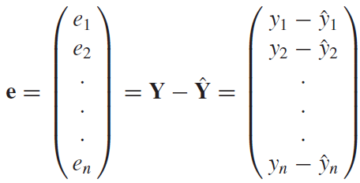
 |  |  |  |  | e | -0.088029195076
 |  |  |  |  |  | 0.016873816319
 |  |  |  |  |  | -0.043588845273
 |  |  |  |  |  | -0.056649281209
 |  |  |  |  |  | -0.11168521178
 |  |  |  |  |  | -0.048949322579
 |  |  |  |  |  | -0.085481807812
 |  |  |  |  |  | 0.039101402688
 |  |  |  |  |  | 0.17361995049
 |  |  |  |  |  | 0.19609700034
 |  |  |  |  |  | -0.061580314836
 |  |  |  |  |  | 0.070271808722

 |  |  |  |  | e'e | 0.11417685826 | <-- SSE

 |  |  |  |  | SSE | 0.11417685826
 |  |  |  |  | df | 9
 |  |  |  |  | MSE | 0.012686317584
 |  |  |  |  | sigma | 0.11263355443

 |  |  |  |  | s.e.(beta1) | 0.064314896105
 |  |  |  |  | t-stat | 5.4319931761

 |  |  |  |  | s.e.(beta2) | 0.00031089848823
 |  |  |  |  | t-stat | 3.8180321614

 | 요약 출력

 | 회귀분석 통계량
 | 다중 상관계수 | 0.96148884998
 | 결정계수 | 0.92446080863
 | 조정된 결정계수 | 0.90767432166
 | 표준 오차 | 0.11263355443
 | 관측수 | 12

 | 분산 분석
 |  | 자유도 | 제곱합 | 제곱 평균 | F 비 | 유의한 F
 | 회귀 | 2 | 1.3973148084 | 0.69865740421 | 55.071725863 | 8.9490202665E-06
 | 잔차 | 9 | 0.11417685826 | 0.012686317584
 | 계 | 11 | 1.5114916667

 |  | 계수 | 표준 오차 | t 통계량 | P-값 | 하위 95% | 상위 95% | 하위 95.0% | 상위 95.0%
 | Y 절편 | 0.99242426885 | 0.29417289314 | 3.3736088266 | 0.0082098173778 | 0.32695895153 | 1.6578895862 | 0.32695895153 | 1.6578895862
 | X 1 | 0.34935807677 | 0.064314896105 | 5.4319931761 | 0.00041529127074 | 0.20386767387 | 0.49484847967 | 0.20386767387 | 0.49484847967
 | X 2 | 0.001187020427 | 0.00031089848823 | 3.8180321614 | 0.0041022738054 | 0.00048371918493 | 0.001890321669 | 0.00048371918493 | 0.001890321669

